Table 1
Roberts Mountain Shop Management System
Author: Robert Renecker
Project Description This management system will help a worker at Robert's Mountain Shop better facilitate the renting of various mountain items to a customer. It will keep track of who the customer is, what they have rented and various other attributes that follow along with a rental contract.
 | User Requirements
 | Use case ID | Use Case Name | Primary Actor | Complextity | Priority

 | 1 | Create Account | Generic User | Low | 1
 | 2 | Search Available items | Generic User | Low | 1
 | 3 | Return an item | Customer | Medium | 1
 | 4 | Rent an item | Customer | Medium | 1
 | 5 | View current rentals | Employee | Medium | 2
 | 6 | Report lost item | Generic User | High | 3

UI Mockups

 | Mockup #1 | Associated Use Cases -- ID = [ 1 ]
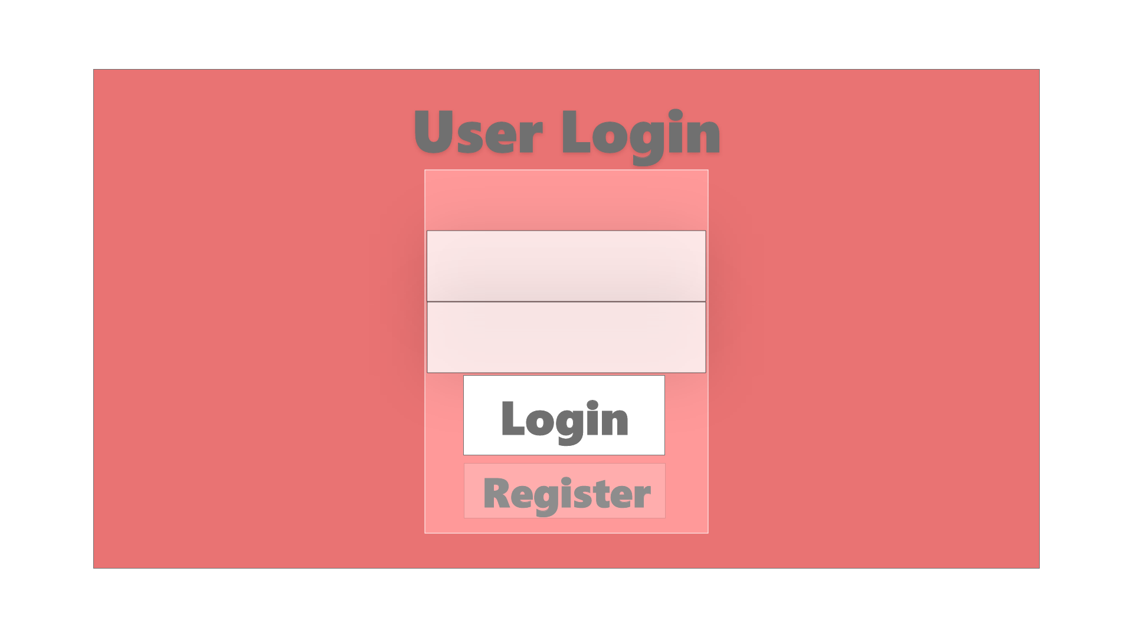

 | Mockup #2 | Associated Use Cases = -- ID = [ 2, 4 ]

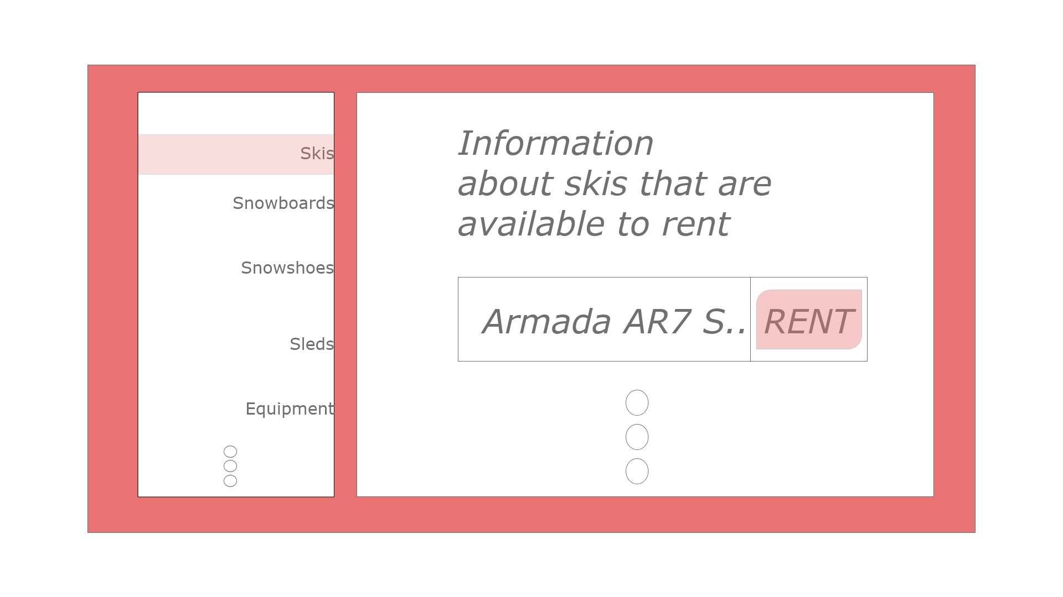

Other mockups / use cases I don't know yet if I should implement within the ones I have already created or how I will implement them in terms of UI so as of now I am leaving them out. Use Cases ID = [3,5,6]

Class Diagram

Create a class diagram containing: what relationships the classes have, their attributes and (public) methods, what design patterns you may already know about are present in your design, etc. Be sure to show the visibility modifiers and relationships between the classes.

1. Focus your class diagram on the classes you need to create.
For classes from Java or another library: You can specify an inheritance or composition relationship if it helps but do not put all the attributes/behaviors of the framework classes into the diagram.
For example,
If I was using Java Swing I could simply specify “submitBtn : JButton” as an attribute in one of my classes without drawing the JButton class. If I want to make use of Java’s Observer interface, I may draw the Observer interface in the class diagram to show a class implements it.
2. Show all classes you are coding, including attributes, methods, visibility modifiers, relationships to other classes.
3. Show relationships between all classes. No floating classes.

