Sheet1
Sl. No | Camera Name | Plate Number | Capture Time | Image
148 | Cam0 | TN16Z2648 | 07/06/2020 | 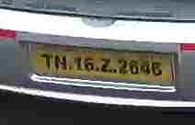
150 | Cam1 | TN16Z2648 | 07/06/2020

