ScreenEquipment
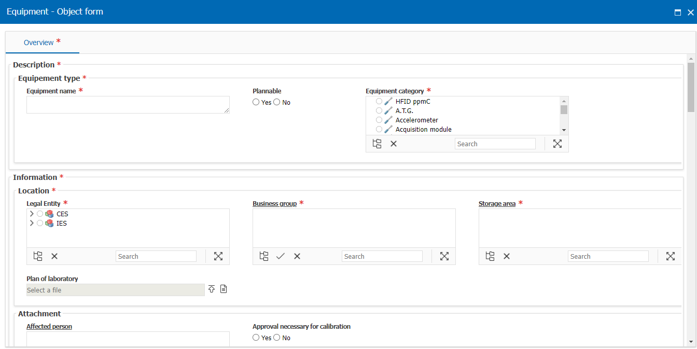
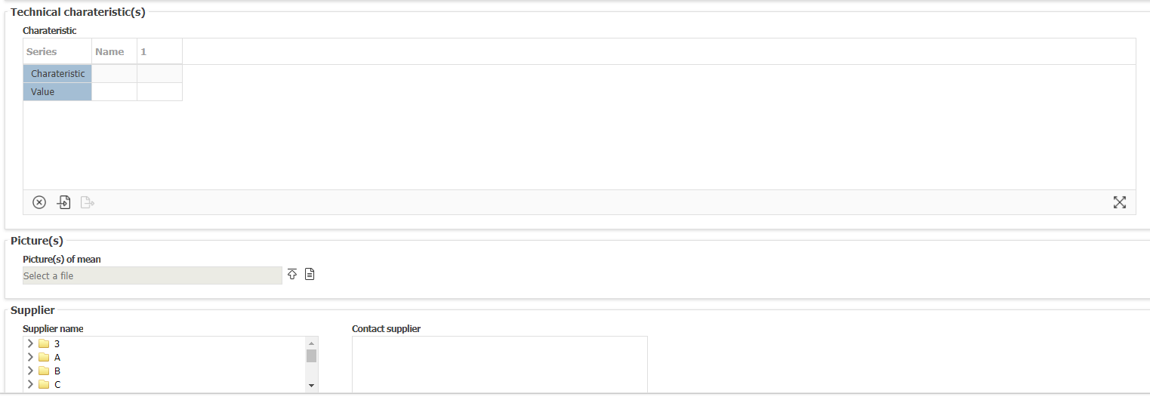
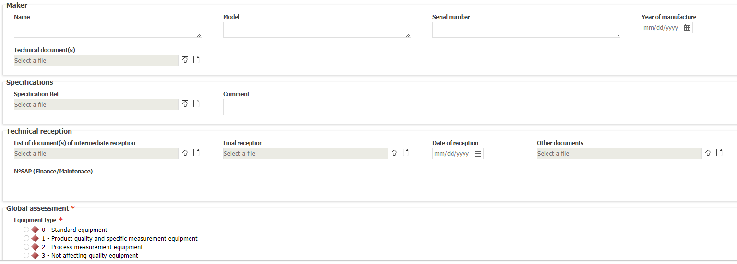
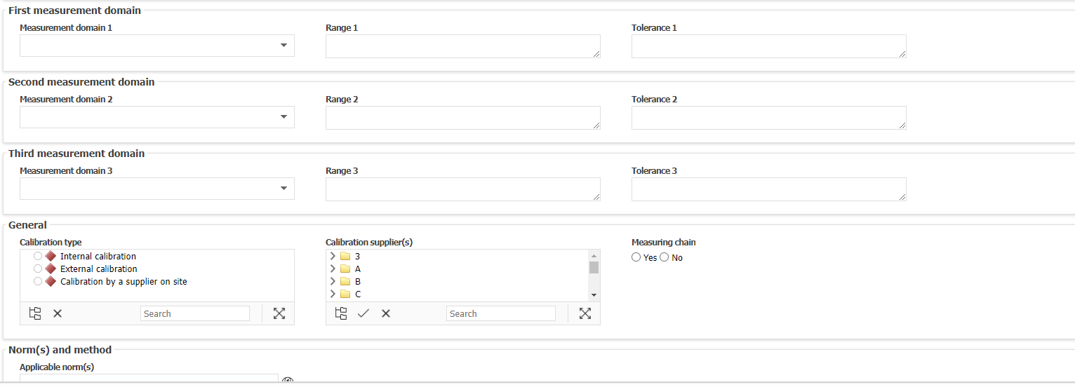
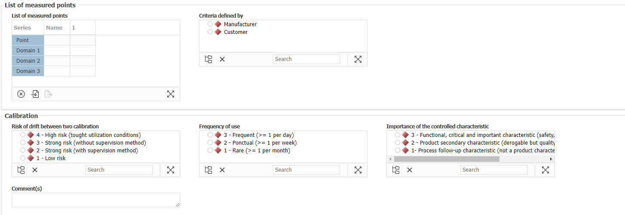
Ecran Creation Equipment OneLab

To select
Filtre des équipements à calibrer en juillet/août septembre 2023
Extraction Optimu du
CASS0027
CASS0164
CCAL0002
CCAL0003
CCAL0064
CCAL0133
CCAL0134
CCAL0135
CCAL0136
CCAL0146
CCAL0153
CCAL0154
CCAL0155
CCAL0156
CCAL0163
CCAL0168
CCAL0240
CCAL0246
CCAL0354
CCAL0386
CCAL0388
CCAL0389
CCAL0390
CCAL0391
CCAL0392
CCAL0465
CCAL0466
CCAL0658
CCAL0715
CCAL0716
CCAL0723
CCOM0028
CCOM0031
CCOM0062
CCOM0064
CCOM0088
CDEV0008
CDEV0009
CEMI0003
CEMI0005
CEMI0061
CEPE0008
CEPE0062
CEPE0071
CFEP0003
CFEP0004
CFEP0005
CFEP0030
CFEP0031
CFEP0041
CFEP0120
CFEP0139
CFEP0146
CFEP0147
CFEP0149
CFEP0202
CFEP0221
CFEP0222
CFEP0256
CFEP0272-D01
CFEP0272-D02
CFEP0272-D03
CFEP0272-D04
CFEP0272-D05
CFEP0272-D06
CFEP0272-D07
CFEP0272-D08
CFEP0272-D09
CFEP0272-D10
CFEP0272-D11
CFEP0272-D12
CFEP0272-D13
CFEP0272-D14
CFEP0272-D15
CFEP0272-D16
CFEP0272-D17
CFEP0272-D18
CFEP0272-D19
CFEP0272-D20
CFEP0272-D21
CFEP0272-D22
CFEP0272-D23
CFEP0272-D24
CFEP0272-D25
CFEP0272-D26
CFEP0272-D27
CFEP0272-D28
CFEP0272-D29
CFEP0272-D30
CFEP0272-P01
CFEP0272-P02
CFEP0272-P03
CFEP0272-P04
CFEP0272-P05
CFEP0272-T01
CFEP0272-T02
CFEP0272-T03
CFEP0272-T04
CFEP0272-T05
CFEP0272-T06
CFEP0272-T07
CFEP0272-T08
CFEP0272-T09
CFEP0272-T10
CIVC0031
CIVC0035
CIVC0036
CIVC0065
CIVC0074
CLAB0398
CLAB0399
CLAB0400
CLMA0003
CLMA0004
CLMA0006
CLMA0011-A
CLMA0011-B
CLMA0011-C
CLMA0019
CLMA0049
CLMA0053
CMAG0027
CMAG0030
CMAG0032
CMAG0033
CMAG0037
CMAG0038
CMAG0041
CMAG0044
CMAG0048
CMAG0049
CMAG0050
CMAG0066
CMAG0094
CMAG0103
CMAG0109
CMAG0155
CMAG0185
CMAG0187
CMAG0188
CMAG0190
CMAG0219
CMAG0243
CMAG0261
CMAG0270
CMAG0271
CMAG0282
CMAG0285
CMAG0302
CMAG0303
CMAG0306
CMAG0307
CMAG0450
CMAG0457
CMAG0486
CMAG0487
CMAG0488
CMAG0490
CMAG0601
CMET0013
CMET0015
CMET0019
CMET0020
CMET0028
CMET0032
CMET0036
CMET0096
CNVH0012
CQUA0021
CQUA0024
CQUA0030
CQUA0057
CQUA0068
CQUA0098
CQUA0123
CQUA0126
CQUA0192
CQUA0248
CQUA0249
CQUA0287-01
CQUA0287-02
CQUA0287-03
CSCF0004
CSCR0007
CSCR0017
CSCR0019
CSCR0066
CSCR0088
CSCR0159
CSCR0160
CSCR0161
CSCR0162
CSCR0163
CSCR0164
CSCR0166
CSCR0167
CSCR0168
CSCR0169
CSCR0170
CSCR0184
CSCR0217
CSCR0269
CSCR0313
CSCR0316
CSCR0318
CSCR0327
CSCR0362
CSCR0366
CSCR0367
CSCR0368
CSCR0383
CSCR0384
CSCR0410
CSCR0411
CSCR0428
CSCR0429
CSCR0430
CSCR0431
CSCR0471
CSCR0540
CSCR0646
CSCR0648
CSCR0681
CSCR0687
CSCR0701
CSCR0706
CSCR0713
CSCR0724
CSCR0738
CSCR0739
CSCR0740
CSCR0741
CSCR0742
CSCR0743
CSCR0758
CSCR0850
CSCR0851
CSCR0854
CSCR0918
CSCR0919
CSCR0931
CSCR0932
CSCR0933
CSCR0934
CSCR0935
CSCR0936
CSCR0937
CSCR0938
CSCR0939
CSCR0952
CSCR0953
CSCR0954
CSCR0955
CSCR0963
CSCR0964
CSCR0968
CSCR0969

