Accomplishment_Report
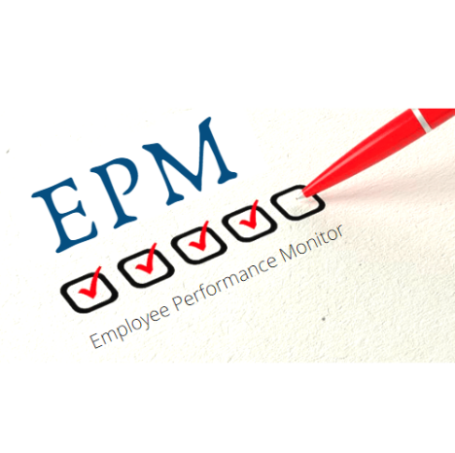 |  |  | Accomplishment Report
S.No | Resource Name | Business unit | Achievements | Status | Rating | Rated By | Rated On

