ANN_ForwardFeed
ANN - Forward FEED/ Forward Propogation

Inputs
Weights
Bias
Activation Functions
w1
z3
a3
X1
w3
b1
Sigmoid/
RELU/
TANH
w5
a5
w2
b3
z5
Sigmoid/
RELU /
TANH
Output
Expected Output
a4
X2
w4
b2
z4
Sigmoid/
RELU /
TANH
w6

Output Layer
Input Layer
Hidden Layer
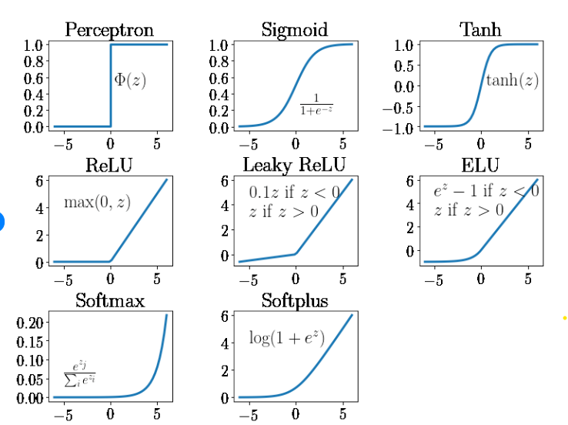
 |  |  | ERROR/COST = 1/2(Expected - DesiredOutput)^2
 |  | Activation Functions :

X1W1*X2W3+b

 | 1/(1+e^x)

ANN_BackwardPropogation
ANN - Backward FEED/ Backward Propogation

Inputs
Weights
Bias
Activation Functions
∂a5/dz5
w1
z3
a3
X1
w3
b1
Sigmoid/
RELU /
TANH
w5
a5
w2
b3
z5
Sigmoid/
RELU /
TANH
Output
Expected Output
a4
X2
w4
b2
z4
Sigmoid/
RELU/
TANH
w6

 | ERROR/COST =1/2* (Expected - DesiredOutput)^2
Activation Functions :
∂E/da5

 |  | dE da5 | * | da5 dz5 | * | dE db3 | * | dE dw5 | * | dE da3 | * | da3 dz3 | * | dE da4 | * | da4 dz4 | * | dC db1 | * | dC dw1 | * | dC db2 | * | dC dw2 | * | dC dw3 | * | dC dw4

XOR Neural Network Simulation

Learning Rate | 3 |  | Desired function to learn (XOR gate)
 |  |  | Input 1 | Input 2 | Output 3
 |  |  | 0 | 0 | 0
 |  |  | 0 | 1 | 1
 |  |  | 1 | 0 | 1
 |  |  | 1 | 1 | 0

 |  |  |  |  |  |  |  |  |  | Inputs |  | Output
epoch | w1 | w2 | w3 | w4 | b1 | b2 | w5 | w6 | b3 | x1 | x2 | y | z3 | z4 | a3 | a4 | z5 | a5 (predicted) | Cost/Loss | dE/da5 | da5/dz5 | dE/dZ5 | dE/dw5 | DE/dw6 | dE/db3 | DE/dz3 | DE/dz4 | DE/dw1 | dE/dw2 | dE/Dw3 | dE/Dw4 | dE/db1 | dE/db2
1 | 3 | 1 | 1 | 1 | -2 | 1 | 1 | 1 | 2 | 0 | 0 | 0 | -2 | 1 | 0.1192 | 0.7311 | 2.8503 | 0.94533 | 0.44682648 | 0.9453 | 0.0517 | 0.0489 | 0.0058 | 0.0357 | 0.0489 | 0.0051 | 0.0096 | 0 | 0 | 0 | 0 | 0.0051293611277 | 0.0096052878252
1 | 3 | 1 | 1 | 1 | -2 | 1 | 1 | 1 | 2 | 0 | 1 | 1 | -1 | 2 | 0.2689 | 0.8808 | 3.1497 | 0.9589 | 0.000845 | -0.0411 | 0.0394 | -0.0016 | 0.000 | -0.0014 | -0.0016 | -0.0003 | -0.0002 | 0 | 0 | -0.00031849277054 | -0.00017007969635 | -0.00031849277054 | -0.00017007969635
1 | 3 | 1 | 1 | 1 | -2 | 1 | 1 | 1 | 2 | 1 | 0 | 1 | 1 | 2 | 0.7311 | 0.8808 | 3.6119 | 0.9737 | 0.000346 | -0.0263 | 0.0256 | -0.0007 | 0.000 | -0.0006 | -0.000673 | -0.0001 | -0.0001 | -0.00013233613024 | -7.0669386965E-05 | 0 | 0 | -0.00013233613024 | -7.0669386965E-05
1 | 3 | 1 | 1 | 1 | -2 | 1 | 1 | 1 | 2 | 1 | 1 | 0 | 2 | 3 | 0.8808 | 0.9526 | 3.8334 | 0.9788 | 0.479046 | 0.9788 | 0.0207 | 0.0203 | 0.018 | 0.0193 | 0.0203 | 0.0021 | 0.0009 | 0.0021304018872 | 0.00091666972586 | 0.0021304018872 | 0.00091666972586 | 0.0021304018872 | 0.00091666972586
 |  |  |  |  |  |  |  |  |  |  |  |  |  |  |  |  |  |  | 0.9271 |  |  | 0.0669 | 0.0228 | 0.0530 | 0.0668518 | 0.0068 | 0.0103 | 0.001998065757 | 0.00084600033889 | 0.0018119091167 | 0.00074659002951 | 0.0068089341141 | 0.010281208468
epoch |  |  |  |  |  |  |  |  |  | x1 | x2 | y
2 | 2.9940058027 | 0.99746199898 | 0.99456427265 | 0.99776022991 | -2.0204268023 | 0.97957319766 | 0.93169635138 | 0.84092805111 | 1.7994444926 | 0 | 0 | 0 | -2.0204268023 | 0.97957319766 | 0.1171 | 0.7270 | 2.6413 | 0.93347 | 0.43568441 | 0.9335 | 0.0621 | 0.0580 | 0.0068 | 0.0421 | 0.0580 | 0.0060 | 0.0097 | 0 | 0 | 0 | 0 | 0.0059597893977 | 0.0096748232373
2 | 2.9940058027 | 0.99746199898 | 0.99456427265 | 0.99776022991 | -2.0204268023 | 0.97957319766 | 0.93169635138 | 0.84092805111 | 1.7994444926 | 0 | 1 | 1 | -1.0229648034 | 1.9773334276 | 0.2645 | 0.8784 | 2.9389 | 0.94974 | 0.00126326 | -0.0503 | 0.0477 | -0.0024 | -0.0006 | -0.0021 | -0.0024 | -0.0005 | -0.0002 | 0 | 0 | -0.00046420807403 | -0.00021553554697 | -0.00046420807403 | -0.00021553554697
2 | 2.9940058027 | 0.99746199898 | 0.99456427265 | 0.99776022991 | -2.0204268023 | 0.97957319766 | 0.93169635138 | 0.84092805111 | 1.7994444926 | 1 | 0 | 1 | 0.97357900039 | 1.9741374703 | 0.7258 | 0.8781 | 3.3974 | 0.96762 | 0.00052411 | -0.0324 | 0.0313 | -0.0010 | -0.0007 | -0.0009 | -0.0010 | -0.0002 | -0.0001 | -0.0002007446292 | -9.1327925179E-05 | 0 | 0 | -0.0002007446292 | -9.1327925179E-05
2 | 2.9940058027 | 0.99746199898 | 0.99456427265 | 0.99776022991 | -2.0204268023 | 0.97957319766 | 0.93169635138 | 0.84092805111 | 1.7994444926 | 1 | 1 | 0 | 1.9710409994 | 2.9718977002 | 0.8777 | 0.9513 | 3.6216 | 0.97396 | 0.47429453 | 0.9740 | 0.0254 | 0.0247 | 0.0217 | 0.0235 | 0.0247 | 0.0026 | 0.0010 | 0.0026371312638 | 0.00096272145402 | 0.0026371312638 | 0.00096272145402 | 0.0026371312638 | 0.00096272145402
 |  |  |  |  |  |  |  |  |  |  |  |  |  |  |  |  |  |  | 0.9118 |  |  |  | 0.0271 | 0.0627 | 0.0792628 | 0.0079 | 0.0103 | 0.0024363866346 | 0.00087139352884 | 0.0021729231898 | 0.00074718590705 | 0.0079319679583 | 0.010330681219
epoch |  |  |  |  |  |  |  |  |  | x1 | x2 | y
3 | 2.9866966428 | 0.9948478184 | 0.98804550308 | 0.99551867219 | -2.0442227062 | 0.95577729378 | 0.85039363429 | 0.65297767137 | 1.5616560501 | 0 | 0 | 0 | -2.0442227062 | 0.95577729378 | 0.1146 | 0.7223 | 2.3940 | 0.91637 | 0.41986305 | 0.9164 | 0.0766 | 0.0702 | 0.0081 | 0.0507 | 0.0702 | 0.0070 | 0.0092 | 0 | 0 | 0 | 0 | 0.0070428211118 | 0.0091989320677
3 | 2.9866966428 | 0.9948478184 | 0.98804550308 | 0.99551867219 | -2.0442227062 | 0.95577729378 | 0.85039363429 | 0.65297767137 | 1.5616560501 | 0 | 1 | 1 | -1.0493748878 | 1.951295966 | 0.2593 | 0.8756 | 2.6896 | 0.93641 | 0.00202197 | -0.0636 | 0.0595 | -0.0038 | -0.0010 | -0.0033 | -0.0038 | -0.0007 | -0.0003 | 0 | 0 | -0.00071868730958 | -0.00026935793149 | -0.00071868730958 | -0.00026935793149
3 | 2.9866966428 | 0.9948478184 | 0.98804550308 | 0.99551867219 | -2.0442227062 | 0.95577729378 | 0.85039363429 | 0.65297767137 | 1.5616560501 | 1 | 0 | 1 | 0.94247393661 | 1.9438227969 | 0.7196 | 0.8748 | 3.1435 | 0.95865 | 0.00085483 | -0.0413 | 0.0396 | -0.0016 | -0.0012 | -0.0014 | -0.0016 | -0.0003 | -0.0001 | -0.00032675100809 | -0.00011723737045 | 0 | 0 | -0.00032675100809 | -0.00011723737045
3 | 2.9866966428 | 0.9948478184 | 0.98804550308 | 0.99551867219 | -2.0442227062 | 0.95577729378 | 0.85039363429 | 0.65297767137 | 1.5616560501 | 1 | 1 | 0 | 1.937321755 | 2.9393414691 | 0.8741 | 0.9498 | 3.3708 | 0.96678 | 0.46733014 | 0.9668 | 0.0321 | 0.0311 | 0.0271 | 0.0295 | 0.0311 | 0.0034 | 0.0010 | 0.00337726062 | 0.00096751899076 | 0.00337726062 | 0.00096751899076 | 0.00337726062 | 0.00096751899076
 |  |  |  |  |  |  |  |  |  |  |  |  |  |  |  |  |  |  | 0.8901 |  |  |  | 0.0330 | 0.0755 | 0.0958552 | 0.0094 | 0.0098 | 0.0030505096119 | 0.00085028162031 | 0.0026585733104 | 0.00069816105928 | 0.0093746434141 | 0.0097798557565
epoch |  |  |  |  |  |  |  |  |  | x1 | x2 | y
4 | 2.977545114 | 0.99229697354 | 0.98006978315 | 0.99342418901 | -2.0723466365 | 0.92765336354 | 0.75130404116 | 0.42657700869 | 1.2740905448 | 0 | 0 | 0 | -2.0723466365 | 0.92765336354 | 0.1118 | 0.7166 | 2.0956 | 0.89047 | 0.39646942 | 0.8905 | 0.0975 | 0.0868 | 0.0097 | 0.0622 | 0.0868 | 0.0085 | 0.0075 | 0 | 0 | 0 | 0 | 0.0084532677715 | 0.0075239054336
4 | 2.977545114 | 0.99229697354 | 0.98006978315 | 0.99342418901 | -2.0723466365 | 0.92765336354 | 0.75130404116 | 0.42657700869 | 1.2740905448 | 0 | 1 | 1 | -1.0800496629 | 1.9210775526 | 0.2535 | 0.8723 | 2.3891 | 0.91599 | 0.00352892 | -0.0840 | 0.0770 | -0.0065 | -0.0016 | -0.0056 | -0.0065 | -0.0012 | -0.0003 | 0 | 0 | -0.0011990097688 | -0.00030728142144 | -0.0011990097688 | -0.00030728142144
4 | 2.977545114 | 0.99229697354 | 0.98006978315 | 0.99342418901 | -2.0723466365 | 0.92765336354 | 0.75130404116 | 0.42657700869 | 1.2740905448 | 1 | 0 | 1 | 0.90519847753 | 1.9077231467 | 0.7120 | 0.8708 | 2.8370 | 0.94464 | 0.00153234 | -0.0554 | 0.0523 | -0.0029 | -0.0021 | -0.0025 | -0.0029 | -0.0006 | -0.0001 | -0.00058179154073 | -0.0001389750143 | 0 | 0 | -0.00058179154073 | -0.0001389750143
4 | 2.977545114 | 0.99229697354 | 0.98006978315 | 0.99342418901 | -2.0723466365 | 0.92765336354 | 0.75130404116 | 0.42657700869 | 1.2740905448 | 1 | 1 | 0 | 1.8974954511 | 2.9011473357 | 0.8696 | 0.9479 | 3.0680 | 0.95555 | 0.45654255 | 0.9556 | 0.0425 | 0.0406 | 0.0353 | 0.0385 | 0.0406 | 0.0045 | 0.0009 | 0.0045099060898 | 0.00085488663517 | 0.0045099060898 | 0.00085488663517 | 0.0045099060898 | 0.00085488663517
 |  |  |  |  |  |  |  |  |  |  |  |  |  |  |  |  |  |  | 0.8581 |  |  |  | 0.0413 | 0.0925 | 0.1180719 | 0.0112 | 0.0079 | 0.0039281145491 | 0.00071591162086 | 0.0033108963211 | 0.00054760521372 | 0.011182372552 | 0.007932535633
epoch |  |  |  |  |  |  |  |  |  | x1 | x2 | y
5 | 2.9657607703 | 0.99014923867 | 0.97013709419 | 0.99178137337 | -2.1058937541 | 0.89410624589 | 0.62739972101 | 0.14894371282 | 0.91987469665 | 0 | 0 | 0 | -2.1058937541 | 0.89410624589 | 0.1085 | 0.7097 | 1.7291 | 0.84929 | 0.36064889 | 0.8493 | 0.1280 | 0.1087 | 0.0118 | 0.0772 | 0.1087 | 0.0102 | 0.0033 | 0 | 0 | 0 | 0 | 0.010202874374 | 0.0033354994277
5 | 2.9657607703 | 0.99014923867 | 0.97013709419 | 0.99178137337 | -2.1058937541 | 0.89410624589 | 0.62739972101 | 0.14894371282 | 0.91987469665 | 0 | 1 | 1 | -1.1157445154 | 1.8858876193 | 0.2468 | 0.8683 | 2.0205 | 0.88293 | 0.00685291 | -0.1171 | 0.1034 | -0.0121 | -0.0030 | -0.0105 | -0.0121 | -0.0022 | -0.0002 | 0 | 0 | -0.0021823318969 | -0.0002061330268 | -0.0021823318969 | -0.0002061330268
5 | 2.9657607703 | 0.99014923867 | 0.97013709419 | 0.99178137337 | -2.1058937541 | 0.89410624589 | 0.62739972101 | 0.14894371282 | 0.91987469665 | 1 | 0 | 1 | 0.85986701623 | 1.8642433401 | 0.7026 | 0.8658 | 2.4602 | 0.92130 | 0.00309652 | -0.0787 | 0.0725 | -0.0057 | -0.0040 | -0.0049 | -0.0057 | -0.0012 | -0.0001 | -0.001156540946 | -9.8747013314E-05 | 0 | 0 | -0.001156540946 | -9.8747013314E-05
5 | 2.9657607703 | 0.99014923867 | 0.97013709419 | 0.99178137337 | -2.1058937541 | 0.89410624589 | 0.62739972101 | 0.14894371282 | 0.91987469665 | 1 | 1 | 0 | 1.8500162549 | 2.8560247134 | 0.8641 | 0.9456 | 2.6961 | 0.93679 | 0.43879103 | 0.9368 | 0.0592 | 0.0555 | 0.0479 | 0.0525 | 0.0555 | 0.0063 | 0.0004 | 0.0063181202162 | 0.00042477375142 | 0.0063181202162 | 0.00042477375142 | 0.0063181202162 | 0.00042477375142
 |  |  |  |  |  |  |  |  |  |  |  |  |  |  |  |  |  |  | 0.8094 |  |  |  | 0.0527 | 0.1142 | 0.1463669 | 0.0132 | 0.0035 | 0.0051615792702 | 0.00032602673811 | 0.0041357883193 | 0.00021864072462 | 0.013182121747 | 0.003455393139
epoch |  |  |  |  |  |  |  |  |  | x1 | x2 | y
6 | 2.9502760325 | 0.98917115846 | 0.95772972923 | 0.9911254512 | -2.1454401194 | 0.85455988064 | 0.46919797107 | -0.19352927422 | 0.48077388408 | 0 | 0 | 0 | -2.1454401194 | 0.85455988064 | 0.1048 | 0.7015 | 1.2764 | 0.78184 | 0.30563417 | 0.7818 | 0.1706 | 0.1334 | 0.0140 | 0.0936 | 0.1334 | 0.0120 | -0.0054 | 0 | 0 | 0 | 0 | 0.011978017188 | -0.0054039780894
6 | 2.9502760325 | 0.98917115846 | 0.95772972923 | 0.9911254512 | -2.1454401194 | 0.85455988064 | 0.46919797107 | -0.19352927422 | 0.48077388408 | 0 | 1 | 1 | -1.1562689609 | 1.8456853318 | 0.2393 | 0.8636 | 1.5660 | 0.82721 | 0.01492877 | -0.1728 | 0.1429 | -0.0247 | -0.0059 | -0.0213 | -0.0247 | -0.0043 | 0.0006 | 0 | 0 | -0.0043064986364 | 0.00056297480271 | -0.0043064986364 | 0.00056297480271
6 | 2.9502760325 | 0.98917115846 | 0.95772972923 | 0.9911254512 | -2.1454401194 | 0.85455988064 | 0.46919797107 | -0.19352927422 | 0.48077388408 | 1 | 0 | 1 | 0.80483591317 | 1.8122896099 | 0.6910 | 0.8596 | 1.9946 | 0.88023 | 0.00717278 | -0.1198 | 0.1054 | -0.0126 | -0.0087 | -0.0109 | -0.0126 | -0.0026 | 0.0003 | -0.0025821730686 | 0.00029486479414 | 0 | 0 | -0.0025821730686 | 0.00029486479414
6 | 2.9502760325 | 0.98917115846 | 0.95772972923 | 0.9911254512 | -2.1454401194 | 0.85455988064 | 0.46919797107 | -0.19352927422 | 0.48077388408 | 1 | 1 | 0 | 1.7940070716 | 2.8034150611 | 0.8574 | 0.9429 | 2.2364 | 0.90347 | 0.40813312 | 0.9035 | 0.0872 | 0.0788 | 0.0676 | 0.0743 | 0.0788 | 0.0092 | -0.0008 | 0.0092251698386 | -0.00082149932463 | 0.0092251698386 | -0.00082149932463 | 0.0092251698386 | -0.00082149932463
 |  |  |  |  |  |  |  |  |  |  |  |  |  |  |  |  |  |  | 0.7359 |  |  |  | 0.0669 | 0.1357 | 0.1748212 | 0.0143 | -0.0054 | 0.00664299677 | -0.00052663453049 | 0.0049186712022 | -0.00025852452192 | 0.014314515321 | -0.0053676378172
epoch |  |  |  |  |  |  |  |  |  | x1 | x2 | y
7 | 2.9303470422 | 0.99075106205 | 0.94297371562 | 0.99190102476 | -2.1883836653 | 0.81161633468 | 0.26852953217 | -0.60049736782 | -0.043689718917 | 0 | 0 | 0 | -2.1883836653 | 0.81161633468 | 0.1008 | 0.6925 | 0.7382 | 0.67660 | 0.22889614 | 0.6766 | 0.2188 | 0.1480 | 0.0149 | 0.1025 | 0.1480 | 0.0127 | -0.0189 | 0 | 0 | 0 | 0 | 0.012653610959 | -0.018932852425
7 | 2.9303470422 | 0.99075106205 | 0.94297371562 | 0.99190102476 | -2.1883836653 | 0.81161633468 | 0.26852953217 | -0.60049736782 | -0.043689718917 | 0 | 1 | 1 | -1.1976326033 | 1.8035173594 | 0.2319 | 0.8586 | 1.0266 | 0.73626 | 0.03478010 | -0.2637 | 0.1942 | -0.0512 | -0.0119 | -0.0440 | -0.0512 | -0.0086 | 0.0037 | 0 | 0 | -0.0086020940532 | 0.003734238207 | -0.0086020940532 | 0.003734238207
7 | 2.9303470422 | 0.99075106205 | 0.94297371562 | 0.99190102476 | -2.1883836653 | 0.81161633468 | 0.26852953217 | -0.60049736782 | -0.043689718917 | 1 | 0 | 1 | 0.7419633769 | 1.7545900503 | 0.6774 | 0.8525 | 1.4407 | 0.80857 | 0.01832315 | -0.1914 | 0.1548 | -0.0296 | -0.0201 | -0.0253 | -0.0296 | -0.0061 | 0.0022 | -0.0061057375254 | 0.002237016267 | 0 | 0 | -0.0061057375254 | 0.002237016267
7 | 2.9303470422 | 0.99075106205 | 0.94297371562 | 0.99190102476 | -2.1883836653 | 0.81161633468 | 0.26852953217 | -0.60049736782 | -0.043689718917 | 1 | 1 | 0 | 1.732714439 | 2.7464910751 | 0.8498 | 0.9397 | 1.6897 | 0.84419 | 0.35632558 | 0.8442 | 0.1315 | 0.1110 | 0.0944 | 0.1043 | 0.1110 | 0.0134 | -0.0038 | 0.013367945681 | -0.0037774519146 | 0.013367945681 | -0.0037774519146 | 0.013367945681 | -0.0037774519146
 |  |  |  |  |  |  |  |  |  |  |  |  |  |  |  |  |  |  | 0.6383 |  |  |  | 0.0773 | 0.1376 | 0.1782437 | 0.0113 | -0.0167 | 0.0072622081553 | -0.0015404356476 | 0.0047658516275 | -4.3213707596E-05 | 0.011313725062 | -0.016739049865
epoch |  |  |  |  |  |  |  |  |  | x1 | x2 | y
8 | 2.9085604178 | 0.99537236899 | 0.92867616074 | 0.99203066589 | -2.2223248405 | 0.77767515949 | 0.036534768 | -1.0133887547 | -0.57842090598 | 0 | 0 | 0 | -2.2223248405 | 0.77767515949 | 0.0978 | 0.6852 | 0.1921 | 0.54787 | 0.15008347 | 0.5479 | 0.2477 | 0.1357 | 0.0133 | 0.0930 | 0.1357 | 0.0111 | -0.0297 | 0 | 0 | 0 | 0 | 0.011116883829 | -0.029666436558
8 | 2.9085604178 | 0.99537236899 | 0.92867616074 | 0.99203066589 | -2.2223248405 | 0.77767515949 | 0.036534768 | -1.0133887547 | -0.57842090598 | 0 | 1 | 1 | -1.2269524715 | 1.7697058254 | 0.2267 | 0.8544 | 0.4797 | 0.61769 | 0.07308217 | -0.3823 | 0.2362 | -0.0903 | -0.0205 | -0.0771 | -0.0903 | -0.0147 | 0.0114 | 0 | 0 | -0.014699188485 | 0.011380343959 | -0.014699188485 | 0.011380343959
8 | 2.9085604178 | 0.99537236899 | 0.92867616074 | 0.99203066589 | -2.2223248405 | 0.77767515949 | 0.036534768 | -1.0133887547 | -0.57842090598 | 1 | 0 | 1 | 0.68623557725 | 1.7063513202 | 0.6651 | 0.8464 | 0.8789 | 0.70659 | 0.04304433 | -0.2934 | 0.2073 | -0.0608 | -0.0405 | -0.0515 | -0.0608 | -0.0126 | 0.0080 | -0.0125823549 | 0.0080157484656 | 0 | 0 | -0.0125823549 | 0.0080157484656
8 | 2.9085604178 | 0.99537236899 | 0.92867616074 | 0.99203066589 | -2.2223248405 | 0.77767515949 | 0.036534768 | -1.0133887547 | -0.57842090598 | 1 | 1 | 0 | 1.6816079462 | 2.6983819861 | 0.8431 | 0.9369 | 1.1340 | 0.75658 | 0.28620756 | 0.7566 | 0.1842 | 0.1393 | 0.1175 | 0.1305 | 0.1393 | 0.0171 | -0.0083 | 0.017115614198 | -0.0083438059121 | 0.017115614198 | -0.0083438059121 | 0.017115614198 | -0.0083438059121
 |  |  |  |  |  |  |  |  |  |  |  |  |  |  |  |  |  |  | 0.5524 |  |  |  | 0.0698 | 0.0949 | 0.1239365 | 0.0010 | -0.0186 | 0.0045332592981 | -0.00032805744649 | 0.0024164257137 | 0.0030365380467 | 0.00095095464283 | -0.018614150046
epoch |  |  |  |  |  |  |  |  |  | x1 | x2 | y
9 | 2.8949606399 | 0.99635654133 | 0.9214268836 | 0.98292105175 | -2.2251777044 | 0.77482229557 | -0.17291550234 | -1.298126131 | -0.9502304183 | 0 | 0 | 0 | -2.2251777044 | 0.77482229557 | 0.0975 | 0.6846 | -0.1875 | 0.45326 | 0.10272219 | 0.4533 | 0.2478 | 0.1123 | 0.0110 | 0.0769 | 0.1123 | 0.0091 | -0.0315 | 0 | 0 | 0 | 0 | 0.0091082826028 | -0.031486050432
9 | 2.8949606399 | 0.99635654133 | 0.9214268836 | 0.98292105175 | -2.2251777044 | 0.77482229557 | -0.17291550234 | -1.298126131 | -0.9502304183 | 0 | 1 | 1 | -1.2288211631 | 1.7577433473 | 0.2264 | 0.8529 | 0.0967 | 0.52416 | 0.11321022 | -0.4758 | 0.2494 | -0.1187 | -0.0269 | -0.1012 | -0.1187 | -0.0192 | 0.0193 | 0 | 0 | -0.019152239754 | 0.019326113323 | -0.019152239754 | 0.019326113323
9 | 2.8949606399 | 0.99635654133 | 0.9214268836 | 0.98292105175 | -2.2251777044 | 0.77482229557 | -0.17291550234 | -1.298126131 | -0.9502304183 | 1 | 0 | 1 | 0.66978293543 | 1.6962491792 | 0.6615 | 0.8450 | 0.4899 | 0.62007 | 0.07217179 | -0.3799 | 0.2356 | -0.0895 | -0.0592 | -0.0756 | -0.0895 | -0.0185 | 0.0152 | -0.018467964863 | 0.015214065404 | 0 | 0 | -0.018467964863 | 0.015214065404
9 | 2.8949606399 | 0.99635654133 | 0.9214268836 | 0.98292105175 | -2.2251777044 | 0.77482229557 | -0.17291550234 | -1.298126131 | -0.9502304183 | 1 | 1 | 0 | 1.6661394768 | 2.6791702309 | 0.8411 | 0.9358 | 0.7445 | 0.67799 | 0.22983513 | 0.6780 | 0.2183 | 0.1480 | 0.1245 | 0.1385 | 0.1480 | 0.0182 | -0.0115 | 0.018232072917 | -0.011546153772 | 0.018232072917 | -0.011546153772 | 0.018232072917 | -0.011546153772
 |  |  |  |  |  |  |  |  |  |  |  |  |  |  |  |  |  |  | 0.5179 |  |  |  | 0.0494 | 0.0385 | 0.0521581 | -0.0103 | -0.0085 | -0.00023589194563 | 0.0036679116323 | -0.00092016683717 | 0.0077799595509 | -0.010279849097 | -0.0084920254764
epoch |  |  |  |  |  |  |  |  |  | x1 | x2 | y
10 | 2.8956683157 | 0.98535280644 | 0.92418738411 | 0.95958117309 | -2.1943381571 | 0.80566184286 | -0.32104008328 | -1.413763937 | -1.1067048646 | 0 | 0 | 0 | -2.1943381571 | 0.80566184286 | 0.1003 | 0.6912 | -0.3508 | 0.41319 | 0.08536251 | 0.4132 | 0.2425 | 0.1002 | 0.0100 | 0.0692 | 0.1002 | 0.0084 | -0.0302 | 0 | 0 | 0 | 0 | 0.0083521944927 | -0.030231915866
10 | 2.8956683157 | 0.98535280644 | 0.92418738411 | 0.95958117309 | -2.1943381571 | 0.80566184286 | -0.32104008328 | -1.413763937 | -1.1067048646 | 0 | 1 | 1 | -1.2089853507 | 1.765243016 | 0.2299 | 0.8539 | -0.0749 | 0.48128 | 0.13453317 | -0.5187 | 0.2496 | -0.1295 | -0.0298 | -0.1106 | -0.1295 | -0.0212 | 0.0228 | 0 | 0 | -0.021187573262 | 0.022844458854 | -0.021187573262 | 0.022844458854
10 | 2.8956683157 | 0.98535280644 | 0.92418738411 | 0.95958117309 | -2.1943381571 | 0.80566184286 | -0.32104008328 | -1.413763937 | -1.1067048646 | 1 | 0 | 1 | 0.70133015856 | 1.729849227 | 0.6685 | 0.8494 | 0.3262 | 0.58082 | 0.08785394 | -0.4192 | 0.2435 | -0.1021 | -0.0682 | -0.0867 | -0.1021 | -0.0209 | 0.0185 | -0.020902240109 | 0.018457241367 | 0 | 0 | -0.020902240109 | 0.018457241367
10 | 2.8956683157 | 0.98535280644 | 0.92418738411 | 0.95958117309 | -2.1943381571 | 0.80566184286 | -0.32104008328 | -1.413763937 | -1.1067048646 | 1 | 1 | 0 | 1.686682965 | 2.6894304001 | 0.8438 | 0.9364 | 0.5717 | 0.63915 | 0.20425458 | 0.6391 | 0.2306 | 0.1474 | 0.1244 | 0.1380 | 0.1474 | 0.0180 | -0.0124 | 0.017957294543 | -0.012411573755 | 0.017957294543 | -0.012411573755 | 0.017957294543 | -0.012411573755
 |  |  |  |  |  |  |  |  |  |  |  |  |  |  |  |  |  |  | 0.5120 |  |  |  | 0.0364 | 0.0100 | 0.0160422 | -0.0158 | -0.0013 | -0.0029449455653 | 0.0060456676113 | -0.0032302787188 | 0.010432885098 | -0.015780324335 | -0.0013417894004
epoch |  |  |  |  |  |  |  |  |  | x1 | x2 | y
11 | 2.9045031524 | 0.9672158036 | 0.93387822027 | 0.9282825178 | -2.1469971841 | 0.85300281586 | -0.43035186084 | -1.4438328917 | -1.1548315018 | 0 | 0 | 0 | -2.1469971841 | 0.85300281586 | 0.1046 | 0.7012 | -0.4062 | 0.39982 | 0.07992680 | 0.3998 | 0.2400 | 0.0959 | 0.0100 | 0.0673 | 0.0959 | 0.0084 | -0.0290 | 0 | 0 | 0 | 0 | 0.0083924687573 | -0.029023403382
11 | 2.9045031524 | 0.9672158036 | 0.93387822027 | 0.9282825178 | -2.1469971841 | 0.85300281586 | -0.43035186084 | -1.4438328917 | -1.1548315018 | 0 | 1 | 1 | -1.1797813805 | 1.7812853337 | 0.2351 | 0.8559 | -0.1408 | 0.46486 | 0.14318965 | -0.5351 | 0.2488 | -0.1331 | -0.0313 | -0.1139 | -0.1331 | -0.0224 | 0.0237 | 0 | 0 | -0.022356126775 | 0.023712390147 | -0.022356126775 | 0.023712390147
11 | 2.9045031524 | 0.9672158036 | 0.93387822027 | 0.9282825178 | -2.1469971841 | 0.85300281586 | -0.43035186084 | -1.4438328917 | -1.1548315018 | 1 | 0 | 1 | 0.75750596826 | 1.7868810361 | 0.6808 | 0.8565 | 0.2761 | 0.56858 | 0.09305956 | -0.4314 | 0.2453 | -0.1058 | -0.0720 | -0.0906 | -0.1058 | -0.0215 | 0.0188 | -0.021475842289 | 0.018774586554 | 0 | 0 | -0.021475842289 | 0.018774586554
11 | 2.9045031524 | 0.9672158036 | 0.93387822027 | 0.9282825178 | -2.1469971841 | 0.85300281586 | -0.43035186084 | -1.4438328917 | -1.1548315018 | 1 | 1 | 0 | 1.7247217719 | 2.7151635539 | 0.8487 | 0.9379 | 0.5084 | 0.62444 | 0.19496239 | 0.6244 | 0.2345 | 0.1464 | 0.1243 | 0.1373 | 0.1464 | 0.0176 | -0.0123 | 0.017557352828 | -0.012311882732 | 0.017557352828 | -0.012311882732 | 0.017557352828 | -0.012311882732
 |  |  |  |  |  |  |  |  |  |  |  |  |  |  |  |  |  |  | 0.5111 |  |  |  | 0.0310 | 0.0000 | 0.0034322 | -0.0179 | 0.0012 | -0.0039184894602 | 0.0064627038219 | -0.0047987739463 | 0.011400507415 | -0.017882147478 | 0.0011516905873
epoch |  |  |  |  |  |  |  |  |  | x1 | x2 | y
12 | 2.9162586208 | 0.94782769214 | 0.9482745421 | 0.89408099555 | -2.0933507417 | 0.9066492583 | -0.52329980478 | -1.4439625661 | -1.1651279657 | 0 | 0 | 0 | -2.0933507417 | 0.9066492583 | 0.1097 | 0.7123 | -0.4242 | 0.39551 | 0.07821556 | 0.3955 | 0.2391 | 0.0946 | 0.0104 | 0.0674 | 0.0946 | 0.0088 | -0.0280 | 0 | 0 | 0 | 0 | 0.0087607659221 | -0.027980516967
12 | 2.9162586208 | 0.94782769214 | 0.9482745421 | 0.89408099555 | -2.0933507417 | 0.9066492583 | -0.52329980478 | -1.4439625661 | -1.1651279657 | 0 | 1 | 1 | -1.1455230496 | 1.8007302538 | 0.2413 | 0.8582 | -0.1690 | 0.45786 | 0.14695884 | -0.5421 | 0.2482 | -0.1346 | -0.0325 | -0.1155 | -0.1346 | -0.0234 | 0.0236 | 0 | 0 | -0.023362955247 | 0.0236418116 | -0.023362955247 | 0.0236418116
12 | 2.9162586208 | 0.94782769214 | 0.9482745421 | 0.89408099555 | -2.0933507417 | 0.9066492583 | -0.52329980478 | -1.4439625661 | -1.1651279657 | 1 | 0 | 1 | 0.82290787907 | 1.8549238004 | 0.6949 | 0.8647 | 0.2669 | 0.56633 | 0.09403418 | -0.4337 | 0.2456 | -0.1065 | -0.0740 | -0.0921 | -0.1065 | -0.0214 | 0.0180 | -0.021415212139 | 0.017992616702 | 0 | 0 | -0.021415212139 | 0.017992616702
12 | 2.9162586208 | 0.94782769214 | 0.9482745421 | 0.89408099555 | -2.0933507417 | 0.9066492583 | -0.52329980478 | -1.4439625661 | -1.1651279657 | 1 | 1 | 0 | 1.7707355712 | 2.749004796 | 0.8545 | 0.9399 | 0.4855 | 0.61905 | 0.19161287 | 0.6191 | 0.2358 | 0.1460 | 0.1248 | 0.1372 | 0.1460 | 0.0172 | -0.0119 | 0.017207092926 | -0.011915767682 | 0.017207092926 | -0.011915767682 | 0.017207092926 | -0.011915767682
 |  |  |  |  |  |  |  |  |  |  |  |  |  |  |  |  |  |  | 0.5108 |  |  |  | 0.0287 | -0.0030 | -0.0005322 | -0.0188 | 0.0017 | -0.0042081192125 | 0.0060768490202 | -0.0061558623206 | 0.011726043918 | -0.018810308537 | 0.0017381436533
epoch |  |  |  |  |  |  |  |  |  | x1 | x2 | y
13 | 2.9288829784 | 0.92959714508 | 0.96674212907 | 0.8589028638 | -2.0369198161 | 0.96308018391 | -0.60925187383 | -1.4348767224 | -1.1635312587 | 0 | 0 | 0 | -2.0369198161 | 0.96308018391 | 0.1154 | 0.7237 | -0.4304 | 0.39404 | 0.07763324 | 0.3940 | 0.2388 | 0.0941 | 0.0109 | 0.0681 | 0.0941 | 0.0093 | -0.0270 | 0 | 0 | 0 | 0 | 0.009283740302 | -0.026992284091
13 | 2.9288829784 | 0.92959714508 | 0.96674212907 | 0.8589028638 | -2.0369198161 | 0.96308018391 | -0.60925187383 | -1.4348767224 | -1.1635312587 | 0 | 1 | 1 | -1.107322671 | 1.8219830477 | 0.2484 | 0.8608 | -0.1841 | 0.45411 | 0.14899743 | -0.5459 | 0.2479 | -0.1353 | -0.0336 | -0.1165 | -0.1353 | -0.0244 | 0.0233 | 0 | 0 | -0.024422215344 | 0.023265726021 | -0.024422215344 | 0.023265726021
13 | 2.9288829784 | 0.92959714508 | 0.96674212907 | 0.8589028638 | -2.0369198161 | 0.96308018391 | -0.60925187383 | -1.4348767224 | -1.1635312587 | 1 | 0 | 1 | 0.89196316232 | 1.929822313 | 0.7093 | 0.8732 | 0.2722 | 0.56763 | 0.09347131 | -0.4324 | 0.2454 | -0.1061 | -0.0753 | -0.0927 | -0.1061 | -0.0212 | 0.0169 | -0.021152643114 | 0.016855248973 | 0 | 0 | -0.021152643114 | 0.016855248973
13 | 2.9288829784 | 0.92959714508 | 0.96674212907 | 0.8589028638 | -2.0369198161 | 0.96308018391 | -0.60925187383 | -1.4348767224 | -1.1635312587 | 1 | 1 | 0 | 1.8215603074 | 2.7887251768 | 0.8608 | 0.9421 | 0.4777 | 0.61721 | 0.19047605 | 0.6172 | 0.2363 | 0.1458 | 0.1255 | 0.1374 | 0.1458 | 0.0169 | -0.0114 | 0.016896694418 | -0.011420216828 | 0.016896694418 | -0.011420216828 | 0.016896694418 | -0.011420216828
 |  |  |  |  |  |  |  |  |  |  |  |  |  |  |  |  |  |  | 0.5106 |  |  |  | 0.0275 | -0.0037 | -0.0015283 | -0.0194 | 0.0017 | -0.0042559486963 | 0.0054350321453 | -0.007525520926 | 0.011845509193 | -0.019394423738 | 0.0017084740757
epoch |  |  |  |  |  |  |  |  |  | x1 | x2 | y
14 | 2.9416508245 | 0.91329204864 | 0.98931869184 | 0.82336633622 | -1.9787365449 | 1.0212634551 | -0.69174289389 | -1.4238352916 | -1.1589463619 | 0 | 0 | 0 | -1.9787365449 | 1.0212634551 | 0.1215 | 0.7352 | -0.4334 | 0.39331 | 0.07734488 | 0.3933 | 0.2386 | 0.0938 | 0.0114 | 0.0690 | 0.0938 | 0.0099 | -0.0260 | 0 | 0 | 0 | 0 | 0.009907005599 | -0.02601326207
14 | 2.9416508245 | 0.91329204864 | 0.98931869184 | 0.82336633622 | -1.9787365449 | 1.0212634551 | -0.69174289389 | -1.4238352916 | -1.1589463619 | 0 | 1 | 1 | -1.0654444962 | 1.8446297913 | 0.2563 | 0.8635 | -0.1944 | 0.45154 | 0.15040281 | -0.5485 | 0.2477 | -0.1358 | -0.0348 | -0.1173 | -0.1358 | -0.0256 | 0.0228 | 0 | 0 | -0.025611457672 | 0.02279564089 | -0.025611457672 | 0.02279564089
14 | 2.9416508245 | 0.91329204864 | 0.98931869184 | 0.82336633622 | -1.9787365449 | 1.0212634551 | -0.69174289389 | -1.4238352916 | -1.1589463619 | 1 | 0 | 1 | 0.96291427962 | 2.010582147 | 0.7237 | 0.8819 | 0.2832 | 0.57032 | 0.09231231 | -0.4297 | 0.2451 | -0.1053 | -0.0762 | -0.0929 | -0.1053 | -0.0208 | 0.0156 | -0.020829524555 | 0.015614417102 | 0 | 0 | -0.020829524555 | 0.015614417102
14 | 2.9416508245 | 0.91329204864 | 0.98931869184 | 0.82336633622 | -1.9787365449 | 1.0212634551 | -0.69174289389 | -1.4238352916 | -1.1589463619 | 1 | 1 | 0 | 1.8762063283 | 2.8339484832 | 0.8672 | 0.9445 | 0.4766 | 0.61695 | 0.19031349 | 0.6169 | 0.2363 | 0.1458 | 0.1264 | 0.1377 | 0.1458 | 0.0166 | -0.0109 | 0.016614174177 | -0.0108851694 | 0.016614174177 | -0.0108851694 | 0.016614174177 | -0.0108851694
 |  |  |  |  |  |  |  |  |  |  |  |  |  |  |  |  |  |  | 0.5104 |  |  |  | 0.0268 | -0.0034 | -0.0014731 | -0.0199 | 0.0015 | -0.0042153503783 | 0.004729247702 | -0.0089972834951 | 0.01191047149 | -0.019919802451 | 0.0015116265218
epoch |  |  |  |  |  |  |  |  |  | x1 | x2 | y
15 | 2.9542968756 | 0.89910430553 | 1.0163105423 | 0.78763492175 | -1.9189771375 | 1.0810228625 | -0.77220538854 | -1.4135120698 | -1.1545270264 | 0 | 0 | 0 | -1.9189771375 | 1.0810228625 | 0.1280 | 0.7467 | -0.4363 | 0.39261 | 0.07707201 | 0.3926 | 0.2385 | 0.0936 | 0.0120 | 0.0699 | 0.0936 | 0.0106 | -0.0250 | 0 | 0 | 0 | 0 | 0.010618800851 | -0.025031567494
15 | 2.9542968756 | 0.89910430553 | 1.0163105423 | 0.78763492175 | -1.9189771375 | 1.0810228625 | -0.77220538854 | -1.4135120698 | -1.1545270264 | 0 | 1 | 1 | -1.019872832 | 1.8686577842 | 0.2651 | 0.8663 | -0.2028 | 0.44947 | 0.15154286 | -0.5505 | 0.2474 | -0.1362 | -0.0361 | -0.1180 | -0.1362 | -0.0270 | 0.0223 | 0 | 0 | -0.026969839002 | 0.022302591714 | -0.026969839002 | 0.022302591714
15 | 2.9542968756 | 0.89910430553 | 1.0163105423 | 0.78763492175 | -1.9189771375 | 1.0810228625 | -0.77220538854 | -1.4135120698 | -1.1545270264 | 1 | 0 | 1 | 1.0353197381 | 2.0973334048 | 0.7379 | 0.8906 | 0.2970 | 0.57370 | 0.09086647 | -0.4263 | 0.2446 | -0.1043 | -0.0769 | -0.0929 | -0.1043 | -0.0205 | 0.0144 | -0.020490816294 | 0.014353724697 | 0 | 0 | -0.020490816294 | 0.014353724697
15 | 2.9542968756 | 0.89910430553 | 1.0163105423 | 0.78763492175 | -1.9189771375 | 1.0810228625 | -0.77220538854 | -1.4135120698 | -1.1545270264 | 1 | 1 | 0 | 1.9344240436 | 2.8849683266 | 0.8737 | 0.9471 | 0.4794 | 0.61761 | 0.19072309 | 0.6176 | 0.2362 | 0.1459 | 0.1274 | 0.1381 | 0.1459 | 0.0164 | -0.0103 | 0.016353681455 | -0.01032999023 | 0.016353681455 | -0.01032999023 | 0.016353681455 | -0.01032999023
 |  |  |  |  |  |  |  |  |  |  |  |  |  |  |  |  |  |  | 0.5102 |  |  |  | 0.0264 | -0.0028 | -0.0010020 | -0.0205 | 0.0013 | -0.0041371348394 | 0.0040237344675 | -0.010616157547 | 0.011972601485 | -0.02048817299 | 0.0012947586876
epoch |  |  |  |  |  |  |  |  |  | x1 | x2 | y
16 | 2.9667082802 | 0.88703310213 | 1.048159015 | 0.7517171173 | -1.8575126186 | 1.1424873814 | -0.85134436889 | -1.4050520889 | -1.1515210853 | 0 | 0 | 0 | -1.8575126186 | 1.1424873814 | 0.1350 | 0.7581 | -0.4401 | 0.39171 | 0.07671902 | 0.3917 | 0.2383 | 0.0933 | 0.0126 | 0.0708 | 0.0933 | 0.0114 | -0.0240 | 0 | 0 | 0 | 0 | 0.011423553894 | -0.024046577575
16 | 2.9667082802 | 0.88703310213 | 1.048159015 | 0.7517171173 | -1.8575126186 | 1.1424873814 | -0.85134436889 | -1.4050520889 | -1.1515210853 | 0 | 1 | 1 | -0.97047951642 | 1.8942044987 | 0.2748 | 0.8692 | -0.2101 | 0.44767 | 0.15253356 | -0.5523 | 0.2473 | -0.1366 | -0.0375 | -0.1187 | -0.1366 | -0.0285 | 0.0218 | 0 | 0 | -0.028526037956 | 0.021811121751 | -0.028526037956 | 0.021811121751
16 | 2.9667082802 | 0.88703310213 | 1.048159015 | 0.7517171173 | -1.8575126186 | 1.1424873814 | -0.85134436889 | -1.4050520889 | -1.1515210853 | 1 | 0 | 1 | 1.1091956616 | 2.1906463964 | 0.7520 | 0.8994 | 0.3128 | 0.57756 | 0.08922707 | -0.4224 | 0.2440 | -0.1031 | -0.0775 | -0.0927 | -0.1031 | -0.0201 | 0.0131 | -0.020148660166 | 0.013102184633 | 0 | 0 | -0.020148660166 | 0.013102184633
16 | 2.9667082802 | 0.88703310213 | 1.048159015 | 0.7517171173 | -1.8575126186 | 1.1424873814 | -0.85134436889 | -1.4050520889 | -1.1515210853 | 1 | 1 | 0 | 1.9962287637 | 2.9423635137 | 0.8804 | 0.9499 | 0.4853 | 0.61901 | 0.19158486 | 0.6190 | 0.2358 | 0.1460 | 0.1285 | 0.1387 | 0.1460 | 0.0161 | -0.0098 | 0.016111826633 | -0.0097612469846 | 0.016111826633 | -0.0097612469846 | 0.016111826633 | -0.0097612469846
 |  |  |  |  |  |  |  |  |  |  |  |  |  |  |  |  |  |  | 0.5101 |  |  |  | 0.0261 | -0.0020 | -0.0003185 | -0.0211 | 0.0011 | -0.0040368335333 | 0.0033409376479 | -0.012414211323 | 0.012049874766 | -0.021139317595 | 0.0011054818234
epoch |  |  |  |  |  |  |  |  |  | x1 | x2 | y
17 | 2.9788187808 | 0.87701028919 | 1.0854016489 | 0.715567493 | -1.7940946658 | 1.2059053342 | -0.92962121072 | -1.3991128344 | -1.1505656084 | 0 | 0 | 0 | -1.7940946658 | 1.2059053342 | 0.1426 | 0.7696 | -0.4451 | 0.39052 | 0.07625205 | 0.3905 | 0.2380 | 0.0929 | 0.0133 | 0.0715 | 0.0929 | 0.0123 | -0.0231 | 0 | 0 | 0 | 0 | 0.012332853066 | -0.023060975845
17 | 2.9788187808 | 0.87701028919 | 1.0854016489 | 0.715567493 | -1.7940946658 | 1.2059053342 | -0.92962121072 | -1.3991128344 | -1.1505656084 | 0 | 1 | 1 | -0.91708437658 | 1.9214728272 | 0.2856 | 0.8723 | -0.2164 | 0.44610 | 0.15340181 | -0.5539 | 0.2471 | -0.1369 | -0.0391 | -0.1194 | -0.1369 | -0.0303 | 0.0213 | 0 | 0 | -0.030306845042 | 0.021330258411 | -0.030306845042 | 0.021330258411
17 | 2.9788187808 | 0.87701028919 | 1.0854016489 | 0.715567493 | -1.7940946658 | 1.2059053342 | -0.92962121072 | -1.3991128344 | -1.1505656084 | 1 | 0 | 1 | 1.184724115 | 2.2913069832 | 0.7658 | 0.9082 | 0.3305 | 0.58188 | 0.08741411 | -0.4181 | 0.2433 | -0.1017 | -0.0779 | -0.0924 | -0.1017 | -0.0198 | 0.0119 | -0.019803374105 | 0.011871668663 | 0 | 0 | -0.019803374105 | 0.011871668663
17 | 2.9788187808 | 0.87701028919 | 1.0854016489 | 0.715567493 | -1.7940946658 | 1.2059053342 | -0.92962121072 | -1.3991128344 | -1.1505656084 | 1 | 1 | 0 | 2.0617344042 | 3.0068744762 | 0.8871 | 0.9529 | 0.4942 | 0.62109 | 0.19287637 | 0.6211 | 0.2353 | 0.1462 | 0.1297 | 0.1393 | 0.1462 | 0.0159 | -0.0092 | 0.015885769829 | -0.0091813956455 | 0.015885769829 | -0.0091813956455 | 0.015885769829 | -0.0091813956455
 |  |  |  |  |  |  |  |  |  |  |  |  |  |  |  |  |  |  | 0.5099 |  |  |  | 0.0259 | -0.0010 | 0.0005204 | -0.0219 | 0.0010 | -0.0039176042758 | 0.0026902730175 | -0.014421075213 | 0.012148862765 | -0.021891596251 | 0.0009595555836
epoch |  |  |  |  |  |  |  |  |  | x1 | x2 | y
18 | 2.9905715936 | 0.86893947014 | 1.1286648746 | 0.6791209047 | -1.728419877 | 1.271580123 | -1.007423274 | -1.3962221639 | -1.1521266941 | 0 | 0 | 0 | -1.728419877 | 1.271580123 | 0.1508 | 0.7810 | -0.4515 | 0.38900 | 0.07565906 | 0.3890 | 0.2377 | 0.0925 | 0.0139 | 0.0722 | 0.0925 | 0.0134 | -0.0221 | 0 | 0 | 0 | 0 | 0.013362476873 | -0.022078305058
18 | 2.9905715936 | 0.86893947014 | 1.1286648746 | 0.6791209047 | -1.728419877 | 1.271580123 | -1.007423274 | -1.3962221639 | -1.1521266941 | 0 | 1 | 1 | -0.85948040688 | 1.9507010277 | 0.2974 | 0.8755 | -0.2218 | 0.44477 | 0.15413970 | -0.5552 | 0.2469 | -0.1371 | -0.0408 | -0.1200 | -0.1371 | -0.0323 | 0.0209 | 0 | 0 | -0.032339648385 | 0.020863724722 | -0.032339648385 | 0.020863724722
18 | 2.9905715936 | 0.86893947014 | 1.1286648746 | 0.6791209047 | -1.728419877 | 1.271580123 | -1.007423274 | -1.3962221639 | -1.1521266941 | 1 | 0 | 1 | 1.2621517166 | 2.4002449976 | 0.7794 | 0.9168 | 0.3502 | 0.58667 | 0.08542249 | -0.4133 | 0.2425 | -0.1002 | -0.0781 | -0.0919 | -0.1002 | -0.0195 | 0.0107 | -0.019450434003 | 0.010669087743 | 0 | 0 | -0.019450434003 | 0.010669087743
18 | 2.9905715936 | 0.86893947014 | 1.1286648746 | 0.6791209047 | -1.728419877 | 1.271580123 | -1.007423274 | -1.3962221639 | -1.1521266941 | 1 | 1 | 0 | 2.1310911867 | 3.0793659023 | 0.8939 | 0.9560 | 0.5060 | 0.62388 | 0.19461115 | 0.6239 | 0.2347 | 0.1464 | 0.1309 | 0.1400 | 0.1464 | 0.0157 | -0.0086 | 0.015672505097 | -0.0085916576958 | 0.015672505097 | -0.0085916576958 | 0.015672505097 | -0.0085916576958
 |  |  |  |  |  |  |  |  |  |  |  |  |  |  |  |  |  |  | 0.5098 |  |  |  | 0.0259 | 0.0002 | 0.0015088 | -0.0228 | 0.0009 | -0.0037779289052 | 0.0020774300468 | -0.016667143288 | 0.012272067026 | -0.022755100418 | 0.00086284971124
epoch |  |  |  |  |  |  |  |  |  | x1 | x2 | y
19 | 3.0019053803 | 0.86270717999 | 1.1786663044 | 0.64230470362 | -1.6601545758 | 1.3398454242 | -1.0851246198 | -1.3969050356 | -1.1566531578 | 0 | 0 | 0 | -1.6601545758 | 1.3398454242 | 0.1597 | 0.7925 | -0.4594 | 0.38714 | 0.07493706 | 0.3871 | 0.2373 | 0.0919 | 0.0147 | 0.0728 | 0.0919 | 0.0145 | -0.0211 | 0 | 0 | 0 | 0 | 0.014531548891 | -0.021102309318
19 | 3.0019053803 | 0.86270717999 | 1.1786663044 | 0.64230470362 | -1.6601545758 | 1.3398454242 | -1.0851246198 | -1.3969050356 | -1.1566531578 | 0 | 1 | 1 | -0.79744739577 | 1.9821501279 | 0.3106 | 0.8789 | -0.2261 | 0.44372 | 0.15472186 | -0.5563 | 0.2468 | -0.1373 | -0.0426 | -0.1207 | -0.1373 | -0.0347 | 0.0204 | 0 | 0 | -0.034652604908 | 0.02041328778 | -0.034652604908 | 0.02041328778
19 | 3.0019053803 | 0.86270717999 | 1.1786663044 | 0.64230470362 | -1.6601545758 | 1.3398454242 | -1.0851246198 | -1.3969050356 | -1.1566531578 | 1 | 0 | 1 | 1.3417508045 | 2.5185117287 | 0.7928 | 0.9254 | 0.3722 | 0.59198 | 0.08323836 | -0.4080 | 0.2415 | -0.0986 | -0.0781 | -0.0912 | -0.0986 | -0.0191 | 0.0095 | -0.019082820172 | 0.0095003921028 | 0 | 0 | -0.019082820172 | 0.0095003921028
19 | 3.0019053803 | 0.86270717999 | 1.1786663044 | 0.64230470362 | -1.6601545758 | 1.3398454242 | -1.0851246198 | -1.3969050356 | -1.1566531578 | 1 | 1 | 0 | 2.2044579845 | 3.1608164323 | 0.9006 | 0.9593 | 0.5211 | 0.62740 | 0.19681784 | 0.6274 | 0.2338 | 0.1467 | 0.1321 | 0.1407 | 0.1467 | 0.0155 | -0.0080 | 0.015468597175 | -0.0079930601407 | 0.015468597175 | -0.0079930601407 | 0.015468597175 | -0.0079930601407
 |  |  |  |  |  |  |  |  |  |  |  |  |  |  |  |  |  |  | 0.5097 |  |  |  | 0.0260 | 0.0016 | 0.0026606 | -0.0237 | 0.0008 | -0.0036142229973 | 0.0015073319621 | -0.019184007734 | 0.01242022764 | -0.023735279015 | 0.00081831042402
epoch |  |  |  |  |  |  |  |  |  | x1 | x2 | y
20 | 3.0127480493 | 0.85818518411 | 1.2362183276 | 0.60504402071 | -1.5889487387 | 1.4110512613 | -1.1631093045 | -1.4017319218 | -1.1646348689 | 0 | 0 | 0 | -1.5889487387 | 1.4110512613 | 0.1695 | 0.8039 | -0.4686 | 0.38494 | 0.07408848 | 0.3849 | 0.2368 | 0.0911 | 0.0155 | 0.0733 | 0.0911 | 0.0159 | -0.0201 | 0 | 0 | 0 | 0 | 0.015862416145 | -0.020136842304
20 | 3.0127480493 | 0.85818518411 | 1.2362183276 | 0.60504402071 | -1.5889487387 | 1.4110512613 | -1.1631093045 | -1.4017319218 | -1.1646348689 | 0 | 1 | 1 | -0.73076355461 | 2.016095282 | 0.3250 | 0.8825 | -0.2289 | 0.44303 | 0.15511043 | -0.5570 | 0.2468 | -0.1374 | -0.0447 | -0.1213 | -0.1374 | -0.0373 | 0.0200 | 0 | 0 | -0.037273539576 | 0.019979832229 | -0.037273539576 | 0.019979832229
20 | 3.0127480493 | 0.85818518411 | 1.2362183276 | 0.60504402071 | -1.5889487387 | 1.4110512613 | -1.1631093045 | -1.4017319218 | -1.1646348689 | 1 | 0 | 1 | 1.4237993106 | 2.6472695889 | 0.8059 | 0.9338 | 0.3967 | 0.59789 | 0.08084532 | -0.4021 | 0.2404 | -0.0967 | -0.0779 | -0.0903 | -0.0967 | -0.0187 | 0.0084 | -0.01869188194 | 0.0083719274542 | 0 | 0 | -0.01869188194 | 0.0083719274542
20 | 3.0127480493 | 0.85818518411 | 1.2362183276 | 0.60504402071 | -1.5889487387 | 1.4110512613 | -1.1631093045 | -1.4017319218 | -1.1646348689 | 1 | 1 | 0 | 2.2819844947 | 3.2523136096 | 0.9074 | 0.9628 | 0.5396 | 0.63172 | 0.19953281 | 0.6317 | 0.2327 | 0.1470 | 0.1334 | 0.1415 | 0.1470 | 0.0153 | -0.0074 | 0.015270076905 | -0.0073869031942 | 0.015270076905 | -0.0073869031942 | 0.015270076905 | -0.0073869031942
 |  |  |  |  |  |  |  |  |  |  |  |  |  |  |  |  |  |  | 0.5096 |  |  |  | 0.0262 | 0.0032 | 0.0039981 | -0.0248 | 0.0008 | -0.0034218050344 | 0.00098502426001 | -0.022003462671 | 0.012592929034 | -0.024832928465 | 0.0008280141844
epoch |  |  |  |  |  |  |  |  |  | x1 | x2 | y
21 | 3.0230134644 | 0.85523011133 | 1.3022287157 | 0.5672652336 | -1.5144499533 | 1.4855500467 | -1.2417817596 | -1.4113401364 | -1.1766293038 | 0 | 0 | 0 | -1.5144499533 | 1.4855500467 | 0.1803 | 0.8154 | -0.4793 | 0.38242 | 0.07312066 | 0.3824 | 0.2362 | 0.0903 | 0.0163 | 0.0736 | 0.0903 | 0.0174 | -0.0192 | 0 | 0 | 0 | 0 | 0.017380712852 | -0.019185968424
21 | 3.0230134644 | 0.85523011133 | 1.3022287157 | 0.5672652336 | -1.5144499533 | 1.4855500467 | -1.2417817596 | -1.4113401364 | -1.1766293038 | 0 | 1 | 1 | -0.65921984199 | 2.0528152803 | 0.3409 | 0.8862 | -0.2300 | 0.44276 | 0.15525594 | -0.5572 | 0.2467 | -0.1375 | -0.0469 | -0.1218 | -0.1375 | -0.0402 | 0.0196 | 0 | 0 | -0.040227711785 | 0.019563681155 | -0.040227711785 | 0.019563681155
21 | 3.0230134644 | 0.85523011133 | 1.3022287157 | 0.5672652336 | -1.5144499533 | 1.4855500467 | -1.2417817596 | -1.4113401364 | -1.1766293038 | 1 | 0 | 1 | 1.5085635111 | 2.7877787623 | 0.8188 | 0.9420 | 0.4241 | 0.60446 | 0.07822733 | -0.3955 | 0.2391 | -0.0946 | -0.0774 | -0.0891 | -0.0946 | -0.0183 | 0.0073 | -0.018267824951 | 0.0072908981606 | 0 | 0 | -0.018267824951 | 0.0072908981606
21 | 3.0230134644 | 0.85523011133 | 1.3022287157 | 0.5672652336 | -1.5144499533 | 1.4855500467 | -1.2417817596 | -1.4113401364 | -1.1766293038 | 1 | 1 | 0 | 2.3637936224 | 3.3550439959 | 0.9140 | 0.9663 | 0.5618 | 0.63686 | 0.20279669 | 0.6369 | 0.2313 | 0.1473 | 0.1346 | 0.1423 | 0.1473 | 0.0151 | -0.0068 | 0.015072410213 | -0.0067750677539 | 0.015072410213 | -0.0067750677539 | 0.015072410213 | -0.0067750677539
 |  |  |  |  |  |  |  |  |  |  |  |  |  |  |  |  |  |  | 0.5094 |  |  |  | 0.0266 | 0.0050 | 0.0055492 | -0.0260 | 0.0009 | -0.0031954147377 | 0.0005158304067 | -0.025155301572 | 0.012788613401 | -0.026042413671 | 0.00089354313687
epoch |  |  |  |  |  |  |  |  |  | x1 | x2 | y
22 | 3.0325997086 | 0.85368262011 | 1.3776946204 | 0.5288993934 | -1.4363227123 | 1.5636772877 | -1.321572375 | -1.4264445823 | -1.193276915 | 0 | 0 | 0 | -1.4363227123 | 1.5636772877 | 0.1921 | 0.8269 | -0.4913 | 0.37960 | 0.07204651 | 0.3796 | 0.2355 | 0.0894 | 0.0172 | 0.0739 | 0.0894 | 0.0191 | -0.0183 | 0 | 0 | 0 | 0 | 0.019115345842 | -0.018254144369
22 | 3.0325997086 | 0.85368262011 | 1.3776946204 | 0.5288993934 | -1.4363227123 | 1.5636772877 | -1.321572375 | -1.4264445823 | -1.193276915 | 0 | 1 | 1 | -0.5826400922 | 2.0925766811 | 0.3583 | 0.8902 | -0.2288 | 0.44305 | 0.15509744 | -0.5570 | 0.2468 | -0.1374 | -0.0492 | -0.1223 | -0.1374 | -0.0435 | 0.0192 | 0 | 0 | -0.043534278422 | 0.019164682498 | -0.043534278422 | 0.019164682498
22 | 3.0325997086 | 0.85368262011 | 1.3776946204 | 0.5288993934 | -1.4363227123 | 1.5636772877 | -1.321572375 | -1.4264445823 | -1.193276915 | 1 | 0 | 1 | 1.5962769963 | 2.9413719081 | 0.8315 | 0.9499 | 0.4546 | 0.61174 | 0.07537128 | -0.3883 | 0.2375 | -0.0922 | -0.0767 | -0.0876 | -0.0922 | -0.0178 | 0.0063 | -0.017800254813 | 0.0062654589103 | 0 | 0 | -0.017800254813 | 0.0062654589103
22 | 3.0325997086 | 0.85368262011 | 1.3776946204 | 0.5288993934 | -1.4363227123 | 1.5636772877 | -1.321572375 | -1.4264445823 | -1.193276915 | 1 | 1 | 0 | 2.4499596164 | 3.4702713015 | 0.9206 | 0.9698 | 0.5879 | 0.64289 | 0.20665145 | 0.6429 | 0.2296 | 0.1476 | 0.1359 | 0.1431 | 0.1476 | 0.0149 | -0.0062 | 0.01487053756 | -0.0061602917788 | 0.01487053756 | -0.0061602917788 | 0.01487053756 | -0.0061602917788
 |  |  |  |  |  |  |  |  |  |  |  |  |  |  |  |  |  |  | 0.5092 |  |  |  | 0.0271 | 0.0071 | 0.0073447 | -0.0273 | 0.0010 | -0.0029297172529 | 0.00010516713148 | -0.028663740862 | 0.013004390719 | -0.027348649834 | 0.0010157052607
epoch |  |  |  |  |  |  |  |  |  | x1 | x2 | y
23 | 3.0413888604 | 0.85336711871 | 1.463685843 | 0.48988622124 | -1.3542767628 | 1.6457232372 | -1.4029406162 | -1.4478422723 | -1.2153110306 | 0 | 0 | 0 | -1.3542767628 | 1.6457232372 | 0.2052 | 0.8383 | -0.5043 | 0.37652 | 0.07088538 | 0.3765 | 0.2348 | 0.0884 | 0.0181 | 0.0741 | 0.0884 | 0.0211 | -0.0173 | 0 | 0 | 0 | 0 | 0.021098190458 | -0.017346437816
23 | 3.0413888604 | 0.85336711871 | 1.463685843 | 0.48988622124 | -1.3542767628 | 1.6457232372 | -1.4029406162 | -1.4478422723 | -1.2153110306 | 0 | 1 | 1 | -0.50090964409 | 2.1356094584 | 0.3773 | 0.8943 | -0.2249 | 0.44401 | 0.15456333 | -0.5560 | 0.2469 | -0.1373 | -0.0518 | -0.1227 | -0.1373 | -0.0472 | 0.0188 | 0 | 0 | -0.047201239121 | 0.018782259804 | -0.047201239121 | 0.018782259804
23 | 3.0413888604 | 0.85336711871 | 1.463685843 | 0.48988622124 | -1.3542767628 | 1.6457232372 | -1.4029406162 | -1.4478422723 | -1.2153110306 | 1 | 0 | 1 | 1.6871120976 | 3.1094090801 | 0.8438 | 0.9573 | 0.4888 | 0.61982 | 0.07226975 | -0.3802 | 0.2356 | -0.0896 | -0.0756 | -0.0858 | -0.0896 | -0.0173 | 0.0053 | -0.017278992432 | 0.0053045552449 | 0 | 0 | -0.017278992432 | 0.0053045552449
23 | 3.0413888604 | 0.85336711871 | 1.463685843 | 0.48988622124 | -1.3542767628 | 1.6457232372 | -1.4029406162 | -1.4478422723 | -1.2153110306 | 1 | 1 | 0 | 2.5404792163 | 3.5992953014 | 0.9269 | 0.9734 | 0.6183 | 0.64983 | 0.21113669 | 0.6498 | 0.2276 | 0.1479 | 0.1371 | 0.1439 | 0.1479 | 0.0147 | -0.0055 | 0.014659018221 | -0.0055464394614 | 0.014659018221 | -0.0055464394614 | 0.014659018221 | -0.0055464394614
 |  |  |  |  |  |  |  |  |  |  |  |  |  |  |  |  |  |  | 0.5089 |  |  |  | 0.0278 | 0.0095 | 0.0094171 | -0.0287 | 0.0012 | -0.0026199742114 | -0.00024188421652 | -0.032542220901 | 0.013235820343 | -0.028723022874 | 0.0011939377719
epoch |  |  |  |  |  |  |  |  |  | x1 | x2 | y
24 | 3.049248783 | 0.85409277136 | 1.5613125057 | 0.45017876022 | -1.2681076942 | 1.7318923058 | -1.4863758674 | -1.4764103461 | -1.2435622938 | 0 | 0 | 0 | -1.2681076942 | 1.7318923058 | 0.2196 | 0.8497 | -0.5182 | 0.37327 | 0.06966376 | 0.3733 | 0.2339 | 0.0873 | 0.0192 | 0.0742 | 0.0873 | 0.0234 | -0.0165 | 0 | 0 | 0 | 0 | 0.023363240382 | -0.016468743877
24 | 3.049248783 | 0.85409277136 | 1.5613125057 | 0.45017876022 | -1.2681076942 | 1.7318923058 | -1.4863758674 | -1.4764103461 | -1.2435622938 | 0 | 1 | 1 | -0.41401492282 | 2.182071066 | 0.3979 | 0.8986 | -0.2177 | 0.44579 | 0.15357428 | -0.5542 | 0.2471 | -0.1369 | -0.0545 | -0.1230 | -0.1369 | -0.0512 | 0.0184 | 0 | 0 | -0.051218845811 | 0.018415537388 | -0.051218845811 | 0.018415537388
24 | 3.049248783 | 0.85409277136 | 1.5613125057 | 0.45017876022 | -1.2681076942 | 1.7318923058 | -1.4863758674 | -1.4764103461 | -1.2435622938 | 1 | 0 | 1 | 1.7811410888 | 3.2932048115 | 0.8558 | 0.9642 | 0.5267 | 0.62872 | 0.06892456 | -0.3713 | 0.2334 | -0.0867 | -0.0742 | -0.0836 | -0.0867 | -0.0167 | 0.0044 | -0.016695288543 | 0.004417505671 | 0 | 0 | -0.016695288543 | 0.004417505671
24 | 3.049248783 | 0.85409277136 | 1.5613125057 | 0.45017876022 | -1.2681076942 | 1.7318923058 | -1.4863758674 | -1.4764103461 | -1.2435622938 | 1 | 1 | 0 | 2.6352338602 | 3.7433835717 | 0.9331 | 0.9769 | 0.6531 | 0.65770 | 0.21628421 | 0.6577 | 0.2251 | 0.1481 | 0.1382 | 0.1446 | 0.1481 | 0.0144 | -0.0049 | 0.014432335595 | -0.0049387332305 | 0.014432335595 | -0.0049387332305 | 0.014432335595 | -0.0049387332305
 |  |  |  |  |  |  |  |  |  |  |  |  |  |  |  |  |  |  | 0.5084 |  |  |  | 0.0287 | 0.0122 | 0.0117975 | -0.0301 | 0.0014 | -0.0022629529483 | -0.00052122755954 | -0.036786510217 | 0.013476804157 | -0.030118558378 | 0.0014255659518
epoch |  |  |  |  |  |  |  |  |  | x1 | x2 | y
25 | 3.0560376418 | 0.85565645404 | 1.6716720363 | 0.40974834774 | -1.1777520191 | 1.8222479809 | -1.5723953011 | -1.5130951102 | -1.2789547926 | 0 | 0 | 0 | -1.1777520191 | 1.8222479809 | 0.2355 | 0.8608 | -0.5326 | 0.36991 | 0.06841501 | 0.3699 | 0.2331 | 0.0862 | 0.0203 | 0.0742 | 0.0862 | 0.0259 | -0.0156 | 0 | 0 | 0 | 0 | 0.025944856727 | -0.01562793588
25 | 3.0560376418 | 0.85565645404 | 1.6716720363 | 0.40974834774 | -1.1777520191 | 1.8222479809 | -1.5723953011 | -1.5130951102 | -1.2789547926 | 0 | 1 | 1 | -0.32209556501 | 2.2319963287 | 0.4202 | 0.9031 | -0.2065 | 0.44855 | 0.15204956 | -0.5515 | 0.2474 | -0.1364 | -0.0573 | -0.1232 | -0.1364 | -0.0556 | 0.0181 | 0 | 0 | -0.055551995843 | 0.018063638127 | -0.055551995843 | 0.018063638127
25 | 3.0560376418 | 0.85565645404 | 1.6716720363 | 0.40974834774 | -1.1777520191 | 1.8222479809 | -1.5723953011 | -1.5130951102 | -1.2789547926 | 1 | 0 | 1 | 1.8782856228 | 3.4939200173 | 0.8674 | 0.9705 | 0.5687 | 0.63847 | 0.06535080 | -0.3615 | 0.2308 | -0.0834 | -0.0724 | -0.0810 | -0.0834 | -0.0160 | 0.0036 | -0.016043478407 | 0.003613295673 | 0 | 0 | -0.016043478407 | 0.003613295673
25 | 3.0560376418 | 0.85565645404 | 1.6716720363 | 0.40974834774 | -1.1777520191 | 1.8222479809 | -1.5723953011 | -1.5130951102 | -1.2789547926 | 1 | 1 | 0 | 2.7339420768 | 3.903668365 | 0.9390 | 0.9802 | 0.6924 | 0.66650 | 0.22211053 | 0.6665 | 0.2223 | 0.1481 | 0.1391 | 0.1452 | 0.1481 | 0.0142 | -0.0043 | 0.014185428978 | -0.0043438770618 | 0.014185428978 | -0.0043438770618 | 0.014185428978 | -0.0043438770618
 |  |  |  |  |  |  |  |  |  |  |  |  |  |  |  |  |  |  | 0.5079 |  |  |  | 0.0297 | 0.0153 | 0.0145114 | -0.0315 | 0.0017 | -0.0018580494285 | -0.00073058138877 | -0.041366566865 | 0.013719761065 | -0.031465188544 | 0.0017051208576
epoch |  |  |  |  |  |  |  |  |  | x1 | x2 | y
26 | 3.0616117901 | 0.85784819821 | 1.7957717369 | 0.36858906455 | -1.0833564534 | 1.9166435466 | -1.6615376251 | -1.5588882509 | -1.3224889928 | 0 | 0 | 0 | -1.0833564534 | 1.9166435466 | 0.2529 | 0.8718 | -0.5471 | 0.36655 | 0.06717766 | 0.3665 | 0.2322 | 0.0851 | 0.0215 | 0.0742 | 0.0851 | 0.0289 | -0.0148 | 0 | 0 | 0 | 0 | 0.028874649606 | -0.014831851356
26 | 3.0616117901 | 0.85784819821 | 1.7957717369 | 0.36858906455 | -1.0833564534 | 1.9166435466 | -1.6615376251 | -1.5588882509 | -1.3224889928 | 0 | 1 | 1 | -0.22550825521 | 2.2852326111 | 0.4439 | 0.9076 | -0.1909 | 0.45243 | 0.14991791 | -0.5476 | 0.2477 | -0.1357 | -0.0602 | -0.1231 | -0.1357 | -0.0601 | 0.0177 | 0 | 0 | -0.060133122028 | 0.017726255145 | -0.060133122028 | 0.017726255145
26 | 3.0616117901 | 0.85784819821 | 1.7957717369 | 0.36858906455 | -1.0833564534 | 1.9166435466 | -1.6615376251 | -1.5588882509 | -1.3224889928 | 1 | 0 | 1 | 1.9782553367 | 3.7124152835 | 0.8785 | 0.9762 | 0.6149 | 0.64906 | 0.06158097 | -0.3509 | 0.2278 | -0.0799 | -0.0702 | -0.0780 | -0.0799 | -0.0153 | 0.0029 | -0.015322965886 | 0.0028995936664 | 0 | 0 | -0.015322965886 | 0.0028995936664
26 | 3.0616117901 | 0.85784819821 | 1.7957717369 | 0.36858906455 | -1.0833564534 | 1.9166435466 | -1.6615376251 | -1.5588882509 | -1.3224889928 | 1 | 1 | 0 | 2.8361035349 | 4.081004348 | 0.9446 | 0.9834 | 0.7363 | 0.67618 | 0.22860747 | 0.6762 | 0.2190 | 0.1481 | 0.1399 | 0.1456 | 0.1481 | 0.0139 | -0.0038 | 0.013914500555 | -0.0037699660382 | 0.013914500555 | -0.0037699660382 | 0.013914500555 | -0.0037699660382
 |  |  |  |  |  |  |  |  |  |  |  |  |  |  |  |  |  |  | 0.5073 |  |  |  | 0.0309 | 0.0186 | 0.0175720 | -0.0327 | 0.0020 | -0.0014084653316 | -0.00087037237178 | -0.046218621473 | 0.013956289107 | -0.032666937754 | 0.0020240314169
epoch |  |  |  |  |  |  |  |  |  | x1 | x2 | y
27 | 3.0658371861 | 0.86045931532 | 1.9344276013 | 0.32672019723 | -0.98535564016 | 2.0146443598 | -1.7543512243 | -1.6147854894 | -1.3752050247 | 0 | 0 | 0 | -0.98535564016 | 2.0146443598 | 0.2718 | 0.8823 | -0.5611 | 0.36329 | 0.06599131 | 0.3633 | 0.2313 | 0.0840 | 0.0228 | 0.0741 | 0.0840 | 0.0322 | -0.0141 | 0 | 0 | 0 | 0 | 0.032176489366 | -0.014088986704
27 | 3.0658371861 | 0.86045931532 | 1.9344276013 | 0.32672019723 | -0.98535564016 | 2.0146443598 | -1.7543512243 | -1.6147854894 | -1.3752050247 | 0 | 1 | 1 | -0.12489632483 | 2.3413645571 | 0.4688 | 0.9122 | -0.1703 | 0.45754 | 0.14713338 | -0.5425 | 0.2482 | -0.1346 | -0.0631 | -0.1228 | -0.1346 | -0.0649 | 0.0174 | 0 | 0 | -0.064858484459 | 0.017404571603 | -0.064858484459 | 0.017404571603
27 | 3.0658371861 | 0.86045931532 | 1.9344276013 | 0.32672019723 | -0.98535564016 | 2.0146443598 | -1.7543512243 | -1.6147854894 | -1.3752050247 | 1 | 0 | 1 | 2.080481546 | 3.9490719612 | 0.8890 | 0.9811 | 0.6650 | 0.66039 | 0.05766788 | -0.3396 | 0.2243 | -0.0762 | -0.0677 | -0.0747 | -0.0762 | -0.0145 | 0.0023 | -0.014540181113 | 0.0022815905357 | 0 | 0 | -0.014540181113 | 0.0022815905357
27 | 3.0658371861 | 0.86045931532 | 1.9344276013 | 0.32672019723 | -0.98535564016 | 2.0146443598 | -1.7543512243 | -1.6147854894 | -1.3752050247 | 1 | 1 | 0 | 2.9409408613 | 4.2757921584 | 0.9498 | 0.9863 | 0.7844 | 0.68663 | 0.23573171 | 0.6866 | 0.2152 | 0.1477 | 0.1403 | 0.1457 | 0.1477 | 0.0136 | -0.0032 | 0.013618079384 | -0.0032260678687 | 0.013618079384 | -0.0032260678687 | 0.013618079384 | -0.0032260678687
 |  |  |  |  |  |  |  |  |  |  |  |  |  |  |  |  |  |  | 0.5065 |  |  |  | 0.0323 | 0.0223 | 0.0209715 | -0.0336 | 0.0024 | -0.00092210172881 | -0.00094447733295 | -0.051240405074 | 0.014178503734 | -0.033604096822 | 0.0023711075663
epoch |  |  |  |  |  |  |  |  |  | x1 | x2 | y
28 | 3.0686034913 | 0.86329274732 | 2.0881488165 | 0.28418468602 | -0.88454334969 | 2.1154566503 | -1.8513748639 | -1.681723027 | -1.4381194801 | 0 | 0 | 0 | -0.88454334969 | 2.1154566503 | 0.2922 | 0.8924 | -0.5743 | 0.36025 | 0.06489002 | 0.3602 | 0.2305 | 0.0830 | 0.0243 | 0.0741 | 0.0830 | 0.0359 | -0.0134 | 0 | 0 | 0 | 0 | 0.035859387704 | -0.013407789686
28 | 3.0686034913 | 0.86329274732 | 2.0881488165 | 0.28418468602 | -0.88454334969 | 2.1154566503 | -1.8513748639 | -1.681723027 | -1.4381194801 | 0 | 1 | 1 | -0.02125060237 | 2.3996413363 | 0.4947 | 0.9168 | -0.1446 | 0.46391 | 0.14369441 | -0.5361 | 0.2487 | -0.1333 | -0.0660 | -0.1222 | -0.1333 | -0.0696 | 0.0171 | 0 | 0 | -0.06959198674 | 0.017102494166 | -0.06959198674 | 0.017102494166
28 | 3.0686034913 | 0.86329274732 | 2.0881488165 | 0.28418468602 | -0.88454334969 | 2.1154566503 | -1.8513748639 | -1.681723027 | -1.4381194801 | 1 | 0 | 1 | 2.1840601416 | 4.2036054669 | 0.8988 | 0.9853 | 0.7187 | 0.67233 | 0.05368482 | -0.3277 | 0.2203 | -0.0722 | -0.0649 | -0.0711 | -0.0722 | -0.0137 | 0.0018 | -0.013709857716 | 0.0017608878399 | 0 | 0 | -0.013709857716 | 0.0017608878399
28 | 3.0686034913 | 0.86329274732 | 2.0881488165 | 0.28418468602 | -0.88454334969 | 2.1154566503 | -1.8513748639 | -1.681723027 | -1.4381194801 | 1 | 1 | 0 | 3.0473528889 | 4.4877901529 | 0.9547 | 0.9889 | 0.8364 | 0.69771 | 0.24339628 | 0.6977 | 0.2109 | 0.1472 | 0.1405 | 0.1455 | 0.1472 | 0.0133 | -0.0027 | 0.013298183541 | -0.0027214063209 | 0.013298183541 | -0.0027214063209 | 0.013298183541 | -0.0027214063209
 |  |  |  |  |  |  |  |  |  |  |  |  |  |  |  |  |  |  | 0.5057 |  |  |  | 0.0339 | 0.0263 | 0.0246706 | -0.0341 | 0.0027 | -0.00041167417529 | -0.000960518481 | -0.056293803199 | 0.014381087846 | -0.034144273211 | 0.0027341859992
epoch |  |  |  |  |  |  |  |  |  | x1 | x2 | y
29 | 3.0698385138 | 0.86617430277 | 2.2570302261 | 0.24104142249 | -0.78211053006 | 2.2178894699 | -1.9531087566 | -1.7604893776 | -1.5121313043 | 0 | 0 | 0 | -0.78211053006 | 2.2178894699 | 0.3139 | 0.9018 | -0.5863 | 0.35747 | 0.06389370 | 0.3575 | 0.2297 | 0.0821 | 0.0258 | 0.0740 | 0.0821 | 0.0399 | -0.0128 | 0 | 0 | 0 | 0 | 0.039908829949 | -0.012795539729
29 | 3.0698385138 | 0.86617430277 | 2.2570302261 | 0.24104142249 | -0.78211053006 | 2.2178894699 | -1.9531087566 | -1.7604893776 | -1.5121313043 | 0 | 1 | 1 | 0.084063772708 | 2.4589308924 | 0.5210 | 0.9212 | -0.1142 | 0.47149 | 0.13966093 | -0.5285 | 0.2492 | -0.1317 | -0.0686 | -0.1213 | -0.1317 | -0.0742 | 0.0168 | 0 | 0 | -0.07418030293 | 0.016827934462 | -0.07418030293 | 0.016827934462
29 | 3.0698385138 | 0.86617430277 | 2.2570302261 | 0.24104142249 | -0.78211053006 | 2.2178894699 | -1.9531087566 | -1.7604893776 | -1.5121313043 | 1 | 0 | 1 | 2.2877279838 | 4.4749196961 | 0.9079 | 0.9887 | 0.7753 | 0.68466 | 0.04972090 | -0.3153 | 0.2159 | -0.0681 | -0.0618 | -0.0673 | -0.0681 | -0.0129 | 0.0013 | -0.012854780404 | 0.0013347612777 | 0 | 0 | -0.012854780404 | 0.0013347612777
29 | 3.0698385138 | 0.86617430277 | 2.2570302261 | 0.24104142249 | -0.78211053006 | 2.2178894699 | -1.9531087566 | -1.7604893776 | -1.5121313043 | 1 | 1 | 0 | 3.1539022865 | 4.7159611186 | 0.9591 | 0.9911 | 0.8914 | 0.70918 | 0.25146802 | 0.7092 | 0.2062 | 0.1463 | 0.1403 | 0.1450 | 0.1463 | 0.0130 | -0.0023 | 0.012961218908 | -0.0022641980909 | 0.012961218908 | -0.0022641980909 | 0.012961218908 | -0.0022641980909
 |  |  |  |  |  |  |  |  |  |  |  |  |  |  |  |  |  |  | 0.5047 |  |  |  | 0.0356 | 0.0304 | 0.0285896 | -0.0342 | 0.0031 | 0.00010643850411 | -0.00092943681318 | -0.061219084022 | 0.014563736371 | -0.034165034477 | 0.00310295792
epoch |  |  |  |  |  |  |  |  |  | x1 | x2 | y
30 | 3.0695191983 | 0.8689626132 | 2.4406874782 | 0.19735021338 | -0.67961542663 | 2.3203845734 | -2.0599740936 | -1.8516165172 | -1.5979000277 | 0 | 0 | 0 | -0.67961542663 | 2.3203845734 | 0.3363 | 0.9106 | -0.5973 | 0.35497 | 0.06300017 | 0.3550 | 0.2290 | 0.0813 | 0.0273 | 0.0740 | 0.0813 | 0.0443 | -0.0123 | 0 | 0 | 0 | 0 | 0.04427878307 | -0.012257006905
30 | 3.0695191983 | 0.8689626132 | 2.4406874782 | 0.19735021338 | -0.67961542663 | 2.3203845734 | -2.0599740936 | -1.8516165172 | -1.5979000277 | 0 | 1 | 1 | 0.18934718658 | 2.5177347867 | 0.5472 | 0.9254 | -0.0797 | 0.48007 | 0.13516108 | -0.5199 | 0.2496 | -0.1298 | -0.0710 | -0.1201 | -0.1298 | -0.0785 | 0.0166 | 0 | 0 | -0.078479452373 | 0.016593560373 | -0.078479452373 | 0.016593560373
30 | 3.0695191983 | 0.8689626132 | 2.4406874782 | 0.19735021338 | -0.67961542663 | 2.3203845734 | -2.0599740936 | -1.8516165172 | -1.5979000277 | 1 | 0 | 1 | 2.3899037717 | 4.7610720516 | 0.9161 | 0.9915 | 0.8336 | 0.69711 | 0.04587090 | -0.3029 | 0.2111 | -0.0640 | -0.0586 | -0.0634 | -0.0640 | -0.0120 | 0.0010 | -0.012003325906 | 0.00099612182228 | 0 | 0 | -0.012003325906 | 0.00099612182228
30 | 3.0695191983 | 0.8689626132 | 2.4406874782 | 0.19735021338 | -0.67961542663 | 2.3203845734 | -2.0599740936 | -1.8516165172 | -1.5979000277 | 1 | 1 | 0 | 3.2588663849 | 4.958422265 | 0.9630 | 0.9930 | 0.9484 | 0.72080 | 0.25977617 | 0.7208 | 0.2012 | 0.1451 | 0.1397 | 0.1440 | 0.1451 | 0.0126 | -0.0019 | 0.012618085098 | -0.0018603772387 | 0.012618085098 | -0.0018603772387 | 0.012618085098 | -0.0018603772387
 |  |  |  |  |  |  |  |  |  |  |  |  |  |  |  |  |  |  | 0.5038 |  |  |  | 0.0374 | 0.0345 | 0.0326046 | -0.0336 | 0.0035 | 0.00061475919205 | -0.00086425541643 | -0.065861367276 | 0.014733183135 | -0.033585910111 | 0.0034722980519
epoch |  |  |  |  |  |  |  |  |  | x1 | x2 | y
31 | 3.0676749207 | 0.87155537945 | 2.63827158 | 0.15315066397 | -0.57885769629 | 2.4211423037 | -2.1722617712 | -1.9552661018 | -1.6957139284 | 0 | 0 | 0 | -0.57885769629 | 2.4211423037 | 0.3592 | 0.9184 | -0.6074 | 0.35265 | 0.06218180 | 0.3527 | 0.2283 | 0.0805 | 0.0289 | 0.0739 | 0.0805 | 0.0489 | -0.0118 | 0 | 0 | 0 | 0 | 0.048888517193 | -0.011793312486
31 | 3.0676749207 | 0.87155537945 | 2.63827158 | 0.15315066397 | -0.57885769629 | 2.4211423037 | -2.1722617712 | -1.9552661018 | -1.6957139284 | 0 | 1 | 1 | 0.29269768316 | 2.5742929677 | 0.5727 | 0.9292 | -0.0426 | 0.48936 | 0.13037896 | -0.5106 | 0.2499 | -0.1276 | -0.0731 | -0.1186 | -0.1276 | -0.0824 | 0.0164 | 0 | 0 | -0.082385861393 | 0.016416264388 | -0.082385861393 | 0.016416264388
31 | 3.0676749207 | 0.87155537945 | 2.63827158 | 0.15315066397 | -0.57885769629 | 2.4211423037 | -2.1722617712 | -1.9552661018 | -1.6957139284 | 1 | 0 | 1 | 2.4888172245 | 5.0594138837 | 0.9234 | 0.9937 | 0.8925 | 0.70941 | 0.04222073 | -0.2906 | 0.2061 | -0.0599 | -0.0553 | -0.0595 | -0.0599 | -0.0112 | 0.0007 | -0.011184862819 | 0.00073432279431 | 0 | 0 | -0.011184862819 | 0.00073432279431
31 | 3.0676749207 | 0.87155537945 | 2.63827158 | 0.15315066397 | -0.57885769629 | 2.4211423037 | -2.1722617712 | -1.9552661018 | -1.6957139284 | 1 | 1 | 0 | 3.3603726039 | 5.2125645477 | 0.9664 | 0.9946 | 1.0063 | 0.73230 | 0.26813486 | 0.7323 | 0.1960 | 0.1436 | 0.1387 | 0.1428 | 0.1436 | 0.0123 | -0.0015 | 0.012283018714 | -0.0015125976509 | 0.012283018714 | -0.0015125976509 | 0.012283018714 | -0.0015125976509
 |  |  |  |  |  |  |  |  |  |  |  |  |  |  |  |  |  |  | 0.5029 |  |  |  | 0.0393 | 0.0386 | 0.0365565 | -0.0324 | 0.0038 | 0.0010981558957 | -0.00077827485657 | -0.070102842679 | 0.014903666737 | -0.032399188304 | 0.0038446770454
epoch |  |  |  |  |  |  |  |  |  | x1 | x2 | y
32 | 3.0643804531 | 0.87389020402 | 2.8485801081 | 0.10843966376 | -0.48166013138 | 2.5183398686 | -2.2900778233 | -2.0711413644 | -1.8053833939 | 0 | 0 | 0 | -0.48166013138 | 2.5183398686 | 0.3819 | 0.9254 | -0.6173 | 0.35040 | 0.06139082 | 0.3504 | 0.2276 | 0.0798 | 0.0305 | 0.0738 | 0.0798 | 0.0536 | -0.0114 | 0 | 0 | 0 | 0 | 0.053628739793 | -0.011401504358
32 | 3.0643804531 | 0.87389020402 | 2.8485801081 | 0.10843966376 | -0.48166013138 | 2.5183398686 | -2.2900778233 | -2.0711413644 | -1.8053833939 | 0 | 1 | 1 | 0.39223007264 | 2.6267795324 | 0.5968 | 0.9326 | -0.0042 | 0.49896 | 0.12552159 | -0.5010 | 0.2500 | -0.1253 | -0.0748 | -0.1168 | -0.1253 | -0.0859 | 0.0163 | 0 | 0 | -0.085858504578 | 0.016314911729 | -0.085858504578 | 0.016314911729
32 | 3.0643804531 | 0.87389020402 | 2.8485801081 | 0.10843966376 | -0.48166013138 | 2.5183398686 | -2.2900778233 | -2.0711413644 | -1.8053833939 | 1 | 0 | 1 | 2.5827203217 | 5.3669199767 | 0.9297 | 0.9954 | 0.9510 | 0.72132 | 0.03883262 | -0.2787 | 0.2010 | -0.0560 | -0.0521 | -0.0558 | -0.0560 | -0.0104 | 0.0005 | -0.010424209869 | 0.00053665133454 | 0 | 0 | -0.010424209869 | 0.00053665133454
32 | 3.0643804531 | 0.87389020402 | 2.8485801081 | 0.10843966376 | -0.48166013138 | 2.5183398686 | -2.2900778233 | -2.0711413644 | -1.8053833939 | 1 | 1 | 0 | 3.4566105257 | 5.4753596405 | 0.9694 | 0.9958 | 1.0641 | 0.74347 | 0.27637574 | 0.7435 | 0.1907 | 0.1418 | 0.1375 | 0.1412 | 0.1418 | 0.0120 | -0.0012 | 0.011971155964 | -0.001219900168 | 0.011971155964 | -0.001219900168 | 0.011971155964 | -0.001219900168
 |  |  |  |  |  |  |  |  |  |  |  |  |  |  |  |  |  |  | 0.5021 |  |  |  | 0.0411 | 0.0424 | 0.0402735 | -0.0307 | 0.0042 | 0.0015469460949 | -0.00068324883346 | -0.073887348614 | 0.015095011561 | -0.030682818691 | 0.0042301585372
epoch |  |  |  |  |  |  |  |  |  | x1 | x2 | y
33 | 3.0597396148 | 0.87593995052 | 3.0702421539 | 0.063154629076 | -0.38961167531 | 2.6103883247 | -2.413302291 | -2.1984632701 | -1.9262039331 | 0 | 0 | 0 | -0.38961167531 | 2.6103883247 | 0.4038 | 0.9315 | -0.6276 | 0.34806 | 0.06057295 | 0.3481 | 0.2269 | 0.0790 | 0.0319 | 0.0736 | 0.0790 | 0.0584 | -0.0111 | 0 | 0 | 0 | 0 | 0.058378224273 | -0.011075140457
33 | 3.0597396148 | 0.87593995052 | 3.0702421539 | 0.063154629076 | -0.38961167531 | 2.6103883247 | -2.413302291 | -2.1984632701 | -1.9262039331 | 0 | 1 | 1 | 0.48632827522 | 2.6735429538 | 0.6192 | 0.9354 | 0.0341 | 0.50852 | 0.12077498 | -0.4915 | 0.2499 | -0.1228 | -0.0761 | -0.1149 | -0.1228 | -0.0889 | 0.0163 | 0 | 0 | -0.088920065002 | 0.016306855304 | -0.088920065002 | 0.016306855304
33 | 3.0597396148 | 0.87593995052 | 3.0702421539 | 0.063154629076 | -0.38961167531 | 2.6103883247 | -2.413302291 | -2.1984632701 | -1.9262039331 | 1 | 0 | 1 | 2.6701279395 | 5.6806304786 | 0.9352 | 0.9966 | 1.0082 | 0.73266 | 0.03573580 | -0.2673 | 0.1959 | -0.0524 | -0.0490 | -0.0522 | -0.0524 | -0.0097 | 0.0004 | -0.0097371674727 | 0.00039005840821 | 0 | 0 | -0.0097371674727 | 0.00039005840821
33 | 3.0597396148 | 0.87593995052 | 3.0702421539 | 0.063154629076 | -0.38961167531 | 2.6103883247 | -2.413302291 | -2.1984632701 | -1.9262039331 | 1 | 1 | 0 | 3.54606789 | 5.7437851077 | 0.9720 | 0.9968 | 1.1209 | 0.75416 | 0.28438009 | 0.7542 | 0.1854 | 0.1398 | 0.1359 | 0.1394 | 0.1398 | 0.0117 | -0.0010 | 0.011695517607 | -0.00097819645726 | 0.011695517607 | -0.00097819645726 | 0.011695517607 | -0.00097819645726
 |  |  |  |  |  |  |  |  |  |  |  |  |  |  |  |  |  |  | 0.5015 |  |  |  | 0.0428 | 0.0459 | 0.0436049 | -0.0286 | 0.0046 | 0.0019583501341 | -0.00058813804905 | -0.077224547395 | 0.015328658846 | -0.028583490595 | 0.0046435767978
epoch |  |  |  |  |  |  |  |  |  | x1 | x2 | y
34 | 3.0538645644 | 0.87770436467 | 3.3019157961 | 0.017168652537 | -0.30386120352 | 2.6961387965 | -2.5415818061 | -2.3360366357 | -2.0570185173 | 0 | 0 | 0 | -0.30386120352 | 2.6961387965 | 0.4246 | 0.9368 | -0.6389 | 0.34550 | 0.05968381 | 0.3455 | 0.2261 | 0.0781 | 0.0332 | 0.0732 | 0.0781 | 0.0630 | -0.0108 | 0 | 0 | 0 | 0 | 0.063025785815 | -0.010805688912
34 | 3.0538645644 | 0.87770436467 | 3.3019157961 | 0.017168652537 | -0.30386120352 | 2.6961387965 | -2.5415818061 | -2.3360366357 | -2.0570185173 | 0 | 1 | 1 | 0.57384316115 | 2.713307449 | 0.6396 | 0.9378 | 0.0712 | 0.51778 | 0.11626793 | -0.4822 | 0.2497 | -0.1204 | -0.0770 | -0.1129 | -0.1204 | -0.0916 | 0.0164 | 0 | 0 | -0.091636528845 | 0.016404684558 | -0.091636528845 | 0.016404684558
34 | 3.0538645644 | 0.87770436467 | 3.3019157961 | 0.017168652537 | -0.30386120352 | 2.6961387965 | -2.5415818061 | -2.3360366357 | -2.0570185173 | 1 | 0 | 1 | 2.7500033609 | 5.9980545926 | 0.9399 | 0.9975 | 1.0636 | 0.74338 | 0.03292632 | -0.2566 | 0.1908 | -0.0490 | -0.0460 | -0.0488 | -0.0490 | -0.0091 | 0.0003 | -0.0091288481365 | 0.00028261067648 | 0 | 0 | -0.0091288481365 | 0.00028261067648
34 | 3.0538645644 | 0.87770436467 | 3.3019157961 | 0.017168652537 | -0.30386120352 | 2.6961387965 | -2.5415818061 | -2.3360366357 | -2.0570185173 | 1 | 1 | 0 | 3.6277077255 | 6.0152232451 | 0.9741 | 0.9976 | 1.1765 | 0.76433 | 0.29209656 | 0.7643 | 0.1801 | 0.1377 | 0.1341 | 0.1373 | 0.1377 | 0.0115 | -0.0008 | 0.011464600044 | -0.00078136316534 | 0.011464600044 | -0.00078136316534 | 0.011464600044 | -0.00078136316534
 |  |  |  |  |  |  |  |  |  |  |  |  |  |  |  |  |  |  | 0.5010 |  |  |  | 0.0443 | 0.0488 | 0.0464499 | -0.0263 | 0.0051 | 0.0023357519071 | -0.00049875248886 | -0.080171928801 | 0.015623321393 | -0.026274991123 | 0.0051002431578
epoch |  |  |  |  |  |  |  |  |  | x1 | x2 | y
35 | 3.0468573087 | 0.87920062214 | 3.5424315825 | -0.029701311641 | -0.22503623015 | 2.7749637698 | -2.6743653053 | -2.4823956899 | -2.1963683441 | 0 | 0 | 0 | -0.22503623015 | 2.7749637698 | 0.4440 | 0.9413 | -0.6516 | 0.34264 | 0.05869983 | 0.3426 | 0.2252 | 0.0772 | 0.0343 | 0.0726 | 0.0772 | 0.0675 | -0.0106 | 0 | 0 | 0 | 0 | 0.067488113298 | -0.010584136853
35 | 3.0468573087 | 0.87920062214 | 3.5424315825 | -0.029701311641 | -0.22503623015 | 2.7749637698 | -2.6743653053 | -2.4823956899 | -2.1963683441 | 0 | 1 | 1 | 0.65416439199 | 2.7452624582 | 0.6579 | 0.9396 | 0.1065 | 0.52659 | 0.11205860 | -0.4734 | 0.2493 | -0.1180 | -0.0776 | -0.1109 | -0.1180 | -0.0941 | 0.0166 | 0 | 0 | -0.094087654099 | 0.016614762533 | -0.094087654099 | 0.016614762533
35 | 3.0468573087 | 0.87920062214 | 3.5424315825 | -0.029701311641 | -0.22503623015 | 2.7749637698 | -2.6743653053 | -2.4823956899 | -2.1963683441 | 1 | 0 | 1 | 2.8218210785 | 6.3173953524 | 0.9438 | 0.9982 | 1.1175 | 0.75352 | 0.03037570 | -0.2465 | 0.1857 | -0.0458 | -0.0432 | -0.0457 | -0.0458 | -0.0086 | 0.0002 | -0.0085951319099 | 0.00020433711506 | 0 | 0 | -0.0085951319099 | 0.00020433711506
35 | 3.0468573087 | 0.87920062214 | 3.5424315825 | -0.029701311641 | -0.22503623015 | 2.7749637698 | -2.6743653053 | -2.4823956899 | -2.1963683441 | 1 | 1 | 0 | 3.7010217006 | 6.2876940407 | 0.9759 | 0.9981 | 1.2310 | 0.77400 | 0.29953760 | 0.7740 | 0.1749 | 0.1354 | 0.1321 | 0.1351 | 0.1354 | 0.0113 | -0.0006 | 0.01128150221 | -0.00062249764975 | 0.01128150221 | -0.00062249764975 | 0.01128150221 | -0.00062249764975
 |  |  |  |  |  |  |  |  |  |  |  |  |  |  |  |  |  |  | 0.5007 |  |  |  | 0.0455 | 0.0512 | 0.0487702 | -0.0239 | 0.0056 | 0.0026863703001 | -0.00041816053469 | -0.082806151889 | 0.015992264883 | -0.023913170501 | 0.0056124651452
epoch |  |  |  |  |  |  |  |  |  | x1 | x2 | y
36 | 3.0387981978 | 0.88045510374 | 3.7908500382 | -0.077678106291 | -0.15329671865 | 2.8467032814 | -2.8109707079 | -2.6359803032 | -2.3426790234 | 0 | 0 | 0 | -0.15329671865 | 2.8467032814 | 0.4618 | 0.9451 | -0.6657 | 0.33947 | 0.05761905 | 0.3395 | 0.2242 | 0.0761 | 0.0351 | 0.0719 | 0.0761 | 0.0717 | -0.0104 | 0 | 0 | 0 | 0 | 0.071716318918 | -0.01040218665
36 | 3.0387981978 | 0.88045510374 | 3.7908500382 | -0.077678106291 | -0.15329671865 | 2.8467032814 | -2.8109707079 | -2.6359803032 | -2.3426790234 | 0 | 1 | 1 | 0.72715838509 | 2.7690251751 | 0.6742 | 0.9410 | 0.1399 | 0.53493 | 0.10814504 | -0.4651 | 0.2488 | -0.1157 | -0.0780 | -0.1089 | -0.1157 | -0.0963 | 0.0169 | 0 | 0 | -0.096343591044 | 0.016938039007 | -0.096343591044 | 0.016938039007
...

Working Python Code
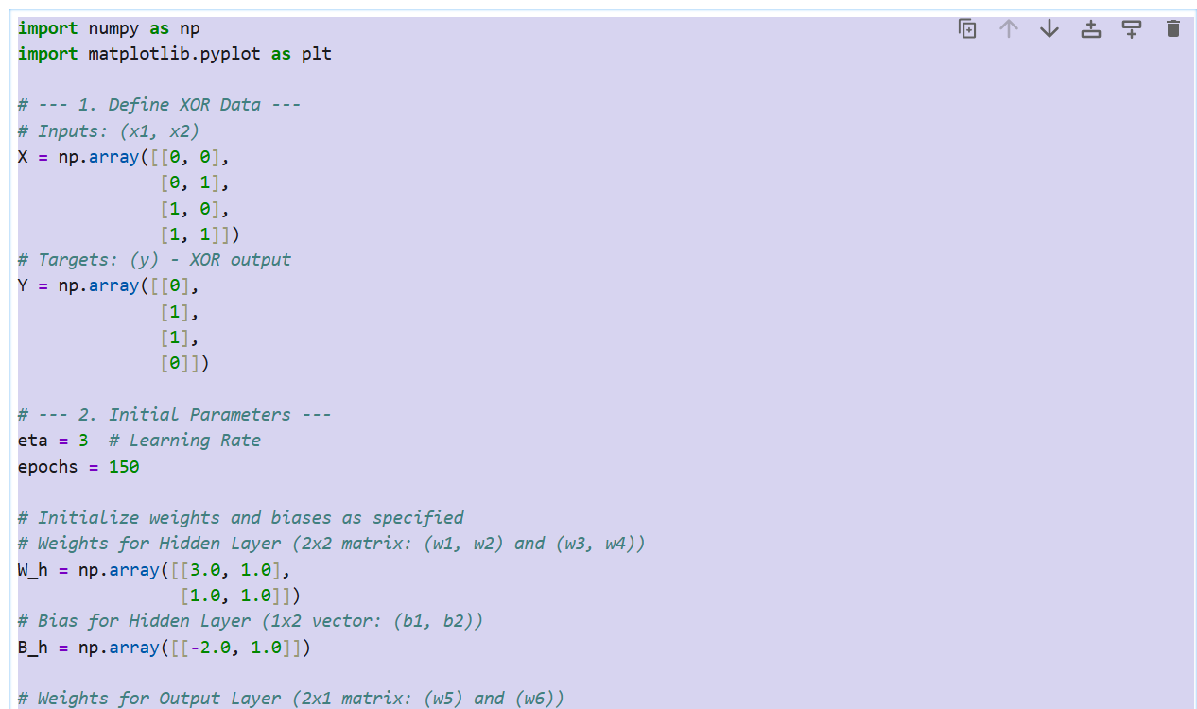
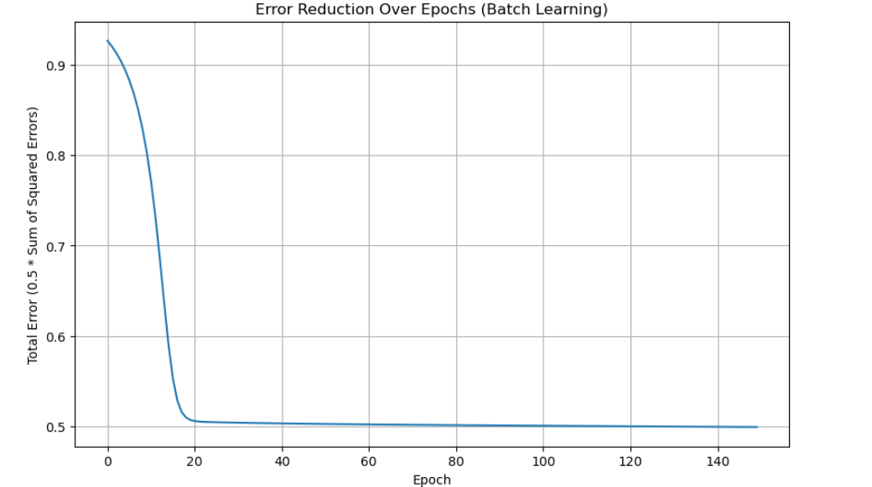

Copy Paste from here :
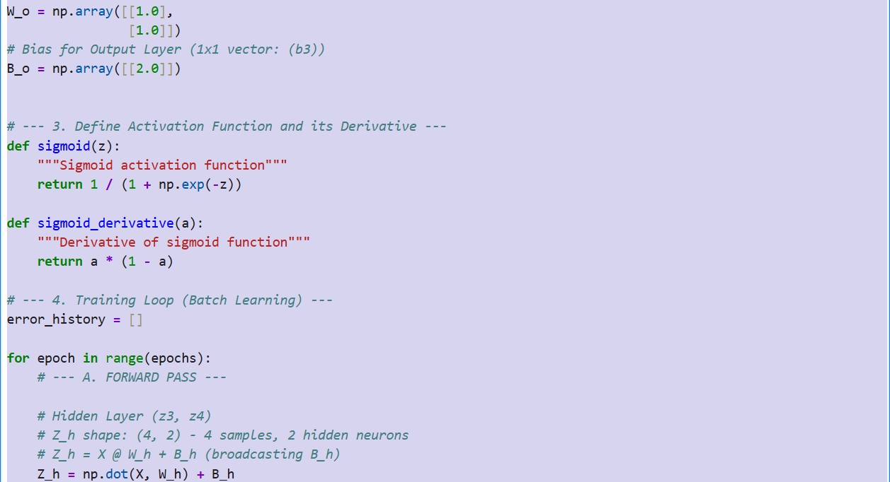

import numpy as np
import matplotlib.pyplot as plt

# --- 1. Define XOR Data ---
# Inputs: (x1, x2)
X = np.array([[0, 0],
[0, 1],
[1, 0],
[1, 1]])
# Targets: (y) - XOR output
Y = np.array([[0],
[1],
[1],
[0]])

# --- 2. Initial Parameters ---
eta = 3 # Learning Rate
epochs = 150

# Initialize weights and biases as specified
# Weights for Hidden Layer (2x2 matrix: (w1, w2) and (w3, w4))
W_h = np.array([[3.0, 1.0],
[1.0, 1.0]])
# Bias for Hidden Layer (1x2 vector: (b1, b2))
B_h = np.array([[-2.0, 1.0]])

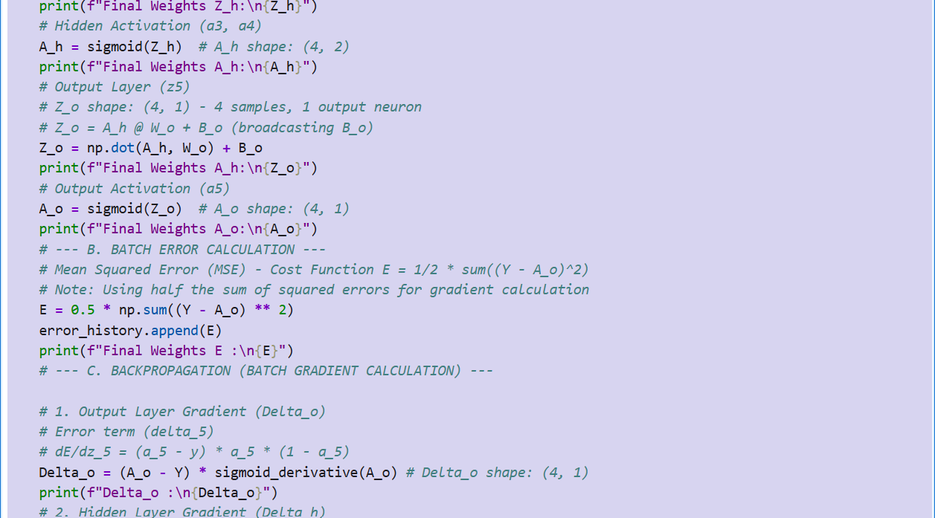
# Weights for Output Layer (2x1 matrix: (w5) and (w6))
W_o = np.array([[1.0],
[1.0]])
# Bias for Output Layer (1x1 vector: (b3))
B_o = np.array([[2.0]])

# --- 3. Define Activation Function and its Derivative ---
def sigmoid(z):
"""Sigmoid activation function"""
return 1 / (1 + np.exp(-z))

def sigmoid_derivative(a):
"""Derivative of sigmoid function"""
return a * (1 - a)

# --- 4. Training Loop (Batch Learning) ---
error_history = []

for epoch in range(epochs):
# --- A. FORWARD PASS ---

# Hidden Layer (z3, z4)
# Z_h shape: (4, 2) - 4 samples, 2 hidden neurons
# Z_h = X @ W_h + B_h (broadcasting B_h)
Z_h = np.dot(X, W_h) + B_h
print(f"Final Weights Z_h:\n{Z_h}")
# Hidden Activation (a3, a4)
A_h = sigmoid(Z_h) # A_h shape: (4, 2)
print(f"Final Weights A_h:\n{A_h}")
# Output Layer (z5)
# Z_o shape: (4, 1) - 4 samples, 1 output neuron
# Z_o = A_h @ W_o + B_o (broadcasting B_o)
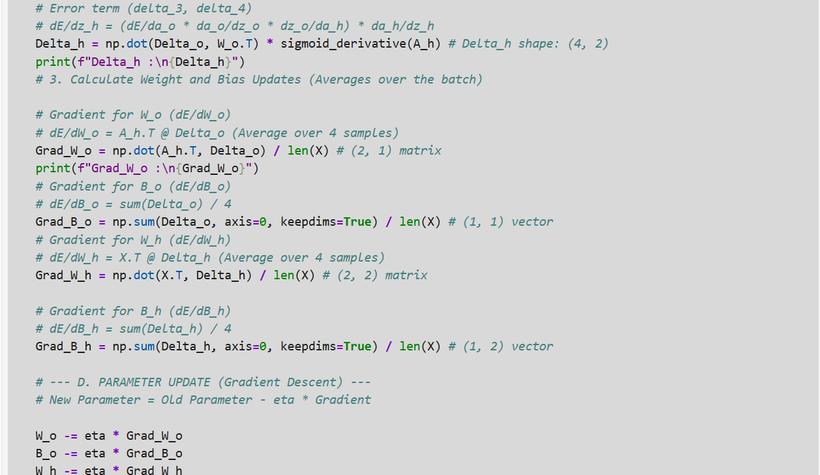
Z_o = np.dot(A_h, W_o) + B_o
print(f"Final Weights A_h:\n{Z_o}")
# Output Activation (a5)
A_o = sigmoid(Z_o) # A_o shape: (4, 1)
print(f"Final Weights A_o:\n{A_o}")
# --- B. BATCH ERROR CALCULATION ---
# Mean Squared Error (MSE) - Cost Function E = 1/2 * sum((Y - A_o)^2)
# Note: Using half the sum of squared errors for gradient calculation
E = 0.5 * np.sum((Y - A_o) ** 2)
error_history.append(E)
print(f"Final Weights E :\n{E}")
# --- C. BACKPROPAGATION (BATCH GRADIENT CALCULATION) ---

# 1. Output Layer Gradient (Delta_o)
# Error term (delta_5)
# dE/dz_5 = (a_5 - y) * a_5 * (1 - a_5)
Delta_o = (A_o - Y) * sigmoid_derivative(A_o) # Delta_o shape: (4, 1)
print(f"Delta_o :\n{Delta_o}")
# 2. Hidden Layer Gradient (Delta_h)
# Error term (delta_3, delta_4)
# dE/dz_h = (dE/da_o * da_o/dz_o * dz_o/da_h) * da_h/dz_h
Delta_h = np.dot(Delta_o, W_o.T) * sigmoid_derivative(A_h) # Delta_h shape: (4, 2)
print(f"Delta_h :\n{Delta_h}")
# 3. Calculate Weight and Bias Updates (Averages over the batch)

# Gradient for W_o (dE/dW_o)
# dE/dW_o = A_h.T @ Delta_o (Average over 4 samples)
Grad_W_o = np.dot(A_h.T, Delta_o) / len(X) # (2, 1) matrix
print(f"Grad_W_o :\n{Grad_W_o}")
# Gradient for B_o (dE/dB_o)
# dE/dB_o = sum(Delta_o) / 4
Grad_B_o = np.sum(Delta_o, axis=0, keepdims=True) / len(X) # (1, 1) vector
# Gradient for W_h (dE/dW_h)
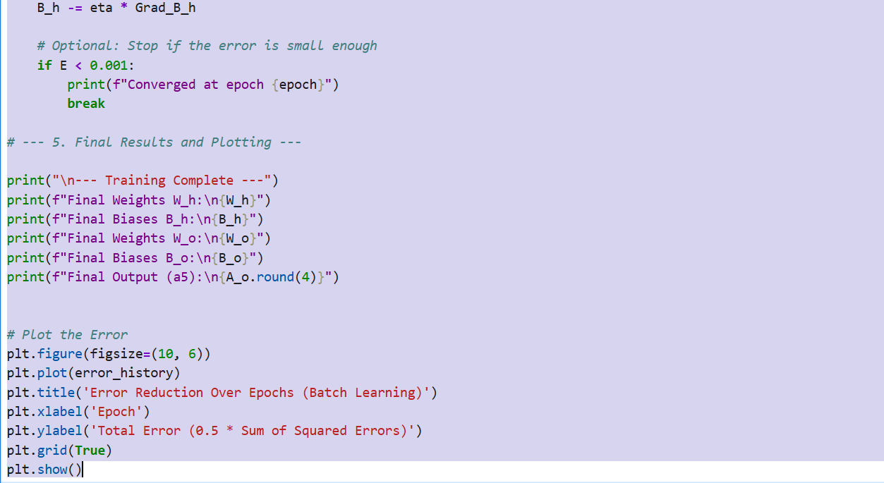
# dE/dW_h = X.T @ Delta_h (Average over 4 samples)
Grad_W_h = np.dot(X.T, Delta_h) / len(X) # (2, 2) matrix

# Gradient for B_h (dE/dB_h)
# dE/dB_h = sum(Delta_h) / 4
Grad_B_h = np.sum(Delta_h, axis=0, keepdims=True) / len(X) # (1, 2) vector

# --- D. PARAMETER UPDATE (Gradient Descent) ---
# New Parameter = Old Parameter - eta * Gradient

W_o -= eta * Grad_W_o
B_o -= eta * Grad_B_o
W_h -= eta * Grad_W_h
B_h -= eta * Grad_B_h

# Optional: Stop if the error is small enough
if E < 0.001:
print(f"Converged at epoch {epoch}")
break

# --- 5. Final Results and Plotting ---

print("\n--- Training Complete ---")
print(f"Final Weights W_h:\n{W_h}")
print(f"Final Biases B_h:\n{B_h}")
print(f"Final Weights W_o:\n{W_o}")
print(f"Final Biases B_o:\n{B_o}")
print(f"Final Output (a5):\n{A_o.round(4)}")

# Plot the Error
plt.figure(figsize=(10, 6))
plt.plot(error_history)
plt.title('Error Reduction Over Epochs (Batch Learning)')
plt.xlabel('Epoch')
plt.ylabel('Total Error (0.5 * Sum of Squared Errors)')
plt.grid(True)
plt.show()

