choice_stats
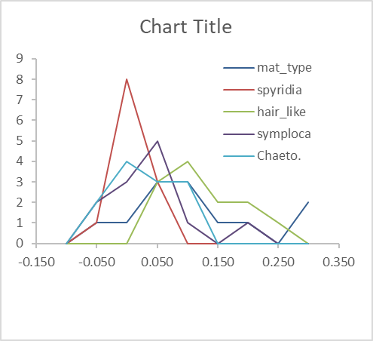
 |  |  |  |  |  |  |  |  |  |  |  |  |  | Histogram, distribution looks normal

 |  |  |  |  |  |  |  |  |  | Anova: Single Factor

 |  |  |  |  |  |  |  |  |  | SUMMARY
 |  |  |  |  |  |  |  |  |  | Groups | Count | Sum | Average | Variance
 |  |  |  |  |  |  |  |  | mat_type | Column 1 | 12 | 1.0831145821 | 0.090259548512 | 0.011951494243
 |  |  |  |  |  |  |  |  | spyridia | Column 2 | 12 | -0.17229176379 | -0.014357646983 | 0.00054023077073
 |  |  |  |  |  |  |  |  | hair_like | Column 3 | 12 | 1.2763509097 | 0.10636257581 | 0.0050803249838
 |  |  |  |  |  |  |  |  | symploca | Column 4 | 12 | 0.04474397411 | 0.0037286645092 | 0.0041530248354
 |  |  |  |  |  |  |  |  | Chaeto. | Column 5 | 12 | 0.044549612955 | 0.0037124677462 | 0.0034529539617

 |  |  |  |  |  |  |  |  |  | ANOVA | sum of squares | degrees of freedom | mean square | F statistic
 |  |  |  |  |  |  |  |  |  | Source of Variation | SS | df | MS | F | P-value | F crit
 |  |  |  |  |  |  |  |  | treatment | Between Groups | 0.14995160821 | 4 | 0.037487902053 | 7.4445665223 | 7.2423549722E-05 | 2.5396886349
 |  |  |  |  |  |  |  |  | error | Within Groups | 0.27695831674 | 55 | 0.005035605759

 |  |  |  |  |  |  |  |  |  | Total | 0.42690992495 | 59

 |  |  |  |  |  |  |  |  |  | if F > F crit, we reject Ho

 |  |  |  |  |  |  |  |  |  | 7.4 > 2.53, we reject Ho

 |  |  |  |  |  |  |  |  |  | the means of the populations are not equal, at least one of the means is diff

 | Anova: Single Factor |  |  |  |  |  |  |  | https://astatsa.com/OneWay_Anova_with_TukeyHSD/_result/

 | SUMMARY
 | Groups | Count | Sum | Average | Variance |  |  |  |  |  |  |  |  | < 0.05
mat_type | Column 1 | 12 | 1.0831145821 | 0.090259548512 | 0.011951494243 |  |  |  | reatments | Tukey HSD | Tukey HSD | Tukey HSD |  | We present below color coded results (red for insignificant, green for significant) of evaluating whether Qi,j>Qcritical for all relevant pairs of treatments. In addition, we also present the significance (p-value) of the observed Q-statistic Qi,j. The algorithm used here to calculate the critical values of the studentized range distribution, as well as p-values corresponding to an observed value of Qi,j, is that of Gleason (1999). This is an improvement over the Copenhaver-Holland (1988) algorithm deployed in the R statistical package.
spyridia | Column 2 | 12 | -0.17229176379 | -0.014357646983 | 0.00054023077073 |  |  |  | pair | Q statistic | p-value | inferfence
hair_like | Column 3 | 12 | 1.2763509097 | 0.10636257581 | 0.0050803249838 |  |  | mat v red | A vs B | 5.107 | 0.0057242 | ** p<0.01 |  | A | B | C | D | E
symploca | Column 4 | 12 | 0.04474397411 | 0.0037286645092 | 0.0041530248354 |  |  | mat v hair | A vs C | 0.7861 | 0.8999947 | insignificant |  | mat_type | spyridia | hair_like | symploca | Chaeto.
Chaeto. | Column 5 | 12 | 0.044549612955 | 0.0037124677462 | 0.0034529539617 |  |  | mat v symp | A vs D | 4.2241 | 0.0328557 | * p<0.05 |  | A | B | A | B | B
 |  |  |  |  |  |  |  | mat v green | A vs E | 4.2249 | 0.0328091 | * p<0.05
 |  |  |  |  |  |  |  | red v hair | B vs C | 5.8931 | 0.0010087 | ** p<0.01
 | ANOVA | sum of squares | degrees of freedom | mean square | F statistic |  |  | red v symp | B vs D | 0.8829 | 0.8999947 | insignificant |  | A |  | A
 | Source of Variation | SS | df | MS | F | P-value | F crit | red v green | B vs E | 0.8821 | 0.8999947 | insignificant
treatment | Between Groups | 0.14995160821 | 4 | 0.037487902053 | 7.4445665223 | 7.2423549722E-05 | 2.5396886349 | hair v symp | C vs D | 5.0102 | 0.0070141 | ** p<0.01
error | Within Groups | 0.27695831674 | 55 | 0.005035605759 |  |  |  | hair v green | C vs E | 5.011 | 0.0070019 | ** p<0.01
 |  |  |  |  |  |  |  | symp v green | D vs E | 0.0008 | 0.8999947 | insignificant |  |  | B |  | B
 | Total | 0.42690992495 | 59 |  |  |  |  |  |  |  |  |  |  |  | C |  |  | C

 | if F > F crit, we reject Ho |  |  |  |  |  |  |  |  |  |  |  |  |  |  |  | D | D

 | 7.4 > 2.53, we reject Ho

 | the means of the populations are not equal, at least one of the means is diff

Histograms
