Feuil1
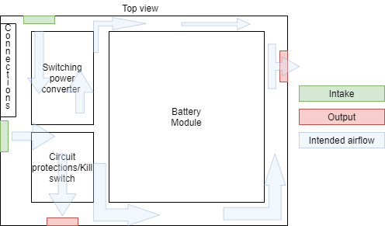
 |  |  |  | Sources | Sealed Enclosure Cooling Systems | Cabinet Cooler Units | ACT (1-act.com)
Cooling System
 | Guidelines
 |  | Would be nice if covered; Not mandatory
 |  | Will need filter for dust
 |  | Intake toward heating components
 |  | Outflow opposite to intake, placed to maximise airlow
 |  | Intake fan near bottom, output in upper side

 | Models
 |  | 80 mm Computer PC CPU Case Fans DC 12V 80mm 3.15 inch 2 Pin XH 2.54 8025 High Performance Cooling Fan 3000RPM 2-Pack: Amazon.ca: Electronics
 |  | GDSTIME 14025 5.51in 12V Muffin Fan 140 x 25mm 140mm 14cm 12V DC Brushless Cooling Fan with XH2.54 Plug 1500RPM: Amazon.ca: Electronics
 |  | Delta Updated AFB1212SHE 120mm CPU Case Cooling Fan Ultra Strong DC 12V 120mm 12cm Cooling Fan 200CFM 3Pin Connector Cooling Fan with Metal Finger Guard Grill: Amazon.ca: Electronics
 |  | ^^ | Strong, optimal but needs control : |  | PChero L298N Motor Drive Controller Board Module, Dual H Bridge DC Stepper for Arduino, Controls - Amazon Canada
 | Filters
 |  | 4 Pack 120mm Computer Fan Filter Grills with Screws, Ultra Fine Aluminum Mesh, Black Color: Amazon.ca: Electronics

