Sheet1
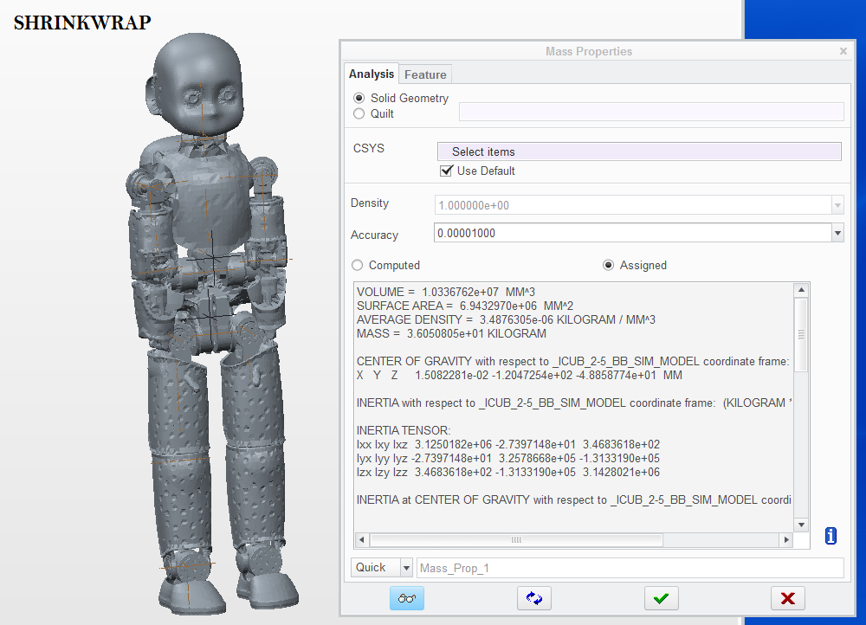
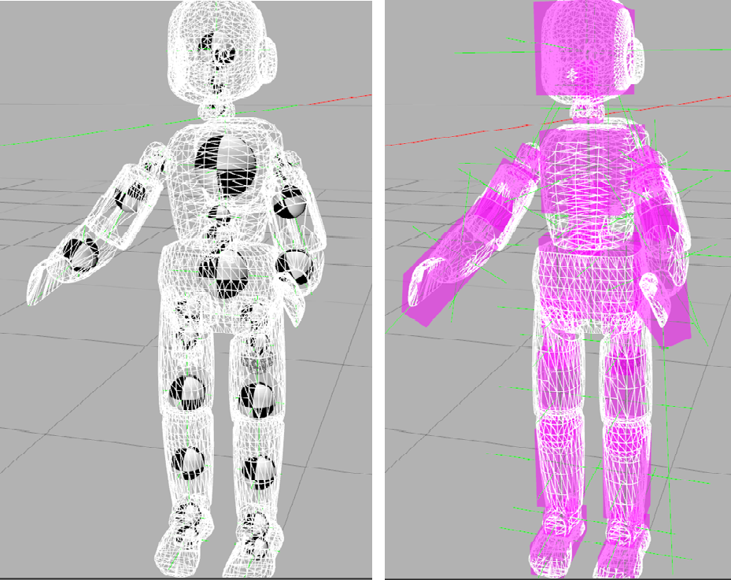
ROBOT PART | LINK NAME |  | WEIGHT [kg] |  |  |  |  |  |  | suggested weight correction [kg] | LOCATION [Creo assembly]
 | Creo | URDF | URDF links |  | shrinkwrap part (assigned mass) |  | simp rep |  | real robot
WAIST | SIM_SEA_2-5_ROOT_LINK | root_link | 5.0914 | 6.1910 | 5.0914 | 6.1910 | 5.0914 | 6.1865 |  | none | koroibot
 | SIM_SEA_2-5_LAP_BELT_1 | torso_1 | 0.6714 |  | 0.6714 |  | 0.6669 |  |  | none | koroibot
 | SIM_SEA_2-5_LAP_BELT_2 | torso_2 | 0.4282 |  | 0.4282 |  | 0.4282 |  |  | none | icub2-5_bb
TORSO | SIM_SEA_2-5_CHEST_BB | chest | 8.6380 | 8.6380 | 8.6380 | 8.6380 | 8.6380 | 8.6380 |  | -1 | icub2-5_bb
L_ARM | SIM_SEA_2-5_L_SHOULDER_1 | l_shoulder_1 | 0.1149 | 2.6371 | 0.1149 | 2.6353 | 0.1173 | 2.6446 |  | none | icub2
 | SIM_SEA_2-5_L_SHOULDER_2 | l_shoulder_2 | 0.2391 |  | 0.2382 |  | 0.2391 |  |  | none | icub2
 | SIM_SEA_2-5_L_UPPER_ARM | l_shoulder_3 | 0.3591 |  | 0.3591 |  | 0.3591 |  |  | none | icub2
 | SIM_SEA_2-5_L_ELBOW | l_upper_arm | 0.7468 |  | 0.7468 |  | 0.7468 |  |  | none | icub2
 | SIM_SEA_2-5_L_FOREARM_HAND | l_elbow_1 | 1.1772 |  | 1.1764 |  | 1.1823 |  |  | none | icub2
R_ARM | SIM_SEA_2-5_R_SHOULDER_1 | r_shoulder_1 | 0.1149 | 2.6336 | 0.1149 | 2.6336 | 0.1173 | 2.6412 |  | none | icub2
 | SIM_SEA_2-5_R_SHOULDER_2 | r_shoulder_2 | 0.2382 |  | 0.2382 |  | 0.2382 |  |  | none | icub2
 | SIM_SEA_2-5_R_UPPER_ARM | r_shoulder_3 | 0.3591 |  | 0.3591 |  | 0.3591 |  |  | none | icub2
 | SIM_SEA_2-5_R_ELBOW | r_upper_arm | 0.7451 |  | 0.7451 |  | 0.7451 |  |  | none | icub2
 | SIM_SEA_2-5_R_FOREARM_HAND | r_elbow_1 | 1.1764 |  | 1.1764 |  | 1.1815 |  |  | none | icub2
HEAD | SIM_SEA_2-5_NECK_1 | neck_1 | 0.1258 | 1.8098 | 0.1258 | 1.8098 | 0.1330 | 1.8170 |  | none | icub2
 | SIM_SEA_2-5_NECK_2 | neck_2 | 0.1771 |  | 0.1771 |  | 0.1771 |  |  | none | icub2
 | SIM_SEA_2-5_HEAD | head | 1.5069 |  | 1.5069 |  | 1.5069 |  |  | none | icub2
L_LEG | SIM_SEA_2-5_L_HIP_1 | l_hip_1 | 0.9156 | 7.0734 | 0.9156 | 7.0716 | 0.9156 | 7.0636 |  | none | koroibot
 | SIM_SEA_2-5_L_HIP_2 | l_hip_2 | 0.4212 |  | 0.4194 |  | 0.4114 |  |  | none | koroibot
 | SIM_SEA_2-5_L_UPPER_THIGH | l_hip_3 | 0.1262 |  | 0.1262 |  | 0.1262 |  |  | none | koroibot
 | SIM_SEA_2-5_L_THIGH | l_upper_leg | 2.2084 |  | 2.2084 |  | 2.2084 |  |  | -0.4 | koroibot
 | SIM_SEA_2-5_L_SHANK | l_lower_leg | 1.8724 |  | 1.8724 |  | 1.8724 |  |  | -0.4 | koroibot
 | SIM_SEA_2-5_L_ANKLE | l_ankle_1 | 0.8798 |  | 0.8798 |  | 0.8798 |  |  | -0.2 | koroibot
 | SIM_SEA_2-5_L_FOOT | l_ankle_2 | 0.2675 |  | 0.2675 |  | 0.2675 |  |  | none | koroibot
 | SIM_SEA_2-5_L_SOLE | l_foot | 0.3824 |  | 0.3824 |  | 0.3824 |  |  | none | koroibot
R_LEG | SIM_SEA_2-5_R_HIP_1 | r_hip_1 | 0.9201 | 7.0714 | 0.9201 | 7.0713 | 0.9159 | 7.0661 |  | none | koroibot
 | SIM_SEA_2-5_R_HIP_2 | r_hip_2 | 0.4194 |  | 0.4194 |  | 0.4184 |  |  | none | koroibot
 | SIM_SEA_2-5_R_UPPER_THIGH | r_hip_3 | 0.1262 |  | 0.1262 |  | 0.1262 |  |  | none | koroibot
 | SIM_SEA_2-5_R_THIGH | r_upper_leg | 2.2036 |  | 2.2035 |  | 2.2035 |  |  | -0.4 | koroibot
 | SIM_SEA_2-5_R_SHANK | r_lower_leg | 1.8720 |  | 1.8720 |  | 1.8720 |  |  | -0.4 | koroibot
 | SIM_SEA_2-5_R_ANKLE | r_ankle_1 | 0.8803 |  | 0.8803 |  | 0.8803 |  |  | -0.2 | koroibot
 | SIM_SEA_2-5_R_FOOT | r_ankle_2 | 0.2675 |  | 0.2675 |  | 0.2675 |  |  | none | koroibot
 | SIM_SEA_2-5_R_SOLE | r_foot | 0.3823 |  | 0.3823 |  | 0.3823 |  |  | none | koroibot

TOTAL |  |  | 36.0543 |  | 36.0508 |  | 36.0572 |  | 33.1 | -3

