Sayfa1
 |  |  |  |  |  |  | EURO
istanbul | 19 KASIM ÇARŞAMBA
istanbul | 11:00:00 | plane | kalkış - istanbul airport |  |  | 60.00 € | 60.00 €
brussel | 12:45:00 |  | varış - brussel airport
brussel |  |  | Hostel Bruegel | gitmek için | trenine bin
brussel | 14:00:00 | tren
brussel |  | Brussels Airport-Zaventem (Belgium) -> Bruxelles-Chapelle (Belgium) |  |  |  | 13.20 €
brussel | 14:30:00 | otel |  | Hostel Bruegel |  | 92.90 € | 92.90 € | 4.493tl
brussel
brussel
brussel | 20 KASIM Perşembe
brussel | 7:49:00 | tren |  | Departures from Brussels Midi
 |  | Bruxelles-Midi (Belgium) - Amsterdam-Central |  |  |  | 25.00 €

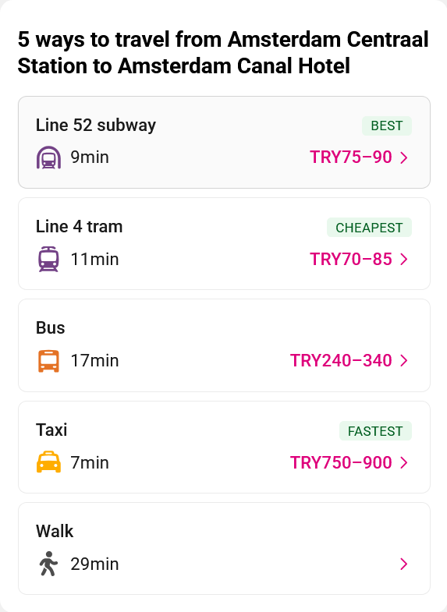
brussel |  |  |  | Monday-Friday hourly from 06:49 to 21:49 at xx:49 minutes past each hour.
brussel |  |  |  | Saturday & Sunday hourly from 06:57 to 21:57 at xx:57 minutes past each hour
brussel |  |  | amsterdama direk hızlı tren bruxelles-midi istasyonundan her saat kalkıyor
brussel |  | tren | Bruxelles-Chapelle (Belgium) -> Bruxelles-Midi
brussel |  | tren | Bruxelles-Midi -> Amsterdam Zuid
amsterdam |  | 10:00:00 | amsterdam
amsterdam |  | metro
amsterdam
amsterdam
amsterdam |  | otel |  | Amsterdam Canal Hotel |  | 140.84 € | 140.85 € | 6.812
amsterdam | 21
amsterdam |  |  |  | i amsterdam kart |  | 60.00 €
amsterdam |  | 9:00:00 |  | van gogh museum |  | 19.00 € | 19.00 €
amsterdam |  | 11:00:00 |  | kanal turu |  | 15.00 € | 15.00 €
amsterdam
amsterdam
amsterdam |  | 12:00:00 | to bruges
bruges |  | 15:00:00 | bruges
bruges |  | otel |  | Hotel Le Bois De Bruges |  | 174.42 € | 174.42 € | 8.823
bruges | 22 | 9:00:00 | to gent
gent |  | 9:30:00
antwerp
brussel |  | 23:00:00
brussel |  | otel |  | Holiday Inn Brussels Schuman by IHG |  | 109.24 € |  | 5.284
brussel | 23
brussel
brussel
istanbul

