Carbon_budget_IPCC
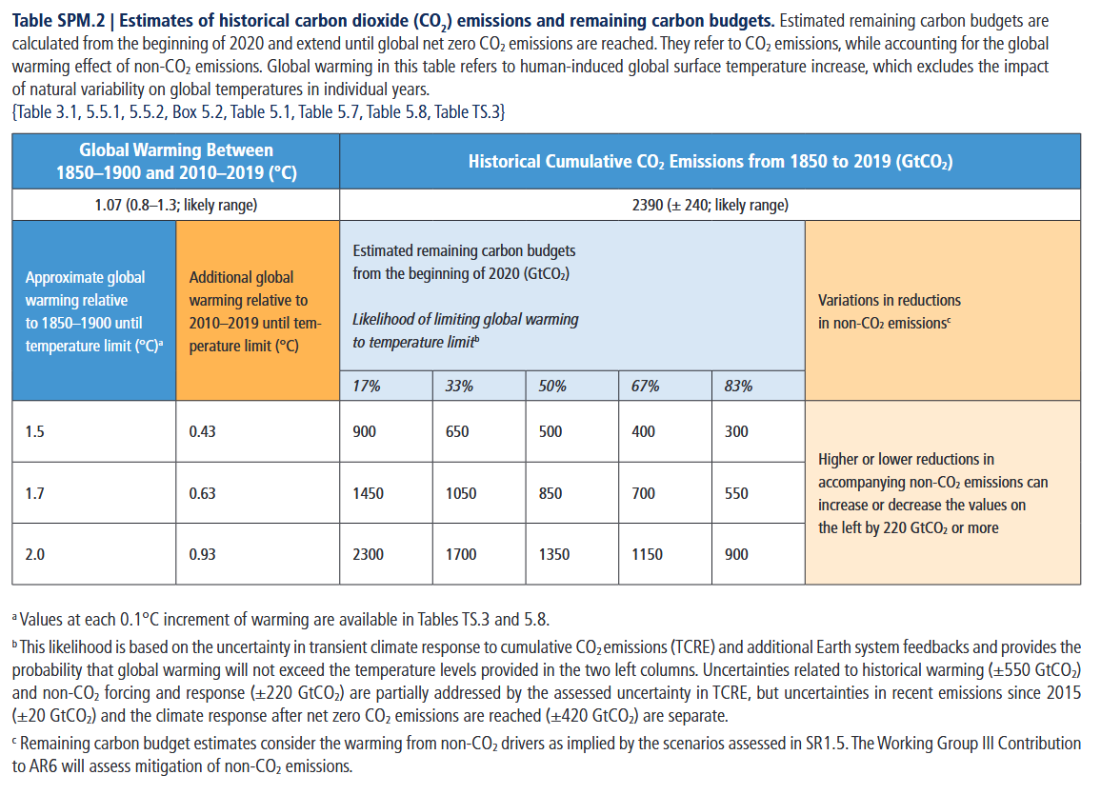
Remaining CO2 emissions budget 2020-2100
 |  | Likelihood of limiting global warming to temperature limit
 | Gt CO2 | 17% | 33% | 50% | 67% | 83%
T limit | 1.5 | 900 | 650 | 500 | 400 | 300
 | 1.7 | 1450 | 1050 | 850 | 700 | 550
 | 2.0 | 2300 | 1700 | 1350 | 1150 | 900

 | Cumulative global population 2020-2100
 | 799,098,891,918

PB per capita
 |  | Likelihood of limiting global warming to temperature limit
 |  | 17% | 33% | 50% | 67% | 83%
T limit | 1.5 | 1,126 | 813 | 626 | 501 | 375
 | 1.7 | 1,815 | 1,314 | 1,064 | 876 | 688
 | 2.0 | 2,878 | 2,127 | 1,689 | 1,439 | 1,126

 |  | 400 | Gt CO2 accum.
 |  | 4.94 | Gt CO2/year (81 years)
 | Year | Population | Per capita dynamic | Gt CO2/year | per capita dynamic | Per capita static | Gt CO2/year | per capita static
 | 2020 | 7,794,798,729 | 634 | 4.94 | 501 | 3.90
 | 2021 | 7,874,965,732 | 627 | 4.94 | 501 | 3.94
 | 2022 | 7,953,952,577 | 621 | 4.94 | 501 | 3.98
 | 2023 | 8,031,800,338 | 615 | 4.94 | 501 | 4.02
 | 2024 | 8,108,605,255 | 609 | 4.94 | 501 | 4.06
 | 2025 | 8,184,437,453 | 603 | 4.94 | 501 | 4.10
 | 2026 | 8,259,276,651 | 598 | 4.94 | 501 | 4.13
 | 2027 | 8,333,078,318 | 593 | 4.94 | 501 | 4.17
 | 2028 | 8,405,863,301 | 587 | 4.94 | 501 | 4.21
 | 2029 | 8,477,660,723 | 583 | 4.94 | 501 | 4.24
 | 2030 | 8,548,487,371 | 578 | 4.94 | 501 | 4.28
 | 2031 | 8,618,349,454 | 573 | 4.94 | 501 | 4.31
 | 2032 | 8,687,227,873 | 568 | 4.94 | 501 | 4.35
 | 2033 | 8,755,083,512 | 564 | 4.94 | 501 | 4.38
 | 2034 | 8,821,862,705 | 560 | 4.94 | 501 | 4.42
 | 2035 | 8,887,524,229 | 556 | 4.94 | 501 | 4.45
 | 2036 | 8,952,048,885 | 552 | 4.94 | 501 | 4.48
 | 2037 | 9,015,437,616 | 548 | 4.94 | 501 | 4.51
 | 2038 | 9,077,693,645 | 544 | 4.94 | 501 | 4.54
 | 2039 | 9,138,828,562 | 540 | 4.94 | 501 | 4.57
 | 2040 | 9,198,847,382 | 537 | 4.94 | 501 | 4.60
 | 2041 | 9,257,745,483 | 533 | 4.94 | 501 | 4.63
 | 2042 | 9,315,508,153 | 530 | 4.94 | 501 | 4.66
 | 2043 | 9,372,118,247 | 527 | 4.94 | 501 | 4.69
 | 2044 | 9,427,555,382 | 524 | 4.94 | 501 | 4.72
 | 2045 | 9,481,803,272 | 521 | 4.94 | 501 | 4.75
 | 2046 | 9,534,854,673 | 518 | 4.94 | 501 | 4.77
 | 2047 | 9,586,707,749 | 515 | 4.94 | 501 | 4.80
 | 2048 | 9,637,357,320 | 512 | 4.94 | 501 | 4.82
 | 2049 | 9,686,800,146 | 510 | 4.94 | 501 | 4.85
 | 2050 | 9,735,033,900 | 507 | 4.94 | 501 | 4.87
 | 2051 | 9,782,061,758 | 505 | 4.94 | 501 | 4.90
 | 2052 | 9,827,885,441 | 502 | 4.94 | 501 | 4.92
 | 2053 | 9,872,501,562 | 500 | 4.94 | 501 | 4.94
 | 2054 | 9,915,905,251 | 498 | 4.94 | 501 | 4.96
 | 2055 | 9,958,098,746 | 496 | 4.94 | 501 | 4.98
 | 2056 | 9,999,085,167 | 494 | 4.94 | 501 | 5.01
 | 2057 | 10,038,881,262 | 492 | 4.94 | 501 | 5.03
 | 2058 | 10,077,518,080 | 490 | 4.94 | 501 | 5.04
 | 2059 | 10,115,036,360 | 488 | 4.94 | 501 | 5.06
 | 2060 | 10,151,469,683 | 486 | 4.94 | 501 | 5.08
 | 2061 | 10,186,837,209 | 485 | 4.94 | 501 | 5.10
 | 2062 | 10,221,149,040 | 483 | 4.94 | 501 | 5.12
 | 2063 | 10,254,419,004 | 482 | 4.94 | 501 | 5.13
 | 2064 | 10,286,658,354 | 480 | 4.94 | 501 | 5.15
 | 2065 | 10,317,879,315 | 479 | 4.94 | 501 | 5.16
 | 2066 | 10,348,098,079 | 477 | 4.94 | 501 | 5.18
 | 2067 | 10,377,330,830 | 476 | 4.94 | 501 | 5.19
 | 2068 | 10,405,590,532 | 475 | 4.94 | 501 | 5.21
 | 2069 | 10,432,889,136 | 473 | 4.94 | 501 | 5.22
 | 2070 | 10,459,239,501 | 472 | 4.94 | 501 | 5.24
 | 2071 | 10,484,654,858 | 471 | 4.94 | 501 | 5.25
 | 2072 | 10,509,150,402 | 470 | 4.94 | 501 | 5.26
 | 2073 | 10,532,742,861 | 469 | 4.94 | 501 | 5.27
 | 2074 | 10,555,450,003 | 468 | 4.94 | 501 | 5.28
 | 2075 | 10,577,288,195 | 467 | 4.94 | 501 | 5.29
 | 2076 | 10,598,274,172 | 466 | 4.94 | 501 | 5.31
 | 2077 | 10,618,420,909 | 465 | 4.94 | 501 | 5.32
 | 2078 | 10,637,736,819 | 464 | 4.94 | 501 | 5.32
 | 2079 | 10,656,228,233 | 463 | 4.94 | 501 | 5.33
 | 2080 | 10,673,904,454 | 463 | 4.94 | 501 | 5.34
 | 2081 | 10,690,773,335 | 462 | 4.94 | 501 | 5.35
 | 2082 | 10,706,852,426 | 461 | 4.94 | 501 | 5.36
 | 2083 | 10,722,171,375 | 461 | 4.94 | 501 | 5.37
 | 2084 | 10,736,765,444 | 460 | 4.94 | 501 | 5.37
 | 2085 | 10,750,662,353 | 459 | 4.94 | 501 | 5.38
 | 2086 | 10,763,874,023 | 459 | 4.94 | 501 | 5.39
 | 2087 | 10,776,402,019 | 458 | 4.94 | 501 | 5.39
 | 2088 | 10,788,248,948 | 458 | 4.94 | 501 | 5.40
 | 2089 | 10,799,413,366 | 457 | 4.94 | 501 | 5.41
 | 2090 | 10,809,892,303 | 457 | 4.94 | 501 | 5.41
 | 2091 | 10,819,682,643 | 456 | 4.94 | 501 | 5.42
 | 2092 | 10,828,780,959 | 456 | 4.94 | 501 | 5.42
 | 2093 | 10,837,182,077 | 456 | 4.94 | 501 | 5.42
 | 2094 | 10,844,878,798 | 455 | 4.94 | 501 | 5.43
 | 2095 | 10,851,860,145 | 455 | 4.94 | 501 | 5.43
 | 2096 | 10,858,111,587 | 455 | 4.94 | 501 | 5.44
 | 2097 | 10,863,614,776 | 455 | 4.94 | 501 | 5.44
 | 2098 | 10,868,347,636 | 454 | 4.94 | 501 | 5.44
 | 2099 | 10,872,284,134 | 454 | 4.94 | 501 | 5.44
 | 2100 | 10,875,393,719 | 454 | 4.94 | 501 | 5.44

 |  |  |  | 400 |  | 400

