Sample 1 Lease Example
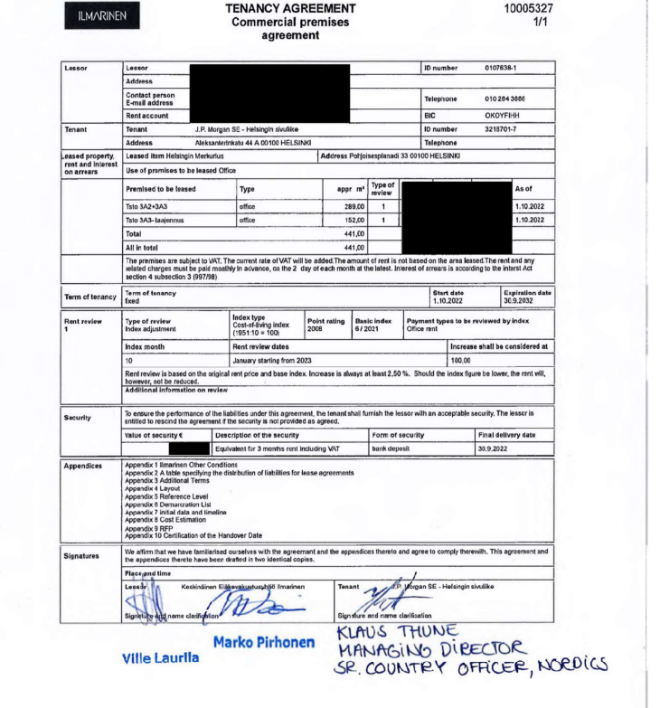
Test accuracy and existence of the consumption/activity estimate inputs
DOCUMENTATION OF SAMPLE, per detailed listing/supporting schedule |  |  |  |  |  |  |  |  | DOCUMENTATION OF TESTING
Sample item | Business unit / Location / site reference | Building type (i.e., Office vs. Warehouse) | Emission source (e.g., natural gas, electricity, fugitive emissions, etc.) | Measurement date or period (month or year) | Building area | Unit of measurement (e.g., Sq ft) | Unit of measurement (e.g., kWh/Sq ft, GJ, therms, value, tonnes, liters, refrigerant gas type) | Estimated annual consumption amount (e.g., kWh, cubic meter) | Lease details
 |  |  |  |  |  |  |  |  | Description of supporting documentation for lease details (e.g. signed lease agreement) | Location per underlying support | Lease start date | Lease end date | Building area per underlying support | Unit of measure of building area | Building Type (i.e., Office vs. Warehouse)
1 | Helsinki | Office | Electricity | 2024-02-01 | 441 | square meters | kWh | 1,000 | Lease agreement | Helsinki | 2022-10-01 | 2032-09-30 | 441 | square meters | Office

Sample 2 Lease Example
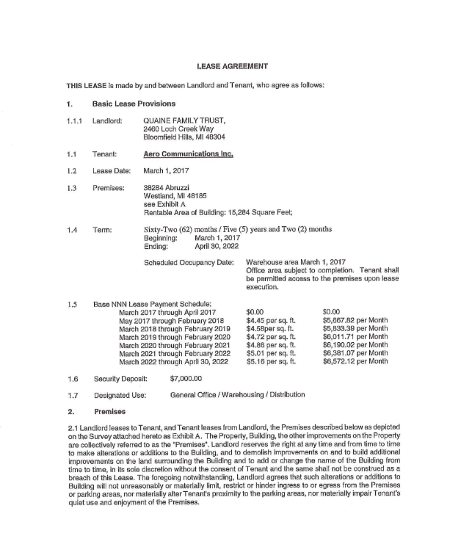
Test accuracy and existence of the consumption/activity estimate inputs
DOCUMENTATION OF SAMPLE, per detailed listing/supporting schedule |  |  |  |  |  |  |  |  | DOCUMENTATION OF TESTING
Sample item | Business unit / Location / site reference | Building type (i.e., Office vs. Warehouse) | Emission source (e.g., natural gas, electricity, fugitive emissions, etc.) | Measurement date or period (month or year) | Building area | Unit of measurement (e.g., Sq ft) | Unit of measurement (e.g., kWh/Sq ft, GJ, therms, value, tonnes, liters, refrigerant gas type) | Estimated annual consumption amount (e.g., kWh, cubic meter) | Lease details
 |  |  |  |  |  |  |  |  | Description of supporting documentation for lease details (e.g. signed lease agreement) | Location per underlying support | Lease start date | Lease end date | Building area per underlying support | Unit of measure of building area | Building Type (i.e., Office vs. Warehouse)
2 | 38284 Abruzzi | Warehouse | Electricity | 2024-02-01 | 15,284 | square feet | kWh | 18,290 | Lease agreement | 38284 Abruzzi | 2017-03-01 | 2022-04-30 | 15,284 | square feet | Warehouse

