Sample 1 Electric Example
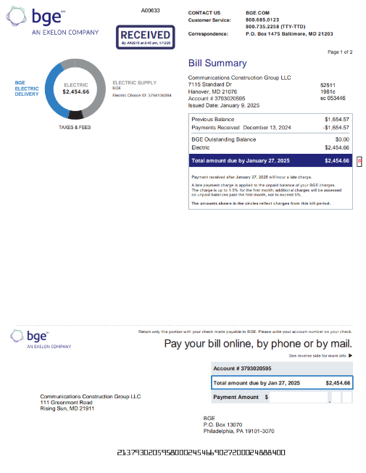
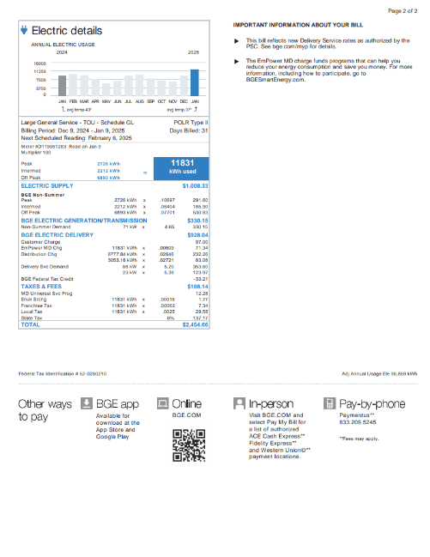
Test accuracy and existence of the consumption/activity information - Scope 2 Electricity
DOCUMENTATION OF SAMPLE, per detailed listing/supporting schedule |  |  |  |  |  |  |  |  | DOCUMENTATION OF TESTING
Sample item | Business unit / Location / site reference | Grid region or country | Emission source (e.g., natural gas, electricity, fugitive emissions, etc.) | Measurement date or period | Consumption/activity amount (i.e., quantity) | Unit of measurement (UoM) (e.g., kWh, GJ, therms, value, tonnes, liters, refrigerant gas type) | Emissions in metric tons CO2e (Market-based) | Emissions in metric tons CO2e (Location-based) | Description of supporting documentation for applicable consumption/activity information (e.g., third-party invoices, delivery notes, weigh-bridge tickets, meter readings, production data) | Supporting documentation reference number (e.g., invoice number) | Supporting documentation date | Location per supporting documentation | Measurement period start date | Measurement period end date | Consumption/activity amount per supporting documentation | Unit of measure per supporting documentation | Emission source based on supporting documentation

1 | 7115 Standard Dr | RFCE | Electricity | December | 11,831 | kWh | 123 | 156 | Third Party Invoice (bge) | 3793020595 | 1/9/25 | 7115 Standard Dr | 12/9/24 | 1/9/25 | 11,831 | kWh | Electricity

Sample 2 Electric Example
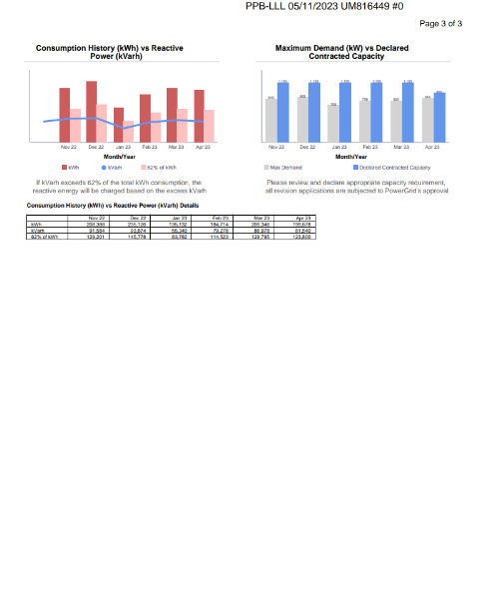
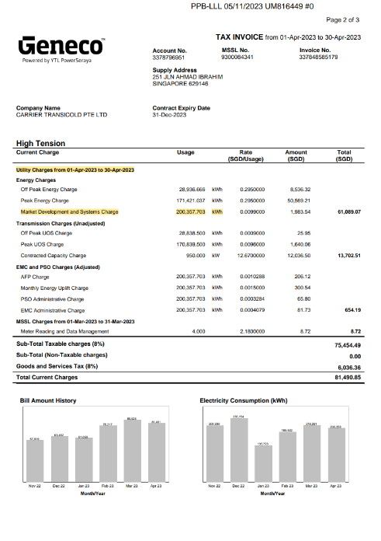
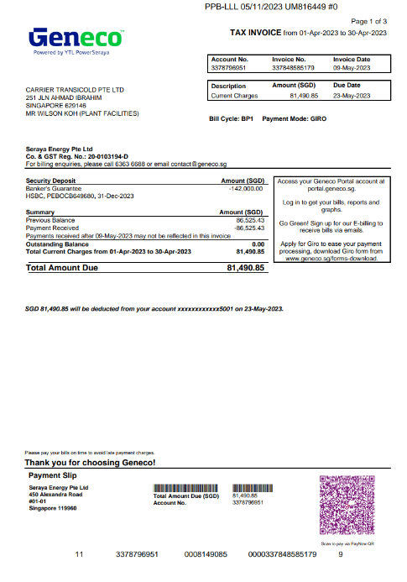
Test accuracy and existence of the consumption/activity information - Scope 2 Electricity
DOCUMENTATION OF SAMPLE, per detailed listing/supporting schedule |  |  |  |  |  |  |  |  | DOCUMENTATION OF TESTING
Sample item | Business unit / Location / site reference | Grid region or country | Emission source (e.g., natural gas, electricity, fugitive emissions, etc.) | Measurement date or period | Consumption/activity amount (i.e., quantity) | Unit of measurement (UoM) (e.g., kWh, GJ, therms, value, tonnes, liters, refrigerant gas type) | Emissions in metric tons CO2e (Market-based) | Emissions in metric tons CO2e (Location-based) | Description of supporting documentation for applicable consumption/activity information (e.g., third-party invoices, delivery notes, weigh-bridge tickets, meter readings, production data) | Supporting documentation reference number (e.g., invoice number) | Supporting documentation date | Location per supporting documentation | Measurement period start date | Measurement period end date | Consumption/activity amount per supporting documentation | Unit of measure per supporting documentation | Emission source based on supporting documentation

2 | 251 JLN AHMAD IBRAHIM | Singapore | Electricity | April | 200,358 | kWh | 456 | 500 | Third Party Invoice (Geneco) | 337848585179 | 5/9/23 | 251 JLN AHMAD IBRAHIM | 4/1/23 | 4/30/23 | 200,358 | kWh | Electricity

