Sample 1 NG Example
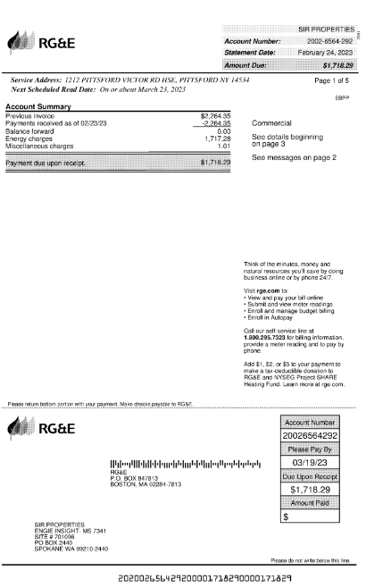
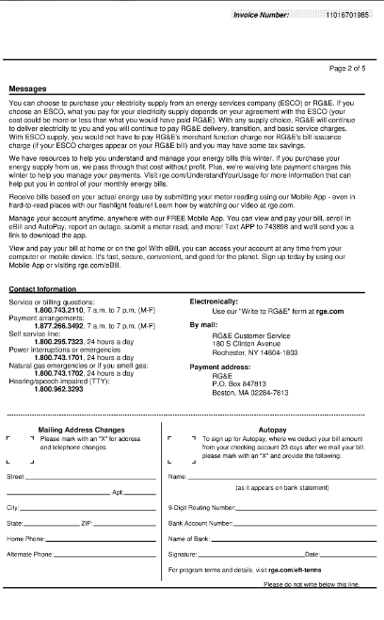
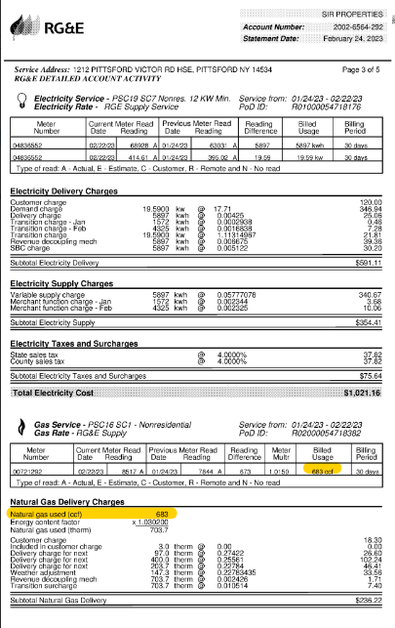
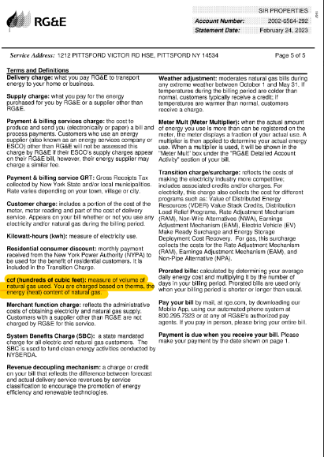
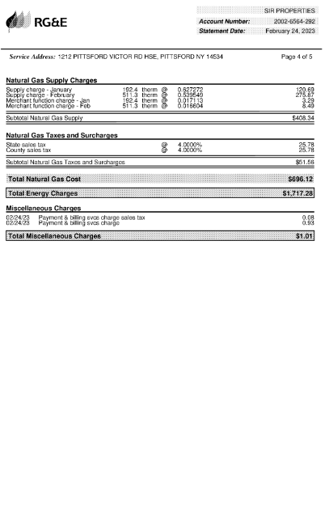
Test accuracy and existence of the consumption/activity information - Scope 1 Natural Gas
DOCUMENTATION OF SAMPLE, per detailed listing/supporting schedule |  |  |  |  |  |  |  | DOCUMENTATION OF TESTING
Sample item | Business unit / Location / site reference | Grid region or country | Emission source (e.g., natural gas, electricity, fugitive emissions, etc.) | Measurement date or period | Consumption/activity amount (i.e., quantity) | Unit of measurement (UoM) (e.g., kWh, GJ, therms, value, tonnes, liters, refrigerant gas type) | Emissions in metric tons CO2e | Description of supporting documentation for applicable consumption/activity information (e.g., third-party invoices, delivery notes, weigh-bridge tickets, meter readings, production data) | Supporting documentation reference number (e.g., invoice number) | Supporting documentation date | Location per supporting documentation | Measurement period start date | Measurement period end date | Consumption/activity amount per supporting documentation | Unit of measure per supporting documentation | Emission source based on supporting documentation

1 | 1212 Pittsford Victor Rd House | US | Natural Gas | February | 683 | ccf | 10 | Third Party Invoice (RG&E) | 2002-6564-292 | 2023-02-24 | 1212 Pittsford Victor Rd House | 2023-01-24 | 2023-02-22 | 683 | ccf | Natural Gas

Sample 2 NG Example

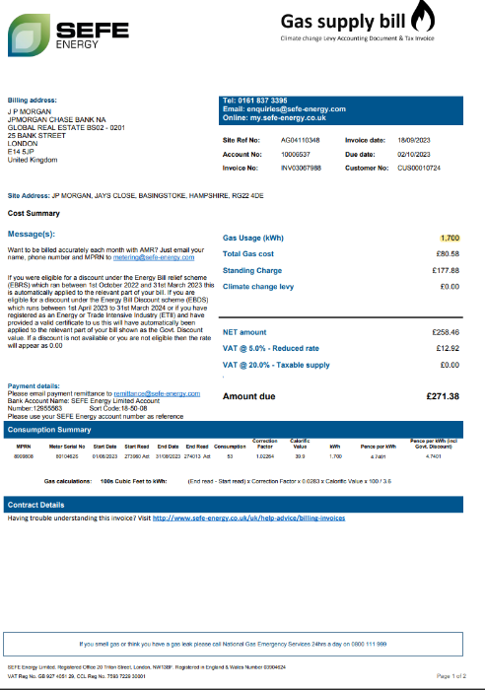
Test accuracy and existence of the consumption/activity information - Scope 1 Natural Gas
DOCUMENTATION OF SAMPLE, per detailed listing/supporting schedule |  |  |  |  |  |  |  | DOCUMENTATION OF TESTING
Sample item | Business unit / Location / site reference | Grid region or country | Emission source (e.g., natural gas, electricity, fugitive emissions, etc.) | Measurement date or period | Consumption/activity amount (i.e., quantity) | Unit of measurement (UoM) (e.g., kWh, GJ, therms, value, tonnes, liters, refrigerant gas type) | Emissions in metric tons CO2e | Description of supporting documentation for applicable consumption/activity information (e.g., third-party invoices, delivery notes, weigh-bridge tickets, meter readings, production data) | Supporting documentation reference number (e.g., invoice number) | Supporting documentation date | Location per supporting documentation | Measurement period start date | Measurement period end date | Consumption/activity amount per supporting documentation | Unit of measure per supporting documentation | Emission source based on supporting documentation

2 | Basingstoke, Hampshire | US | Natural Gas | August | 1,700 | kWh | 21 | Third Party Invoice (SEFE Energy) | INV03057985 | 2023-09-18 | Basingstoke, Hampshire | 2023-08-01 | 2023-08-31 | 1,700 | kWh | Natural Gas

