Sheet1 (2)
Avail | Due |  | score | max | % | Max Dec Val | Weighted Val | Running Total | Available Points
2023-01-31 | 2023-02-14 | HW1 | 83.75 | 76.5 | 109.48% | 0.0875 | 0.0958 |  |  |  | should have extra credit for bonus case in date checking month/day etc.
2023-02-14 | 2023-02-28 | HW2 | 79 | 81 | 97.53% | 0.0875 | 0.0853 |  |  |  | 37/37 coding | 42/44 written
2023-03-12 | 2023-03-30 | HW3 | 87 | 88 | 98.86% | 0.0875 | 0.0865 |  |  |  | 35/34 coding | 51/53 written | perceptron
2023-04-06 | 2023-04-17 | HW4 | 41 | 41 | 100.00% | 0.0875 | 0.0875 |  |  |  | 31/31 code | 10/10 written | logistic decision trees, random forests
2023-04-25 | 2023-05-05 | HW5 [opt] |  |  |  |  |  | 0.3551 | 0.3500 |  | lowest HW dropped of all 5
 |  |  |  |  |  | 0.35 | 35%

2023-03-09 | 2023-03-10 | Midterm | 97.5 | 100 | 97.50% | 0.25 | 0.2438 | 0.2438 | 0.25

2023-03-30 | 2023-04-13 | Proj1 | 55.5 | 60 | 92.50% | 0.15 | 0.13875 |  |  |  | teams of 1 or 2 | 40/40 code? | linear kernel | SVM | fill out proj sheet
2023-04-23 | 2023-05-05 | Proj2 | 96 | 100 | 96% | 0.15 | 0.144 | 0.28275 |  |  | teams of 1 or 2

 |  |  |  |  |  | 0.30 | 30% |  | 0.30

 |  | Part (PollEv) | 100 | 100 |  | 0.10 | 10% | 0.10 | 0.10 |  | must be full points…only missed was first class due to conflict

 |  |  |  |  |  | 1.00 | 100% | 98.16% | 100.00% |  | A+

 |  |  |  |  |  |  |  |  |  |  | Anthony, Prithvi |  | skipped
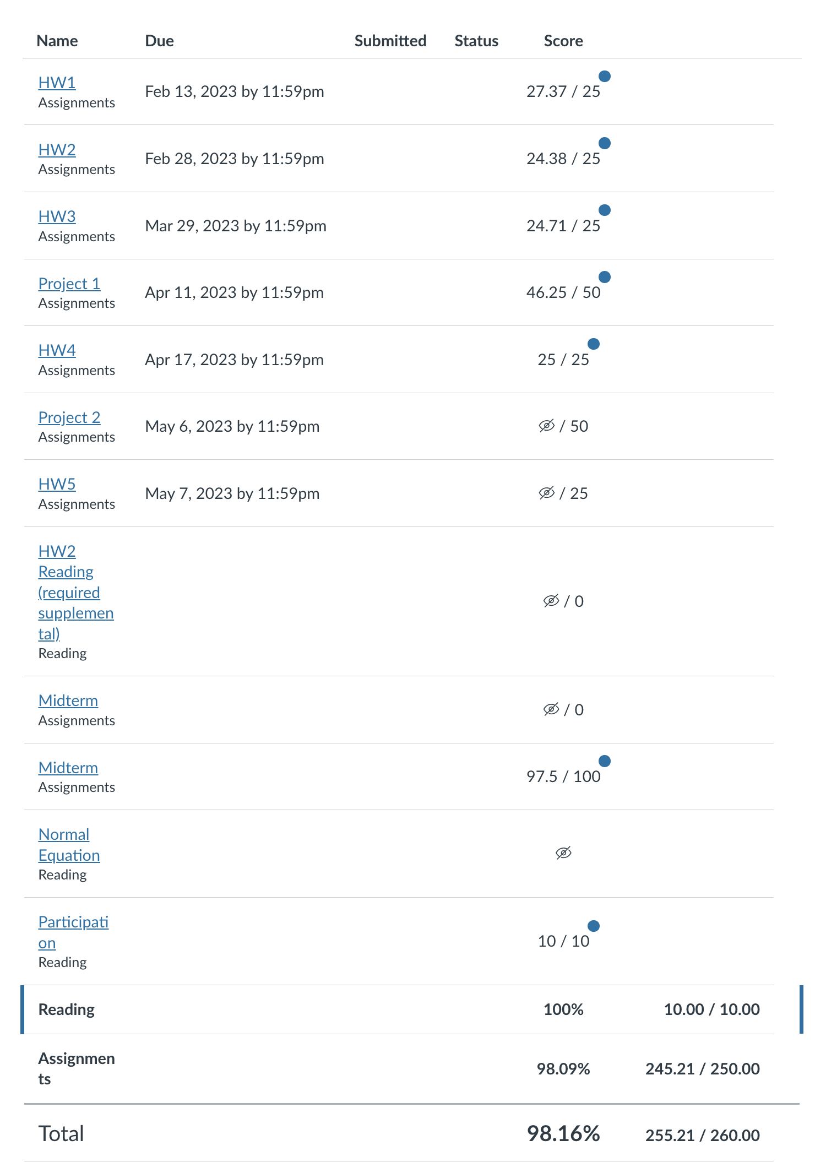
 |  |  |  |  |  |  |  |  |  | Optional assignments can be done
 |  |  |  |  |  |  |  |  |  | (1) as extra credit and for learning, as these assignments would be in the curriculum if this class had a lab component (i.e., to get the most out of the class, they are worth doing) or
 |  |  |  |  |  |  |  |  |  | (2) to replace the lowest homework or project grade if this helps more than the extra credit.1 Both of these optional assignments will be graded like all other assignments. When submitted, whichever yields the best final grade.

