Sheet1
 | 1. Why do we have to perform EDA before fitting a model to the data | there is a lot to observe before diving into the data…
 | 2. What is a parameter?
 | 3. What is correlation?
 | 4. What does negative correlation mean? | Inverse relationship between vars
 | 5. How can you find the correlation between variables in Python? | .corr() |  |  |  |  |  |  |  |  | Correlation | think powerplant radiation example…
 | 6. What is causation? Explain the difference between correlation and causation with an example. | causation means that one variable has a direct impact on another; correlation means that there could be a relation but more by coincidence than A caused B |  |  |  |  |  |  |  |  | # TV's per household
 | 7. Define Linear Regression. |  |  |  |  |  |  |  |  |  | lifespan does increase
 | 8. What is univariate linear regression? | using a single variable |  |  |  |  | w1x + b | single features |  | aka input var | BUT MORE TV's DON’T MAKE PPL HEALTHIER
 | 9. What is multivariate linear regression? | using multiple variables to adjust the polynomial fit of the model |  |  |  |  | w2x + w1x + b | multiple features
 | 10. What are weights and bias?
 | 11. What are inputs and targets?
 | 12. What is loss/cost function?
 | 13. What is residual? | difference between actual and predicted values…
 | 14. What is RMSE value? When and why do we use it? |  |  |  |  |  | translate the meaning into x out of over 10,000 for common people
 | 15. What is an Optimizer? What are the different types of optimizers? Explain each with an example.
 | 16. What library is available in Python to perform Linear Regression? | sklearn.linear_model.LinearRegression
 | 17. What is sklearn.linear_model ?
 | 18. What does model.fit() do? What arguments must be given? | used for training
 | 19. What does model.predict() do? What arguments must be given? | uses fit data for training?
 | 20. How do we calculate RMSE values?
 | 21. What is model.coef_? | how well
 | 22. What is model.intercept_?
 | 23. What is SGDRegressor? How is it different from Linear Regression? |  |  |  | Lasso - Shrink to zero |  | feature selection
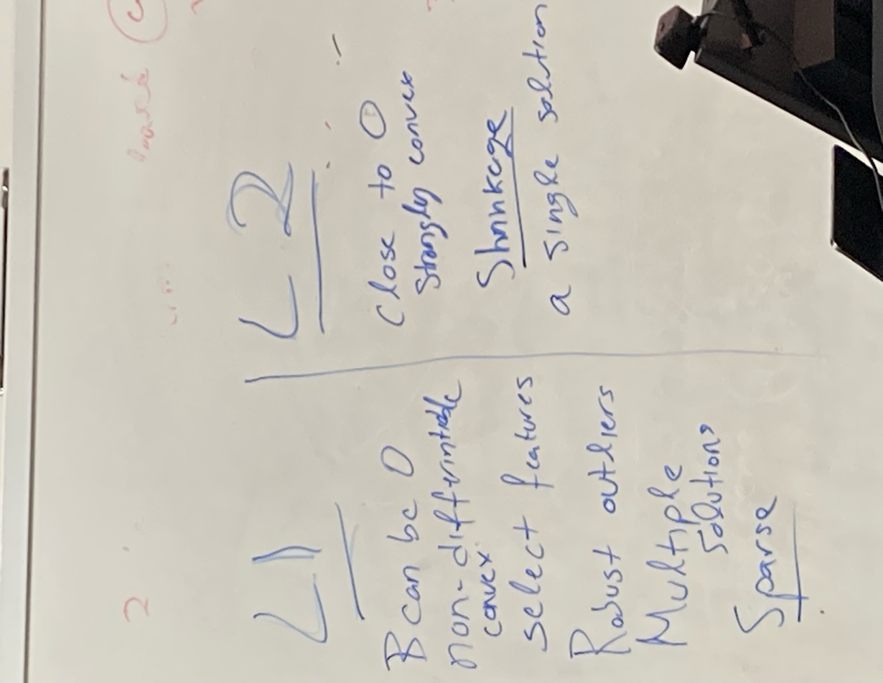
 | 24. Define Machine Learning. What are the main components of Machine Learning? |  |  |  | Ridge - minimize
 | 25. How does loss value help determine whether the model is good?
 | 26. What are continuous and categorical variables?
 | 27. How do we handle categorical variables in Machine Learning? What are the common techniques? |  | one-hot encoding
 | 28. What is feature scaling? How does it help in Machine Learning?
 | 29. How do we perform scaling in Python? | For this reason, it's common practice to scale (or standardize) the values in numeric column by subtracting the mean and dividing by the standard deviation.
 | 30. What is sklearn.preprocessing? | strip out nan values?
 | 31. What is a Test set? | set of data that is "locked away" and unseen by the training…used to gauge model effectivenesss |  |  |  |  |  |  | 0.80 train | 0.20 test
 | 32. How do we split data for model fitting (training and testing) in Python? | train test split |  |  |  |  |  |  | 0.60 train | 0.20 val
 | 33. How do you approach a Machine Learning problem? | EDA, clean data, try models, check rmse, iterate, etc
 | 34. HW 1-2 and Demo 1-2 + Lecures 1-6
 |  | Multiple Choice |  | use safari for browser |  | 6 questions (a….f)
 |  | Short Answers |  |  |  | L1, L2…is this characteristic this or that
 | know the demo questions | Code Snippets |  | function calls |  | loop over folds
 | know homework questions especially hw2 | True or False

 |  |  | never given lower than a B/B+
 | Know all these concepts to be able to answer the real exam questions

 | Know what these are to answer the full question
 | 10. What are weights and bias? | 3 sources of error
 |  | can mitigate 2 of them
 |  | irreproducible - can't change
 | format (MC, short answer) unclear as of now
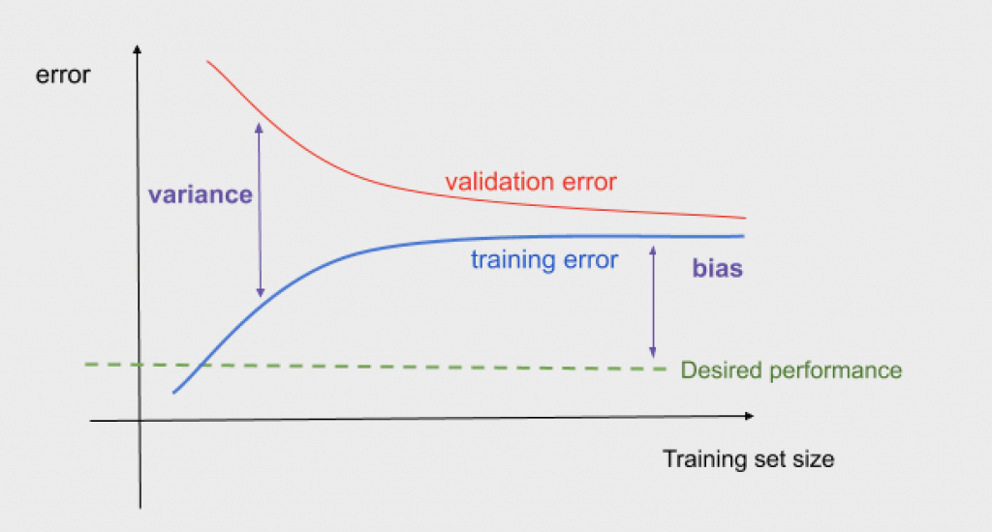
 | full information in the questions
 |  |  | for exam similar to hw2
 | Multiple choice
 | short answer
 | True/False
 | Lasso Ridge - Select A or B
 | show python implementation |  |  |  | if acc doesn't change with another feature, then 0 correlation…not worth adding feature
 | show how you would do k-fold and use a loop etc |  |  |  | val / test
demo01 | sklearn-regression |  |  |  | keep adding features if accuracy improves

demo02 | regression-from-scratch | y-hat | predicted val

 | put other peoples names if you discuss a question

