4kW Rotor
4kW Rotor Design using AeroDyn and NACA4412 airfoil profile
 | Simulations based on 3 Bladed rotor at 20 deg elevation angle
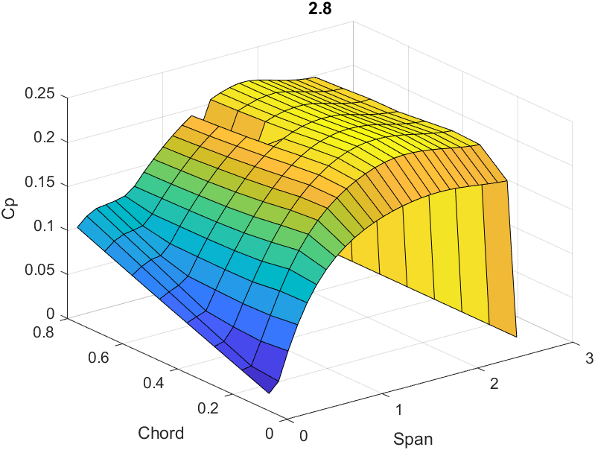
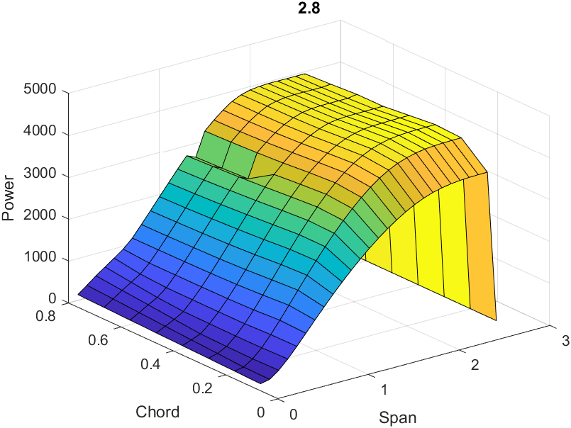
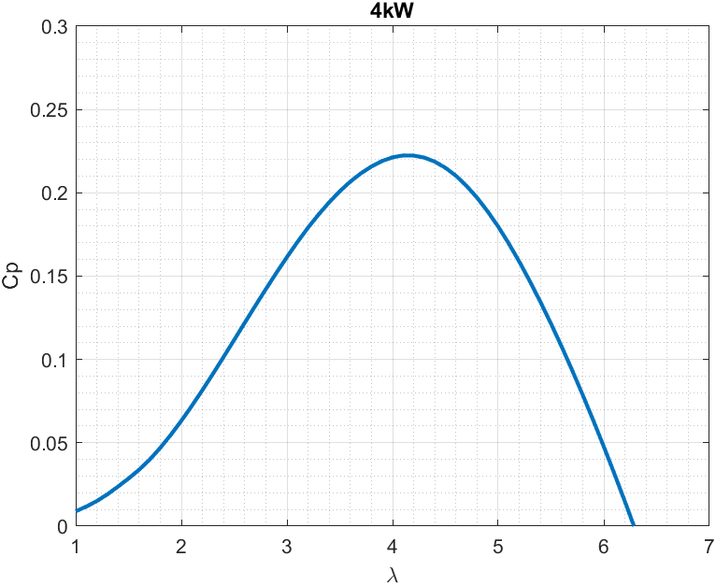

Cp | 0.2224
at
Rotor Radius | 2.8 | m |  | Swept Area | 21.49 | m2
Blade Length | 1.8 | m
Blade Chord | 0.3 | m
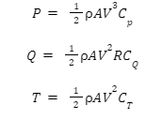
Equivilent Chord for 5 bladed rotor | 0.18 | m

Optimal tip speed | 4.1

At wind speed of 11m/s
Power | 3896 | W
Rotor Speed | 154 | rpm
Torque | 242 | Nm |  |  |  |  |  |  |  |  |  | Air density, ρ: | 1.225 | kg/m^3
Thrust | 996 | N |  |  | Hits 10kW at 15m/s wind

Best Pitch Angle | 2.9 | deg

Rotor coefficients at 20 deg elevation and 3 deg blade pitch |  |  |  |  |  |  |  |  |  |  |  |  |  |  |  | VLOOKUP's
Tip Speed | Cp | Ct | Cq |  | Wind Speed | 11 |  | Rho | 1.225 |  | Wind Speed [m/s] | Power [W] | Torque [Nm] | Thrust [N] | Tip Speed Ratio | Cp | Ct | Cq | Ω (rad/s) | RPM
1 | 0.0141 | 0.1120 | 0.0141 |  | Tip Speed Ratio | 4.1 |  |  |  |  | 4 | 195.25 | 33.34 | 115.77 | 4.1 | 0.2318 | 0.5498 | 0.0565 | 5.86 | 55.93
1.1 | 0.0178 | 0.1181 | 0.0162 |  | Cp | 0.2318 |  |  |  |  | 4.5 | 278.01 | 42.19 | 146.52 | 4.1 | 0.2318 | 0.5498 | 0.0565 | 6.59 | 62.92
1.2 | 0.0222 | 0.1247 | 0.0185 |  | Ct | 0.5498 |  |  |  |  | 5 | 381.35 | 52.09 | 180.89 | 4.1 | 0.2318 | 0.5498 | 0.0565 | 7.32 | 69.91
1.3 | 0.0274 | 0.1323 | 0.0211 |  | Cq | 0.0565 |  |  |  |  | 5.5 | 507.58 | 63.03 | 218.88 | 4.1 | 0.2318 | 0.5498 | 0.0565 | 8.05 | 76.91
1.4 | 0.0332 | 0.1410 | 0.0237 |  | Power | 4061 | W |  |  |  | 6 | 658.98 | 75.01 | 260.49 | 4.1 | 0.2318 | 0.5498 | 0.0565 | 8.79 | 83.90
1.5 | 0.0393 | 0.1503 | 0.0262 |  | Thrust | 876 | N |  |  |  | 6.5 | 837.83 | 88.03 | 305.71 | 4.1 | 0.2318 | 0.5498 | 0.0565 | 9.52 | 90.89
1.6 | 0.0459 | 0.1600 | 0.0287 |  | Torque | 252 | Nm |  |  |  | 7 | 1046.43 | 102.09 | 354.55 | 4.1 | 0.2318 | 0.5498 | 0.0565 | 10.25 | 97.88
1.7 | 0.0536 | 0.1710 | 0.0315 |  |  |  |  |  |  |  | 7.5 | 1287.07 | 117.20 | 407.01 | 4.1 | 0.2318 | 0.5498 | 0.0565 | 10.98 | 104.87
1.8 | 0.0621 | 0.1837 | 0.0345 |  | Assuming no lift from lifter |  |  |  |  |  | 8 | 1562.02 | 133.34 | 463.09 | 4.1 | 0.2318 | 0.5498 | 0.0565 | 11.71 | 111.86
1.9 | 0.0715 | 0.1984 | 0.0376 |  | TRPT radius | 0.53 | m |  |  |  | 8.5 | 1873.59 | 150.53 | 522.78 | 4.1 | 0.2318 | 0.5498 | 0.0565 | 12.45 | 118.85
2 | 0.0813 | 0.2143 | 0.0407 |  | TRPT length | 1.06 | m |  |  |  | 9 | 2224.05 | 168.76 | 586.10 | 4.1 | 0.2318 | 0.5498 | 0.0565 | 13.18 | 125.85
2.1 | 0.0916 | 0.2309 | 0.0436 |  |  |  |  |  |  |  | 9.5 | 2615.70 | 188.03 | 653.03 | 4.1 | 0.2318 | 0.5498 | 0.0565 | 13.91 | 132.84
2.2 | 0.1022 | 0.2479 | 0.0465 |  |  |  |  |  |  |  | 10 | 3050.83 | 208.35 | 723.58 | 4.1 | 0.2318 | 0.5498 | 0.0565 | 14.64 | 139.83
2.3 | 0.1129 | 0.2654 | 0.0491 |  | With lift from lifter |  |  |  |  |  | 10.5 | 3531.71 | 229.70 | 797.74 | 4.1 | 0.2318 | 0.5498 | 0.0565 | 15.38 | 146.82
2.4 | 0.1236 | 0.2832 | 0.0515 |  | TRPT radius | 0.38 | m |  |  |  | 10.9 | 3950.91 | 247.54 | 859.68 | 4.1 | 0.2318 | 0.5498 | 0.0565 | 15.96 | 152.41
2.5 | 0.1342 | 0.3011 | 0.0537 |  | TRPT length | 0.76 | m |  |  |  | 11 | 3961.00 | 272.49 | 795.83 | 3.7 | 0.2261 | 0.4997 | 0.0611 | 14.54 | 138.81
2.6 | 0.1447 | 0.3190 | 0.0556 |  |  |  |  |  |  |  | 11.5 | 3979.93 | 302.81 | 735.84 | 3.2 | 0.1988 | 0.4227 | 0.0621 | 13.14 | 125.51
2.7 | 0.1549 | 0.3369 | 0.0574 |  |  |  |  |  |  |  | 12 | 3960.94 | 318.69 | 705.62 | 2.9 | 0.1742 | 0.3723 | 0.0601 | 12.43 | 118.68
2.8 | 0.1648 | 0.3547 | 0.0589 |  |  |  |  |  |  |  | 12.5 | 3982.27 | 330.40 | 692.90 | 2.7 | 0.1549 | 0.3369 | 0.0574 | 12.05 | 115.10
2.9 | 0.1742 | 0.3723 | 0.0601 |  |  |  |  |  |  |  | 13 | 3881.96 | 334.45 | 669.67 | 2.5 | 0.1342 | 0.3011 | 0.0537 | 11.61 | 110.84
3 | 0.1830 | 0.3895 | 0.0610 |  |  |  |  |  |  |  | 13.5 | 3655.80 | 329.67 | 636.73 | 2.3 | 0.1129 | 0.2654 | 0.0491 | 11.09 | 105.89
3.1 | 0.1912 | 0.4063 | 0.0617 |  |  |  |  |  |  |  | 14 | 3690.79 | 335.53 | 639.60 | 2.2 | 0.1022 | 0.2479 | 0.0465 | 11.00 | 105.04
3.2 | 0.1988 | 0.4227 | 0.0621 |  |  |  |  |  |  |  | 14.5 | 3676.84 | 338.11 | 638.96 | 2.1 | 0.0916 | 0.2309 | 0.0436 | 10.88 | 103.85
3.3 | 0.2058 | 0.4390 | 0.0624 |  |  |  |  |  |  |  | 15 | 3613.62 | 337.27 | 634.65 | 2 | 0.0813 | 0.2143 | 0.0407 | 10.71 | 102.31
Power [W] vs Wind Speed [m/s]
Thrust [N] vs Wind Speed [m/s]
3.4 | 0.2120 | 0.4549 | 0.0624
3.5 | 0.2175 | 0.4703 | 0.0622
3.6 | 0.2223 | 0.4855 | 0.0617
3.7 | 0.2261 | 0.4997 | 0.0611
3.8 | 0.2290 | 0.5132 | 0.0602
3.9 | 0.2309 | 0.5261 | 0.0592
4 | 0.2318 | 0.5382 | 0.0580
4.1 | 0.2318 | 0.5498 | 0.0565
4.2 | 0.2307 | 0.5605 | 0.0549
4.3 | 0.2287 | 0.5708 | 0.0532
4.4 | 0.2257 | 0.5804 | 0.0513
4.5 | 0.2216 | 0.5894 | 0.0492
4.6 | 0.2166 | 0.5978 | 0.0471
4.7 | 0.2108 | 0.6058 | 0.0448
4.8 | 0.2040 | 0.6135 | 0.0425
4.9 | 0.1964 | 0.6209 | 0.0401
Torque [Nm] vs Wind Speed [m/s]
RPM vs Wind Speed [m/s]
5 | 0.1880 | 0.6278 | 0.0376
5.1 | 0.1788 | 0.6343 | 0.0351
5.2 | 0.1689 | 0.6405 | 0.0325
5.3 | 0.1583 | 0.6464 | 0.0299
5.4 | 0.1471 | 0.6521 | 0.0272
5.5 | 0.1353 | 0.6576 | 0.0246
5.6 | 0.1230 | 0.6630 | 0.0220
5.7 | 0.1101 | 0.6682 | 0.0193
5.8 | 0.0967 | 0.6733 | 0.0167
5.9 | 0.0827 | 0.6782 | 0.0140
6 | 0.0683 | 0.6830 | 0.0114
6.1 | 0.0534 | 0.6877 | 0.0088
6.2 | 0.0380 | 0.6923 | 0.0061
6.3 | 0.0222 | 0.6970 | 0.0035
6.4 | 0.0058 | 0.7016 | 0.0009
6.5 | -0.0110 | 0.7064 | -0.0017
6.6 | -0.0282 | 0.7112 | -0.0043
6.7 | -0.0458 | 0.7160 | -0.0068
6.8 | -0.0638 | 0.7209 | -0.0094 |  |  |  | TRPT Sizing
6.9 | -0.0823 | 0.7259 | -0.0119
7 | -0.1013 | 0.7309 | -0.0145 |  |  |  | Lift Kite
7.1 | -0.1208 | 0.7359 | -0.0170 |  |  |  | Lift Kite Size | 3 | m^2 | Kite Weight [N] | 4.9
7.2 | -0.1407 | 0.7409 | -0.0195 |  |  |  | Cl | 1.2 |  | % Line Tension in TRPT | 60.00%
7.3 | -0.1612 | 0.7459 | -0.0221 |  |  |  | Cd | 0.2
7.4 | -0.1821 | 0.7509 | -0.0246 |  |  |  | Air density, ρ: | 1.225 | kg/m^3
7.5 | -0.2036 | 0.7560 | -0.0272
7.6 | -0.2256 | 0.7610 | -0.0297 |  |  |  | Wind Speed [m/s] | Lift from Lift Kite (N) | Drag from Lift Kite (N) | Lift Kite Line Vertical Force [N] | Line Tension [N] | TRPT Line Tension [N]
7.7 | -0.2482 | 0.7661 | -0.0322 |  |  |  | 4 | 35.28 | 5.88 | 30.38 | 30.94 | 18.57
7.8 | -0.2713 | 0.7711 | -0.0348 |  |  |  | 4.5 | 44.65 | 7.44 | 39.75 | 40.44 | 24.27
7.9 | -0.2950 | 0.7761 | -0.0373 |  |  |  | 5 | 55.13 | 9.19 | 50.23 | 51.06 | 30.64
8 | -0.3192 | 0.7813 | -0.0399 |  |  |  | 5.5 | 66.70 | 11.12 | 61.80 | 62.79 | 37.68
8.1 | -0.3440 | 0.7864 | -0.0425 |  |  |  | 6 | 79.38 | 13.23 | 74.48 | 75.65 | 45.39
8.2 | -0.3693 | 0.7915 | -0.0450 |  |  |  | 6.5 | 93.16 | 15.53 | 88.26 | 89.62 | 53.77
8.3 | -0.3952 | 0.7966 | -0.0476 |  |  |  | 7 | 108.05 | 18.01 | 103.15 | 104.71 | 62.82
8.4 | -0.4218 | 0.8017 | -0.0502 |  |  |  | 7.5 | 124.03 | 20.67 | 119.13 | 120.91 | 72.55
8.5 | -0.4490 | 0.8067 | -0.0528 |  |  |  | 8 | 141.12 | 23.52 | 136.22 | 138.24 | 82.94
8.6 | -0.4768 | 0.8117 | -0.0554 |  |  |  | 8.5 | 159.31 | 26.55 | 154.41 | 156.68 | 94.01
8.7 | -0.5053 | 0.8167 | -0.0581 |  |  |  | 9 | 178.61 | 29.77 | 173.71 | 176.24 | 105.74
8.8 | -0.5345 | 0.8216 | -0.0607 |  |  |  | 9.5 | 199.00 | 33.17 | 194.10 | 196.91 | 118.15
8.9 | -0.5643 | 0.8264 | -0.0634 |  |  |  | 10 | 220.50 | 36.75 | 215.60 | 218.71 | 131.23
9 | -0.5948 | 0.8312 | -0.0661 |  |  |  | 10.5 | 243.10 | 40.52 | 238.20 | 241.62 | 144.97
9.1 | -0.6260 | 0.8358 | -0.0688 |  |  |  | 10.9 | 261.98 | 43.66 | 257.08 | 260.76 | 156.45
9.2 | -0.6580 | 0.8404 | -0.0715 |  |  |  | 11 | 266.81 | 44.47 | 261.91 | 265.65 | 159.39
9.3 | -0.6906 | 0.8450 | -0.0743 |  |  |  | 11.5 | 291.61 | 48.60 | 286.71 | 290.80 | 174.48
9.4 | -0.7239 | 0.8494 | -0.0770 |  |  |  | 12 | 317.52 | 52.92 | 312.62 | 317.07 | 190.24
9.5 | -0.7580 | 0.8538 | -0.0798 |  |  |  | 12.5 | 344.53 | 57.42 | 339.63 | 344.45 | 206.67
9.6 | -0.7927 | 0.8581 | -0.0826 |  |  |  | 13 | 372.65 | 62.11 | 367.75 | 372.95 | 223.77
9.7 | -0.8282 | 0.8624 | -0.0854 |  |  |  | 13.5 | 401.86 | 66.98 | 396.96 | 402.57 | 241.54
9.8 | -0.8644 | 0.8666 | -0.0882 |  |  |  | 14 | 432.18 | 72.03 | 427.28 | 433.31 | 259.99
9.9 | -0.9013 | 0.8707 | -0.0910 |  |  |  | 14.5 | 463.60 | 77.27 | 458.70 | 465.16 | 279.10
10 | -0.9390 | 0.8749 | -0.0939 |  |  |  | 15 | 496.13 | 82.69 | 491.23 | 498.14 | 298.88
10.1 | -0.9774 | 0.8789 | -0.0968
10.2 | -1.0165 | 0.8829 | -0.0997
10.3 | -1.0564 | 0.8869 | -0.1026
10.4 | -1.0970 | 0.8908 | -0.1055
10.5 | -1.1384 | 0.8947 | -0.1084
10.6 | -1.1805 | 0.8985 | -0.1114
10.7 | -1.2234 | 0.9023 | -0.1143
10.8 | -1.2670 | 0.9061 | -0.1173
10.9 | -1.3115 | 0.9098 | -0.1203
11 | -1.3567 | 0.9135 | -0.1233
11.1 | -1.4027 | 0.9172 | -0.1264
11.2 | -1.4494 | 0.9208 | -0.1294
11.3 | -1.4968 | 0.9244 | -0.1325
11.4 | -1.5454 | 0.9280 | -0.1356
11.5 | -1.5945 | 0.9316 | -0.1387
11.6 | -1.6446 | 0.9351 | -0.1418
11.7 | -1.6953 | 0.9386 | -0.1449
11.8 | -1.7469 | 0.9421 | -0.1480
11.9 | -1.7992 | 0.9456 | -0.1512
12 | -1.8525 | 0.9491 | -0.1544
12.1 | -1.9063 | 0.9525 | -0.1576
12.2 | -1.9612 | 0.9559 | -0.1608
12.3 | -2.0172 | 0.9594 | -0.1640
12.4 | -2.0737 | 0.9627 | -0.1672
12.5 | -2.1310 | 0.9661 | -0.1705
12.6 | -2.1894 | 0.9695 | -0.1737
12.7 | -2.2484 | 0.9728 | -0.1770
12.8 | -2.3083 | 0.9761 | -0.1803
12.9 | -2.3692 | 0.9794 | -0.1837
13 | -2.4311 | 0.9827 | -0.1870
13.1 | -2.4937 | 0.9859 | -0.1904
13.2 | -2.5572 | 0.9891 | -0.1937
13.3 | -2.6214 | 0.9923 | -0.1971
13.4 | -2.6867 | 0.9955 | -0.2005
13.5 | -2.7531 | 0.9986 | -0.2039
13.6 | -2.8202 | 1.0017 | -0.2074
13.7 | -2.8883 | 1.0048 | -0.2108
13.8 | -2.9569 | 1.0079 | -0.2143
13.9 | -3.0266 | 1.0110 | -0.2178
14 | -3.0977 | 1.0140 | -0.2213
14.1 | -3.1691 | 1.0169 | -0.2248
14.2 | -3.2418 | 1.0199 | -0.2283
14.3 | -3.3154 | 1.0229 | -0.2318
14.4 | -3.3900 | 1.0258 | -0.2354
14.5 | -3.4653 | 1.0287 | -0.2390
14.6 | -3.5415 | 1.0316 | -0.2426
14.7 | -3.6188 | 1.0345 | -0.2462
14.8 | -3.6972 | 1.0374 | -0.2498
14.9 | -3.7763 | 1.0402 | -0.2534
15 | -3.8564 | 1.0431 | -0.2571

7kW Rotor
7kW Rotor Design using AeroDyn and NACA4412 airfoil profile
 | Simulations based on 3 Bladed rotor at 20 deg elevation angle

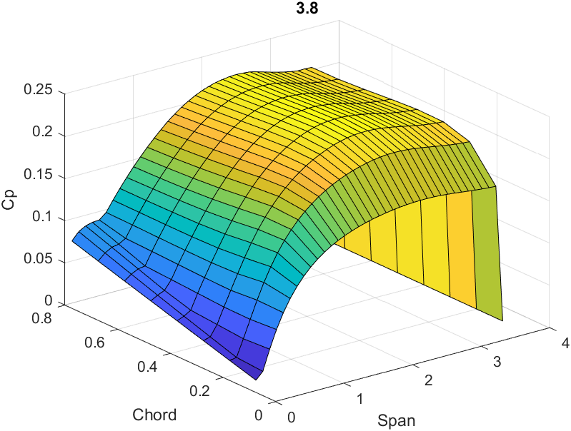
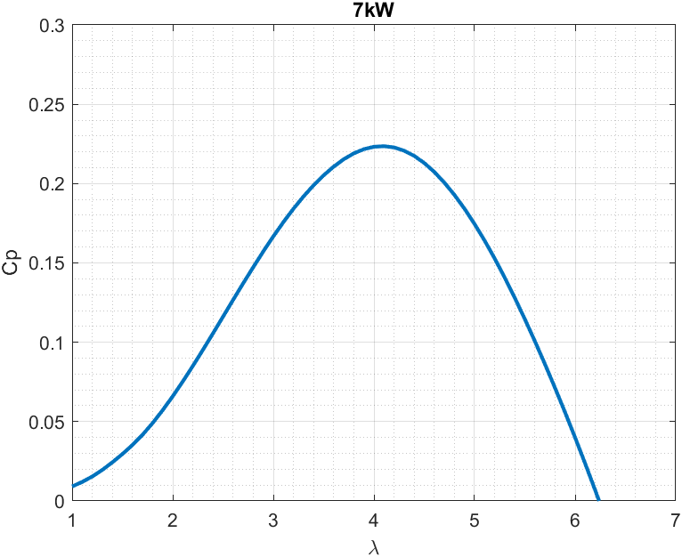
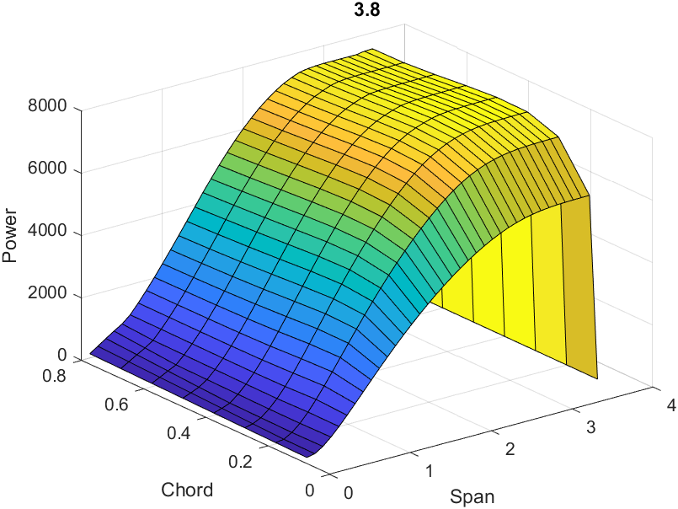

Cp | 0.2234
at
Rotor Radius | 3.8 | m |  | Swept Area | 37.32 | m2
Blade Length | 2.2 | m
Blade Chord | 0.4 | m
Equivilent Chord for 5 bladed rotor | 0.24 | m

Optimal tip speed | 4.1

At wind speed of 11m/s
Power | 6803 | W
Rotor Speed | 113 | rpm
Torque | 573 | Nm |  |  |  |  |  |  |  |  |  | Air density, ρ: | 1.225 | kg/m^3
Thrust | 1734 | N
 |  |  |  |  |  |  | hits 10kW at 12.5m/s wind
Best Pitch Angle | 2.4 | deg

Rotor coefficients at 20 deg elevation and 3 deg blade pitch |  |  |  |  |  |  |  |  |  |  |  |  |  |  |  | VLOOKUP's
Tip Speed | Cp | Ct | Cq |  |  | Wind Speed | 11 |  | Rho | 1.225 | Wind Speed [m/s] | Power [W] | Torque [Nm] | Thrust [N] | Tip Speed Ratio | Cp | Ct | Cq | Ω (rad/s) | RPM
1 | 0.0143 | 0.1073 | 0.0143 |  |  | Tip Speed Ratio | 4.2 |  |  |  | 4 | 336.59 | 79.94 | 195.89 | 4 | 0.2301 | 0.5356 | 0.0575 | 4.21 | 40.21
1.1 | 0.0181 | 0.1137 | 0.0164 |  |  | Cp | 0.2272 |  |  |  | 4.5 | 479.24 | 101.17 | 247.92 | 4 | 0.2301 | 0.5356 | 0.0575 | 4.74 | 45.23
1.2 | 0.0226 | 0.1205 | 0.0188 |  |  | Ct | 0.5564 |  |  |  | 5 | 657.40 | 124.91 | 306.07 | 4 | 0.2301 | 0.5356 | 0.0575 | 5.26 | 50.26
1.3 | 0.0280 | 0.1285 | 0.0215 |  |  | Cq | 0.0541 |  |  |  | 5.5 | 875.00 | 151.14 | 370.35 | 4 | 0.2301 | 0.5356 | 0.0575 | 5.79 | 55.29
1.4 | 0.0340 | 0.1376 | 0.0243 |  |  | Power | 6913 | W |  |  | 6 | 1135.99 | 179.86 | 440.74 | 4 | 0.2301 | 0.5356 | 0.0575 | 6.32 | 60.31
1.5 | 0.0406 | 0.1476 | 0.0270 |  |  | Thrust | 1539 | N |  |  | 6.5 | 1444.31 | 211.09 | 517.26 | 4 | 0.2301 | 0.5356 | 0.0575 | 6.84 | 65.34
1.6 | 0.0477 | 0.1582 | 0.0298 |  |  | Torque | 569 | Nm |  |  | 7 | 1803.90 | 244.82 | 599.90 | 4 | 0.2301 | 0.5356 | 0.0575 | 7.37 | 70.36
1.7 | 0.0557 | 0.1700 | 0.0328 |  |  |  |  |  |  |  | 7.5 | 2218.72 | 281.04 | 688.66 | 4 | 0.2301 | 0.5356 | 0.0575 | 7.89 | 75.39
1.8 | 0.0646 | 0.1834 | 0.0359 |  |  | Assuming no lift from lifter |  |  |  |  | 8 | 2692.71 | 319.76 | 783.55 | 4 | 0.2301 | 0.5356 | 0.0575 | 8.42 | 80.42
1.9 | 0.0742 | 0.1987 | 0.0391 |  |  | TRPT radius | 0.74 | m |  |  | 8.5 | 3229.80 | 360.98 | 884.55 | 4 | 0.2301 | 0.5356 | 0.0575 | 8.95 | 85.44
2 | 0.0844 | 0.2151 | 0.0422 |  |  | TRPT length | 1.48 | m |  |  | 9 | 3833.96 | 404.70 | 991.68 | 4 | 0.2301 | 0.5356 | 0.0575 | 9.47 | 90.47
2.1 | 0.0950 | 0.2320 | 0.0452 |  |  |  |  |  |  |  | 9.5 | 4509.10 | 450.91 | 1104.92 | 4 | 0.2301 | 0.5356 | 0.0575 | 10.00 | 95.49
2.2 | 0.1058 | 0.2495 | 0.0481 |  |  |  |  |  |  |  | 10 | 5259.20 | 499.62 | 1224.29 | 4 | 0.2301 | 0.5356 | 0.0575 | 10.53 | 100.52
2.3 | 0.1167 | 0.2675 | 0.0508 |  |  | With lift from lifter |  |  |  |  | 10.5 | 6088.18 | 550.84 | 1349.78 | 4 | 0.2301 | 0.5356 | 0.0575 | 11.05 | 105.54
2.4 | 0.1277 | 0.2856 | 0.0532 |  |  | TRPT radius | 0.59 | m |  |  | 11 | 6999.99 | 604.55 | 1481.39 | 4 | 0.2301 | 0.5356 | 0.0575 | 11.58 | 110.57
2.5 | 0.1385 | 0.3038 | 0.0554 |  |  | TRPT length | 1.18 | m |  |  | 11.5 | 7031.06 | 726.03 | 1286.62 | 3.2 | 0.2022 | 0.4256 | 0.0632 | 9.68 | 92.48
2.6 | 0.1491 | 0.3219 | 0.0573 |  |  |  |  |  |  |  | 12 | 7039.99 | 768.73 | 1235.13 | 2.9 | 0.1782 | 0.3752 | 0.0615 | 9.16 | 87.45
2.7 | 0.1593 | 0.3400 | 0.0590 |  |  |  |  |  |  |  | 12.5 | 6657.33 | 778.40 | 1149.88 | 2.6 | 0.1491 | 0.3219 | 0.0573 | 8.55 | 81.67
2.8 | 0.1690 | 0.3577 | 0.0604 |  |  |  |  |  |  |  | 13 | 6958.35 | 813.60 | 1173.69 | 2.5 | 0.1385 | 0.3038 | 0.0554 | 8.55 | 81.67
2.9 | 0.1782 | 0.3752 | 0.0615 |  |  |  |  |  |  |  | 13.5 | 6566.04 | 803.59 | 1114.26 | 2.3 | 0.1167 | 0.2675 | 0.0508 | 8.17 | 78.03
3 | 0.1868 | 0.3923 | 0.0623 |  |  |  |  |  |  |  | 14 | 6636.00 | 818.71 | 1118.08 | 2.2 | 0.1058 | 0.2495 | 0.0481 | 8.11 | 77.40
3.1 | 0.1949 | 0.4091 | 0.0629 |  |  |  |  |  |  |  | 14.5 | 6619.97 | 826.11 | 1115.01 | 2.1 | 0.0950 | 0.2320 | 0.0452 | 8.01 | 76.52
3.2 | 0.2022 | 0.4256 | 0.0632 |  |  |  |  |  |  |  | 15 | 6512.55 | 824.92 | 1106.26 | 2 | 0.0844 | 0.2151 | 0.0422 | 7.89 | 75.39
Power [W] vs Wind Speed [m/s]
Thrust [N] vs Wind Speed [m/s]
3.3 | 0.2089 | 0.4417 | 0.0633
3.4 | 0.2147 | 0.4574 | 0.0632
3.5 | 0.2197 | 0.4723 | 0.0628
3.6 | 0.2237 | 0.4864 | 0.0621
3.7 | 0.2268 | 0.4998 | 0.0613
3.8 | 0.2289 | 0.5124 | 0.0602
3.9 | 0.2300 | 0.5243 | 0.0590
4 | 0.2301 | 0.5356 | 0.0575
4.1 | 0.2292 | 0.5464 | 0.0559
4.2 | 0.2272 | 0.5564 | 0.0541
4.3 | 0.2244 | 0.5662 | 0.0522
4.4 | 0.2206 | 0.5753 | 0.0501
4.5 | 0.2159 | 0.5840 | 0.0480
4.6 | 0.2104 | 0.5921 | 0.0457
4.7 | 0.2040 | 0.5997 | 0.0434
4.8 | 0.1967 | 0.6070 | 0.0410
Torque [Nm] vs Wind Speed [m/s]
RPM vs Wind Speed [m/s]
4.9 | 0.1887 | 0.6139 | 0.0385
5 | 0.1799 | 0.6205 | 0.0360
5.1 | 0.1703 | 0.6268 | 0.0334
5.2 | 0.1602 | 0.6329 | 0.0308
5.3 | 0.1493 | 0.6386 | 0.0282
5.4 | 0.1379 | 0.6441 | 0.0255
5.5 | 0.1259 | 0.6495 | 0.0229
5.6 | 0.1133 | 0.6546 | 0.0202
5.7 | 0.1002 | 0.6597 | 0.0176
5.8 | 0.0866 | 0.6647 | 0.0149
5.9 | 0.0724 | 0.6697 | 0.0123
6 | 0.0578 | 0.6747 | 0.0096
6.1 | 0.0427 | 0.6798 | 0.0070
6.2 | 0.0272 | 0.6849 | 0.0044
6.3 | 0.0113 | 0.6903 | 0.0018
6.4 | -0.0050 | 0.6951 | -0.0008
6.5 | -0.0217 | 0.7006 | -0.0033
6.6 | -0.0389 | 0.7061 | -0.0059
6.7 | -0.0565 | 0.7109 | -0.0084 |  |  | Tip speed | 4
Power Coefficient vs Elevation Angle
6.8 | -0.0747 | 0.7163 | -0.0110 |  |  | Elevation angle | Cp
6.9 | -0.0933 | 0.7218 | -0.0135 |  |  | 0 | 0.26298213579
7 | -0.1125 | 0.7270 | -0.0161 |  |  | 5 | 0.26139385002
7.1 | -0.1321 | 0.7320 | -0.0186 |  |  | 10 | 0.25436229854
7.2 | -0.1523 | 0.7375 | -0.0212 |  |  | 15 | 0.24161210133
7.3 | -0.1731 | 0.7428 | -0.0237 |  |  | 20 | 0.22303160864
7.4 | -0.1943 | 0.7478 | -0.0263 |  |  | 25 | 0.19869026116
7.5 | -0.2161 | 0.7532 | -0.0288 |  |  | 30 | 0.16905610283
7.6 | -0.2386 | 0.7585 | -0.0314 |  |  | 35 | 0.13560883322
7.7 | -0.2615 | 0.7635 | -0.0340 |  |  | 40 | 0.10087146436
7.8 | -0.2850 | 0.7690 | -0.0365 |  |  | 45 | 0.067836141476
7.9 | -0.3091 | 0.7744 | -0.0391 |  |  | 50 | 0.038566785084
8 | -0.3337 | 0.7792 | -0.0417 |  |  | 55 | 0.014825561825
8.1 | -0.3590 | 0.7847 | -0.0443 |  |  | 60 | -0.0020198708085
8.2 | -0.3849 | 0.7901 | -0.0469 |  |  | 65 | -0.02094212318
8.3 | -0.4113 | 0.7949 | -0.0496 |  |  | 70 | -0.044669873582
8.4 | -0.4384 | 0.8004 | -0.0522
8.5 | -0.4662 | 0.8059 | -0.0548
8.6 | -0.4946 | 0.8106 | -0.0575
8.7 | -0.5236 | 0.8161 | -0.0602
8.8 | -0.5534 | 0.8209 | -0.0629
8.9 | -0.5839 | 0.8259 | -0.0656
9 | -0.6150 | 0.8312 | -0.0683
9.1 | -0.6469 | 0.8359 | -0.0711
9.2 | -0.6795 | 0.8407 | -0.0739
9.3 | -0.7128 | 0.8452 | -0.0766
9.4 | -0.7469 | 0.8496 | -0.0795
9.5 | -0.7817 | 0.8544 | -0.0823
9.6 | -0.8172 | 0.8588 | -0.0851
9.7 | -0.8535 | 0.8633 | -0.0880
9.8 | -0.8905 | 0.8674 | -0.0909
9.9 | -0.9283 | 0.8718 | -0.0938
10 | -0.9669 | 0.8763 | -0.0967
10.1 | -1.0062 | 0.8804 | -0.0996
10.2 | -1.0460 | 0.8845 | -0.1026
10.3 | -1.0869 | 0.8886 | -0.1055
10.4 | -1.1285 | 0.8927 | -0.1085
10.5 | -1.1707 | 0.8966 | -0.1115
10.6 | -1.2140 | 0.9002 | -0.1145
10.7 | -1.2578 | 0.9043 | -0.1176
10.8 | -1.3025 | 0.9084 | -0.1206
10.9 | -1.3481 | 0.9118 | -0.1237
11 | -1.3943 | 0.9159 | -0.1267
11.1 | -1.4413 | 0.9197 | -0.1298
11.2 | -1.4892 | 0.9234 | -0.1330
11.3 | -1.5379 | 0.9270 | -0.1361
11.4 | -1.5874 | 0.9309 | -0.1392
11.5 | -1.6378 | 0.9344 | -0.1424
11.6 | -1.6889 | 0.9381 | -0.1456
11.7 | -1.7409 | 0.9419 | -0.1488
11.8 | -1.7937 | 0.9453 | -0.1520
11.9 | -1.8473 | 0.9487 | -0.1552
12 | -1.9019 | 0.9521 | -0.1585
12.1 | -1.9574 | 0.9556 | -0.1618
12.2 | -2.0137 | 0.9590 | -0.1650
12.3 | -2.0707 | 0.9624 | -0.1684
12.4 | -2.1287 | 0.9658 | -0.1717
12.5 | -2.1876 | 0.9692 | -0.1750
12.6 | -2.2472 | 0.9726 | -0.1784
12.7 | -2.3079 | 0.9761 | -0.1817
12.8 | -2.3694 | 0.9793 | -0.1851
12.9 | -2.4319 | 0.9823 | -0.1885
13 | -2.4952 | 0.9856 | -0.1920
13.1 | -2.5595 | 0.9890 | -0.1954
13.2 | -2.6246 | 0.9920 | -0.1988
13.3 | -2.6906 | 0.9952 | -0.2023
13.4 | -2.7576 | 0.9985 | -0.2058
13.5 | -2.8255 | 1.0013 | -0.2093
13.6 | -2.8943 | 1.0048 | -0.2128
13.7 | -2.9640 | 1.0076 | -0.2163
13.8 | -3.0347 | 1.0109 | -0.2199
13.9 | -3.1063 | 1.0139 | -0.2235
14 | -3.1788 | 1.0171 | -0.2271
14.1 | -3.2523 | 1.0199 | -0.2307
14.2 | -3.3267 | 1.0232 | -0.2343
14.3 | -3.4021 | 1.0260 | -0.2379
14.4 | -3.4784 | 1.0294 | -0.2415
14.5 | -3.5557 | 1.0321 | -0.2452
14.6 | -3.6340 | 1.0351 | -0.2489
14.7 | -3.7132 | 1.0383 | -0.2526
14.8 | -3.7933 | 1.0410 | -0.2563
14.9 | -3.8745 | 1.0440 | -0.2600
15 | -3.9567 | 1.0471 | -0.2638

12kW Rotor
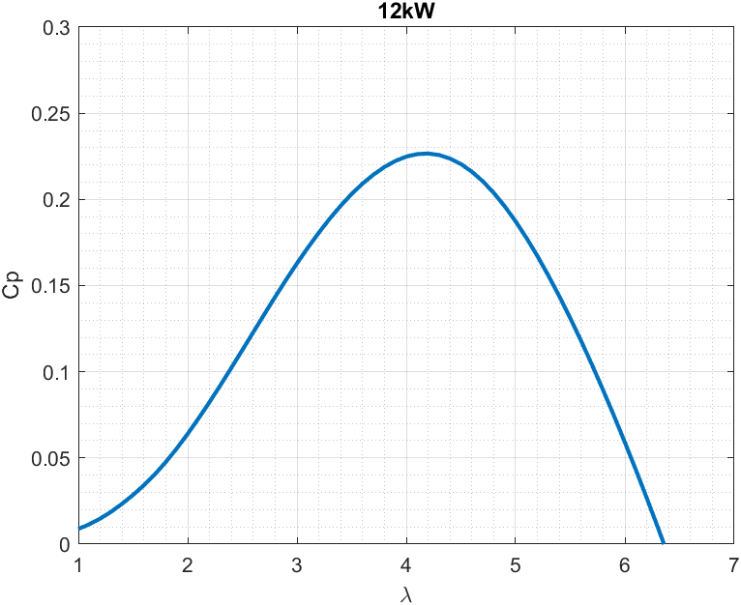
12kW Rotor Design using AeroDyn and NACA4412 airfoil profile
 | Simulations based on 3 Bladed rotor at 20 deg elevation angle

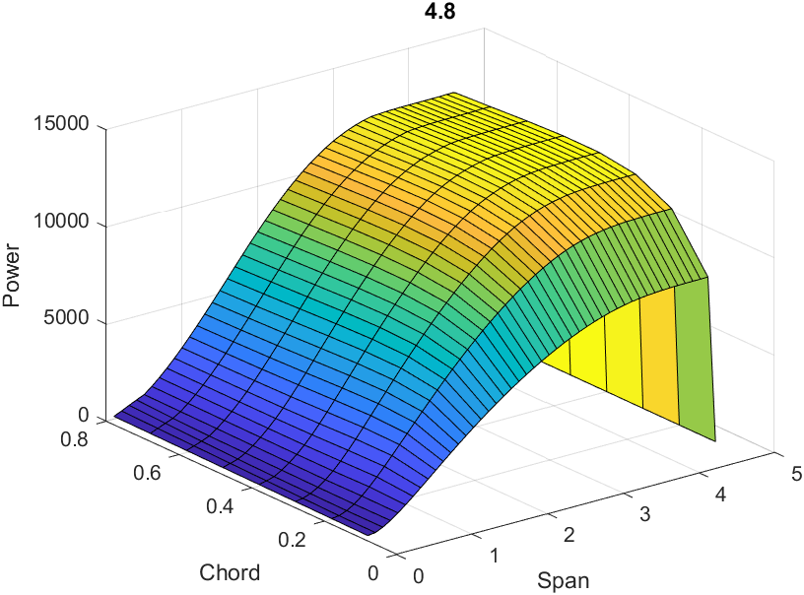
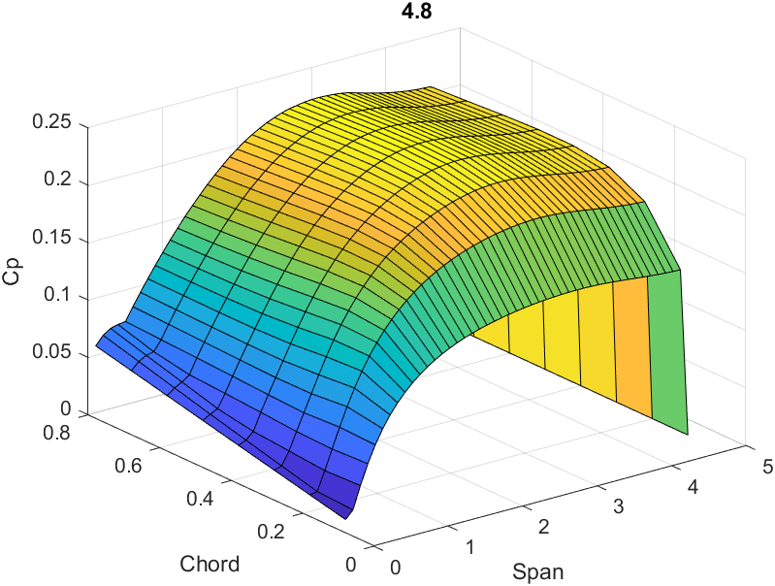

Cp | 0.2266
at
Rotor Radius | 4.8 | m |  | Swept Area | 62.20 | m2
Blade Length | 3 | m
Blade Chord | 0.5 | m
Equivilent Chord for 5 bladed rotor | 0.3 | m

Optimal tip speed | 4.2

At wind speed of 11m/s
Power | 11492 | W
Rotor Speed | 92 | rpm
Torque | 1194 | Nm |  |  |  |  |  |  |  |  |  | Air density, ρ: | 1.225 | kg/m^3
Thrust | 2944 | N

Best Pitch Angle | 2.5 | deg

Rotor coefficients at 20 deg elevation and 3 deg blade pitch |  |  |  |  |  |  |  |  |  |  |  |  |  |  |  | VLOOKUP's
Tip Speed | Cp | Ct | Cq |  |  | Wind Speed | 11 |  | Rho | 1.225 | Wind Speed [m/s] | Power [W] | Torque [Nm] | Thrust [N] | Tip Speed Ratio | Cp | Ct | Cq | Ω (rad/s) | RPM
1 | 0.0138 | 0.1081 | 0.0138 |  |  | Tip Speed Ratio | 4.2 |  |  |  | 4 | 570.99 | 167.12 | 334.04 | 4.1 | 0.2342 | 0.5480 | 0.0571 | 3.42 | 32.63
1.1 | 0.0175 | 0.1143 | 0.0159 |  |  | Cp | 0.2333 |  |  |  | 4.5 | 813.00 | 211.51 | 422.77 | 4.1 | 0.2342 | 0.5480 | 0.0571 | 3.84 | 36.71
1.2 | 0.0218 | 0.1210 | 0.0182 |  |  | Ct | 0.5588 |  |  |  | 5 | 1,115.22 | 261.12 | 521.93 | 4.1 | 0.2342 | 0.5480 | 0.0571 | 4.27 | 40.78
1.3 | 0.0270 | 0.1287 | 0.0208 |  |  | Cq | 0.0556 |  |  |  | 5.5 | 1,484.36 | 315.96 | 631.54 | 4.1 | 0.2342 | 0.5480 | 0.0571 | 4.70 | 44.86
1.4 | 0.0329 | 0.1375 | 0.0235 |  |  | Power | 11833 | W |  |  | 6 | 1,927.10 | 376.02 | 751.59 | 4.1 | 0.2342 | 0.5480 | 0.0571 | 5.13 | 48.94
1.5 | 0.0393 | 0.1473 | 0.0262 |  |  | Thrust | 2576 | N |  |  | 6.5 | 2,450.14 | 441.30 | 882.07 | 4.1 | 0.2342 | 0.5480 | 0.0571 | 5.55 | 53.02
1.6 | 0.0463 | 0.1579 | 0.0290 |  |  | Torque | 1229 | Nm |  |  | 7 | 3,060.16 | 511.80 | 1,022.99 | 4.1 | 0.2342 | 0.5480 | 0.0571 | 5.98 | 57.10
1.7 | 0.0542 | 0.1697 | 0.0319 |  |  |  |  |  |  |  | 7.5 | 3,763.87 | 587.53 | 1,174.35 | 4.1 | 0.2342 | 0.5480 | 0.0571 | 6.41 | 61.18
1.8 | 0.0628 | 0.1829 | 0.0349 |  |  | Assuming no lift from lifter |  |  |  |  | 8 | 4,567.94 | 668.48 | 1,336.15 | 4.1 | 0.2342 | 0.5480 | 0.0571 | 6.83 | 65.25
1.9 | 0.0721 | 0.1977 | 0.0379 |  |  | TRPT radius | 0.92 | m |  |  | 8.5 | 5,479.07 | 754.65 | 1,508.39 | 4.1 | 0.2342 | 0.5480 | 0.0571 | 7.26 | 69.33
2 | 0.0819 | 0.2135 | 0.0410 |  |  | TRPT length | 1.84 | m |  |  | 9 | 6,503.96 | 846.04 | 1,691.07 | 4.1 | 0.2342 | 0.5480 | 0.0571 | 7.69 | 73.41
2.1 | 0.0922 | 0.2299 | 0.0439 |  |  |  |  |  |  |  | 9.5 | 7,649.29 | 942.66 | 1,884.18 | 4.1 | 0.2342 | 0.5480 | 0.0571 | 8.11 | 77.49
2.2 | 0.1027 | 0.2469 | 0.0467 |  |  |  |  |  |  |  | 10 | 8,921.76 | 1,044.50 | 2,087.74 | 4.1 | 0.2342 | 0.5480 | 0.0571 | 8.54 | 81.57
2.3 | 0.1133 | 0.2643 | 0.0493 |  |  | With lift from lifter |  |  |  |  | 10.5 | 10,328.05 | 1,151.56 | 2,301.73 | 4.1 | 0.2342 | 0.5480 | 0.0571 | 8.97 | 85.65
2.4 | 0.1241 | 0.2820 | 0.0517 |  |  | TRPT radius | 0.8 | m |  |  | 11 | 11,874.86 | 1,263.84 | 2,526.16 | 4.1 | 0.2342 | 0.5480 | 0.0571 | 9.40 | 89.72
2.5 | 0.1348 | 0.2999 | 0.0539 |  |  | TRPT length | 1.6 | m |  |  | 11.5 | 11,990.73 | 1,516.60 | 2,205.60 | 3.3 | 0.2069 | 0.4377 | 0.0627 | 7.91 | 75.50
2.6 | 0.1453 | 0.3179 | 0.0559 |  |  |  |  |  |  |  | 12 | 11,518.78 | 1,588.79 | 2,035.63 | 2.9 | 0.1750 | 0.3710 | 0.0603 | 7.25 | 69.23
2.7 | 0.1556 | 0.3358 | 0.0576 |  |  |  |  |  |  |  | 12.5 | 11,580.45 | 1,647.00 | 1,998.78 | 2.7 | 0.1556 | 0.3358 | 0.0576 | 7.03 | 67.14
2.8 | 0.1655 | 0.3536 | 0.0591 |  |  |  |  |  |  |  | 13 | 11,281.96 | 1,666.28 | 1,931.29 | 2.5 | 0.1348 | 0.2999 | 0.0539 | 6.77 | 64.66
2.9 | 0.1750 | 0.3710 | 0.0603 |  |  |  |  |  |  |  | 13.5 | 11,630.11 | 1,722.98 | 1,958.40 | 2.4 | 0.1241 | 0.2820 | 0.0517 | 6.75 | 64.46
3 | 0.1839 | 0.3882 | 0.0613 |  |  |  |  |  |  |  | 14 | 11,847.49 | 1,766.06 | 1,973.85 | 2.3 | 0.1133 | 0.2643 | 0.0493 | 6.71 | 64.06
3.1 | 0.1922 | 0.4051 | 0.0620 |  |  |  |  |  |  |  | 14.5 | 11,923.96 | 1,794.20 | 1,978.01 | 2.2 | 0.1027 | 0.2469 | 0.0467 | 6.65 | 63.46
3.2 | 0.1999 | 0.4216 | 0.0625 |  |  |  |  |  |  |  | 15 | 11,850.32 | 1,805.77 | 1,970.86 | 2.1 | 0.0922 | 0.2299 | 0.0439 | 6.56 | 62.67
Power [W] vs Wind Speed [m/s]
Thrust [N] vs Wind Speed [m/s]
3.3 | 0.2069 | 0.4377 | 0.0627
3.4 | 0.2133 | 0.4535 | 0.0627
3.5 | 0.2189 | 0.4689 | 0.0626
3.6 | 0.2238 | 0.4840 | 0.0622
3.7 | 0.2277 | 0.4981 | 0.0616
3.8 | 0.2308 | 0.5116 | 0.0607
3.9 | 0.2329 | 0.5244 | 0.0597
4 | 0.2340 | 0.5365 | 0.0585
4.1 | 0.2342 | 0.5480 | 0.0571
4.2 | 0.2333 | 0.5588 | 0.0556
4.3 | 0.2315 | 0.5691 | 0.0538
4.4 | 0.2288 | 0.5788 | 0.0520
4.5 | 0.2251 | 0.5880 | 0.0500
Torque [Nm] vs Wind Speed [m/s]
RPM vs Wind Speed [m/s]
4.6 | 0.2204 | 0.5966 | 0.0479
4.7 | 0.2149 | 0.6050 | 0.0457
4.8 | 0.2086 | 0.6129 | 0.0435
4.9 | 0.2015 | 0.6203 | 0.0411
5 | 0.1935 | 0.6274 | 0.0387
5.1 | 0.1848 | 0.6341 | 0.0362
5.2 | 0.1753 | 0.6405 | 0.0337
5.3 | 0.1652 | 0.6466 | 0.0312
5.4 | 0.1544 | 0.6525 | 0.0286
5.5 | 0.1430 | 0.6581 | 0.0260
5.6 | 0.1310 | 0.6636 | 0.0234
5.7 | 0.1185 | 0.6689 | 0.0208
5.8 | 0.1054 | 0.6741 | 0.0182
5.9 | 0.0919 | 0.6791 | 0.0156
6 | 0.0778 | 0.6840 | 0.0130
6.1 | 0.0632 | 0.6887 | 0.0104
6.2 | 0.0482 | 0.6935 | 0.0078
6.3 | 0.0326 | 0.6984 | 0.0052
6.4 | 0.0167 | 0.7033 | 0.0026
6.5 | 0.0003 | 0.7082 | 0.0000
6.6 | -0.0165 | 0.7132 | -0.0025
6.7 | -0.0338 | 0.7181 | -0.0050
6.8 | -0.0514 | 0.7230 | -0.0076
6.9 | -0.0695 | 0.7282 | -0.0101
7 | -0.0881 | 0.7333 | -0.0126
7.1 | -0.1072 | 0.7383 | -0.0151
7.2 | -0.1267 | 0.7435 | -0.0176
7.3 | -0.1468 | 0.7484 | -0.0201
7.4 | -0.1674 | 0.7537 | -0.0226
7.5 | -0.1884 | 0.7587 | -0.0251
7.6 | -0.2100 | 0.7638 | -0.0276
7.7 | -0.2321 | 0.7690 | -0.0301
7.8 | -0.2548 | 0.7740 | -0.0327
7.9 | -0.2780 | 0.7792 | -0.0352
8 | -0.3017 | 0.7844 | -0.0377
8.1 | -0.3260 | 0.7895 | -0.0402
8.2 | -0.3508 | 0.7948 | -0.0428
8.3 | -0.3763 | 0.7999 | -0.0453
8.4 | -0.4023 | 0.8050 | -0.0479
8.5 | -0.4290 | 0.8102 | -0.0505
8.6 | -0.4563 | 0.8153 | -0.0531
8.7 | -0.4842 | 0.8202 | -0.0557
8.8 | -0.5128 | 0.8253 | -0.0583
8.9 | -0.5420 | 0.8303 | -0.0609
9 | -0.5719 | 0.8351 | -0.0635
9.1 | -0.6026 | 0.8399 | -0.0662
9.2 | -0.6338 | 0.8447 | -0.0689
9.3 | -0.6658 | 0.8493 | -0.0716
9.4 | -0.6985 | 0.8538 | -0.0743
9.5 | -0.7319 | 0.8584 | -0.0770
9.6 | -0.7661 | 0.8629 | -0.0798
9.7 | -0.8009 | 0.8673 | -0.0826
9.8 | -0.8364 | 0.8715 | -0.0853
9.9 | -0.8727 | 0.8759 | -0.0881
10 | -0.9096 | 0.8801 | -0.0910
10.1 | -0.9473 | 0.8842 | -0.0938
10.2 | -0.9857 | 0.8883 | -0.0966
10.3 | -1.0249 | 0.8924 | -0.0995
10.4 | -1.0648 | 0.8965 | -0.1024
10.5 | -1.1054 | 0.9003 | -0.1053
10.6 | -1.1468 | 0.9043 | -0.1082
10.7 | -1.1890 | 0.9082 | -0.1111
10.8 | -1.2318 | 0.9121 | -0.1141
10.9 | -1.2755 | 0.9158 | -0.1170
11 | -1.3199 | 0.9197 | -0.1200
11.1 | -1.3651 | 0.9235 | -0.1230
11.2 | -1.4110 | 0.9273 | -0.1260
11.3 | -1.4577 | 0.9309 | -0.1290
11.4 | -1.5053 | 0.9346 | -0.1320
11.5 | -1.5536 | 0.9382 | -0.1351
11.6 | -1.6027 | 0.9417 | -0.1382
11.7 | -1.6526 | 0.9453 | -0.1412
11.8 | -1.7033 | 0.9490 | -0.1443
11.9 | -1.7548 | 0.9525 | -0.1475
12 | -1.8071 | 0.9560 | -0.1506
12.1 | -1.8603 | 0.9597 | -0.1537
12.2 | -1.9142 | 0.9629 | -0.1569
12.3 | -1.9690 | 0.9666 | -0.1601
12.4 | -2.0245 | 0.9699 | -0.1633
12.5 | -2.0810 | 0.9734 | -0.1665
12.6 | -2.1383 | 0.9769 | -0.1697
12.7 | -2.1965 | 0.9802 | -0.1729
12.8 | -2.2555 | 0.9834 | -0.1762
12.9 | -2.3154 | 0.9867 | -0.1795
13 | -2.3761 | 0.9900 | -0.1828
13.1 | -2.4377 | 0.9934 | -0.1861
13.2 | -2.5002 | 0.9966 | -0.1894
13.3 | -2.5636 | 0.9998 | -0.1927
13.4 | -2.6278 | 1.0031 | -0.1961
13.5 | -2.6929 | 1.0064 | -0.1995
13.6 | -2.7589 | 1.0095 | -0.2029
13.7 | -2.8258 | 1.0126 | -0.2063
13.8 | -2.8936 | 1.0158 | -0.2097
13.9 | -2.9623 | 1.0188 | -0.2131
14 | -3.0319 | 1.0220 | -0.2166
14.1 | -3.1025 | 1.0249 | -0.2200
14.2 | -3.1739 | 1.0280 | -0.2235
14.3 | -3.2463 | 1.0310 | -0.2270
14.4 | -3.3195 | 1.0339 | -0.2305
14.5 | -3.3937 | 1.0369 | -0.2340
14.6 | -3.4689 | 1.0398 | -0.2376
14.7 | -3.5449 | 1.0428 | -0.2412
14.8 | -3.6219 | 1.0458 | -0.2447
14.9 | -3.6998 | 1.0486 | -0.2483
15 | -3.7787 | 1.0515 | -0.2519

