Sheet1
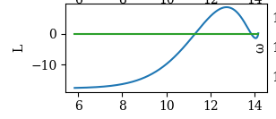
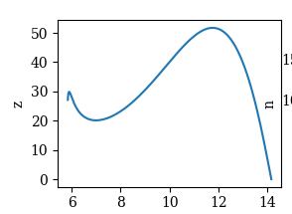
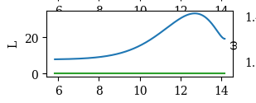
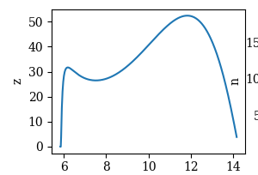
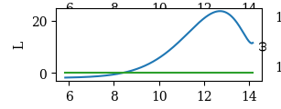
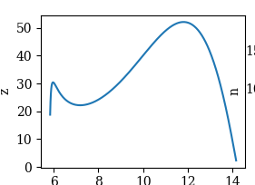
gp | e(θ_w)_lb | ωe0 | L | Z | gp | e(θ_w)_lb | ωe0
0.99 | 9.6896395131 | 1.349 |  |  | 0.98 | 9.7704890686 | 1.339 | 0.984 | 9.699806185 | 1.343

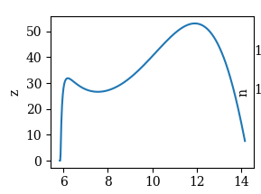
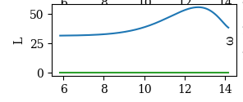
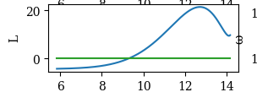
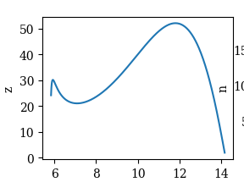
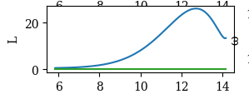
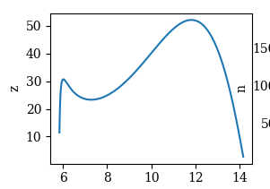
0.97 | 9.7369280364 | 1.33
 |  |  |  |  | 0.985 | 9.6839753411 | 1.344
 |  |  |  |  |  |  |  | 0.983 | 9.699806185 | 1.343

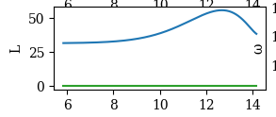
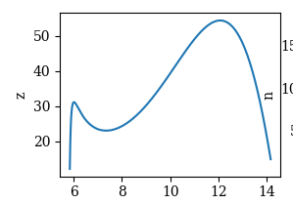
0.95 | 9.5947749968 | 1.313

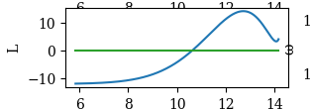
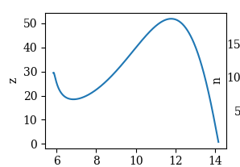
 |  |  |  |  | 0.988 | 9.6565756783 | 1.347 | gp = 0.983 |  |  | El del equilibrio!

 |  |  |  |  |  |  |  | ue0 = 100.0
 |  |  |  |  |  |  |  | ue0 = 630.0
 |  |  |  |  |  |  |  | μe0 = 0.0 - 1.0e-10
 |  |  |  |  |  |  |  | ye0 = 0.0
 |  |  |  |  |  |  |  | λe0 = 1.0

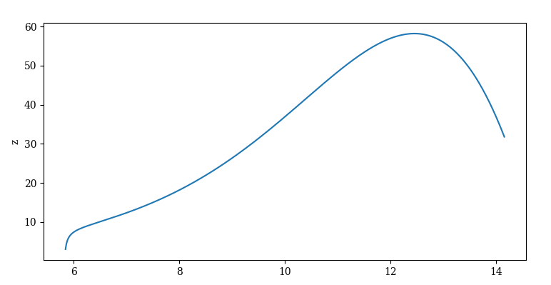
 |  |  |  |  |  |  |  | le0 = 0.0
0.9 | 9.2665222587 | 1.272054 |  |  |  |  |  | ωe0 = 0.9
 |  |  |  |  |  |  |  | ωe0 = 1.34232

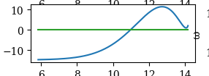
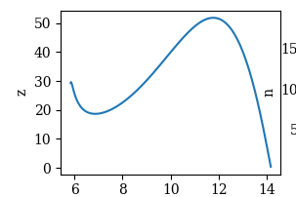
 |  |  |  |  | 0.989 | 9.6632421392 | 1.348

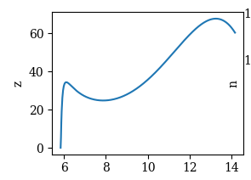
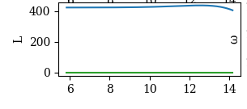
0.8 | 9.1444436252 | 1.191

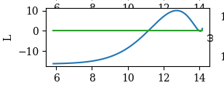
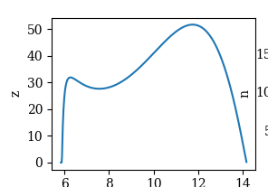
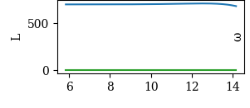
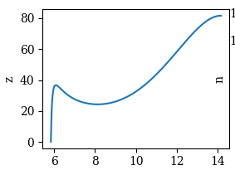
 |  |  |  |  | 0.9895 | 9.8359765819 | 1.348
0.7 | 8.8217598645 | 1.11

0.6 | 8.3962490039 | 1.027
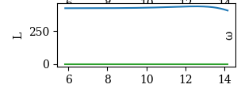
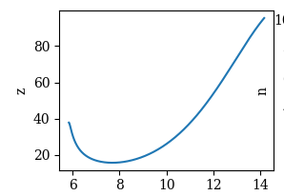
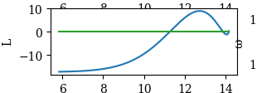
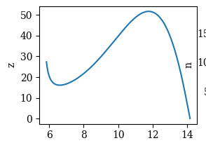
 |  |  |  |  | 0.9899 | 9.6348250887 | 1.349

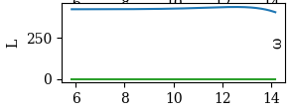
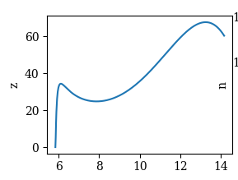
0.5 | 8.1177775452 | 0.938

Mod h
Equilibrium in new scenary:

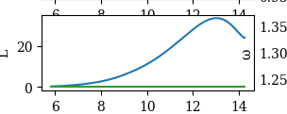
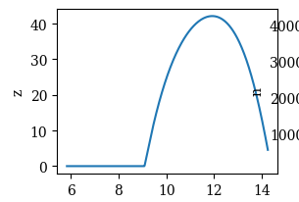
gp = 0.989

#ue0 = 100.0
ue0 = 630.0
ue0 = 585.0
μe0 = 0.0 - 1.0e-10
ye0 = 0.0
λe0 = 1.0
le0 = 0.0
ωe0 = 1.3

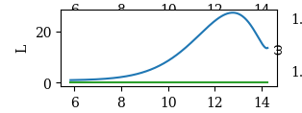
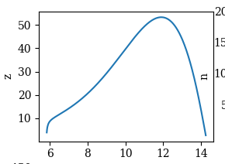
gp = 0.993

#ue0 = 100.0
ue0 = 630.0
ue0 = 585.0
μe0 = 0.0 - 1.0e-10
ye0 = 0.0
λe0 = 1.0
le0 = 0.0
ωe0 = 1.34297

gp = 0.993
 | Range omega (solution different than 0)
#ue0 = 100.0 | [1.3426,1.34297]
ue0 = 640.0
#ue0 = 600.0
μe0 = 0.0 - 1.0e-10
ye0 = 0.0
λe0 = 1.0
le0 = 0.0
ωe0 = 1.34297

