Sheet1
gp | e(θ_w)_lb | ωe0 | L | Z
0.99
0.97
0.95

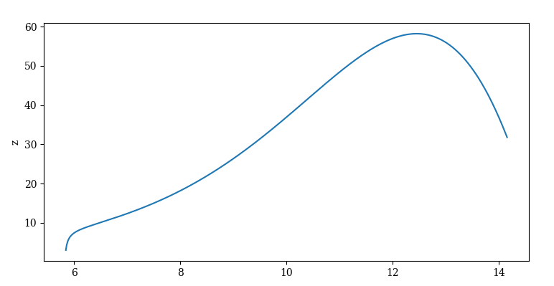
0.9 | 9.2665222587 | 1.272054

0.8
0.7
0.6
0.5

