pivot
 | Values
Row Labels | Average of Test_Scores | Average of Extra_Curricular_Hours
<=2 | 70.895454545 | 1.4681818182
>6 | 71.081818182 | 1.8090909091
2-4 | 69.218055556 | 1.4555555556
4-6 | 72.598795181 | 1.5590361446
Grand Total | 71.01959799 | 1.5391959799

pivot2
Row Labels | Average of Test_Scores
<=12 | 71.955813953
<=2 | 73.08
Average test scores across screen time ranges
>6 | 69.575
2-4 | 68.538888889
4-6 | 76.04375
13-15 | 72.034722222
<=2 | 71.4
>6 | 71.35
2-4 | 73.252
4-6 | 71.39375
16-17 | 69.670238095
<=2 | 69.45
>6 | 71.47
2-4 | 66.162068966
4-6 | 72.125714286
Grand Total | 71.01959799

screen
1. Duplication process
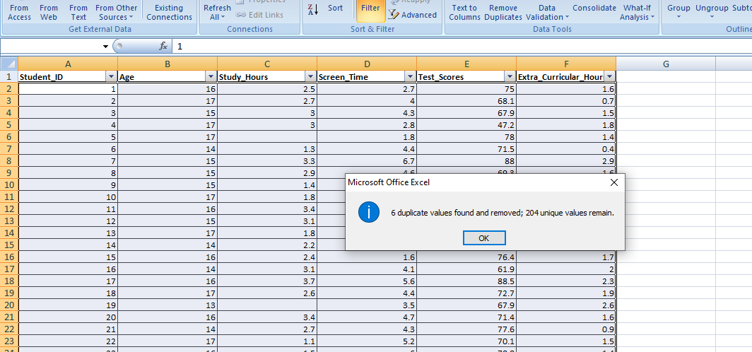

Correlation (Screen Time vs Test Scores) | 0.13792983178
Average Score (>4 hrs) | 72.202857143
Average Score (<=4 hrs) | 69.491578947
% Difference (>4 vs <=4) | 3.901592447
Insight 1 | Students with >4 hrs/day screen time scored ~3.9% higher on average.
Insight 2 | Correlation between screen time and test scores is weak (0.14).
Insight 3 | Students with <=2 hrs screen time tend to perform slightly lower than those in 2–6 hrs range.
Recommendation | Moderate screen time (2–6 hrs/day) seems not harmful; focus on balanced study & extracurriculars.

dashboard
students screen time raw dashboard

Average test scores across screen time ranges
 | Total
<=2 | 73.08
>6 | 69.575
2-4 | 68.538888889
4-6 | 76.04375
<=2 | 71.4
>6 | 71.35
2-4 | 73.252
4-6 | 71.39375
<=2 | 69.45
>6 | 71.47
2-4 | 66.162068966
4-6 | 72.125714286
 | Average of Test_Scores | Average of Extra_Curricular_Hours
<=2 | 70.895454545 | 1.4681818182
>6 | 71.081818182 | 1.8090909091
2-4 | 69.218055556 | 1.4555555556
4-6 | 72.598795181 | 1.5590361446

