PPMP BLANK FORM 2020
Republic of the Philippines
CENTRAL LUZON STATE UNIVERSITY
Science City of Munoz, Nueva Ecija
PROJECT PROCUREMENT MANAGEMENT PLAN 2022

FUND | GAA 2022

Projects, Programs and Activities (PAPs)

CODE | GENERAL DESCRIPTION | UNITS | UNIT PRICE | QUANTITY/ | ESTIMATED BUDGET | Mode of Procurement | SCHEDULE/MILESTONE OF ACTIVITIES |  |  |  | NOTE /REMARKS if ANY CHANGES
 |  |  |  | SIZE |  |  | 1st Quarter | 2nd Quarter | 3rd Quarter | 4th Quarter

 | Bond paper (legal) | box | 1,050.00 | 1 | 1,050.00
 | Bond paper (letter) | box | 950.00 | 2 | 1,900.00
 | Bond paper (A4) | box | 1,000.00 | 6 | 6,000.00
 | Printer Ink Epson L3110 (Black) | piece | 305.00 | 5 | 1,525.00
 | Printer Ink Epson L3110 (Cyan) | piece | 305.00 | 5 | 1,525.00
 | Printer Ink Epson L3110 (Magenta) | piece | 305.00 | 5 | 1,525.00
 | Printer Ink Epson L3110 (Yellow) | piece | 305.00 | 5 | 1,525.00
 | CLIP, BACKFOLD, all metal, clamping: 19mm (-1mm) | piece | 10.95 | 2 | 21.90
 | CLIP, BACKFOLD, all metal, clamping: 25mm (-1mm) | piece | 18.48 | 2 | 36.95
 | CORRECTION TAPE, film base type, UL 6m min | piece | 16.96 | 5 | 84.82
 | DATA FILE BOX, made of chipboard, with closed ends | piece | 93.41 | 2 | 186.82
 | DATA FOLDER, made of chipboard, taglia lock | piece | 83.05 | 5 | 415.27
 | MARKER, PERMANENT, broad type, black | piece | 35.00 | 12 | 420.00
 | MARKER, PERMANENT, fine type, black | piece | 35.00 | 12 | 420.00
 | PAPER CLIP, vinyl/plastic coat, length: 32mm min | box | 9.39 | 4 | 37.56
 | PAPER CLIP, vinyl/plastic coat, length: 48mm min | box | 16.99 | 4 | 67.95
 | BINDER | unit | 5,000.00 | 1 | 5,000.00
 | RING BINDER, 80 rings, plastic, 32mm x 1.12m | bundle | 290.15 | 1 | 290.15
 | PAPER CUTTER, for heavy duty | piece | 1,500.00 | 1 | 1,500.00
 | PENCIL SHARPENER, manual, single cutter head | piece | 245.39 | 2 | 490.78
 | PUNCHER, paper, heavy duty, with two hole guide | piece | 159.67 | 1 | 159.67
 | SCISSORS, symmetrical, blade length: 65mm min | pair | 49.08 | 2 | 98.16
 | TAPE DISPENSER, TABLE TOP, for 24mm width tape | piece | 67.55 | 1 | 67.55
 | PAPER SHREDDER, cutting width: 3mm-4mm (Entry Level) | unit | 6,896.03 | 1 | 6,896.03
 | RING BINDER SPINE, (1/2''), plastic 10's/bundle | bundle | 212.00 | 1 | 212.00
 | RING BINDER SPINE, (3/4''), plastic 10's/bundle | bundle | 392.20 | 1 | 392.20
 | RING BINDER, 19.05mm(3/4'') X 1.12m, 80 rings, plastic, 10's/pack | bundle | 371.00 | 1 | 371.00
 | RING BINDER, 25.4mm (1'') X 1.12m, 80 rings, plastic, 10's/pack | bundle | 402.80 | 1 | 402.80
 | RING BINDER, 31.75mm (1-1/4'') X 1.12m, 80 rings, plastic, 10's/pack | bundle | 424.00 | 1 | 424.00
 | CLEARBOOK, 20 transparent pockets, for A4 size | piece | 48.13 | 2 | 96.27
 | CLEARBOOK, 20 transparent pockets, for LEGAL size | piece | 51.28 | 2 | 102.56 |  |  |  |  |  |  | i
 | LAPTOP (15.6 inch, 12GB RAM 128GB SSD Notebook Computer With Backlit Keyboard 1920*1080 IPS Display Win10 0S) | unit | 26,628.00 | 1 | 26,628.00

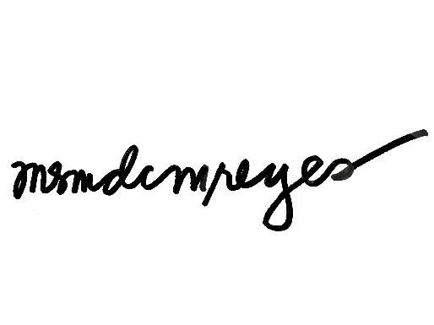
TOTAL BUDGET: |  |  |  | 60,000.00
TOTAL ESTIMATED BUDGET: |  |  |  | 59,872.45

NOTE: Technical Specifications for each Item/Project being proposed shall be submitted as part of the PPMP

Prepared By: |  | Recommending Approval: |  |  |  |  |  | Approved By;

 | MERCEDITA M. REYES |  | RENATO G. REYES |  |  |  |  | EDGAR A. ORDEN
 | End-User |  | VP for Academic Affairs |  |  |  |  | Univerity President

