InfoSys
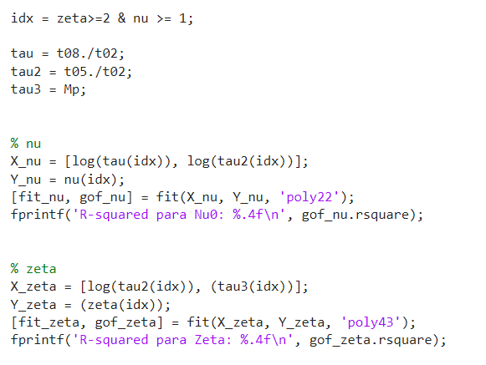

NU ID | avg err | -0.001833317734 | R^2 NU | 0.9903
 | median | 0.0012084669793 | R^2 Zeta | 0.941
ZETA ID | avg err | 0.24335760974
 | median | 0.23249720198
RMS | avg rms | 0.1083142509
 | median | 0.037297255458

