Diário
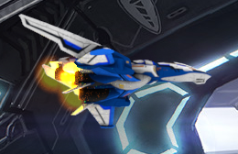
2020-09-12

 | Maya, arnold, volume shader (bosta)

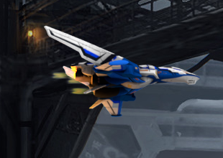
2020-09-15

 | Maya Fluids (aprovado!)

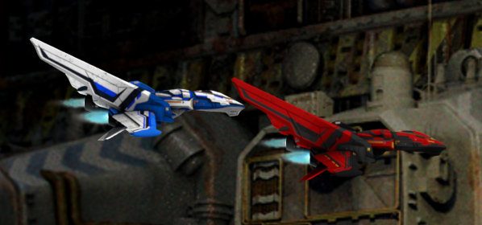
2020-10-14

 | exaustor funcional e animações de repeat

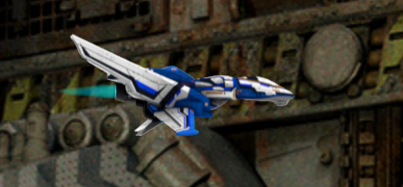
2020-10-17

 | exaustor 2

