BT1
 | terminal | prize | x | y
0 | 1 | 20 | 33.148931335 | 19.634319245
1 | 1 | 2 | 57.368230146 | 71.118752578
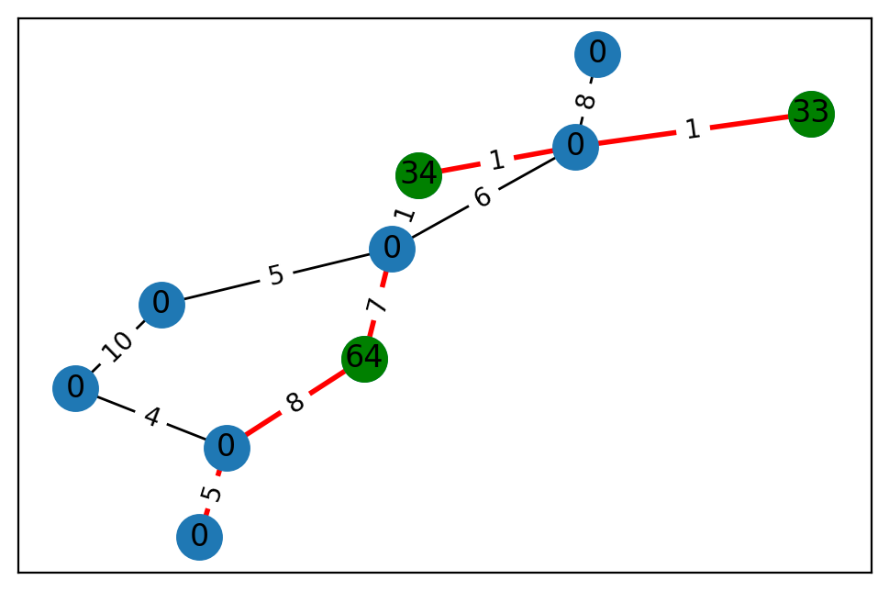
2 | 0 | 0 | 30.157334056 | 13.407599504
3 | 0 | 0 | 81.444752273 | 22.773379222
4 | 0 | 0 | 15.811129484 | 90.241042371
5 | 0 | 0 | 98.457214327 | 68.846941182
6 | 0 | 0 | 28.126943896 | 38.71830771
7 | 0 | 0 | 30.130887516 | 82.115423993
8 | 0 | 0 | 73.519094101 | 98.497467567
9 | 0 | 0 | 17.592002825 | 24.473040808
10 | 0 | 0 | 24.525915583 | 55.728263408
11 | 1 | 27 | 19.624637021 | 44.395882584
12 | 0 | 0 | 38.3856753 | 59.783197237
13 | 1 | 40 | 97.716491461 | 57.436534746
14 | 0 | 0 | 7.3789228301 | 94.669695324
15 | 1 | 24 | 19.449591714 | 89.499469683
16 | 0 | 0 | 96.867226296 | 95.558580116
17 | 0 | 0 | 78.438875028 | 89.195797902
18 | 1 | 66 | 78.415641755 | 72.574498676
19 | 1 | 45 | 45.001402438 | 74.445799966
20 | 1 | 47 | 95.944861448 | 7.6980922153
21 | 0 | 0 | 71.541953563 | 32.01847088
22 | 0 | 0 | 3.8498598334 | 37.00718335
23 | 0 | 0 | 13.336249989 | 88.478492377
24 | 1 | 97 | 48.608506017 | 43.367689959

 | u | v | cost
0 | 0 | 10 | 7
1 | 0 | 16 | 3
2 | 0 | 3 | 10
3 | 1 | 9 | 10
4 | 1 | 14 | 4
5 | 2 | 8 | 3
6 | 2 | 19 | 2
7 | 2 | 7 | 9
8 | 4 | 23 | 3
9 | 4 | 19 | 4
10 | 4 | 6 | 6
11 | 4 | 12 | 3
12 | 4 | 17 | 5
13 | 4 | 5 | 4
14 | 5 | 18 | 9
15 | 5 | 19 | 9
16 | 6 | 17 | 3
17 | 6 | 8 | 6
18 | 6 | 18 | 4
19 | 6 | 9 | 1
20 | 7 | 16 | 2
21 | 7 | 10 | 5
22 | 8 | 17 | 9
23 | 8 | 11 | 8
24 | 8 | 23 | 6
25 | 9 | 20 | 3
26 | 10 | 17 | 9
27 | 10 | 20 | 8
28 | 10 | 11 | 5
29 | 10 | 15 | 10
30 | 11 | 23 | 10
31 | 12 | 22 | 5
32 | 13 | 19 | 6
33 | 13 | 21 | 5
34 | 13 | 18 | 9
35 | 13 | 20 | 9
36 | 14 | 16 | 9
37 | 14 | 20 | 3
38 | 14 | 22 | 10
39 | 14 | 21 | 7
40 | 15 | 17 | 10
41 | 15 | 21 | 4
42 | 15 | 16 | 2
43 | 16 | 20 | 6
44 | 16 | 24 | 1
45 | 17 | 18 | 8
46 | 18 | 23 | 10
47 | 19 | 22 | 1
48 | 19 | 21 | 8
49 | 19 | 20 | 8

BT2
 | terminal | prize | x | y
0 | 0 | 0 | 91.086977163 | 40.513269907
1 | 0 | 0 | 76.157416662 | 7.1877722853
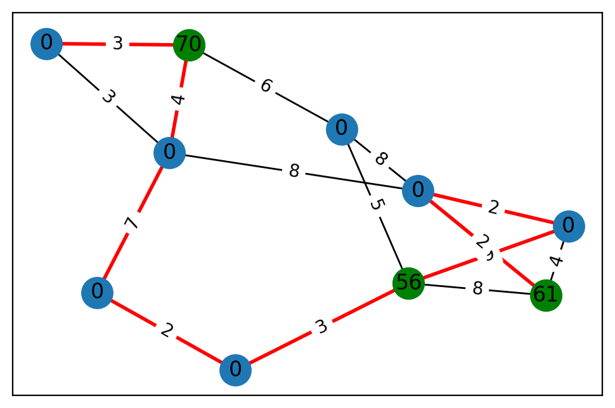
2 | 1 | 33 | 90.48922022 | 36.687030269
3 | 1 | 64 | 76.789312831 | 27.861808918
4 | 0 | 0 | 70.242181009 | 23.341705648
5 | 0 | 0 | 13.625826942 | 47.593632839
6 | 0 | 0 | 56.636036215 | 2.7281344307
7 | 1 | 34 | 21.702329227 | 15.339824757
8 | 0 | 0 | 32.727722142 | 5.5007384301
9 | 0 | 0 | 24.728021782 | 40.345686627

 | u | v | cost
0 | 0 | 6 | 5
1 | 0 | 5 | 10
2 | 1 | 9 | 5
3 | 1 | 3 | 8
4 | 1 | 5 | 4
5 | 2 | 8 | 1
6 | 3 | 6 | 7
7 | 4 | 8 | 8
8 | 6 | 7 | 1
9 | 6 | 8 | 6
10 | 7 | 8 | 1

BT3
 | terminal | prize | x | y
0 | 0 | 0 | 40.303305241 | 16.752729808
1 | 0 | 0 | 9.8454950347 | 91.730859913
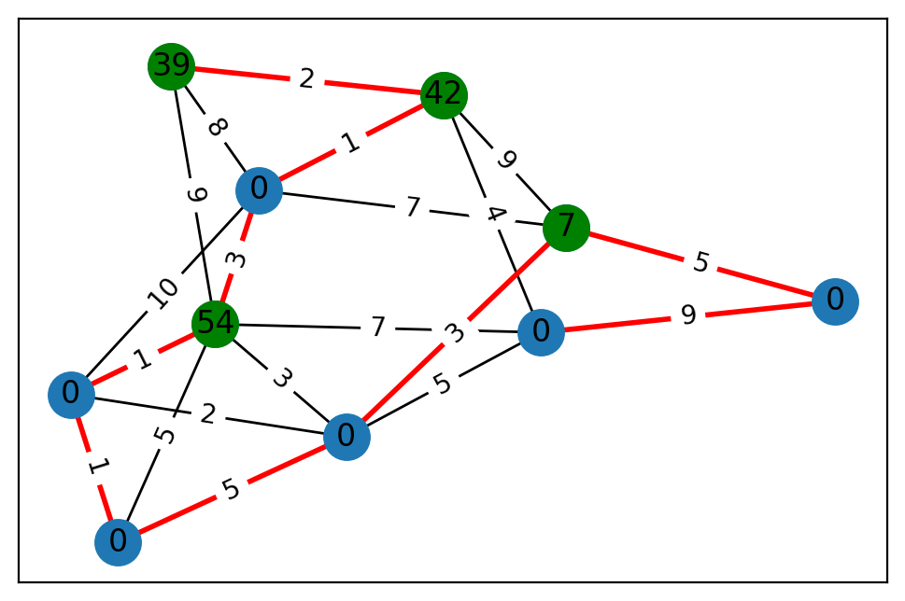
2 | 0 | 0 | 14.72539171 | 2.0543550727
3 | 0 | 0 | 47.976438326 | 59.770146166
4 | 0 | 0 | 95.725947576 | 46.761463012
5 | 0 | 0 | 68.605536727 | 87.219222532
6 | 0 | 0 | 2.6579651152 | 5.3598542132
7 | 1 | 85 | 40.123058761 | 69.692507173
8 | 0 | 0 | 81.695124531 | 99.365317953
9 | 0 | 0 | 1.0296514265 | 36.950949831
10 | 0 | 0 | 35.893633221 | 59.670072802
11 | 0 | 0 | 41.701563212 | 8.7882995935
12 | 0 | 0 | 80.080248933 | 72.173252779
13 | 1 | 23 | 48.521439072 | 57.061831158
14 | 0 | 0 | 32.587160861 | 3.7921535551
15 | 1 | 67 | 81.705769469 | 61.556863867
16 | 1 | 92 | 25.265095592 | 39.514537356
17 | 0 | 0 | 24.155193962 | 76.749317233
18 | 1 | 42 | 28.890276851 | 1.9167580547
19 | 0 | 0 | 43.51599001 | 68.65609588
20 | 1 | 35 | 29.990860727 | 8.5543131982
21 | 0 | 0 | 3.8342549025 | 57.459209379
22 | 1 | 16 | 41.277270464 | 2.9350991733
23 | 0 | 0 | 32.216875282 | 89.865585398
24 | 0 | 0 | 69.180791546 | 56.498079936

 | u | v | cost
0 | 0 | 2 | 6
1 | 0 | 9 | 4
2 | 0 | 14 | 5
3 | 1 | 8 | 9
4 | 1 | 3 | 7
5 | 1 | 10 | 6
6 | 1 | 12 | 4
7 | 1 | 14 | 6
8 | 2 | 16 | 3
9 | 2 | 14 | 10
10 | 3 | 16 | 5
11 | 3 | 20 | 5
12 | 4 | 14 | 9
13 | 4 | 11 | 1
14 | 5 | 24 | 1
15 | 5 | 22 | 7
16 | 5 | 18 | 7
17 | 6 | 11 | 10
18 | 6 | 8 | 5
19 | 6 | 21 | 4
20 | 6 | 16 | 5
21 | 7 | 24 | 3
22 | 7 | 9 | 7
23 | 8 | 15 | 7
24 | 8 | 12 | 10
25 | 10 | 13 | 9
26 | 10 | 19 | 9
27 | 11 | 20 | 1
28 | 11 | 15 | 4
29 | 11 | 14 | 4
30 | 11 | 24 | 7
31 | 11 | 12 | 7
32 | 13 | 21 | 6
33 | 14 | 18 | 1
34 | 15 | 19 | 10
35 | 17 | 21 | 10
36 | 17 | 23 | 1
37 | 18 | 21 | 10
38 | 20 | 24 | 6
39 | 21 | 22 | 9

BT4
 | terminal | prize | x | y
0 | 0 | 0 | 85.681726345 | 83.630790186
1 | 0 | 0 | 27.906200154 | 75.652327835
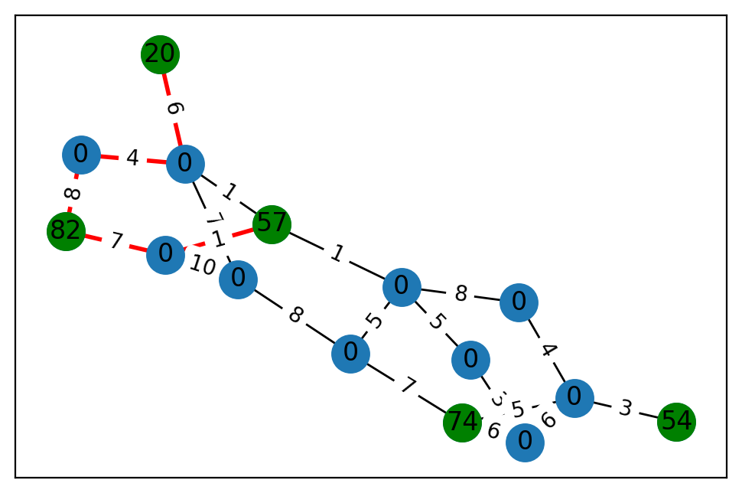
2 | 0 | 0 | 77.644044042 | 87.769068396
3 | 1 | 57 | 28.714735567 | 94.570191456
4 | 0 | 0 | 36.43327012 | 2.3207509197
5 | 1 | 20 | 88.470494979 | 86.299531828
6 | 0 | 0 | 41.011529819 | 81.801365741
7 | 0 | 0 | 51.755681157 | 64.779329647
8 | 0 | 0 | 43.063871063 | 86.413969429
9 | 1 | 54 | 75.627609234 | 51.787878427
10 | 0 | 0 | 49.779487883 | 81.554897215
11 | 1 | 82 | 82.106165599 | 76.682783522
12 | 0 | 0 | 37.906373701 | 93.106521159
13 | 1 | 74 | 20.329739466 | 27.47074715
14 | 0 | 0 | 5.958353384 | 9.9518110595

 | u | v | cost
0 | 0 | 4 | 5
1 | 0 | 2 | 8
2 | 0 | 13 | 7
3 | 1 | 7 | 3
4 | 1 | 13 | 6
5 | 1 | 8 | 6
6 | 2 | 6 | 7
7 | 2 | 12 | 10
8 | 3 | 6 | 1
9 | 3 | 4 | 1
10 | 3 | 12 | 1
11 | 4 | 14 | 8
12 | 4 | 7 | 5
13 | 5 | 6 | 6
14 | 6 | 10 | 4
15 | 8 | 13 | 5
16 | 8 | 14 | 4
17 | 8 | 9 | 3
18 | 10 | 11 | 8
19 | 11 | 12 | 7

BT5
 | terminal | prize | x | y
0 | 1 | 32 | 53.467943376 | 15.177544886
1 | 0 | 0 | 84.544168428 | 79.488538345
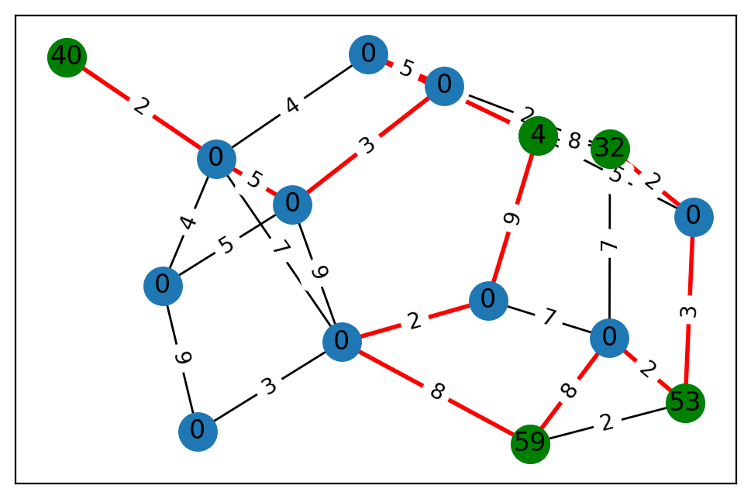
2 | 0 | 0 | 50.729836692 | 76.145191629
3 | 0 | 0 | 31.686486992 | 80.374756061
4 | 1 | 4 | 22.190651799 | 15.110815212
5 | 0 | 0 | 59.615196693 | 62.783116887
6 | 1 | 40 | 40.598866515 | 30.425067816
7 | 0 | 0 | 25.519202154 | 24.9113786
8 | 1 | 53 | 46.227730432 | 59.471245934
9 | 0 | 0 | 21.862099188 | 64.177251293
10 | 0 | 0 | 93.780460424 | 5.8278918439
11 | 0 | 0 | 26.931077344 | 59.253295926
12 | 1 | 59 | 68.449621418 | 39.721842085
13 | 0 | 0 | 18.872499588 | 57.149556005
14 | 0 | 0 | 3.9076262232 | 61.187725254

 | u | v | cost
0 | 0 | 10 | 2
1 | 0 | 14 | 7
2 | 0 | 9 | 2
3 | 0 | 4 | 8
4 | 1 | 13 | 3
5 | 1 | 3 | 9
6 | 2 | 9 | 3
7 | 2 | 3 | 5
8 | 2 | 13 | 9
9 | 2 | 7 | 5
10 | 3 | 7 | 4
11 | 4 | 11 | 7
12 | 4 | 10 | 5
13 | 4 | 5 | 9
14 | 5 | 14 | 7
15 | 5 | 13 | 2
16 | 6 | 7 | 2
17 | 7 | 13 | 7
18 | 7 | 11 | 4
19 | 8 | 14 | 2
20 | 8 | 12 | 2
21 | 8 | 10 | 3
22 | 9 | 11 | 5
23 | 12 | 13 | 8
24 | 12 | 14 | 8

BT6
 | terminal | prize | x | y
0 | 0 | 0 | 44.959260631 | 85.890674287
1 | 0 | 0 | 40.692715255 | 45.300995709
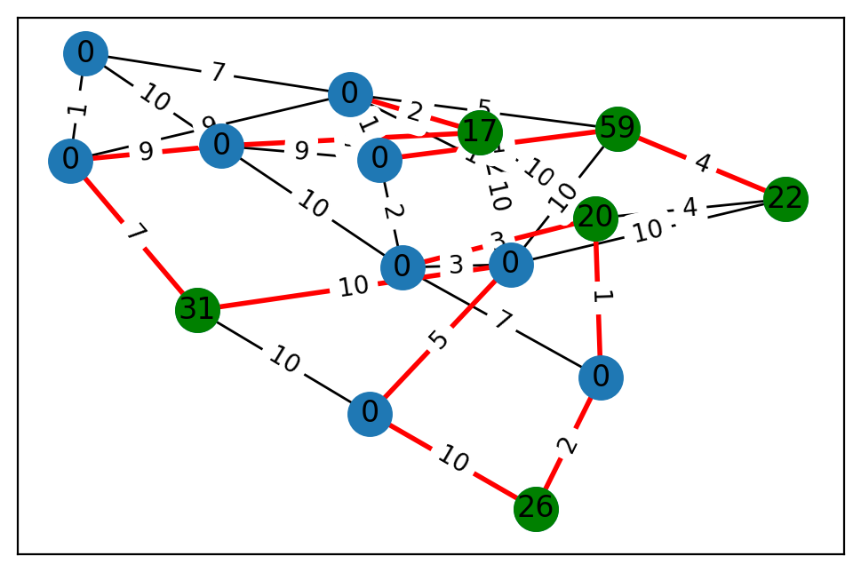
2 | 0 | 0 | 56.048521553 | 30.652058477
3 | 0 | 0 | 51.048906306 | 55.803526032
4 | 0 | 0 | 93.953666122 | 6.1019044755
5 | 1 | 56 | 18.594566744 | 72.074034145
6 | 0 | 0 | 64.767920168 | 74.056733387
7 | 1 | 70 | 67.889628076 | 0.011568934271
8 | 0 | 0 | 37.162372707 | 31.044978955
9 | 1 | 61 | 27.853505924 | 74.678761759

 | u | v | cost
0 | 0 | 7 | 6
1 | 0 | 4 | 8
2 | 0 | 5 | 5
3 | 1 | 8 | 2
4 | 1 | 5 | 3
5 | 2 | 6 | 3
6 | 2 | 7 | 3
7 | 3 | 9 | 4
8 | 3 | 5 | 9
9 | 3 | 4 | 2
10 | 4 | 6 | 8
11 | 4 | 9 | 2
12 | 5 | 9 | 8
13 | 6 | 7 | 4
14 | 6 | 8 | 7

BT7
 | terminal | prize | x | y
0 | 0 | 0 | 78.065135016 | 49.43622066
1 | 1 | 89 | 93.128364719 | 77.172504274
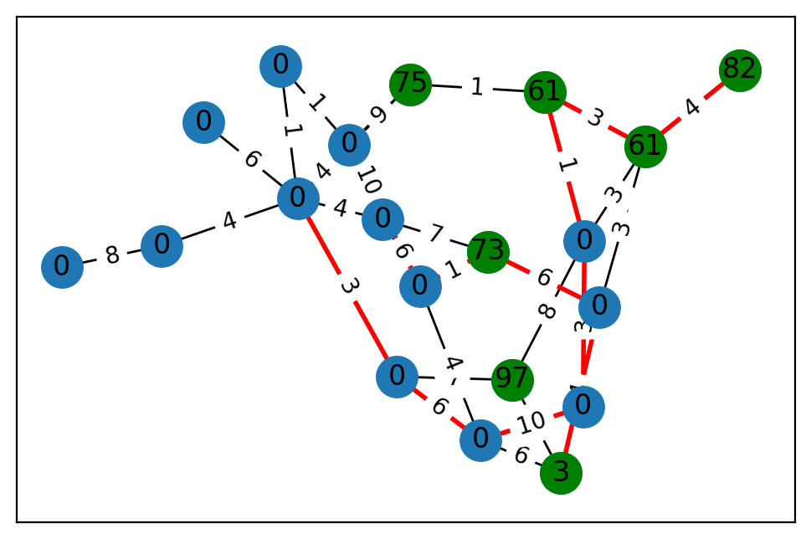
2 | 0 | 0 | 99.961631404 | 96.111580812
3 | 0 | 0 | 71.954685094 | 83.071131112
4 | 0 | 0 | 95.217029165 | 9.1042518022
5 | 1 | 62 | 99.082502854 | 37.489245999
6 | 0 | 0 | 38.756689495 | 92.006703812
7 | 0 | 0 | 71.695233169 | 92.100499824
8 | 1 | 50 | 28.654990987 | 6.8160461122
9 | 0 | 0 | 37.513242562 | 37.153308495
10 | 1 | 77 | 86.554779033 | 11.237172562
11 | 1 | 49 | 97.81005008 | 82.161234365
12 | 0 | 0 | 55.589842245 | 56.7370546
13 | 0 | 0 | 1.5305897568 | 11.527577108
14 | 1 | 42 | 96.147909956 | 36.437922338
15 | 0 | 0 | 99.418968849 | 57.857961774
16 | 0 | 0 | 26.647724145 | 32.677644218
17 | 0 | 0 | 93.533978418 | 57.942550678
18 | 0 | 0 | 78.823455017 | 55.575240773
19 | 0 | 0 | 3.0207079661 | 94.373435119
20 | 0 | 0 | 13.562930142 | 82.384167068
21 | 0 | 0 | 45.584200493 | 80.419462402
22 | 0 | 0 | 4.9176271645 | 12.709844791
23 | 0 | 0 | 58.667527703 | 92.245607651
24 | 1 | 50 | 61.188771866 | 96.663003854

 | u | v | cost
0 | 0 | 16 | 1
1 | 0 | 21 | 2
2 | 0 | 23 | 2
3 | 1 | 5 | 2
4 | 1 | 2 | 9
5 | 1 | 22 | 1
6 | 1 | 20 | 3
7 | 1 | 16 | 4
8 | 2 | 4 | 5
9 | 2 | 15 | 5
10 | 2 | 12 | 7
11 | 2 | 5 | 5
12 | 3 | 6 | 5
13 | 3 | 12 | 5
14 | 3 | 23 | 10
15 | 4 | 13 | 10
16 | 4 | 14 | 10
17 | 4 | 11 | 3
18 | 4 | 8 | 8
19 | 5 | 24 | 2
20 | 5 | 11 | 7
21 | 5 | 21 | 4
22 | 6 | 13 | 2
23 | 7 | 23 | 8
24 | 8 | 16 | 8
25 | 8 | 18 | 1
26 | 8 | 17 | 7
27 | 9 | 17 | 2
28 | 9 | 13 | 9
29 | 9 | 19 | 10
30 | 9 | 10 | 4
31 | 9 | 24 | 10
32 | 10 | 23 | 7
33 | 11 | 12 | 10
34 | 12 | 17 | 4
35 | 13 | 22 | 9
36 | 13 | 16 | 5
37 | 15 | 22 | 5
38 | 15 | 23 | 8
39 | 15 | 20 | 7
40 | 16 | 20 | 10
41 | 16 | 18 | 4
42 | 17 | 23 | 4
43 | 17 | 22 | 1
44 | 18 | 22 | 8

BT8
 | terminal | prize | x | y
0 | 0 | 0 | 64.432953635 | 62.836883546
1 | 1 | 20 | 67.19986984 | 9.8720954204
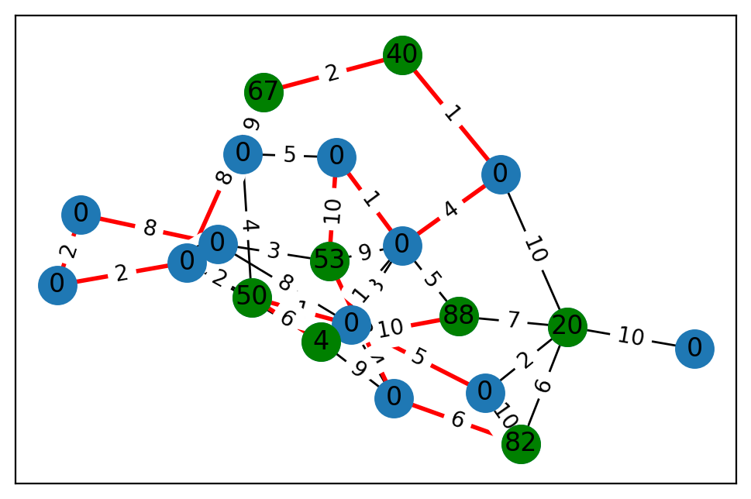
2 | 1 | 22 | 96.323064884 | 80.062983768
3 | 1 | 59 | 56.276378289 | 73.448532556
4 | 0 | 0 | 30.048334602 | 49.390460039
5 | 0 | 0 | 97.060642272 | 24.805370504
6 | 1 | 31 | 71.688575161 | 33.385569375
7 | 0 | 0 | 3.2962607501 | 53.800942823
8 | 0 | 0 | 77.355651358 | 68.028817918
9 | 0 | 0 | 73.860561652 | 73.109056458
10 | 1 | 26 | 51.982008579 | 14.684830902
11 | 0 | 0 | 77.334816409 | 60.188682588
12 | 0 | 0 | 20.233278897 | 47.061480606
13 | 0 | 0 | 87.748852061 | 28.482762478
14 | 1 | 17 | 95.1825627 | 27.919761544

 | u | v | cost
0 | 0 | 4 | 10
1 | 0 | 11 | 1
2 | 0 | 12 | 7
3 | 1 | 5 | 3
4 | 1 | 2 | 4
5 | 1 | 8 | 1
6 | 1 | 12 | 1
7 | 1 | 14 | 10
8 | 2 | 3 | 4
9 | 2 | 9 | 10
10 | 3 | 13 | 1
11 | 3 | 9 | 10
12 | 3 | 12 | 5
13 | 4 | 5 | 10
14 | 4 | 14 | 3
15 | 4 | 13 | 9
16 | 4 | 11 | 9
17 | 5 | 8 | 7
18 | 5 | 13 | 2
19 | 5 | 9 | 3
20 | 6 | 7 | 10
21 | 6 | 9 | 10
22 | 6 | 11 | 7
23 | 7 | 9 | 5
24 | 7 | 10 | 10
25 | 8 | 10 | 2
26 | 9 | 14 | 10
27 | 11 | 12 | 9
28 | 12 | 13 | 1
29 | 12 | 14 | 2

BT9
 | terminal | prize | x | y
0 | 1 | 88 | 45.852001858 | 96.770138071
1 | 0 | 0 | 15.057074047 | 43.75855207
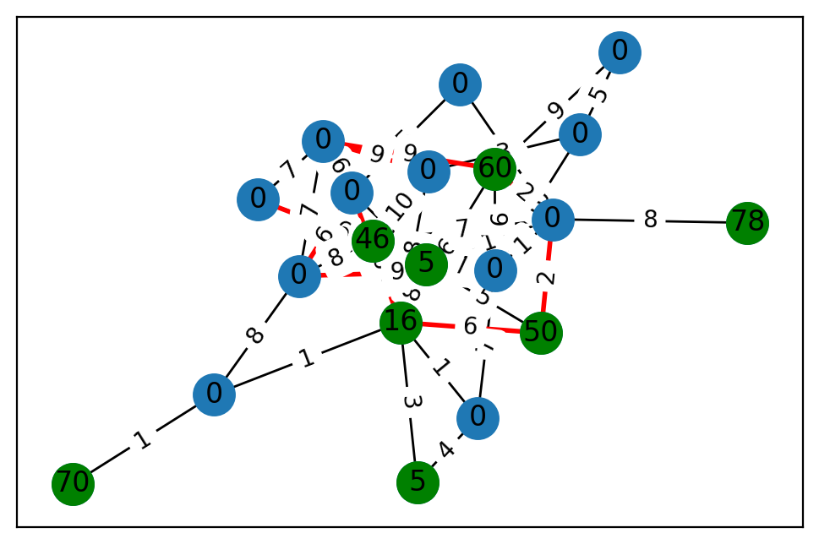
2 | 0 | 0 | 19.194224889 | 58.104700086
3 | 1 | 20 | 11.109868146 | 60.27235348
4 | 0 | 0 | 50.261113103 | 94.921403376
5 | 0 | 0 | 84.727935483 | 20.296012208
6 | 0 | 0 | 85.306663908 | 10.561670667
7 | 0 | 0 | 32.885373507 | 67.091748407
8 | 1 | 53 | 75.547264593 | 63.507958281
9 | 1 | 67 | 32.540523802 | 43.333096943
10 | 0 | 0 | 6.3593392965 | 52.962366428
11 | 0 | 0 | 96.625077812 | 32.380081336
12 | 0 | 0 | 76.9395066 | 35.917704858
13 | 0 | 0 | 72.61832281 | 50.733984471
14 | 1 | 40 | 95.061767315 | 19.285666457
15 | 1 | 82 | 14.292243522 | 53.129412408
16 | 1 | 4 | 73.80043899 | 73.023375506
17 | 1 | 50 | 3.4280014492 | 56.209100113
18 | 0 | 0 | 52.389675693 | 63.983359774
19 | 0 | 0 | 77.734812152 | 14.564074388

 | u | v | cost
0 | 0 | 10 | 5
1 | 0 | 3 | 7
2 | 0 | 16 | 10
3 | 1 | 11 | 2
4 | 1 | 8 | 3
5 | 1 | 12 | 8
6 | 1 | 13 | 8
7 | 2 | 3 | 10
8 | 2 | 14 | 1
9 | 2 | 10 | 4
10 | 3 | 18 | 2
11 | 3 | 15 | 6
12 | 3 | 5 | 10
13 | 4 | 15 | 6
14 | 4 | 13 | 4
15 | 4 | 8 | 8
16 | 4 | 16 | 9
17 | 6 | 17 | 4
18 | 6 | 19 | 5
19 | 6 | 9 | 9
20 | 7 | 11 | 2
21 | 7 | 12 | 2
22 | 8 | 19 | 10
23 | 8 | 10 | 9
24 | 9 | 11 | 8
25 | 9 | 14 | 2
26 | 10 | 13 | 3
27 | 10 | 19 | 1
28 | 10 | 16 | 1
29 | 11 | 17 | 2
30 | 11 | 16 | 2
31 | 13 | 17 | 1
32 | 13 | 18 | 5
33 | 15 | 18 | 10
34 | 16 | 17 | 6

BT10
 | terminal | prize | x | y
0 | 1 | 82 | 0.15092148201 | 59.60702047
1 | 0 | 0 | 19.117991109 | 11.86093239
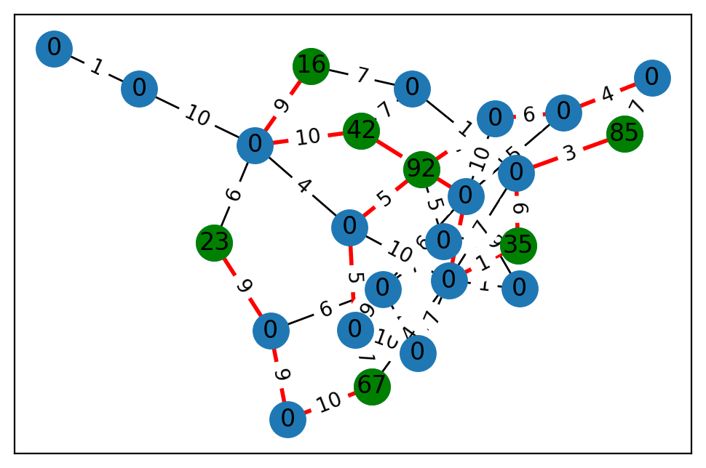
2 | 1 | 97 | 35.027880416 | 27.248532212
3 | 0 | 0 | 34.551221431 | 30.973451112
4 | 0 | 0 | 99.353989126 | 19.656929904
5 | 1 | 75 | 92.137260022 | 88.798000595
6 | 0 | 0 | 34.547468594 | 95.657761761
7 | 1 | 3 | 50.755795649 | 37.572687894
8 | 1 | 61 | 64.424743121 | 83.230394378
9 | 0 | 0 | 95.023605884 | 22.47430081
10 | 0 | 0 | 14.174815226 | 81.740795105
11 | 0 | 0 | 83.771269127 | 18.370198056
12 | 0 | 0 | 9.3176693353 | 27.632938122
13 | 0 | 0 | 73.009568686 | 1.6776363767
14 | 0 | 0 | 3.0715905919 | 97.23472711
15 | 1 | 61 | 95.989710368 | 45.731444329
16 | 0 | 0 | 41.070918681 | 97.396145558
17 | 0 | 0 | 19.676679217 | 85.95279671
18 | 0 | 0 | 51.02347251 | 0.11197856387
19 | 1 | 73 | 1.7492920595 | 28.605054726

 | u | v | cost
0 | 0 | 8 | 4
1 | 1 | 14 | 10
2 | 1 | 6 | 6
3 | 1 | 19 | 7
4 | 1 | 11 | 4
5 | 2 | 17 | 7
6 | 2 | 10 | 8
7 | 2 | 7 | 3
8 | 3 | 11 | 1
9 | 3 | 14 | 1
10 | 4 | 17 | 6
11 | 4 | 7 | 6
12 | 4 | 13 | 10
13 | 4 | 6 | 4
14 | 5 | 14 | 9
15 | 5 | 15 | 1
16 | 5 | 11 | 5
17 | 6 | 19 | 1
18 | 6 | 14 | 3
19 | 7 | 9 | 4
20 | 8 | 10 | 3
21 | 8 | 9 | 3
22 | 8 | 15 | 3
23 | 9 | 19 | 6
24 | 10 | 15 | 1
25 | 10 | 13 | 3
26 | 11 | 16 | 6
27 | 11 | 17 | 3
28 | 11 | 18 | 4
29 | 11 | 14 | 4
30 | 12 | 18 | 8

BT11
 | terminal | prize | x | y
0 | 0 | 0 | 75.105829948 | 82.476604151
1 | 0 | 0 | 9.8796580746 | 41.835500551
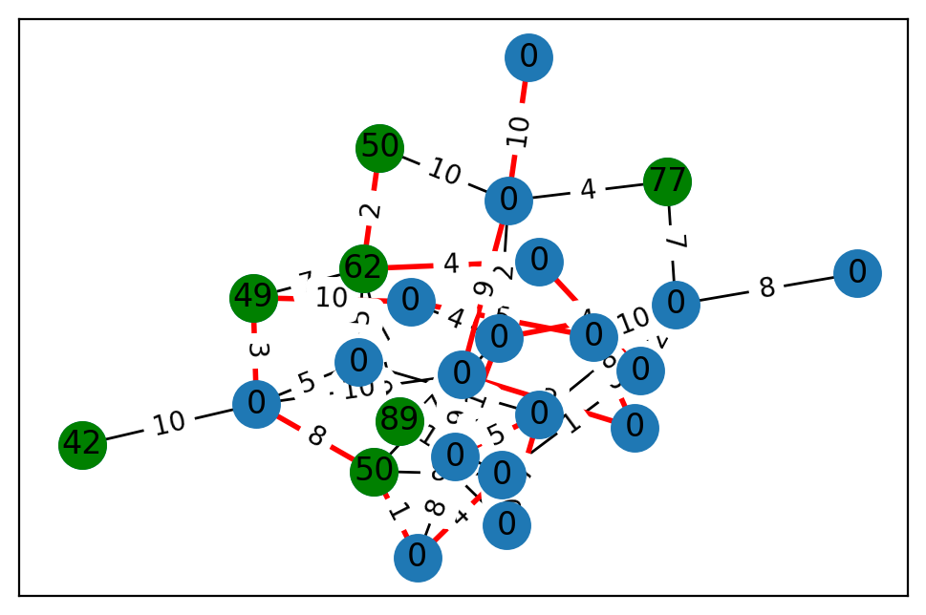
2 | 1 | 39 | 10.141593001 | 93.28819526
3 | 0 | 0 | 44.94492581 | 45.630834801
4 | 0 | 0 | 84.455199381 | 51.190910468
5 | 0 | 0 | 41.915880256 | 22.88302362
6 | 1 | 7 | 19.647423232 | 70.062263911
7 | 1 | 42 | 49.941658712 | 9.8496209675
8 | 0 | 0 | 93.572008836 | 13.403496436
9 | 1 | 54 | 67.860644182 | 52.92004411

 | u | v | cost
0 | 0 | 9 | 3
1 | 0 | 7 | 1
2 | 0 | 5 | 10
3 | 0 | 6 | 7
4 | 0 | 2 | 8
5 | 1 | 4 | 5
6 | 1 | 7 | 4
7 | 1 | 3 | 9
8 | 1 | 9 | 7
9 | 2 | 7 | 2
10 | 2 | 9 | 9
11 | 3 | 6 | 5
12 | 4 | 5 | 2
13 | 4 | 8 | 5
14 | 4 | 9 | 3
15 | 4 | 6 | 3
16 | 5 | 8 | 1
17 | 5 | 9 | 1
18 | 6 | 7 | 9
19 | 8 | 9 | 5

BT12
 | terminal | prize | x | y
0 | 0 | 0 | 79.377522134 | 65.219934416
1 | 0 | 0 | 55.747564745 | 9.4758481808
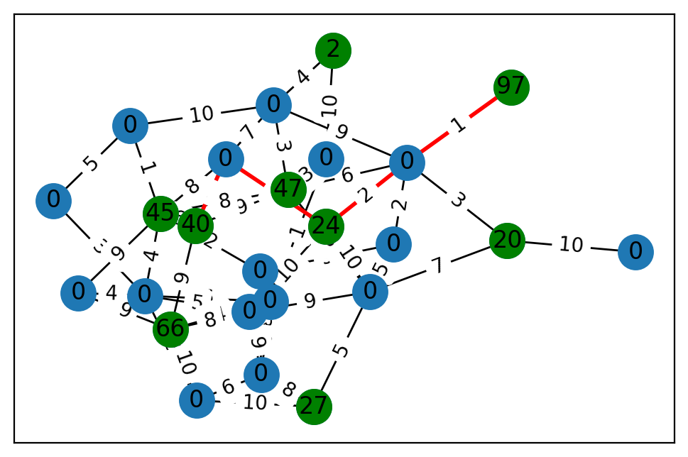
2 | 0 | 0 | 46.262652104 | 81.403455242
3 | 0 | 0 | 31.388773625 | 38.501615015
4 | 1 | 5 | 0.14749793961 | 31.160858825
5 | 1 | 5 | 74.978509797 | 18.808653767
6 | 0 | 0 | 93.364699989 | 49.250635719
7 | 1 | 16 | 31.564810673 | 37.15726999
8 | 0 | 0 | 86.409981103 | 79.401027628
9 | 1 | 70 | 44.714393478 | 66.990910562
10 | 1 | 78 | 37.13759711 | 83.952632864
11 | 0 | 0 | 19.935315155 | 70.122340146
12 | 1 | 50 | 1.142129707 | 89.829134679
13 | 0 | 0 | 17.670399101 | 1.912598004
14 | 0 | 0 | 63.282405926 | 40.632469255
15 | 0 | 0 | 14.284556328 | 7.9028932146
16 | 0 | 0 | 1.9962596984 | 68.615751563
17 | 0 | 0 | 94.745929718 | 98.137297249
18 | 1 | 46 | 57.786911373 | 59.504537011
19 | 1 | 60 | 90.615751336 | 46.985595853

 | u | v | cost
0 | 0 | 16 | 5
1 | 0 | 14 | 3
2 | 1 | 13 | 8
3 | 1 | 7 | 1
4 | 1 | 9 | 1
5 | 2 | 18 | 6
6 | 2 | 15 | 7
7 | 2 | 5 | 6
8 | 3 | 7 | 1
9 | 3 | 11 | 7
10 | 3 | 4 | 4
11 | 4 | 7 | 3
12 | 5 | 16 | 8
13 | 5 | 14 | 1
14 | 5 | 12 | 5
15 | 5 | 7 | 8
16 | 5 | 11 | 7
17 | 6 | 11 | 10
18 | 6 | 17 | 3
19 | 6 | 8 | 5
20 | 7 | 19 | 6
21 | 7 | 18 | 7
22 | 7 | 16 | 10
23 | 7 | 12 | 6
24 | 7 | 17 | 8
25 | 8 | 19 | 9
26 | 10 | 14 | 8
27 | 11 | 14 | 1
28 | 11 | 13 | 9
29 | 11 | 19 | 9
30 | 12 | 14 | 2
31 | 13 | 16 | 6
32 | 13 | 15 | 7
33 | 13 | 18 | 8
34 | 14 | 19 | 2
35 | 14 | 18 | 7
36 | 15 | 19 | 9
37 | 15 | 17 | 9
38 | 15 | 16 | 6
39 | 17 | 18 | 10

