ALNS1
 | terminal | prize | x | y
0 | 0 | 0 | 28.402133282 | 52.075605219
1 | 0 | 0 | 53.141167611 | 99.360635602
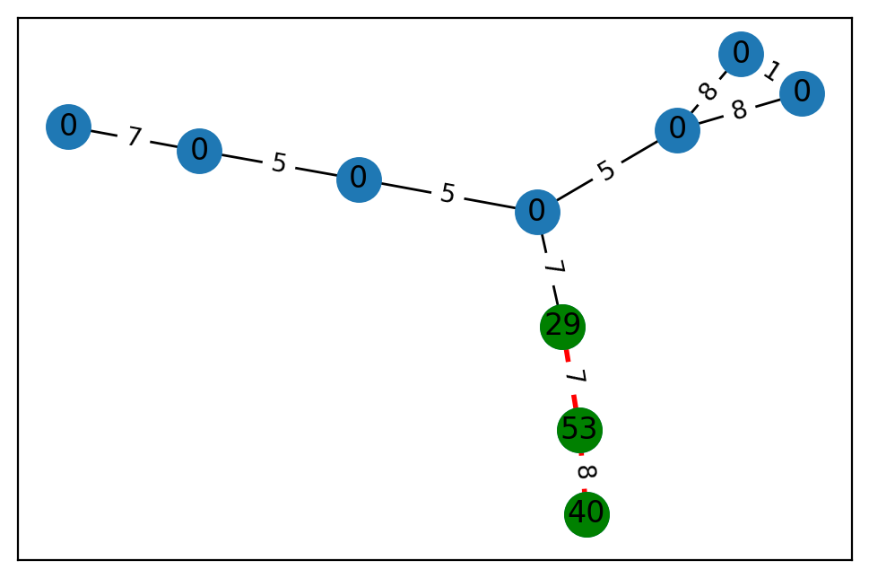
2 | 0 | 0 | 13.920053822 | 16.133458116
3 | 0 | 0 | 54.406495312 | 9.4995883852
4 | 0 | 0 | 2.7423756021 | 25.429130046
5 | 1 | 53 | 97.247507147 | 56.150402597
6 | 0 | 0 | 63.687708036 | 92.747042012
7 | 0 | 0 | 26.600723193 | 76.062379191
8 | 1 | 40 | 62.695605466 | 6.6198868598
9 | 1 | 29 | 95.968309394 | 4.2905021463

 | u | v | cost
0 | 0 | 2 | 5
1 | 0 | 6 | 8
2 | 0 | 4 | 8
3 | 1 | 7 | 5
4 | 1 | 2 | 5
5 | 2 | 9 | 7
6 | 3 | 7 | 7
7 | 4 | 6 | 1
8 | 5 | 8 | 8
9 | 5 | 9 | 7

ALNS2
 | terminal | prize | x | y
0 | 0 | 0 | 23.799337988 | 58.102385658
1 | 0 | 0 | 21.579614647 | 29.566405129
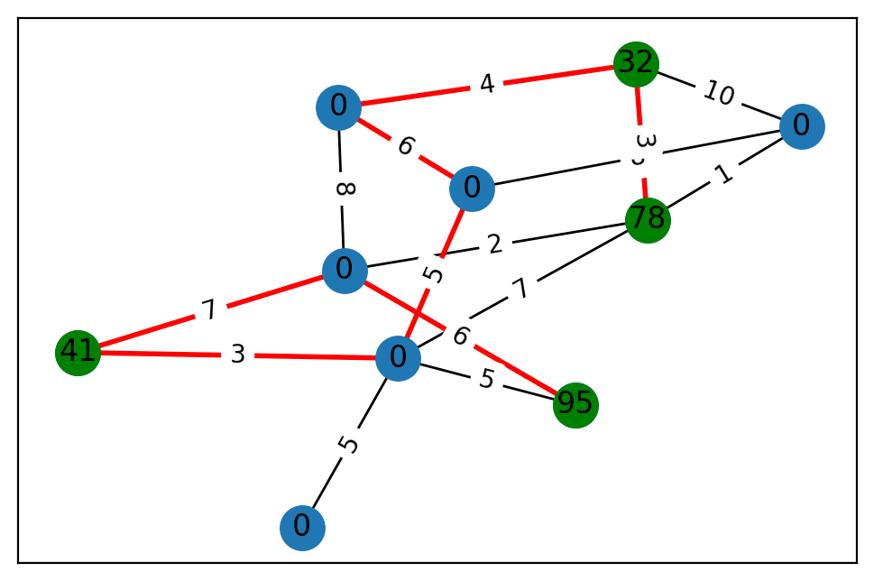
2 | 1 | 95 | 82.607693453 | 78.539914925
3 | 1 | 41 | 89.399901933 | 45.177295252
4 | 1 | 32 | 68.750689733 | 87.844264832
5 | 0 | 0 | 6.7209319117 | 69.593681282
6 | 1 | 78 | 23.968600342 | 45.275937692
7 | 0 | 0 | 24.935269821 | 95.342755615
8 | 0 | 0 | 71.276174786 | 92.729866613
9 | 0 | 0 | 77.521681513 | 83.770717251

 | u | v | cost
0 | 0 | 6 | 2
1 | 0 | 3 | 7
2 | 0 | 2 | 6
3 | 0 | 9 | 8
4 | 1 | 8 | 8
5 | 1 | 4 | 10
6 | 1 | 6 | 1
7 | 2 | 7 | 5
8 | 3 | 7 | 3
9 | 4 | 9 | 4
10 | 4 | 6 | 3
11 | 5 | 7 | 5
12 | 6 | 7 | 7
13 | 7 | 8 | 5
14 | 8 | 9 | 6

ALNS3
 | terminal | prize | x | y
0 | 1 | 38 | 44.335574771 | 36.683284166
1 | 0 | 0 | 24.653941856 | 4.1560133047
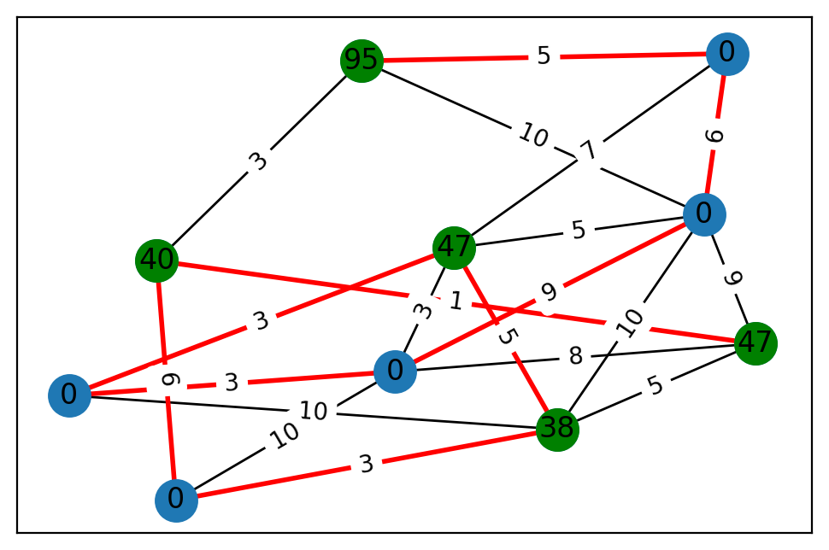
2 | 1 | 95 | 86.642280004 | 43.574670934
3 | 1 | 47 | 69.41308453 | 0.43706718014
4 | 1 | 47 | 4.2725515496 | 84.448303819
5 | 1 | 40 | 2.3421036236 | 69.022249603
6 | 0 | 0 | 16.577460911 | 5.7747251288
7 | 0 | 0 | 80.358062202 | 94.965557295
8 | 0 | 0 | 0.084726584926 | 21.015850624
9 | 0 | 0 | 6.5411571185 | 91.108730154

 | u | v | cost
0 | 0 | 9 | 3
1 | 0 | 4 | 5
2 | 0 | 3 | 5
3 | 0 | 7 | 10
4 | 0 | 8 | 10
5 | 1 | 3 | 3
6 | 1 | 4 | 8
7 | 1 | 9 | 10
8 | 1 | 8 | 3
9 | 1 | 7 | 9
10 | 2 | 6 | 5
11 | 2 | 7 | 10
12 | 2 | 5 | 3
13 | 3 | 6 | 7
14 | 3 | 8 | 3
15 | 3 | 7 | 5
16 | 4 | 7 | 9
17 | 4 | 5 | 1
18 | 5 | 9 | 6
19 | 6 | 7 | 6

ALNS4
 | terminal | prize | x | y
0 | 1 | 68 | 34.066117484 | 84.563036969
1 | 0 | 0 | 3.9634823034 | 45.518381379
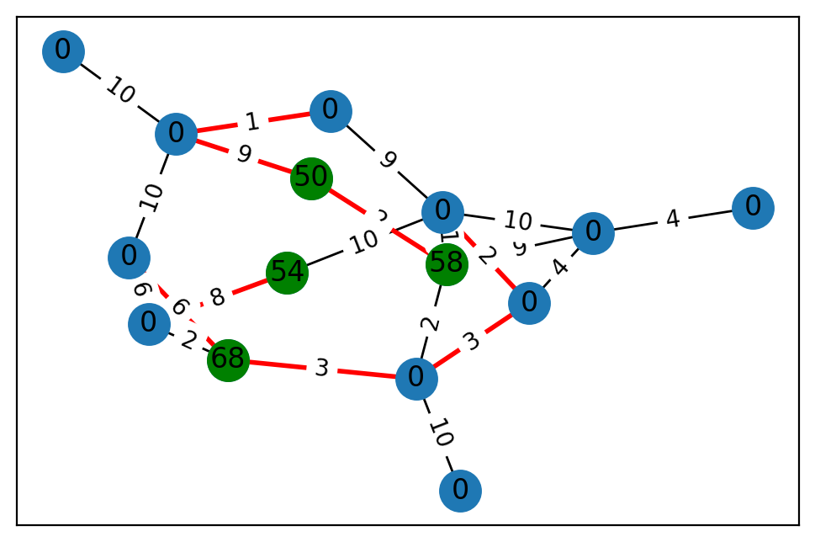
2 | 0 | 0 | 21.542139329 | 10.512764996
3 | 0 | 0 | 47.281349078 | 29.113176947
4 | 1 | 58 | 20.91110443 | 85.50818587
5 | 0 | 0 | 9.7587694948 | 55.836483261
6 | 0 | 0 | 99.364717385 | 99.194489014
7 | 1 | 54 | 88.470266689 | 66.861218191
8 | 0 | 0 | 82.758870811 | 64.570028834
9 | 0 | 0 | 99.114096219 | 99.106981149
10 | 0 | 0 | 54.745748331 | 52.224250352
11 | 0 | 0 | 8.2506455154 | 73.268190319
12 | 1 | 50 | 32.36048638 | 98.381192714
13 | 0 | 0 | 30.757467997 | 27.712680785
14 | 0 | 0 | 50.440535282 | 0.79133691622

 | u | v | cost
0 | 0 | 11 | 2
1 | 0 | 8 | 6
2 | 0 | 5 | 3
3 | 1 | 8 | 10
4 | 1 | 10 | 1
5 | 1 | 12 | 9
6 | 1 | 2 | 10
7 | 3 | 4 | 9
8 | 3 | 9 | 4
9 | 3 | 13 | 10
10 | 3 | 6 | 4
11 | 4 | 5 | 2
12 | 4 | 13 | 1
13 | 4 | 12 | 2
14 | 5 | 9 | 3
15 | 5 | 14 | 10
16 | 7 | 11 | 8
17 | 7 | 13 | 10
18 | 8 | 11 | 6
19 | 9 | 13 | 2
20 | 10 | 13 | 9

ALNS5
 | terminal | prize | x | y
0 | 0 | 0 | 8.0441478387 | 29.491448325
1 | 0 | 0 | 75.048041577 | 39.887094916
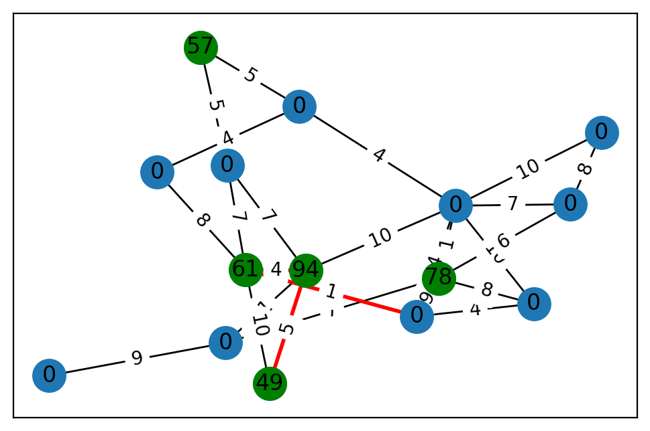
2 | 0 | 0 | 23.827429355 | 55.246502911
3 | 1 | 78 | 0.27399724443 | 88.320274663
4 | 1 | 57 | 51.821201171 | 79.44799151
5 | 0 | 0 | 87.774494166 | 0.95493144515
6 | 1 | 49 | 54.414457562 | 72.152385101
7 | 0 | 0 | 85.245880721 | 61.312927913
8 | 0 | 0 | 43.405335816 | 78.062160091
9 | 0 | 0 | 77.24368475 | 1.6283476298
10 | 1 | 94 | 95.409644445 | 83.540829064
11 | 0 | 0 | 2.4666566206 | 6.9663428656
12 | 0 | 0 | 29.146067247 | 39.203101241
13 | 1 | 61 | 4.8160481629 | 94.272462177
14 | 0 | 0 | 69.859778138 | 73.802305696

 | u | v | cost
0 | 0 | 5 | 10
1 | 0 | 14 | 4
2 | 0 | 3 | 8
3 | 1 | 13 | 8
4 | 1 | 11 | 4
5 | 2 | 9 | 9
6 | 2 | 10 | 1
7 | 2 | 3 | 7
8 | 3 | 5 | 1
9 | 3 | 8 | 6
10 | 3 | 14 | 9
11 | 4 | 7 | 5
12 | 4 | 11 | 5
13 | 5 | 8 | 7
14 | 5 | 11 | 4
15 | 5 | 12 | 10
16 | 5 | 10 | 10
17 | 5 | 14 | 4
18 | 6 | 10 | 5
19 | 6 | 13 | 10
20 | 7 | 13 | 7
21 | 7 | 10 | 7
22 | 8 | 12 | 8
23 | 10 | 13 | 4
24 | 13 | 14 | 1

ALNS6
 | terminal | prize | x | y
0 | 0 | 0 | 25.179388006 | 62.771875378
1 | 0 | 0 | 83.308122219 | 46.312868759
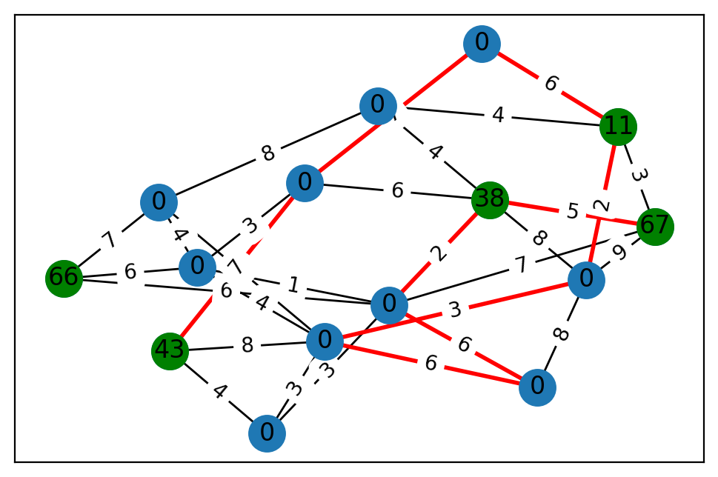
2 | 1 | 66 | 47.432981071 | 50.012530321
3 | 1 | 67 | 53.22244434 | 78.60913954
4 | 0 | 0 | 96.62356624 | 37.259373274
5 | 0 | 0 | 26.684669844 | 20.852431165
6 | 1 | 38 | 96.032028633 | 48.358792443
7 | 0 | 0 | 97.045294006 | 47.879402178
8 | 0 | 0 | 50.189865817 | 92.952501989
9 | 1 | 43 | 15.752734347 | 49.529788108
10 | 1 | 11 | 85.45237788 | 1.4334677706
11 | 0 | 0 | 40.799743962 | 11.211039932
12 | 0 | 0 | 11.810409988 | 86.632817696
13 | 0 | 0 | 46.541669059 | 46.574788114
14 | 0 | 0 | 79.127058427 | 95.934904726

 | u | v | cost
0 | 0 | 7 | 8
1 | 0 | 10 | 4
2 | 0 | 6 | 4
3 | 1 | 8 | 3
4 | 1 | 4 | 3
5 | 1 | 9 | 4
6 | 2 | 7 | 7
7 | 2 | 5 | 6
8 | 2 | 4 | 6
9 | 3 | 6 | 5
10 | 3 | 4 | 7
11 | 3 | 10 | 3
12 | 3 | 14 | 9
13 | 4 | 5 | 1
14 | 4 | 12 | 6
15 | 4 | 6 | 2
16 | 5 | 13 | 3
17 | 5 | 8 | 4
18 | 5 | 7 | 4
19 | 6 | 14 | 8
20 | 6 | 13 | 6
21 | 7 | 8 | 7
22 | 8 | 9 | 8
23 | 8 | 14 | 3
24 | 8 | 12 | 6
25 | 9 | 13 | 7
26 | 10 | 11 | 6
27 | 10 | 14 | 2
28 | 11 | 13 | 7
29 | 12 | 14 | 8

ALNS7
 | terminal | prize | x | y
0 | 1 | 35 | 48.536989363 | 84.361175284
1 | 0 | 0 | 56.113561399 | 14.327961829
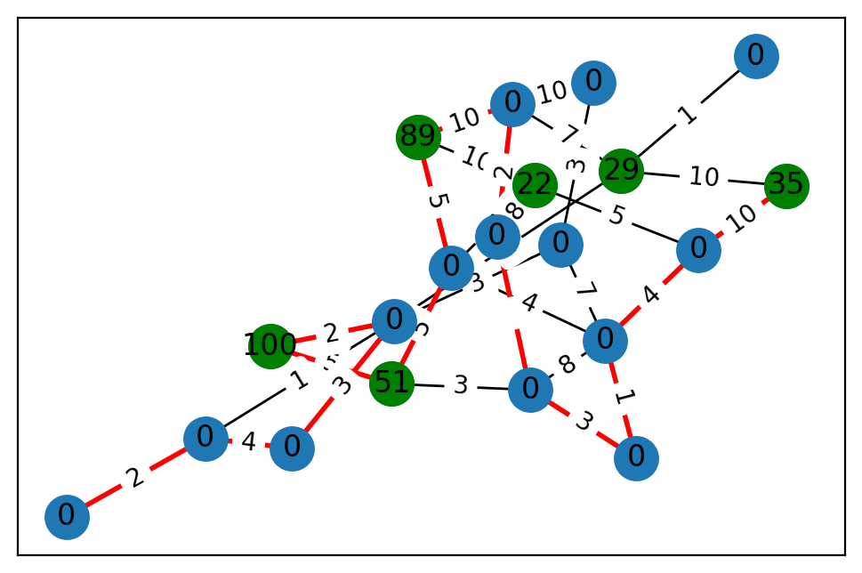
2 | 0 | 0 | 92.941486839 | 33.40620775
3 | 1 | 100 | 78.363227573 | 60.039587489
4 | 1 | 22 | 4.6154880998 | 94.497161947
5 | 1 | 29 | 43.412520602 | 86.135473207
6 | 0 | 0 | 44.399694953 | 60.910529139
7 | 0 | 0 | 61.530282796 | 51.982647426
8 | 1 | 51 | 73.723755692 | 35.912403862
9 | 0 | 0 | 15.415388288 | 7.0809933193
10 | 0 | 0 | 75.464609858 | 39.202224542
11 | 0 | 0 | 58.169255531 | 48.580256251
12 | 0 | 0 | 50.358002893 | 27.478553177
13 | 0 | 0 | 77.32857405 | 75.728855946
14 | 1 | 89 | 24.84161571 | 37.491621701
15 | 0 | 0 | 35.410305966 | 94.684111559
16 | 0 | 0 | 0.34447904501 | 32.738384357
17 | 0 | 0 | 95.128431622 | 70.269925804
18 | 0 | 0 | 37.723231282 | 95.344308363
19 | 0 | 0 | 82.875836104 | 27.72154115

 | u | v | cost
0 | 0 | 17 | 10
1 | 0 | 5 | 10
2 | 1 | 19 | 3
3 | 1 | 8 | 3
4 | 1 | 7 | 8
5 | 1 | 16 | 3
6 | 2 | 15 | 3
7 | 2 | 12 | 3
8 | 2 | 7 | 7
9 | 3 | 8 | 5
10 | 3 | 15 | 2
11 | 4 | 6 | 10
12 | 4 | 17 | 5
13 | 4 | 14 | 10
14 | 4 | 16 | 8
15 | 5 | 15 | 1
16 | 5 | 18 | 1
17 | 5 | 10 | 7
18 | 6 | 7 | 4
19 | 6 | 8 | 5
20 | 6 | 14 | 5
21 | 7 | 19 | 1
22 | 7 | 17 | 4
23 | 9 | 11 | 2
24 | 9 | 15 | 1
25 | 9 | 13 | 4
26 | 10 | 12 | 10
27 | 10 | 16 | 2
28 | 10 | 14 | 10
29 | 13 | 15 | 3

ALNS8
 | terminal | prize | x | y
0 | 1 | 60 | 0.66811266284 | 2.1877689164
1 | 1 | 76 | 25.498042799 | 98.396306396
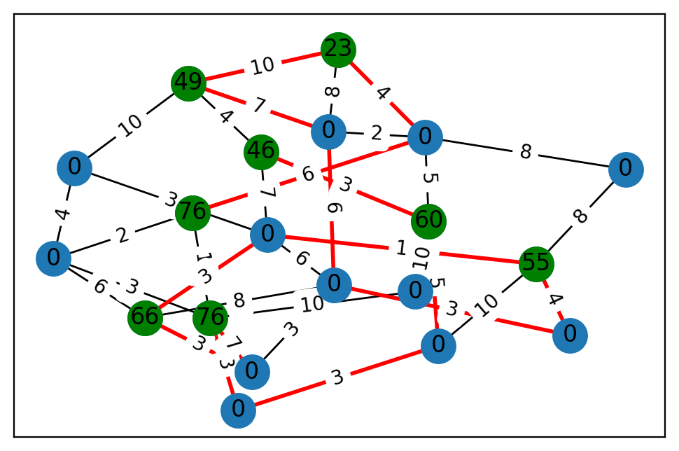
2 | 0 | 0 | 13.234128487 | 31.275602674
3 | 1 | 46 | 24.228238325 | 3.1080992123
4 | 0 | 0 | 6.6078179212 | 11.319323607
5 | 0 | 0 | 23.609624471 | 83.854552665
6 | 0 | 0 | 76.05814699 | 98.477422475
7 | 0 | 0 | 59.550153407 | 43.447670236
8 | 0 | 0 | 87.168552308 | 68.821997675
9 | 0 | 0 | 99.373824734 | 77.625089567
10 | 1 | 76 | 52.073604459 | 70.450221648
11 | 1 | 66 | 85.397590188 | 25.42232997
12 | 0 | 0 | 18.860952855 | 21.994616901
13 | 0 | 0 | 74.441660156 | 74.0835924
14 | 0 | 0 | 1.6195582345 | 61.57812966
15 | 0 | 0 | 81.18099779 | 5.4913983319
16 | 1 | 55 | 61.78894788 | 69.056042834
17 | 0 | 0 | 81.627623714 | 7.5446808987
18 | 1 | 23 | 22.030476636 | 75.039617692
19 | 1 | 49 | 50.359809132 | 26.321167285

 | u | v | cost
0 | 0 | 15 | 5
1 | 0 | 3 | 3
2 | 0 | 2 | 10
3 | 0 | 9 | 5
4 | 1 | 4 | 3
5 | 1 | 2 | 10
6 | 1 | 12 | 3
7 | 1 | 10 | 10
8 | 1 | 8 | 7
9 | 3 | 6 | 7
10 | 3 | 19 | 4
11 | 4 | 7 | 4
12 | 4 | 11 | 6
13 | 4 | 10 | 2
14 | 5 | 9 | 8
15 | 5 | 16 | 8
16 | 6 | 11 | 3
17 | 6 | 16 | 1
18 | 6 | 17 | 6
19 | 6 | 7 | 3
20 | 7 | 19 | 10
21 | 8 | 11 | 3
22 | 8 | 17 | 3
23 | 9 | 13 | 2
24 | 9 | 18 | 4
25 | 9 | 10 | 6
26 | 11 | 17 | 8
27 | 12 | 15 | 3
28 | 13 | 19 | 7
29 | 13 | 18 | 8
30 | 13 | 17 | 6
31 | 14 | 16 | 4
32 | 14 | 17 | 3
33 | 15 | 16 | 10
34 | 18 | 19 | 10

ALNS9
 | terminal | prize | x | y
0 | 0 | 0 | 54.133100299 | 4.6621556828
1 | 1 | 65 | 96.553631501 | 39.487591561
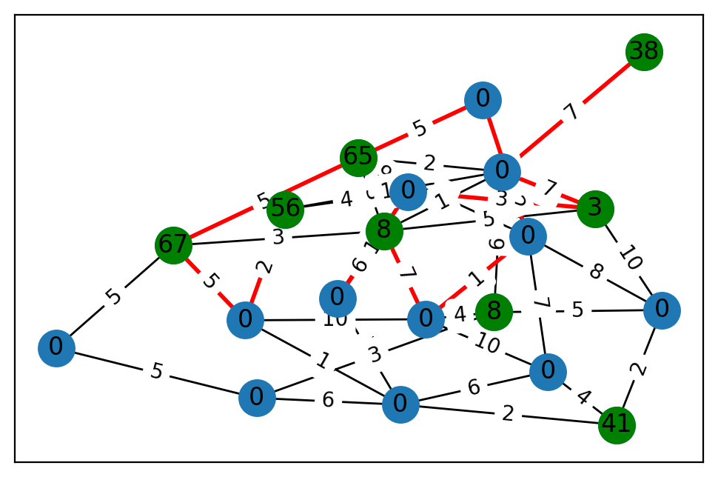
2 | 1 | 56 | 95.349598164 | 24.98303938
3 | 0 | 0 | 76.166223236 | 89.762708986
4 | 0 | 0 | 13.893878992 | 21.862105499
5 | 0 | 0 | 72.859069906 | 2.3395627917
6 | 1 | 8 | 88.807551033 | 29.637626825
7 | 1 | 38 | 70.425432249 | 77.529463803
8 | 0 | 0 | 55.162371457 | 97.443656547
9 | 1 | 8 | 67.46242417 | 85.028872452
10 | 1 | 41 | 48.963675128 | 1.0610302261
11 | 1 | 67 | 24.513071209 | 50.881737986
12 | 0 | 0 | 8.2417130539 | 11.050957848
13 | 0 | 0 | 45.786821622 | 61.361779629
14 | 0 | 0 | 23.429968947 | 27.065789566
15 | 0 | 0 | 26.744925881 | 34.877247504
16 | 0 | 0 | 50.443355133 | 83.526179058
17 | 0 | 0 | 21.502176962 | 58.314611189
18 | 0 | 0 | 7.3401052127 | 77.197724436
19 | 1 | 3 | 49.496647892 | 41.801920049

 | u | v | cost
0 | 0 | 15 | 1
1 | 0 | 3 | 6
2 | 0 | 10 | 2
3 | 0 | 14 | 10
4 | 0 | 5 | 6
5 | 1 | 16 | 2
6 | 1 | 8 | 6
7 | 1 | 18 | 5
8 | 1 | 13 | 9
9 | 1 | 9 | 3
10 | 1 | 11 | 5
11 | 2 | 15 | 2
12 | 2 | 13 | 4
13 | 2 | 16 | 10
14 | 3 | 8 | 7
15 | 3 | 10 | 4
16 | 3 | 17 | 10
17 | 4 | 8 | 8
18 | 4 | 10 | 2
19 | 4 | 19 | 10
20 | 4 | 6 | 5
21 | 5 | 6 | 3
22 | 5 | 12 | 5
23 | 6 | 17 | 4
24 | 6 | 16 | 6
25 | 7 | 16 | 7
26 | 8 | 17 | 1
27 | 8 | 16 | 2
28 | 8 | 18 | 8
29 | 9 | 11 | 3
30 | 9 | 14 | 6
31 | 9 | 19 | 5
32 | 9 | 17 | 7
33 | 9 | 16 | 1
34 | 11 | 15 | 5
35 | 11 | 12 | 5
36 | 13 | 19 | 3
37 | 13 | 14 | 1
38 | 15 | 17 | 10
39 | 16 | 19 | 7

ALNS10
 | terminal | prize | x | y
0 | 0 | 0 | 29.756014352 | 82.304347841
1 | 1 | 16 | 59.269450195 | 13.611761849
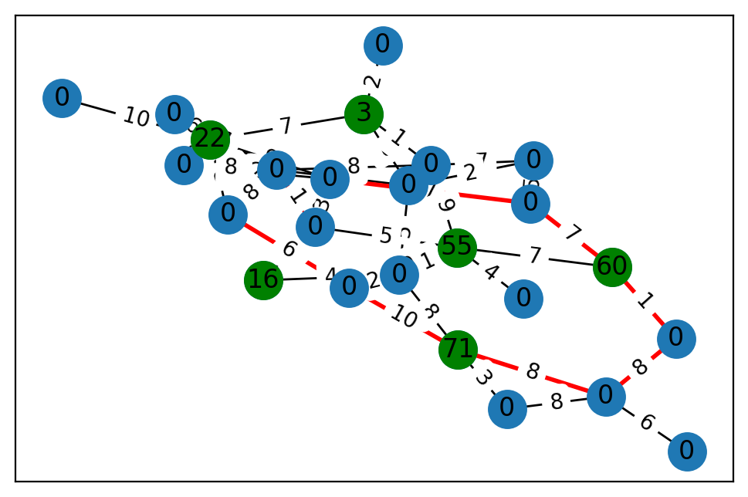
2 | 0 | 0 | 17.385791891 | 98.404650174
3 | 1 | 22 | 25.18704141 | 16.836860667
4 | 1 | 60 | 77.355131248 | 69.23768715
5 | 0 | 0 | 92.648992461 | 59.554607506
6 | 0 | 0 | 68.444995544 | 83.764232822
7 | 0 | 0 | 39.238620682 | 72.425037558
8 | 1 | 55 | 25.512270398 | 20.738640069
9 | 0 | 0 | 52.711334203 | 94.710133233
10 | 0 | 0 | 71.90031794 | 52.65099377
11 | 0 | 0 | 25.268517747 | 45.985610528
12 | 0 | 0 | 37.515262754 | 69.751113784
13 | 0 | 0 | 59.289999451 | 44.850890166
14 | 0 | 0 | 29.6793482 | 10.056638262
15 | 0 | 0 | 81.236448891 | 87.660661209
16 | 0 | 0 | 0.80873498305 | 27.800159551
17 | 1 | 71 | 8.1868993921 | 34.46750957
18 | 0 | 0 | 6.5136880881 | 8.9163651858
19 | 0 | 0 | 58.803307366 | 82.734994834
20 | 0 | 0 | 11.584402637 | 69.6485605
21 | 0 | 0 | 9.7334241128 | 94.212433669
22 | 0 | 0 | 28.205067137 | 80.232802489
23 | 1 | 3 | 93.088084131 | 15.534778009
24 | 0 | 0 | 35.070352486 | 12.284167414

 | u | v | cost
0 | 0 | 17 | 3
1 | 0 | 16 | 8
2 | 1 | 19 | 4
3 | 1 | 5 | 4
4 | 2 | 12 | 5
5 | 2 | 22 | 7
6 | 2 | 9 | 2
7 | 3 | 7 | 9
8 | 3 | 23 | 7
9 | 3 | 14 | 10
10 | 3 | 13 | 6
11 | 3 | 21 | 2
12 | 3 | 11 | 8
13 | 4 | 12 | 7
14 | 4 | 6 | 1
15 | 4 | 8 | 7
16 | 5 | 9 | 5
17 | 5 | 17 | 8
18 | 5 | 18 | 2
19 | 5 | 8 | 1
20 | 6 | 16 | 8
21 | 7 | 21 | 2
22 | 7 | 12 | 7
23 | 7 | 19 | 3
24 | 8 | 18 | 10
25 | 8 | 24 | 4
26 | 8 | 19 | 5
27 | 8 | 22 | 9
28 | 9 | 15 | 10
29 | 9 | 23 | 8
30 | 10 | 16 | 6
31 | 11 | 18 | 6
32 | 11 | 15 | 8
33 | 13 | 15 | 1
34 | 15 | 19 | 1
35 | 15 | 22 | 8
36 | 15 | 21 | 8
37 | 16 | 17 | 8
38 | 17 | 18 | 10
39 | 20 | 23 | 2
40 | 22 | 23 | 1

ALNS11
 | terminal | prize | x | y
0 | 0 | 0 | 31.59136431 | 77.697819818
1 | 1 | 35 | 89.464977766 | 90.676590429
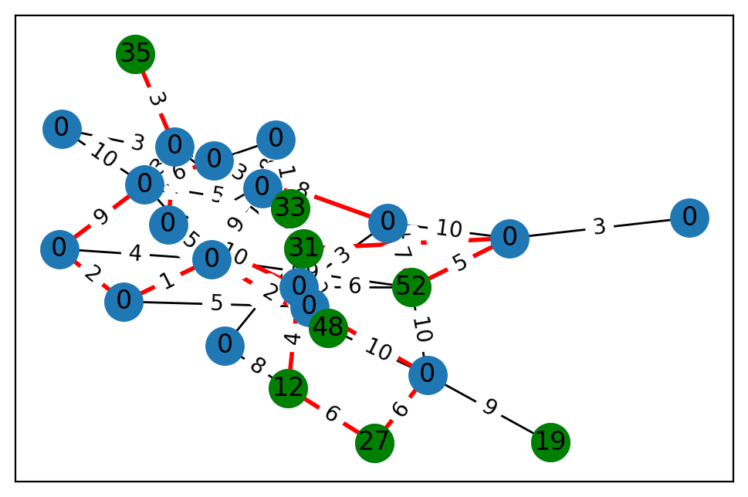
2 | 0 | 0 | 59.200706368 | 26.586704514
3 | 0 | 0 | 91.309672177 | 17.273198762
4 | 0 | 0 | 63.954023133 | 34.477719949
5 | 1 | 33 | 10.677896427 | 77.684350107
6 | 1 | 27 | 9.6058756419 | 39.433383837
7 | 1 | 19 | 34.078724682 | 94.531941184
8 | 1 | 12 | 43.835031094 | 22.895508174
9 | 1 | 31 | 99.38994639 | 25.730655358
10 | 1 | 48 | 65.847383541 | 40.364370298
11 | 0 | 0 | 22.221266968 | 23.609128535
12 | 0 | 0 | 45.504073875 | 65.202845583
13 | 0 | 0 | 47.245563339 | 69.778462753
14 | 0 | 0 | 18.401998129 | 1.0524989344
15 | 0 | 0 | 6.4005786687 | 70.386123157
16 | 0 | 0 | 91.232008617 | 23.58422919
17 | 0 | 0 | 29.93862634 | 25.110522637
18 | 0 | 0 | 84.537177457 | 17.23662038
19 | 0 | 0 | 96.521294903 | 98.721081847
20 | 0 | 0 | 25.136846654 | 54.774743531
21 | 0 | 0 | 69.836553497 | 91.739946821
22 | 1 | 52 | 51.122573039 | 89.967544055
23 | 0 | 0 | 0.2614586211 | 87.645856164
24 | 0 | 0 | 31.812286302 | 12.914200867

 | u | v | cost
0 | 0 | 9 | 9
1 | 0 | 8 | 8
2 | 1 | 11 | 3
3 | 2 | 16 | 8
4 | 2 | 13 | 2
5 | 2 | 5 | 1
6 | 3 | 15 | 5
7 | 3 | 5 | 2
8 | 3 | 12 | 1
9 | 3 | 21 | 7
10 | 4 | 24 | 3
11 | 5 | 13 | 5
12 | 6 | 21 | 6
13 | 6 | 8 | 6
14 | 7 | 21 | 9
15 | 8 | 12 | 4
16 | 9 | 11 | 7
17 | 9 | 10 | 9
18 | 9 | 24 | 5
19 | 9 | 16 | 10
20 | 9 | 12 | 7
21 | 10 | 21 | 10
22 | 10 | 20 | 2
23 | 11 | 14 | 2
24 | 11 | 13 | 3
25 | 12 | 14 | 10
26 | 12 | 22 | 6
27 | 12 | 23 | 3
28 | 13 | 17 | 10
29 | 13 | 20 | 4
30 | 13 | 19 | 6
31 | 13 | 18 | 9
32 | 14 | 20 | 5
33 | 15 | 20 | 1
34 | 15 | 18 | 2
35 | 16 | 19 | 3
36 | 16 | 20 | 9
37 | 17 | 19 | 3
38 | 18 | 20 | 4
39 | 19 | 23 | 8
40 | 20 | 22 | 9
41 | 21 | 22 | 10
42 | 22 | 23 | 7
43 | 22 | 24 | 5
44 | 23 | 24 | 10

ALNS12
 | terminal | prize | x | y
0 | 1 | 40 | 52.004279719 | 71.032036717
1 | 0 | 0 | 14.976556318 | 19.825679079
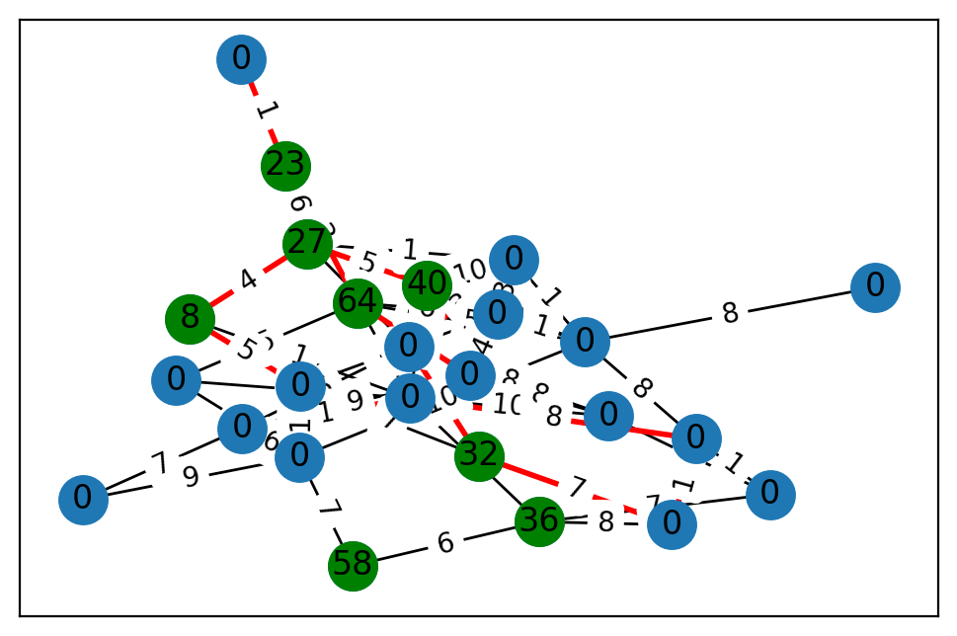
2 | 1 | 58 | 14.116440777 | 59.322428699
3 | 0 | 0 | 84.089114445 | 14.250654674
4 | 0 | 0 | 34.401612226 | 97.724416239
5 | 1 | 64 | 0.32398755072 | 42.443482497
6 | 0 | 0 | 43.619434311 | 24.516484715
7 | 0 | 0 | 93.541510824 | 52.240456296
8 | 0 | 0 | 44.006041919 | 68.736644165
9 | 0 | 0 | 58.359307285 | 7.0886447162
10 | 1 | 36 | 3.878823151 | 34.22521174
11 | 1 | 32 | 38.718627356 | 11.276892271
12 | 0 | 0 | 30.577460364 | 27.395052736
13 | 0 | 0 | 6.7008014474 | 6.1795676524
14 | 1 | 23 | 70.170157703 | 70.195800026
15 | 0 | 0 | 42.065993473 | 96.725387488
16 | 0 | 0 | 57.826458193 | 35.994431599
17 | 0 | 0 | 65.234364147 | 32.123680546
18 | 0 | 0 | 62.600753342 | 66.097630316
19 | 1 | 27 | 25.527423553 | 19.603552314
20 | 0 | 0 | 57.469731295 | 99.391028188
21 | 0 | 0 | 56.166381794 | 66.506298682
22 | 1 | 8 | 60.809892862 | 93.811812676
23 | 0 | 0 | 63.822776234 | 82.987719851
24 | 0 | 0 | 87.234023915 | 34.417591824

 | u | v | cost
0 | 0 | 19 | 5
1 | 0 | 17 | 10
2 | 0 | 4 | 7
3 | 0 | 16 | 10
4 | 0 | 6 | 10
5 | 1 | 6 | 8
6 | 2 | 10 | 6
7 | 2 | 21 | 7
8 | 3 | 10 | 7
9 | 3 | 9 | 1
10 | 3 | 20 | 1
11 | 4 | 11 | 4
12 | 4 | 9 | 8
13 | 4 | 15 | 5
14 | 4 | 17 | 3
15 | 4 | 19 | 3
16 | 5 | 16 | 4
17 | 5 | 8 | 5
18 | 5 | 18 | 6
19 | 5 | 6 | 5
20 | 5 | 14 | 3
21 | 5 | 12 | 2
22 | 6 | 20 | 8
23 | 6 | 17 | 1
24 | 6 | 18 | 1
25 | 6 | 21 | 10
26 | 7 | 11 | 7
27 | 7 | 10 | 8
28 | 7 | 20 | 1
29 | 8 | 16 | 2
30 | 8 | 21 | 3
31 | 9 | 16 | 10
32 | 9 | 12 | 8
33 | 10 | 16 | 1
34 | 11 | 23 | 7
35 | 12 | 15 | 9
36 | 12 | 18 | 4
37 | 13 | 15 | 7
38 | 13 | 21 | 9
39 | 14 | 19 | 6
40 | 14 | 24 | 1
41 | 15 | 16 | 1
42 | 15 | 21 | 6
43 | 16 | 22 | 1
44 | 16 | 20 | 8
45 | 17 | 19 | 1
46 | 17 | 18 | 3
47 | 18 | 23 | 4
48 | 19 | 22 | 4
49 | 21 | 23 | 1
50 | 22 | 23 | 5

