BT1
 | terminal | prize | x | y
0 | 0 | 0 | 43.925250081 | 89.640046787
1 | 0 | 0 | 86.981911376 | 83.067096181
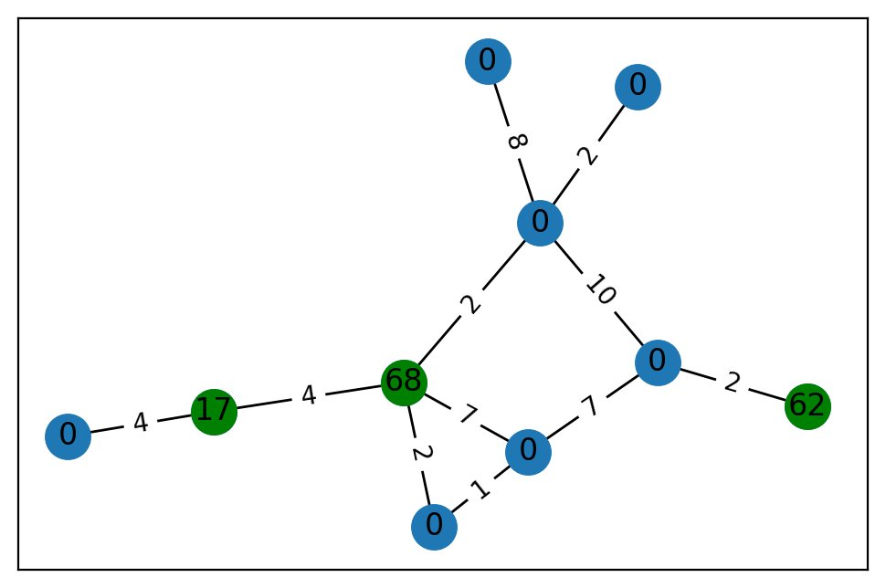
2 | 1 | 17 | 86.574437848 | 86.451023583
3 | 0 | 0 | 17.667021699 | 61.668412693
4 | 1 | 62 | 6.9725630625 | 48.451806075
5 | 0 | 0 | 89.052748054 | 56.281213235
6 | 0 | 0 | 14.205643995 | 86.389951464
7 | 0 | 0 | 47.843167548 | 54.290856871
8 | 0 | 0 | 11.130444342 | 64.191923737
9 | 1 | 68 | 42.717500981 | 71.210638121

 | u | v | cost
0 | 0 | 2 | 4
1 | 1 | 8 | 10
2 | 1 | 5 | 8
3 | 1 | 9 | 2
4 | 1 | 6 | 2
5 | 2 | 9 | 4
6 | 3 | 9 | 7
7 | 3 | 8 | 7
8 | 3 | 7 | 1
9 | 4 | 8 | 2
10 | 7 | 9 | 2

