BT1
 | terminal | prize | x | y
0 | 0 | 0 | 90.956763661 | 54.015167154
1 | 0 | 0 | 94.973945038 | 0.22915360787
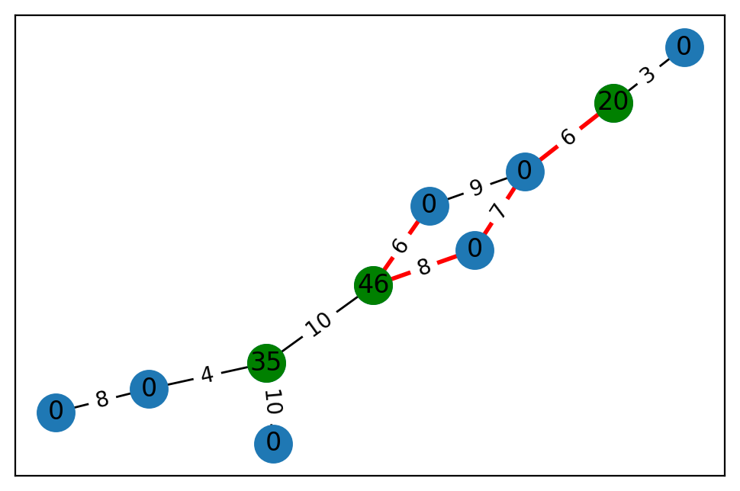
2 | 0 | 0 | 70.945504232 | 27.803606143
3 | 1 | 20 | 26.470167771 | 66.737644175
4 | 0 | 0 | 53.881020583 | 29.930098391
5 | 1 | 46 | 42.303469193 | 40.179905065
6 | 0 | 0 | 0.73104630986 | 24.965341807
7 | 0 | 0 | 20.700231994 | 44.96273241
8 | 0 | 0 | 8.7307850936 | 73.696712913
9 | 1 | 35 | 42.526043778 | 89.426078229

 | u | v | cost
0 | 0 | 4 | 8
1 | 1 | 9 | 10
2 | 2 | 3 | 3
3 | 3 | 6 | 6
4 | 4 | 9 | 4
5 | 5 | 8 | 6
6 | 5 | 7 | 8
7 | 5 | 9 | 10
8 | 6 | 8 | 9
9 | 6 | 7 | 7

BT2
 | terminal | prize | x | y
0 | 0 | 0 | 14.185535792 | 57.275361892
1 | 1 | 18 | 29.485196676 | 5.1016655834
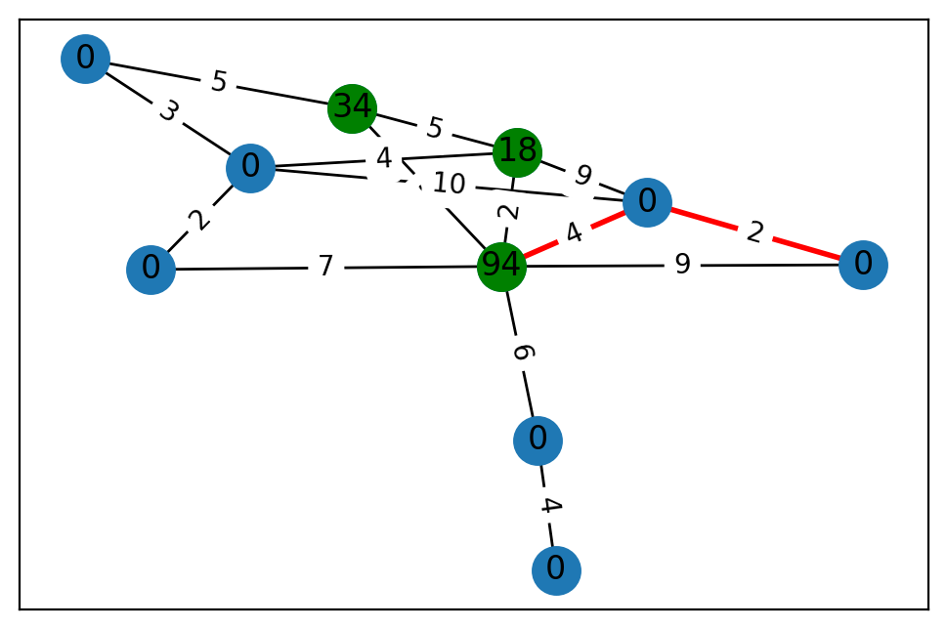
2 | 0 | 0 | 3.7299912812 | 82.092200339
3 | 0 | 0 | 36.458234243 | 66.979857223
4 | 1 | 34 | 62.71254797 | 88.100587609
5 | 0 | 0 | 13.750472508 | 45.696806737
6 | 0 | 0 | 8.0613856019 | 29.785884769
7 | 0 | 0 | 56.954401856 | 65.888409468
8 | 0 | 0 | 48.798680272 | 6.7151589377
9 | 1 | 94 | 62.225904225 | 26.92101656

 | u | v | cost
0 | 0 | 4 | 5
1 | 0 | 5 | 3
2 | 1 | 7 | 9
3 | 1 | 9 | 2
4 | 1 | 4 | 5
5 | 1 | 5 | 4
6 | 2 | 9 | 6
7 | 2 | 3 | 4
8 | 4 | 9 | 5
9 | 5 | 6 | 2
10 | 5 | 7 | 10
11 | 6 | 9 | 7
12 | 7 | 9 | 4
13 | 7 | 8 | 2
14 | 8 | 9 | 9

BT3
 | terminal | prize | x | y
0 | 0 | 0 | 10.648350123 | 53.209318437
1 | 0 | 0 | 79.774607273 | 5.7486872683
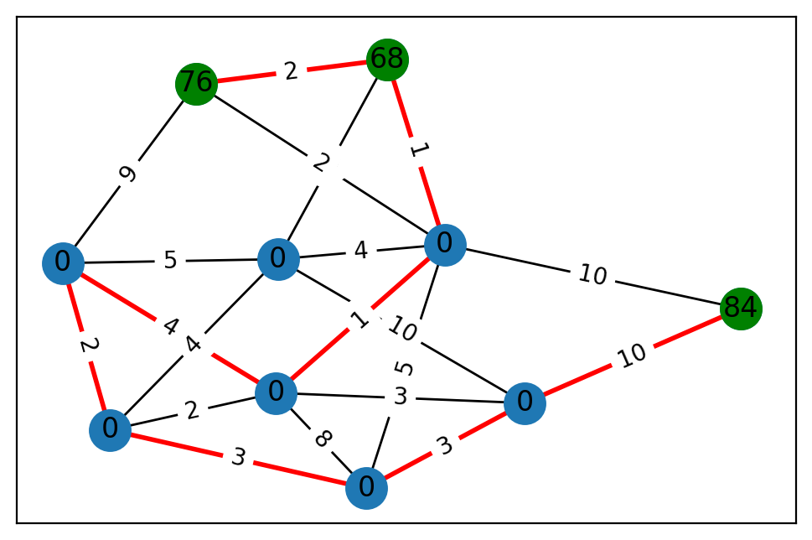
2 | 1 | 76 | 8.7186658777 | 3.2981953044
3 | 1 | 84 | 50.08943838 | 99.671895948
4 | 0 | 0 | 24.87612393 | 72.365098942
5 | 0 | 0 | 49.031762947 | 0.46136736036
6 | 0 | 0 | 26.611946618 | 54.874050454
7 | 0 | 0 | 6.4960055407 | 61.121935171
8 | 0 | 0 | 37.410811434 | 15.64578549
9 | 1 | 68 | 35.874836533 | 22.192247232

 | u | v | cost
0 | 0 | 8 | 4
1 | 0 | 6 | 2
2 | 0 | 4 | 1
3 | 0 | 7 | 8
4 | 0 | 5 | 3
5 | 1 | 5 | 10
6 | 1 | 8 | 5
7 | 1 | 9 | 8
8 | 1 | 6 | 4
9 | 1 | 4 | 4
10 | 2 | 9 | 2
11 | 2 | 8 | 9
12 | 2 | 4 | 2
13 | 3 | 5 | 10
14 | 3 | 4 | 10
15 | 4 | 9 | 1
16 | 4 | 7 | 5
17 | 5 | 7 | 3
18 | 6 | 7 | 3
19 | 6 | 8 | 2

BT4
 | terminal | prize | x | y
0 | 0 | 0 | 97.792331635 | 61.52901391
1 | 0 | 0 | 71.049052174 | 45.972631078
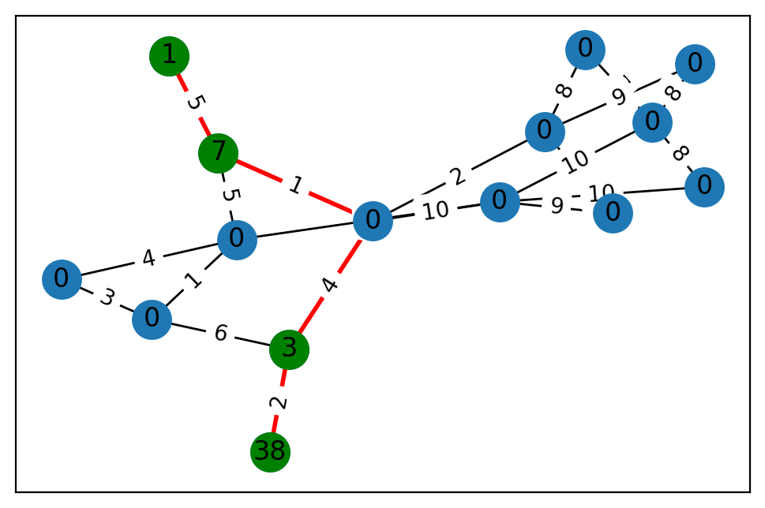
2 | 0 | 0 | 65.116709334 | 92.864756731
3 | 0 | 0 | 22.127099235 | 22.447960432
4 | 0 | 0 | 18.900611398 | 3.2495952508
5 | 0 | 0 | 11.761990196 | 92.003435048
6 | 1 | 38 | 1.5530669844 | 15.97671522
7 | 1 | 1 | 81.5379751 | 44.420056853
8 | 1 | 3 | 3.2539849925 | 92.692172832
9 | 0 | 0 | 52.329967337 | 2.4248672727
10 | 1 | 7 | 89.436768052 | 85.639477735
11 | 0 | 0 | 96.94000888 | 18.845048153
12 | 0 | 0 | 88.399918111 | 61.524326467
13 | 0 | 0 | 19.89282554 | 61.830027915
14 | 0 | 0 | 97.883408024 | 7.410099492

 | u | v | cost
0 | 0 | 12 | 8
1 | 0 | 14 | 10
2 | 1 | 12 | 7
3 | 1 | 2 | 8
4 | 2 | 3 | 6
5 | 2 | 13 | 2
6 | 2 | 4 | 9
7 | 3 | 14 | 9
8 | 4 | 12 | 8
9 | 5 | 14 | 5
10 | 5 | 9 | 1
11 | 5 | 10 | 5
12 | 5 | 11 | 4
13 | 6 | 8 | 2
14 | 7 | 10 | 5
15 | 8 | 13 | 4
16 | 8 | 9 | 6
17 | 9 | 11 | 3
18 | 10 | 13 | 1
19 | 12 | 14 | 10
20 | 13 | 14 | 10

BT5
 | terminal | prize | x | y
0 | 0 | 0 | 48.816414166 | 93.584125198
1 | 1 | 53 | 69.623564502 | 66.404815628
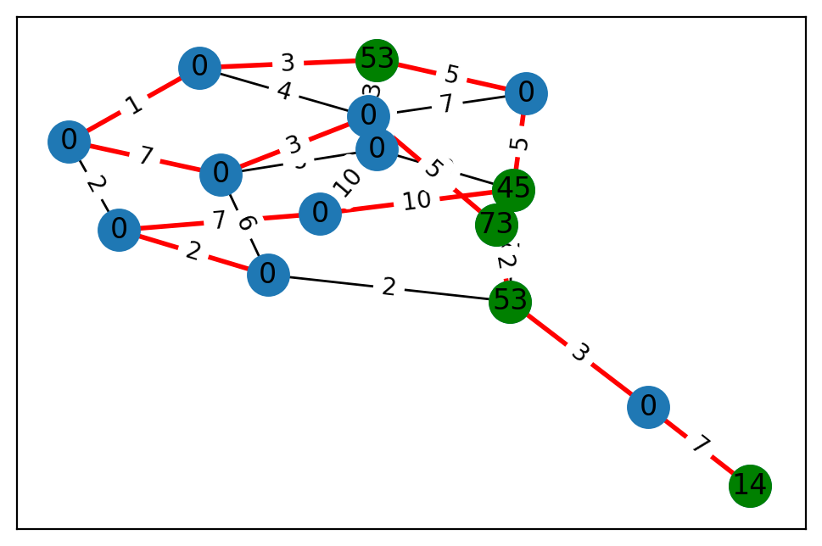
2 | 1 | 14 | 37.72744879 | 19.267613463
3 | 0 | 0 | 79.724579366 | 45.090168995
4 | 0 | 0 | 20.340685259 | 83.351546908
5 | 0 | 0 | 72.955223328 | 96.245716791
6 | 0 | 0 | 61.337568058 | 28.732774219
7 | 0 | 0 | 69.488214697 | 12.163409647
8 | 0 | 0 | 95.69875131 | 83.797402864
9 | 0 | 0 | 33.003971933 | 57.958467888
10 | 0 | 0 | 19.923766191 | 73.55574505
11 | 1 | 45 | 91.795785517 | 45.388827097
12 | 1 | 53 | 11.093039971 | 97.956438165
13 | 0 | 0 | 4.441441241 | 93.970593265
14 | 1 | 73 | 35.356278084 | 63.742951915

 | u | v | cost
0 | 0 | 10 | 1
1 | 0 | 9 | 8
2 | 0 | 11 | 9
3 | 0 | 1 | 5
4 | 0 | 3 | 10
5 | 1 | 7 | 5
6 | 1 | 10 | 3
7 | 1 | 6 | 3
8 | 2 | 8 | 7
9 | 3 | 11 | 10
10 | 3 | 4 | 7
11 | 4 | 5 | 2
12 | 4 | 13 | 2
13 | 5 | 9 | 6
14 | 5 | 12 | 2
15 | 6 | 13 | 1
16 | 6 | 10 | 4
17 | 7 | 10 | 7
18 | 7 | 11 | 5
19 | 8 | 12 | 3
20 | 9 | 10 | 3
21 | 9 | 13 | 7
22 | 10 | 14 | 5
23 | 11 | 12 | 2
24 | 12 | 14 | 2

BT6
 | terminal | prize | x | y
0 | 1 | 72 | 47.12793665 | 16.425269676
1 | 1 | 46 | 16.024540866 | 79.903863178
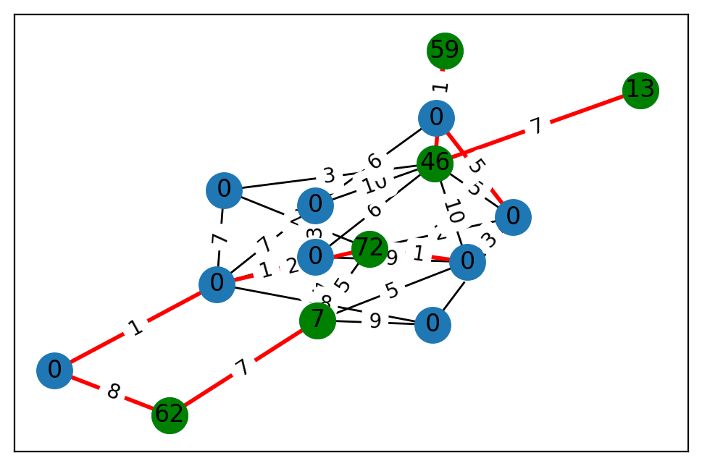
2 | 1 | 7 | 52.026902143 | 13.969637308
3 | 1 | 13 | 95.841844844 | 10.63062153
4 | 0 | 0 | 77.712437475 | 71.075609746
5 | 0 | 0 | 95.757978381 | 29.570842694
6 | 0 | 0 | 14.448199785 | 21.033505691
7 | 0 | 0 | 48.675039346 | 70.729044273
8 | 0 | 0 | 39.461171986 | 53.813875547
9 | 0 | 0 | 39.050026257 | 30.80663098
10 | 0 | 0 | 60.80615081 | 58.292776641
11 | 1 | 59 | 49.245216712 | 69.887979999
12 | 0 | 0 | 10.629158685 | 42.063205673
13 | 0 | 0 | 63.239387022 | 26.289486216
14 | 1 | 62 | 12.79555277 | 54.676444113

 | u | v | cost
0 | 0 | 2 | 5
1 | 0 | 9 | 2
2 | 0 | 8 | 1
3 | 0 | 10 | 2
4 | 0 | 12 | 2
5 | 1 | 11 | 2
6 | 1 | 9 | 5
7 | 1 | 6 | 6
8 | 1 | 3 | 7
9 | 1 | 8 | 10
10 | 1 | 10 | 3
11 | 1 | 4 | 10
12 | 2 | 4 | 8
13 | 2 | 6 | 4
14 | 2 | 8 | 5
15 | 2 | 14 | 7
16 | 2 | 5 | 9
17 | 4 | 13 | 6
18 | 4 | 6 | 3
19 | 4 | 12 | 7
20 | 5 | 9 | 2
21 | 5 | 12 | 8
22 | 6 | 12 | 1
23 | 6 | 8 | 9
24 | 7 | 12 | 1
25 | 7 | 14 | 8
26 | 8 | 9 | 3
27 | 9 | 13 | 5
28 | 10 | 12 | 7
29 | 11 | 13 | 1

BT7
 | terminal | prize | x | y
0 | 0 | 0 | 93.632936028 | 53.053675973
1 | 1 | 78 | 69.228892886 | 26.797920883
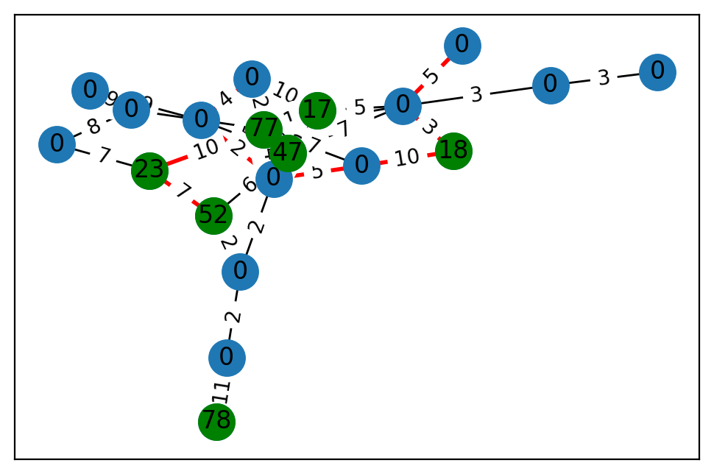
2 | 0 | 0 | 7.6564603365 | 56.267283174
3 | 0 | 0 | 74.119862273 | 55.256386111
4 | 1 | 17 | 93.717127578 | 23.369504666
5 | 0 | 0 | 26.588240058 | 43.767359708
6 | 1 | 47 | 84.112620534 | 68.452997822
7 | 0 | 0 | 73.544569547 | 60.237588952
8 | 0 | 0 | 9.5240112792 | 60.6303956
9 | 0 | 0 | 26.626844195 | 61.852496595
10 | 0 | 0 | 50.187103298 | 78.775810514
11 | 0 | 0 | 0.79591832166 | 41.730310674
12 | 0 | 0 | 41.777190116 | 71.116913056
13 | 0 | 0 | 48.004107304 | 22.1681951
14 | 0 | 0 | 67.643902444 | 75.057166261
15 | 1 | 52 | 63.589636797 | 95.233561332
16 | 1 | 77 | 38.809879713 | 90.019251651
17 | 1 | 18 | 79.900921018 | 28.51495758
18 | 0 | 0 | 48.537918459 | 5.0611475027
19 | 1 | 23 | 42.213524409 | 25.643576178

 | u | v | cost
0 | 0 | 18 | 2
1 | 0 | 8 | 2
2 | 0 | 15 | 2
3 | 1 | 18 | 11
4 | 2 | 12 | 3
5 | 2 | 3 | 3
6 | 3 | 13 | 5
7 | 3 | 16 | 1
8 | 3 | 6 | 7
9 | 3 | 4 | 5
10 | 3 | 17 | 3
11 | 4 | 14 | 10
12 | 4 | 16 | 1
13 | 4 | 8 | 10
14 | 5 | 11 | 9
15 | 5 | 16 | 9
16 | 5 | 7 | 8
17 | 6 | 16 | 9
18 | 6 | 8 | 7
19 | 6 | 15 | 6
20 | 6 | 10 | 5
21 | 7 | 19 | 7
22 | 8 | 9 | 5
23 | 8 | 10 | 2
24 | 8 | 16 | 4
25 | 9 | 16 | 7
26 | 9 | 17 | 10
27 | 10 | 14 | 4
28 | 10 | 11 | 9
29 | 14 | 16 | 2
30 | 15 | 19 | 7
31 | 16 | 19 | 10

BT8
 | terminal | prize | x | y
0 | 1 | 19 | 76.569737983 | 53.446609225
1 | 0 | 0 | 15.030556797 | 56.246970489
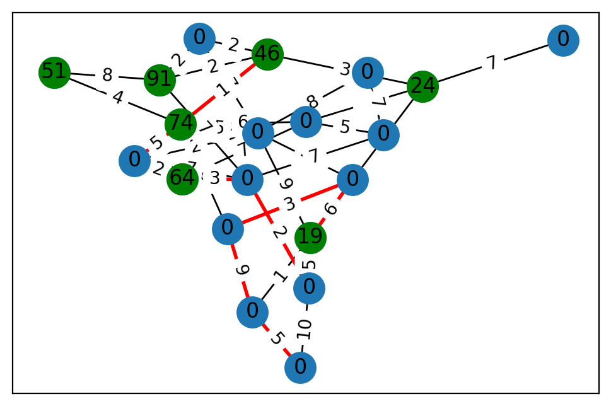
2 | 1 | 51 | 36.287564574 | 71.46876821
3 | 0 | 0 | 73.280762171 | 8.1513223164
4 | 0 | 0 | 18.263433752 | 38.239910643
5 | 1 | 24 | 36.004591813 | 25.342842122
6 | 0 | 0 | 44.690008736 | 10.108423389
7 | 0 | 0 | 10.513970605 | 96.637030344
8 | 0 | 0 | 95.334663611 | 5.2646006986
9 | 0 | 0 | 93.166414228 | 9.7266745818
10 | 0 | 0 | 53.657195798 | 12.204165436
11 | 1 | 91 | 88.155761914 | 42.00441251
12 | 0 | 0 | 64.670608161 | 40.329045903
13 | 1 | 64 | 82.184273718 | 53.442768596
14 | 0 | 0 | 47.088011183 | 1.9427076963
15 | 0 | 0 | 42.651902359 | 23.22723757
16 | 1 | 46 | 38.975958425 | 17.195407527
17 | 0 | 0 | 89.296084102 | 64.146275725
18 | 0 | 0 | 67.075883683 | 83.437616054
19 | 1 | 74 | 74.283382414 | 69.454832654

 | u | v | cost
0 | 0 | 8 | 5
1 | 0 | 15 | 6
2 | 0 | 1 | 1
3 | 0 | 6 | 9
4 | 1 | 10 | 9
5 | 1 | 3 | 5
6 | 2 | 11 | 8
7 | 2 | 19 | 4
8 | 3 | 8 | 10
9 | 4 | 16 | 2
10 | 4 | 6 | 7
11 | 4 | 11 | 2
12 | 5 | 17 | 7
13 | 5 | 16 | 3
14 | 5 | 9 | 8
15 | 5 | 15 | 8
16 | 6 | 14 | 2
17 | 6 | 7 | 8
18 | 6 | 19 | 5
19 | 6 | 15 | 4
20 | 7 | 12 | 7
21 | 8 | 18 | 2
22 | 9 | 19 | 6
23 | 9 | 13 | 7
24 | 9 | 12 | 5
25 | 10 | 19 | 6
26 | 10 | 15 | 3
27 | 11 | 18 | 7
28 | 11 | 16 | 2
29 | 12 | 18 | 7
30 | 13 | 14 | 2
31 | 13 | 18 | 3
32 | 14 | 18 | 7
33 | 14 | 19 | 5
34 | 16 | 19 | 1

BT9
 | terminal | prize | x | y
0 | 0 | 0 | 59.775988509 | 23.9769034
1 | 0 | 0 | 12.147803704 | 15.256421143
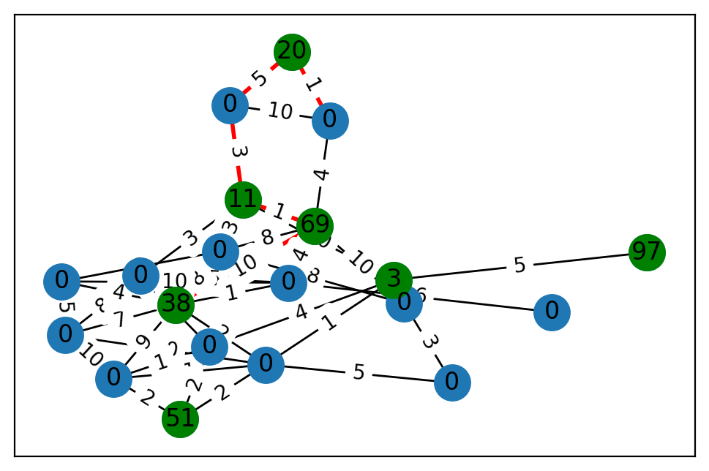
2 | 0 | 0 | 9.1444450618 | 22.769738488
3 | 1 | 20 | 94.01634824 | 49.538654938
4 | 1 | 3 | 97.514178737 | 20.335013205
5 | 1 | 38 | 85.218482076 | 20.958829361
6 | 0 | 0 | 26.187557556 | 28.078843316
7 | 0 | 0 | 74.819153677 | 79.94391622
8 | 0 | 0 | 81.55155259 | 34.261145809
9 | 0 | 0 | 87.5008205 | 66.836860225
10 | 1 | 97 | 38.893386121 | 85.038478582
11 | 0 | 0 | 93.917266466 | 69.665625578
12 | 0 | 0 | 76.844663385 | 57.32207382
13 | 0 | 0 | 29.15334027 | 58.207604187
14 | 0 | 0 | 85.882655552 | 82.105514828
15 | 0 | 0 | 27.032312735 | 4.0818461955
16 | 1 | 51 | 33.527837883 | 74.953730013
17 | 1 | 11 | 56.534734348 | 98.26873436
18 | 0 | 0 | 48.056622478 | 49.754000306
19 | 1 | 69 | 63.059893955 | 49.073890396

 | u | v | cost
0 | 0 | 19 | 4
1 | 0 | 18 | 10
2 | 0 | 3 | 1
3 | 1 | 11 | 10
4 | 1 | 5 | 2
5 | 1 | 14 | 1
6 | 1 | 4 | 1
7 | 1 | 8 | 5
8 | 1 | 16 | 2
9 | 2 | 12 | 7
10 | 2 | 17 | 3
11 | 2 | 11 | 8
12 | 2 | 5 | 7
13 | 2 | 9 | 5
14 | 3 | 18 | 5
15 | 4 | 12 | 4
16 | 4 | 17 | 10
17 | 4 | 10 | 5
18 | 5 | 11 | 7
19 | 5 | 7 | 4
20 | 5 | 15 | 8
21 | 5 | 19 | 10
22 | 5 | 14 | 9
23 | 5 | 9 | 1
24 | 6 | 15 | 8
25 | 6 | 8 | 3
26 | 6 | 19 | 10
27 | 7 | 15 | 3
28 | 7 | 9 | 10
29 | 7 | 11 | 5
30 | 9 | 13 | 6
31 | 9 | 19 | 4
32 | 11 | 14 | 10
33 | 12 | 14 | 1
34 | 12 | 16 | 2
35 | 14 | 16 | 2
36 | 15 | 17 | 3
37 | 15 | 19 | 8
38 | 17 | 19 | 1
39 | 17 | 18 | 3

BT10
 | terminal | prize | x | y
0 | 0 | 0 | 65.491708437 | 73.684434715
1 | 1 | 58 | 65.597709458 | 74.76688429
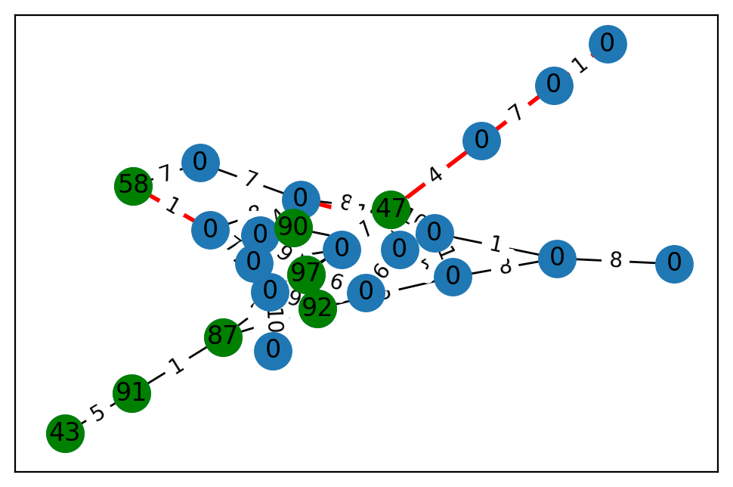
2 | 0 | 0 | 53.517792367 | 58.647232294
3 | 1 | 90 | 95.986529019 | 6.2502159362
4 | 1 | 92 | 89.027490285 | 37.603554966
5 | 1 | 91 | 55.21678946 | 47.23810762
6 | 0 | 0 | 94.412976136 | 77.723097313
7 | 0 | 0 | 90.672074617 | 75.10929103
8 | 0 | 0 | 99.488003223 | 79.324078304
9 | 0 | 0 | 31.372346645 | 46.796999995
10 | 0 | 0 | 55.187936068 | 89.371741194
11 | 1 | 47 | 52.388918669 | 21.171589188
12 | 1 | 87 | 41.555676638 | 91.027020973
13 | 0 | 0 | 94.336308058 | 82.397390958
14 | 0 | 0 | 26.618551482 | 42.457350128
15 | 0 | 0 | 38.766177418 | 98.504854344
16 | 0 | 0 | 46.885800342 | 43.466666475
17 | 0 | 0 | 42.071881079 | 90.079815827
18 | 0 | 0 | 11.17754787 | 19.716250479
19 | 0 | 0 | 77.063830728 | 36.608295695
20 | 0 | 0 | 10.526269296 | 81.384498683
21 | 1 | 97 | 51.347951816 | 41.800356896
22 | 0 | 0 | 6.0447400421 | 97.384847211
23 | 0 | 0 | 71.995139485 | 6.1066507798
24 | 1 | 43 | 78.00533255 | 86.815529691

 | u | v | cost
0 | 0 | 17 | 4
1 | 0 | 7 | 7
2 | 0 | 11 | 8
3 | 0 | 23 | 10
4 | 0 | 8 | 8
5 | 1 | 8 | 1
6 | 1 | 7 | 7
7 | 2 | 15 | 4
8 | 2 | 23 | 3
9 | 2 | 11 | 7
10 | 2 | 6 | 6
11 | 3 | 6 | 6
12 | 3 | 8 | 9
13 | 3 | 18 | 8
14 | 4 | 20 | 5
15 | 4 | 6 | 3
16 | 4 | 15 | 9
17 | 4 | 12 | 6
18 | 5 | 12 | 1
19 | 5 | 24 | 5
20 | 6 | 8 | 7
21 | 8 | 15 | 2
22 | 9 | 10 | 8
23 | 10 | 20 | 8
24 | 10 | 23 | 1
25 | 11 | 18 | 6
26 | 11 | 21 | 9
27 | 11 | 23 | 10
28 | 11 | 16 | 4
29 | 12 | 21 | 10
30 | 13 | 19 | 1
31 | 13 | 16 | 7
32 | 14 | 15 | 1
33 | 14 | 18 | 6
34 | 14 | 21 | 6
35 | 15 | 22 | 10
36 | 17 | 21 | 9
37 | 18 | 23 | 10
38 | 18 | 20 | 4
39 | 20 | 23 | 1

BT11
 | terminal | prize | x | y
0 | 0 | 0 | 94.924361981 | 56.243252587
1 | 1 | 99 | 89.753983473 | 86.883685685
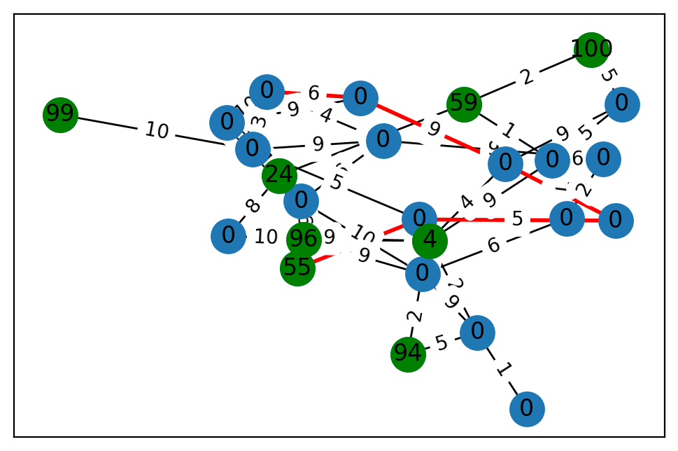
2 | 1 | 24 | 97.203950763 | 57.000661533
3 | 1 | 94 | 80.163648797 | 47.736243926
4 | 0 | 0 | 37.837348582 | 82.205768381
5 | 1 | 4 | 99.984001907 | 95.53482037
6 | 0 | 0 | 71.761839488 | 95.432749314
7 | 0 | 0 | 65.990259444 | 90.349004612
8 | 1 | 100 | 79.695650192 | 62.526315961
9 | 0 | 0 | 56.03142732 | 15.978560232
10 | 0 | 0 | 62.644336019 | 16.996312736
11 | 0 | 0 | 12.775330591 | 37.847818109
12 | 0 | 0 | 7.9620889409 | 55.366235331
13 | 0 | 0 | 24.057893321 | 38.620788113
14 | 0 | 0 | 17.489713814 | 1.1979744734
15 | 0 | 0 | 85.459749087 | 80.580473831
16 | 1 | 59 | 80.359931193 | 42.038730048
17 | 0 | 0 | 85.877754195 | 81.565335785
18 | 0 | 0 | 46.385502691 | 54.807150788
19 | 1 | 55 | 34.832452604 | 33.917818801
20 | 0 | 0 | 9.5403241481 | 31.667279589
21 | 0 | 0 | 22.575727025 | 94.076374132
22 | 0 | 0 | 31.288829109 | 98.34790191
23 | 1 | 96 | 48.102304168 | 38.699324332
24 | 0 | 0 | 81.714963415 | 31.630684614

 | u | v | cost
0 | 0 | 17 | 6
1 | 0 | 13 | 9
2 | 0 | 20 | 1
3 | 0 | 15 | 10
4 | 1 | 17 | 10
5 | 2 | 12 | 8
6 | 2 | 23 | 8
7 | 2 | 16 | 4
8 | 3 | 11 | 2
9 | 3 | 24 | 5
10 | 4 | 24 | 1
11 | 5 | 24 | 2
12 | 5 | 9 | 4
13 | 5 | 21 | 9
14 | 5 | 23 | 4
15 | 5 | 11 | 10
16 | 5 | 12 | 9
17 | 6 | 22 | 9
18 | 6 | 15 | 4
19 | 6 | 20 | 6
20 | 6 | 17 | 9
21 | 7 | 9 | 9
22 | 7 | 21 | 5
23 | 7 | 8 | 5
24 | 8 | 16 | 2
25 | 9 | 18 | 8
26 | 9 | 13 | 9
27 | 10 | 19 | 10
28 | 10 | 18 | 5
29 | 10 | 17 | 5
30 | 10 | 11 | 5
31 | 11 | 20 | 10
32 | 11 | 24 | 9
33 | 11 | 23 | 9
34 | 11 | 14 | 6
35 | 12 | 23 | 10
36 | 13 | 15 | 6
37 | 14 | 21 | 7
38 | 14 | 22 | 2
39 | 15 | 17 | 3
40 | 16 | 21 | 1
41 | 17 | 20 | 3
42 | 19 | 20 | 8
43 | 20 | 23 | 6
44 | 21 | 22 | 6

BT12
 | terminal | prize | x | y
0 | 0 | 0 | 29.954994797 | 72.62841342
1 | 1 | 95 | 64.78683065 | 5.6313140402
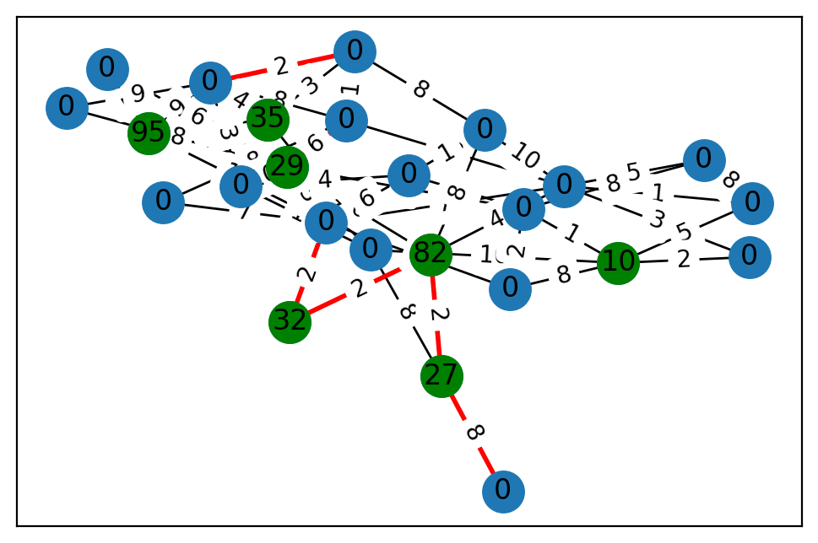
2 | 0 | 0 | 58.70371364 | 15.118944899
3 | 0 | 0 | 7.1087270671 | 31.816630447
4 | 0 | 0 | 14.53752773 | 89.226994057
5 | 0 | 0 | 1.1238593953 | 69.265881142
6 | 0 | 0 | 21.996027027 | 3.6470873594
7 | 1 | 29 | 93.266831182 | 88.666401757
8 | 0 | 0 | 14.428761109 | 9.8734151038
9 | 0 | 0 | 18.11187744 | 53.579501132
10 | 0 | 0 | 34.120981575 | 11.124010103
11 | 0 | 0 | 96.250403834 | 36.097645559
12 | 1 | 35 | 27.182719263 | 99.223671861
13 | 0 | 0 | 16.303627233 | 27.875439126
14 | 1 | 82 | 56.98429345 | 93.997428497
15 | 0 | 0 | 40.417878094 | 72.441536653
16 | 0 | 0 | 60.243578557 | 48.463100456
17 | 1 | 10 | 74.173460473 | 59.753179737
18 | 1 | 27 | 45.347783523 | 92.866643892
19 | 0 | 0 | 40.672745491 | 62.178234522
20 | 1 | 32 | 91.15666347 | 31.810422178
21 | 0 | 0 | 29.436006826 | 2.433580361
22 | 0 | 0 | 52.6742746 | 93.330369662
23 | 0 | 0 | 22.35307984 | 5.0032608996
24 | 0 | 0 | 36.667258964 | 80.956936758

 | u | v | cost
0 | 0 | 18 | 8
1 | 0 | 12 | 10
2 | 0 | 17 | 10
3 | 0 | 15 | 10
4 | 0 | 7 | 7
5 | 1 | 10 | 2
6 | 1 | 24 | 9
7 | 1 | 21 | 10
8 | 1 | 12 | 9
9 | 2 | 3 | 1
10 | 2 | 14 | 4
11 | 2 | 6 | 3
12 | 2 | 5 | 3
13 | 2 | 16 | 5
14 | 2 | 21 | 7
15 | 2 | 11 | 10
16 | 3 | 17 | 5
17 | 3 | 16 | 8
18 | 4 | 6 | 8
19 | 4 | 21 | 7
20 | 5 | 17 | 2
21 | 6 | 7 | 6
22 | 6 | 23 | 1
23 | 6 | 24 | 8
24 | 7 | 15 | 10
25 | 7 | 13 | 3
26 | 7 | 10 | 6
27 | 7 | 14 | 6
28 | 7 | 21 | 3
29 | 7 | 9 | 8
30 | 8 | 15 | 4
31 | 8 | 21 | 6
32 | 8 | 13 | 2
33 | 8 | 11 | 1
34 | 9 | 24 | 9
35 | 11 | 14 | 8
36 | 11 | 23 | 8
37 | 12 | 24 | 4
38 | 12 | 23 | 3
39 | 13 | 17 | 1
40 | 13 | 19 | 2
41 | 13 | 16 | 8
42 | 14 | 20 | 2
43 | 14 | 18 | 2
44 | 15 | 24 | 3
45 | 17 | 19 | 8
46 | 18 | 22 | 8
47 | 19 | 21 | 3
48 | 20 | 21 | 2
49 | 23 | 24 | 2

