Sheet1
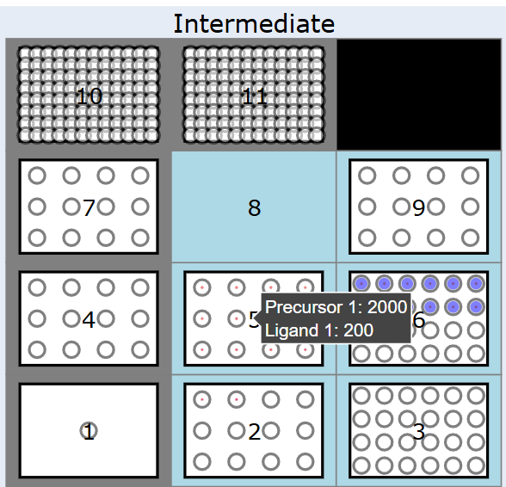
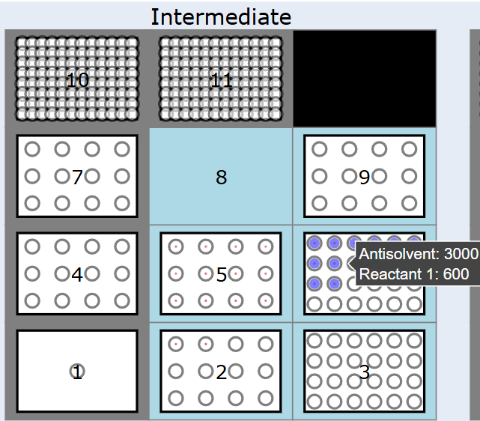
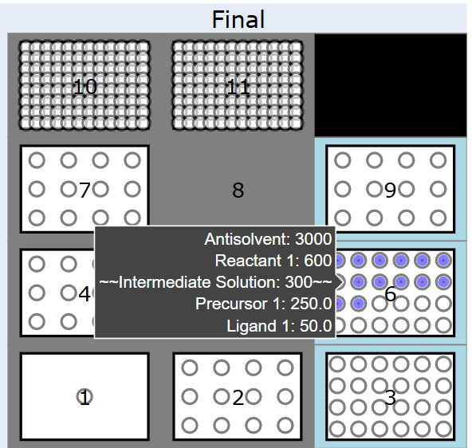
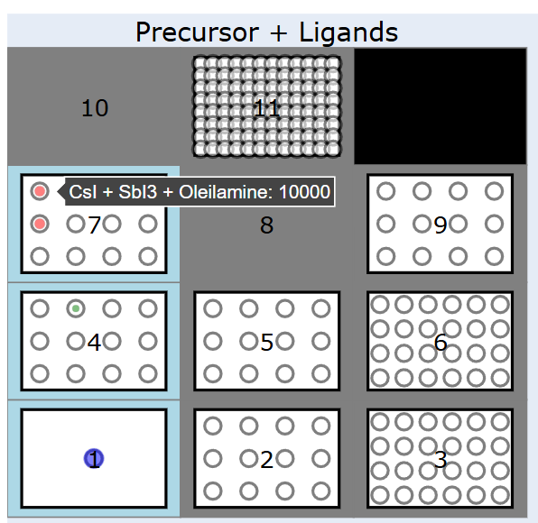
SHEET TO SETUP LARP SYNTHESIS _ SET THE PRECURSOR SOLUTIONS |  |  |  | THIS IS THE INTERMEDIATE PHASE, SET THE PRECURSOR SOLUTIONS AND ANTISOLVENTS |  |  |  |  |  | NOW YOU SET THE INJECTIONS FROM THE INTERMEDIATE TO THE ANTISOLVENT
PRECURSORS AND LIGANDS |  |  | INTERMEDIATE SOLUTIONS |  |  | SETTING ANTISOLVENT SOLUTIONS |  |  |  |  | FINAL SOLUTIONS
LABWARE | lamaiufrgscinza_12_tuberack_20000ul |  | LABWARE | lamaiufrgsbranco_re2_12_tuberack_15000ul |  | LABWARE | lamaiufrgscinza_12_tuberack_20000ul |  |  |  | LABWARE | lamaiufrgscinza_12_tuberack_20000ul
MAX VOLUME | 20000 |  | MAX VOLUME | 15000 |  | MAX VOLUME | 20000 |  |  |  | MAX VOLUME | 20000
POSITION | 7 |  | POSITION | 5 |  | POSITION | 9 |  |  |  | POSITION | 9
 |  |  |  |  |  |  |  |  |  |  |  | INTERMEDIATE SOLUTION
WELLS | SOLUTION | QUANTITY | WELLS | SOLUTION | QUANTITY | WELLS | SOLUTION | QUANTITY |  |  | WELLS | LABWARE POSITION AND WELL | QUANTITY
A1 | precursor1 | 10000 | A1 | precursor1, precursor2, oleic acid, oleylamine | 1000, 1000, 100, 100 | A1 | toluene | 10000 |  |  | A1 | 5 A1 | 300
A2 | precursor1 | 10000 | A2 | precursor1, precursor2, oleic acid, oleylamine | 1000, 1000, 200, 100 | A2 | toluene | 10000 |  |  | A2 | 5 A1 | 300
A3 | precursor2 | 10000 | A3 | precursor1, precursor2, oleic acid, oleylamine | 1000, 1000, 300, 100 | A3 |  |  |  |  | A3
A4 | precursor2 | 10000 | A4 | precursor1, precursor2, oleic acid, oleylamine | 1000, 1000, 400, 100 | A4 |  |  |  |  | A4
B1 |  |  | B1 | precursor1, precursor2, oleic acid, oleylamine | 1000, 1000, 500, 100 | B1 |  |  |  |  | B1
B2 |  |  | B2 | precursor1, precursor2, oleic acid, oleylamine | 1000, 1000, 600, 100 | B2 |  |  |  |  | B2
B3 |  |  | B3 | precursor1, precursor2, oleic acid, oleylamine | 1000, 1000, 700, 100 | B3 |  |  |  |  | B3
B4 |  |  | B4 |  |  | B4 |  |  |  |  | B4
C1 |  |  | C1 |  |  | C1 |  |  |  |  | C1
C2 |  |  | C2 |  |  | C2 |  |  |  |  | C2
C3 |  |  | C3 |  |  | C3 |  |  |  |  | C3
C4 |  |  | C4 |  |  | C4 |  |  |  |  | C4

 |  |  |  |  |  |  |  |  | INJECTIONS MUST CORRESPOND TO EACH OF THE ANTISOLVENT WELLS!!!

LABWARE | lamaiufrgsbranco_re2_12_tuberack_15000ul |  | LABWARE | lamaiufrgsbranco_re2_12_tuberack_15000ul |  | LABWARE | lamaiufrgspreto24_re2_24_tuberack_5000ul |  |  |  | LABWARE | lamaiufrgspreto24_re2_24_tuberack_5000ul
MAX VOLUME | 15000 |  | MAX VOLUME | 15000 |  | MAX VOLUME | 5000 |  |  |  | MAX VOLUME | 5000
POSITION | 4 |  | POSITION | 2 |  | POSITION | 6 |  |  |  | POSITION | 6
 |  |  |  |  |  |  |  |  | INJECTIONS MUST CORRESPOND TO EACH OF THE ANTISOLVENT WELLS!!! |  |  | INTERMEDIATE SOLUTION
WELLS | SOLUTION | QUANTITY | WELLS | SOLUTION | QUANTITY | WELLS | SOLUTION | QUANTITY |  |  | WELLS | LABWARE POSITION AND WELL | QUANTITY
A1 | oleic acid | 10000 | A1 |  |  | A1 | toluene, oleic acid | 3000, 600 |  |  | A1 | 5 A2 | 300
A2 | oleilamine | 10000 | A2 |  |  | A2 | toluene, oleic acid | 3000, 600 |  |  | A2 | 5 A2 | 300
A3 |  |  | A3 |  |  | A3 | toluene, oleic acid | 3000, 600 |  |  | A3 | 5 A3 | 300
A4 |  |  | A4 |  |  | A4 | toluene, oleic acid | 3000, 600 |  |  | A4 | 5 A3 | 300
B1 |  |  | B1 |  |  | A5 | toluene, oleic acid | 3000, 600 |  |  | A5 | 5 A3 | 300
B2 |  |  | B2 |  |  | A6 |  |  |  |  | A6
B3 |  |  | B3 |  |  | B1 |  |  |  |  | B1
B4 |  |  | B4 |  |  | B2 |  |  |  |  | B2
C1 |  |  | C1 |  |  | B3 |  |  |  |  | B3
C2 |  |  | C2 |  |  | B4 |  |  |  |  | B4
C3 |  |  | C3 |  |  | B5 |  |  |  |  | B5
C4 |  |  | C4 |  |  | B6 |  |  |  |  | B6
 |  |  |  |  |  | C1 |  |  |  |  | C1
 |  |  |  |  |  | C2 |  |  |  |  | C2
 |  |  |  |  |  | C3 |  |  |  |  | C3
 |  |  |  |  |  | C4 |  |  |  |  | C4
 |  |  |  |  |  | C5 |  |  | INJECTIONS MUST CORRESPOND TO EACH OF THE ANTISOLVENT WELLS!!! |  | C5
 |  |  |  |  |  | C6 |  |  |  |  | C6
 |  |  |  |  |  | D1 |  |  |  |  | D1
 |  |  |  |  |  | D2 |  |  |  |  | D2
 |  |  |  |  |  | D3 |  |  |  |  | D3
LABWARE | lamaiufrgsreservatoriotemp_1_reservoir_80000ul |  |  |  |  | D4 |  |  |  |  | D4
MAX VOLUME | 100000 |  |  |  |  | D5 |  |  |  |  | D5
POSITION | 1 |  |  |  |  | D6 |  |  |  |  | D6

WELLS | SOLUTION | QUANTITY
A1 | toluene | 80000 |  |  |  | LABWARE | lamaiufrgspreto24_re2_24_tuberack_5000ul |  |  |  | LABWARE | lamaiufrgspreto24_re2_24_tuberack_5000ul
 |  |  |  |  |  | MAX VOLUME | 5000 |  | INJECTIONS MUST CORRESPOND TO EACH OF THE ANTISOLVENT WELLS!!! |  | MAX VOLUME | 5000
 |  |  |  |  |  | POSITION | 3 |  |  |  | POSITION | 3
 |  |  |  |  |  |  |  |  |  |  |  | INTERMEDIATE SOLUTION
 |  |  |  |  |  | WELLS | SOLUTION | QUANTITY |  |  | WELLS | LABWARE POSITION AND WELL | QUANTITY
 |  |  |  |  |  | A1 |  |  |  |  | A1
 |  |  |  |  |  | A2 |  |  |  |  | A2
 |  |  |  |  |  | A3 |  |  |  |  | A3
 |  |  |  |  |  | A4 |  |  |  |  | A4
 |  |  |  |  |  | A5 |  |  |  |  | A5
 |  |  |  |  |  | A6 |  |  |  |  | A6
 |  |  |  |  |  | B1 |  |  |  |  | B1
 |  |  |  |  |  | B2 |  |  |  |  | B2
 |  |  |  |  |  | B3 |  |  |  |  | B3
 |  |  |  |  |  | B4 |  |  |  |  | B4
 |  |  |  |  |  | B5 |  |  |  |  | B5
 |  |  |  |  |  | B6 |  |  |  |  | B6
 |  |  |  |  |  | C1 |  |  |  |  | C1
 |  |  |  |  |  | C2 |  |  |  |  | C2
 |  |  |  |  |  | C3 |  |  |  |  | C3
 |  |  |  |  |  | C4 |  |  |  |  | C4
 |  |  |  |  |  | C5 |  |  | INJECTIONS MUST CORRESPOND TO EACH OF THE ANTISOLVENT WELLS!!! |  | C5
 |  |  |  |  |  | C6 |  |  |  |  | C6
 |  |  |  |  |  | D1 |  |  |  |  | D1
 |  |  |  |  |  | D2 |  |  |  |  | D2
 |  |  |  |  |  | D3 |  |  |  |  | D3
 |  |  |  |  |  | D4 |  |  |  |  | D4
 |  |  |  |  |  | D5 |  |  |  |  | D5
 |  |  |  |  |  | D6 |  |  |  |  | D6

