sheet1
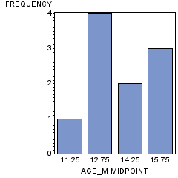
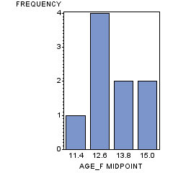
Men |  |  | Women
NAME_M | AGE_M | SEX_M | NAME_F | AGE_F | SEX_F
Alfred | 14 | M | Alice | 13 | F
Henry | 14 | M | Barbara | 13 | F
James | 12 | M | Carol | 14 | F
Jeffrey | 13 | M | Jane | 12 | F
John | 12 | M | Janet | 15 | F
Philip | 16 | M | Joyce | 11 | F
Robert | 12 | M | Judy | 14 | F
Ronald | 15 | M | Louise | 12 | F
Thomas | 11 | M | Mary | 15 | F
William | 15 | M |  | .

