sheet1
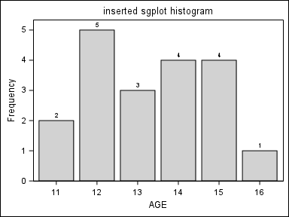
Country | Product | Actual Sales
CANADA | BED | $47,729.00
 | CHAIR | $50,239.00
 | DESK | $52,187.00
 | SOFA | $50,135.00
 | TABLE | $46,700.00
GERMANY | BED | $46,134.00
 | CHAIR | $47,105.00
 | DESK | $48,502.00
 | SOFA | $55,060.00
 | TABLE | $49,197.00
 |  | $492,988.00

