Sheet2
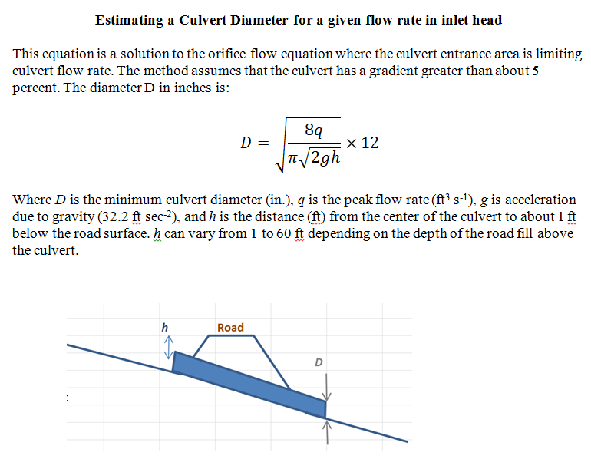

q | 275 | 370 | cfs
pi | 3.14159 | 3.14159
g | 32.2 | 32.2 | ft/s^2
h | 3.67 | 3.67 | ft
D | 80.990 | 94 | in.
D | 6.7 | 7.8 | ft.

