Glossary
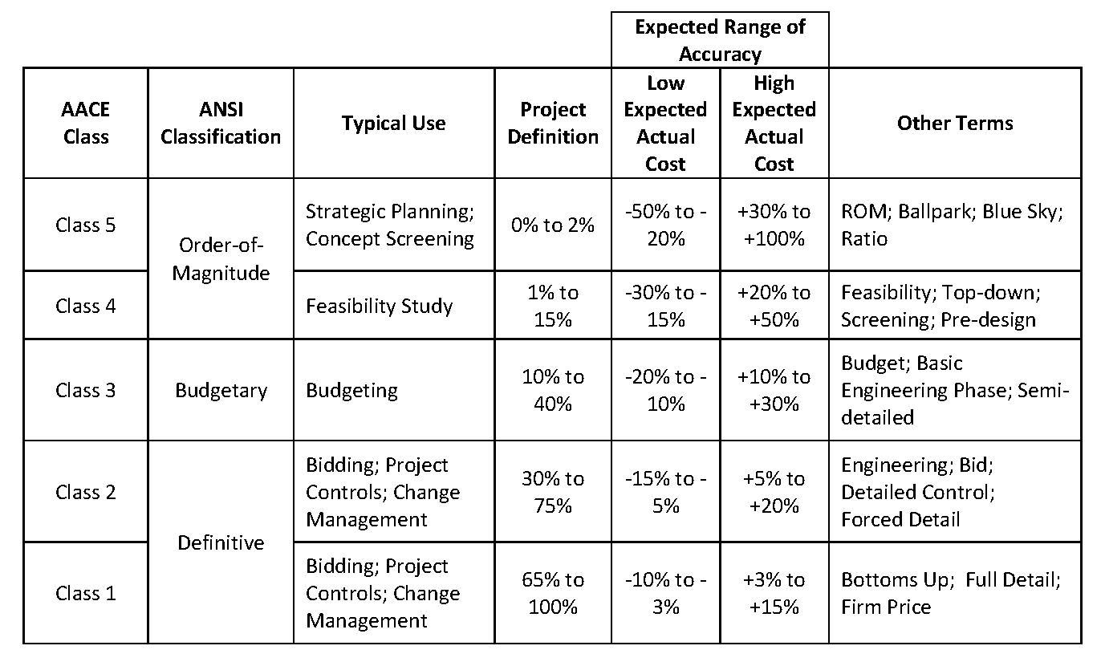
Code | Headers description | Content | Change rates of the Capex
 | ORIGINAL BUDGET | BOP, LNG, ROS initial budget when transfered to Idom EPCM | Currency | EUR | USD
 | APPROVED CHANGES | Budget related to a defined scope, as added to or removed from the Capex by Stegra | EUR | 1 | 1.18
 | BUDGET RE-ALLOCATION | Budget transfers between CBS or packages to allow enough budget for commitments | USD | 0.918 | 1
 | CURRENT BUDGET | Approved Budget, the sum of A+B+C | CNY | 7.85 | 0.14
 | COMMITMENTS (TG5) | Commitments with contract signed | BRL | 0.19 | 0.21
 | CHANGE ORDERS (CO) | Change request approved | RUB | 0.012 | 0.014
 | BUDGET TO BE COMMITTED | Budget scope pending to award | SEK | 0.089 | 0.11
 | CURRENT FORECAST | Outcome to date, contracted scope updated budget + Uncomitted Capex pending to award | NOK | 0.092 | 0.1
 | GAPS (EAC VS Current Capex) | Variance between Current Forecast and Current Budget | DKK | 0.13 | 0.15
 | VOWD | Value Of Work Done as actual cost of works performed, certified or estimated (if possible), includes pre-payments
 | SPENT TO DATE | Approved payments,, includes pre-payments and advance payments, as well as retentions
 | RISK & OPPROTUNITIES | Certain or uncertain quantified future variations or events, to be followed through to the final decision and figure.
 | POTENTIAL FORECAST | Includes updated quantities from engineering, Bids, risks, opportunities and vulnerabilities

GLOSSARY
VOWD=Actual cost of Value Of Work Done, which includes Prepayments but not Advance Payments
Spent to Date=Current Approved payments which includes Prepayments and Advance payments
Prepayment=Scheduled first contractual payment with no progress and no future refund
Advance payment=Scheduled first contractual payment with no progress and with repayment on each invoice
CR's=Change Requests
CO's=Change Orders

* BOP CAPEX includes: Afry preliminary capex + MV Cabling budget + Indirects + Stegra adjustments

Date: | Document code | Description
04/05/2023 | D0045551-M0004 rev7 | Arfry preliminary Capex

KPI's
 |  |  |  |  |  | EPCm - BOP Monthly Cost Report
 |  |  |  |  |  | VOWD & Cost Timephasing
 | PROJECT: BODEN - BALANCE OF PLANT |  |  |  |  |  |  | Cut-Off Month | Sept-25
 | CLIENT: STEGRA |  |  |  |  |  |  | Presenting Month | Oct-25
Value Of Work Timephasing BOP + LNG + ROS + EXI (Temp. Power&Water)
 | Period Forecast | Period VOWD | Cum VOW Forecast | Cum VOW Done | Cum Committed | Current Budget | Commitments Forecast
6 |  | 233,949 |  | 233,949 | 22,002,399 | 243,890,118
7 |  | 321,886 |  | 555,835 | 22,002,399 | 243,890,118
8 |  | 153,110 |  | 708,945 | 22,002,399 | 243,890,118
9 |  | 41,703 |  | 750,648 | 22,002,399 | 243,890,118
10 |  | 584,527 |  | 1,335,175 | 22,002,399 | 243,890,118
11 |  | 223,686 |  | 1,558,861 | 22,002,399 | 243,890,118
12 |  | 199,694 |  | 1,758,555 | 22,002,399 | 243,890,118
1 |  | 262,991 |  | 2,021,546 | 23,002,399 | 243,890,118
2 |  | 333,289 |  | 2,354,835 | 23,002,399 | 243,890,118
3 |  | 324,598 |  | 2,679,433 | 23,617,799 | 243,890,118
4 |  | 375,860 |  | 3,055,293 | 29,547,808 | 243,890,118
5 |  | 1,661,701 |  | 4,716,994 | 30,842,485 | 243,890,118
6 |  | 479,804 |  | 5,196,798 | 75,604,194 | 243,890,118
7 |  | 491,240 |  | 5,688,039 | 103,364,563 | 239,125,412
8 |  | 7,165,537 |  | 12,853,576 | 104,078,031 | 239,125,412
9 |  | 7,858,390 |  | 20,711,966 | 115,287,071 | 236,424,895
10 |  | 5,395,970 |  | 26,107,936 | 116,496,736 | 236,424,895
11 |  | 9,718,939 |  | 35,826,876 | 117,168,949 | 236,424,895
12 |  | 2,985,311 |  | 38,812,187 | 120,226,429 | 234,041,702
1 |  | 2,036,571 |  | 40,848,758 | 131,415,132 | 243,948,980
2 |  | 4,973,893 |  | 45,822,651 | 132,606,806 | 267,731,173
3 |  | 18,303,287 |  | 64,125,937 | 147,290,199 | 267,007,178
4 |  | 29,612,753 |  | 93,738,691 | 207,076,546 | 307,400,009
5 |  | 11,928,842 |  | 105,667,533 | 221,264,578 | 307,400,009
6 |  | 16,684,460 |  | 122,351,993 | 232,792,470 | 309,547,486
7 |  | 14,069,228 |  | 136,421,221 | 249,234,111 | 316,532,911
8 |  | 15,444,231 |  | 151,865,452 | 263,755,254 | 316,532,911
9 |  | 14,488,625 | 166,354,077 | 166,354,077 | 266,568,298 | 316,532,911 | 266,568,298
10 | 18598218.248 |  | 184,952,295 |  |  | 316,532,911 | 285,051,888
11 | 27040577.811 |  | 211,992,873 |  |  | 316,532,911 | 299,497,048
12 | 14323385.505 |  | 226,316,259 |  |  | 316,532,911 | 330,888,962
1 | 19103846.921 |  | 245,420,106 |  |  | 316,532,911 | 333,062,577
2 | 24457025.887 |  | 269,877,132 |  |  | 316,532,911 | 344,675,417
3 | 22170864.758 |  | 292,047,996 |  |  | 316,532,911 | 344,675,417
4 | 14333937.702 |  | 306,381,934 |  |  | 316,532,911 | 348,809,296
5 | 15335074.587 |  | 321,717,009 |  |  | 316,532,911 | 349,109,296
6 | 15178480.823 |  | 336,895,489 |  |  | 316,532,911 | 352,209,296
7 | 8720201.0536 |  | 345,615,690 |  |  | 316,532,911 | 352,209,296
8 | 5471923.4162 |  | 351,087,614 |  |  | 316,532,911 | 352,441,385
9 | 558999.724 |  | 351,646,614 |  |  | 316,532,911 | 352,441,385
10 | 0 |  | 351,646,614 |  |  | 316,532,911 | 352,441,385
11 | 794771.225 |  | 352,441,385 |  |  | 316,532,911 | 352,441,385
12 | 0 |  | 352,441,385 |  |  | 316,532,911 | 352,441,385

 |  |  | x

 |  |  | FORECASTED | VOWD | MoM: Forecasted vs Actual
CBS1 | CBS2 | Description CBS2 | September | September | Differences | Var. % | Comments / Main reason of deviation |  | October
BOP | EG | Engineering | 191,117 | 185,773 | (5,344) | -3% | Anfra not confirmed progress on PDOP "Design of concrete structures, geotechnical and drainage systems" |  | 258,983
 | PT | Equipment / Materials | 5,815,356 | 4,064,587 | (1,750,769) | -30% | Pipe bridge progress cost of Rack Piping and Cable Trays not reported |  | 6,715,724
 | CN | Construction | 6,696,578 | 6,257,129 | (439,449) | -7% | Lower progress certified in GRK Pipe bridge and Actemium on-site cable pulling |  | 7,619,181
 | OT | Indirects | 809,524 | 980,672 | 171,148 | 21% | Uncommitted SWECO PCM Change Order |  | 829,237
Total BOP |  |  | 13,512,576 | 11,488,161 | (2,024,414) | -15% |  |  | 15,423,124
LNG | PT | Equipment / Materials | - | - | - |  |  |  | -
 | CN | Construction | 1,532,426 | 1,422,194 | (110,232) | -7% | Not reported progress on CHART CO-2024.000225-004 Precast concrete fundaments and scale heating |  | -
 | CM | Commissioning | - | - | - |  |  |  | -
 | OT | Indirects | - | - | - |  |  |  | -
Total LNG |  |  | 1,532,426 | 1,422,194 | (110,232) | -7% |  |  | -
ROS | EG | Engineering | - | - | - |  |  |  | -
 | CN | Construction | - | - | - |  |  |  | -
 | OT | Indirects | - | - | - |  |  |  | -
Total ROS |  |  | - | - | - |  |  |  | -
EXI | IR | Infraestructure | 1,638,774 | 1,578,269 | (60,505) | -4% | Lower progress certified in Actemium temporary on-site cable pulling |  | 2,493,098
Total EXI (Temporary Power&Water) |  |  | 1,638,774 | 1,578,269 | (60,505) | -4% |  |  | 2,493,098
Grand Total |  |  | 16,683,776 | 14,488,625 | (2,195,151) | -13% |  |  | 17,916,222

