Glossary
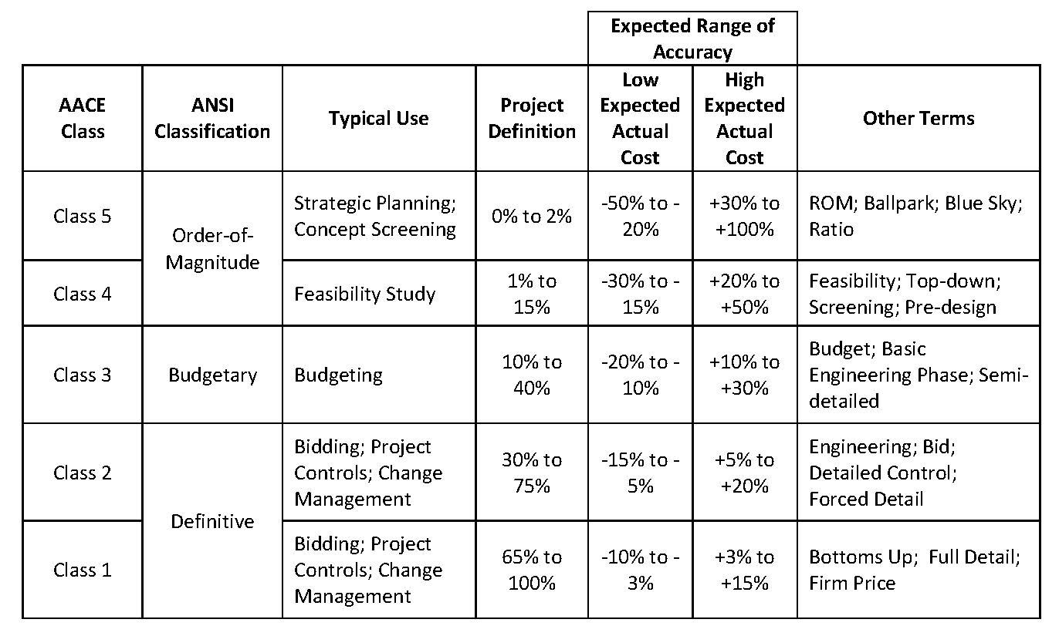
Code | Headers description | Content | Change rates of the Capex
 | ORIGINAL BUDGET | BOP, LNG, ROS initial budget when transfered to Idom EPCM | Currency | EUR | USD
 | APPROVED CHANGES | Budget related to a defined scope, as added to or removed from the Capex by Stegra | EUR | 1 | 1.18
 | BUDGET RE-ALLOCATION | Budget transfers between CBS or packages to allow enough budget for commitments | USD | 0.918 | 1
 | CURRENT BUDGET | Approved Budget, the sum of A+B+C | CNY | 7.85 | 0.14
 | COMMITMENTS (TG5) | Commitments with contract signed | BRL | 0.19 | 0.21
 | CHANGE ORDERS (CO) | Change request approved | RUB | 0.012 | 0.014
 | BUDGET TO BE COMMITTED | Budget scope pending to award | SEK | 0.089 | 0.11
 | CURRENT FORECAST | Outcome to date, contracted scope updated budget + Uncomitted Capex pending to award | NOK | 0.092 | 0.1
 | GAPS (EAC VS Current Capex) | Variance between Current Forecast and Current Budget | DKK | 0.13 | 0.15
 | VOWD | Value Of Work Done as actual cost of works performed, certified or estimated (if possible), includes pre-payments
 | SPENT TO DATE | Approved payments,, includes pre-payments and advance payments, as well as retentions
 | RISK & OPPROTUNITIES | Certain or uncertain quantified future variations or events, to be followed through to the final decision and figure.
 | POTENTIAL FORECAST | Includes updated quantities from engineering, Bids, risks, opportunities and vulnerabilities

GLOSSARY
VOWD=Actual cost of Value Of Work Done, which includes Prepayments but not Advance Payments
Spent to Date=Current Approved payments which includes Prepayments and Advance payments
Prepayment=Scheduled first contractual payment with no progress and no future refund
Advance payment=Scheduled first contractual payment with no progress and with repayment on each invoice
CR's=Change Requests
CO's=Change Orders

* BOP CAPEX includes: Afry preliminary capex + MV Cabling budget + Indirects + Stegra adjustments

Date: | Document code | Description
04/05/2023 | D0045551-M0004 rev7 | Arfry preliminary Capex

KPI's
 |  |  |  |  |  | EPCm - BOP Monthly Cost Report
 |  |  |  |  |  | VOWD & Cost Timephasing
 | PROJECT: BODEN - BALANCE OF PLANT |  |  |  |  |  |  | Cut-Off Month | Oct-25
 | CLIENT: STEGRA |  |  |  |  |  |  | Presenting Month | Nov-25
Value Of Work Timephasing BOP + LNG + ROS + EXI (Temp. Power&Water)
 | Period Forecast | Period VOWD | Cum VOW Forecast | Cum VOW Done | Cum Committed | Current Budget | Commitments Forecast
6 |  | 233,949 |  | 233,949 | 22,002,399 | 243,890,118
7 |  | 321,886 |  | 555,835 | 22,002,399 | 243,890,118
8 |  | 153,110 |  | 708,945 | 22,002,399 | 243,890,118
9 |  | 41,703 |  | 750,648 | 22,002,399 | 243,890,118
10 |  | 584,527 |  | 1,335,175 | 22,002,399 | 243,890,118
11 |  | 223,686 |  | 1,558,861 | 22,002,399 | 243,890,118
12 |  | 199,694 |  | 1,758,555 | 22,002,399 | 243,890,118
1 |  | 262,991 |  | 2,021,546 | 23,002,399 | 243,890,118
2 |  | 333,289 |  | 2,354,835 | 23,002,399 | 243,890,118
3 |  | 324,598 |  | 2,679,433 | 23,617,799 | 243,890,118
4 |  | 375,860 |  | 3,055,293 | 29,547,808 | 243,890,118
5 |  | 1,661,701 |  | 4,716,994 | 30,842,485 | 243,890,118
6 |  | 479,804 |  | 5,196,798 | 75,604,194 | 243,890,118
7 |  | 491,240 |  | 5,688,039 | 103,364,563 | 239,125,412
8 |  | 7,165,537 |  | 12,853,576 | 104,078,031 | 239,125,412
9 |  | 7,858,390 |  | 20,711,966 | 115,287,071 | 236,424,895
10 |  | 5,395,970 |  | 26,107,936 | 116,496,736 | 236,424,895
11 |  | 9,718,939 |  | 35,826,876 | 117,168,949 | 236,424,895
12 |  | 2,985,311 |  | 38,812,187 | 120,226,429 | 234,041,702
1 |  | 2,036,571 |  | 40,848,758 | 128,755,508 | 243,948,980
2 |  | 4,973,893 |  | 45,822,651 | 129,947,182 | 267,731,173
3 |  | 18,303,287 |  | 64,125,937 | 144,630,575 | 267,007,178
4 |  | 29,612,753 |  | 93,738,691 | 204,416,923 | 307,400,009
5 |  | 11,928,842 |  | 105,667,533 | 218,604,954 | 307,400,009
6 |  | 16,684,460 |  | 122,351,993 | 230,132,847 | 309,547,486
7 |  | 14,069,228 |  | 136,421,221 | 246,350,763 | 316,532,911
8 |  | 15,444,231 |  | 151,865,452 | 260,871,906 | 316,532,911
9 |  | 14,431,492 |  | 166,296,945 | 263,684,950 | 316,532,911
10 |  | 24,308,314 | 190,605,259 | 190,605,259 | 271,076,025 | 316,532,911 | 271,076,025
11 | 15975132.477 |  | 206,580,392 |  |  | 316,532,911 | 285,061,205
12 | 17427520.094 |  | 224,007,912 |  |  | 316,532,911 | 319,407,819
1 | 16114197.442 |  | 240,122,109 |  |  | 316,532,911 | 322,408,737
2 | 18570938.858 |  | 258,693,048 |  |  | 316,532,911 | 336,988,351
3 | 20721198.632 |  | 279,414,247 |  |  | 316,532,911 | 346,469,578
4 | 15341951.951 |  | 294,756,198 |  |  | 316,532,911 | 350,603,457
5 | 16913724.44 |  | 311,669,923 |  |  | 316,532,911 | 350,903,457
6 | 15276132.796 |  | 326,946,056 |  |  | 316,532,912 | 354,003,457
7 | 8288027.5062 |  | 335,234,083 |  |  | 316,532,913 | 354,003,457
8 | 5850501.5528 |  | 341,084,585 |  |  | 316,532,914 | 354,235,546
9 | 3351910.5757 |  | 344,436,495 |  |  | 316,532,915 | 354,235,546
10 | 2432725.3542 |  | 346,869,221 |  |  | 316,532,916 | 354,235,546
11 | 4032031.2377 |  | 350,901,252 |  |  | 316,532,917 | 354,235,546
12 | 918175.11268 |  | 351,819,427 |  |  | 316,532,918 | 354,235,546
1 | 1497946.3377 |  | 353,317,373 |  |  | 316,532,919 | 354,235,546
2 | 918175.11268 |  | 354,235,549 |  |  | 316,532,920 | 354,235,546
3 | 0 |  | 354,235,549 |  |  | 316,532,921 | 354,235,546
4 | 0 |  | 354,235,549 |  |  | 316,532,922 | 354,235,546
5 | 0 |  | 354,235,549 |  |  | 316,532,923 | 354,235,546
6 | 0 |  | 354,235,549 |  |  | 316,532,924 | 354,235,546

 |  |  | x

 |  |  | FORECASTED | VOWD | MoM: Forecasted vs Actual
CBS1 | CBS2 | Description CBS2 | October | October | Differences | Var. % | Comments / Main reason of deviation |  | November
BOP | EG | Engineering | 258,983 | 166,025 | (92,958) | -36% | Ferrmix Workshop engineering hours - milestones of payment not achieved |  | 38,627
 | PT | Equipment / Materials | 6,715,724 | 6,371,605 | (344,118) | -5% | Siemens Switchgears - not certified progress on 25% milestone for NPB202, 205 and 316 |  | 5,003,026
 | CN | Construction | 7,619,181 | 7,709,861 | 90,680 | 1% | Ferrmix piping progress estimated based on schedule - not received certification for payment |  | 7,830,108
 | OT | Indirects | 829,237 | 1,034,440 | 205,204 | 25% | Idom SWECO PCM change request not yet approved - not possible to forecast those costs |  | 806,727
Total BOP |  |  | 15,423,124 | 15,281,932 | (141,192) | -1% |  |  | 13,678,489
LNG | PT | Equipment / Materials | - | - | - |  |  |  | -
 | CN | Construction | - | - | - |  |  |  | -
 | CM | Commissioning | - | - | - |  |  |  | -
 | OT | Indirects | - | - | - |  |  |  | -
Total LNG |  |  | - | - | - |  |  |  | -
ROS | EG | Engineering | - | - | - |  |  |  | -
 | CN | Construction | - | 7,399,112 | 7,399,112 |  | Cumulative rails progres regularized - clarified work done last year and corresponding currency |  | 170,955
 | OT | Indirects | - | 20,227 | 20,227 |  |  |  | -
Total ROS |  |  | - | 7,419,339 | 7,419,339 |  |  |  | 170,955
EXI | IR | Infraestructure | 2,493,098 | 1,607,043 | (886,055) | -36% | Not confirmed progress on Boden Energi and JNE contractors, to investigate |  | 1,172,704
Total EXI (Temporary Power&Water) |  |  | 2,493,098 | 1,607,043 | (886,055) | -36% |  |  | 1,172,704
Grand Total |  |  | 17,916,222 | 24,308,314 | 6,392,092 | 36% |  |  | 15,022,147

