Glossary
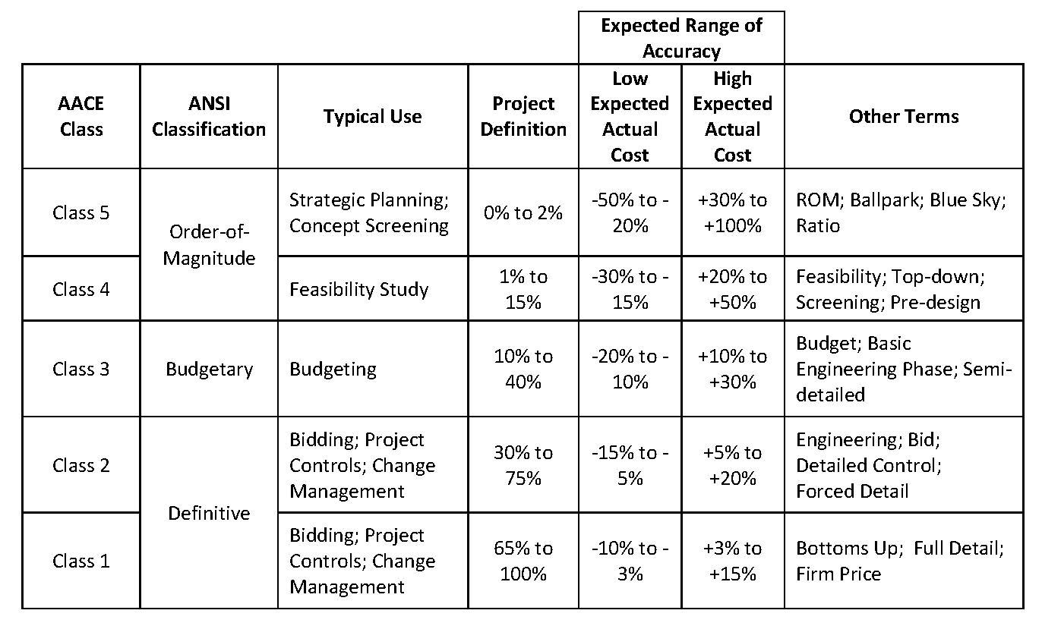
Code | Headers description | Content | Change rates of the Capex
 | ORIGINAL BUDGET | BOP, LNG, ROS initial budget when transfered to Idom EPCM | Currency | EUR | USD
 | APPROVED CHANGES | Budget related to a defined scope, as added to or removed from the Capex by Stegra | EUR | 1 | 1.18
 | BUDGET RE-ALLOCATION | Budget transfers between CBS or packages to allow enough budget for commitments | USD | 0.918 | 1
 | CURRENT BUDGET | Approved Budget, the sum of A+B+C | CNY | 7.85 | 0.14
 | COMMITMENTS (TG5) | Commitments with contract signed | BRL | 0.19 | 0.21
 | CHANGE ORDERS (CO) | Change request approved | RUB | 0.012 | 0.014
 | BUDGET TO BE COMMITTED | Budget scope pending to award | SEK | 0.089 | 0.11
 | CURRENT FORECAST | Outcome to date, contracted scope updated budget + Uncomitted Capex pending to award | NOK | 0.092 | 0.1
 | VOWD | Value Of Work Done as actual cost of works performed, certified or estimated (if possible), includes pre-payments
 | OPPORTUNITIES AND VULNERABILITIES | Certain or uncertain quantified future variations or events, to be followed through to the final decision and figure.
 | POTENTIAL FORECAST | Includes updated quantities from engineering, Bids, risks, opportunities and vulnerabilities

GLOSSARY
VOWD=Actual cost of Value Of Work Done, which includes Prepayments but not Advance Payments
Prepayment=Scheduled first contractual payment with no progress and no future refund
Advance payment=Scheduled first contractual payment with no progress and with repayment on each invoice
CR's=Change Requests
CO's=Change Orders

* BOP CAPEX includes: Afry preliminary capex + MV Cabling budget + Indirects + Stegra adjustments

Date: | Document code | Description
04/05/2023 | D0045551-M0004 rev7 | Arfry preliminary Capex

KPI's
 |  |  |  |  |  | EPCm - BOP Monthly Cost Report
 |  |  |  |  |  | VOWD & Cost Timephasing
 | PROJECT: BODEN - BALANCE OF PLANT |  |  |  |  |  |  | Cut-Off Month | Nov-25
 | CLIENT: STEGRA |  |  |  |  |  |  | Presenting Month | Dec-25
Value Of Work Timephasing BOP + LNG + ROS + EXI (Temp. Power&Water)
 | Period Forecast | Period VOWD | Cum VOW Forecast | Cum VOW Done | Cum Committed | Current Budget | Commitments Forecast
6 |  | 233,949 |  | 233,949 | 22,002,399 | 243,890,118
7 |  | 321,886 |  | 555,835 | 22,002,399 | 243,890,118
8 |  | 153,110 |  | 708,945 | 22,002,399 | 243,890,118
9 |  | 41,703 |  | 750,648 | 22,002,399 | 243,890,118
10 |  | 584,527 |  | 1,335,175 | 22,002,399 | 243,890,118
11 |  | 223,686 |  | 1,558,861 | 22,002,399 | 243,890,118
12 |  | 199,694 |  | 1,758,555 | 22,002,399 | 243,890,118
1 |  | 262,991 |  | 2,021,546 | 23,002,399 | 243,890,118
2 |  | 333,289 |  | 2,354,835 | 23,002,399 | 243,890,118
3 |  | 324,598 |  | 2,679,433 | 23,617,799 | 243,890,118
4 |  | 375,860 |  | 3,055,293 | 29,547,808 | 243,890,118
5 |  | 1,661,701 |  | 4,716,994 | 30,842,485 | 243,890,118
6 |  | 479,804 |  | 5,196,798 | 75,604,194 | 243,890,118
7 |  | 491,240 |  | 5,688,039 | 103,364,563 | 239,125,412
8 |  | 7,951,678 |  | 13,639,717 | 104,078,031 | 239,125,412
9 |  | 8,452,207 |  | 22,091,925 | 115,287,071 | 236,424,895
10 |  | 8,612,537 |  | 30,704,461 | 116,496,736 | 236,424,895
11 |  | 9,718,939 |  | 40,423,401 | 117,168,949 | 236,424,895
12 |  | 2,985,311 |  | 43,408,712 | 120,226,429 | 234,041,702
1 |  | 2,036,571 |  | 45,445,283 | 128,755,508 | 243,948,980
2 |  | 4,973,893 |  | 50,419,176 | 129,947,182 | 267,731,173
3 |  | 18,303,287 |  | 68,722,462 | 144,630,575 | 267,007,178
4 |  | 25,622,604 |  | 94,345,067 | 204,416,923 | 307,400,009
5 |  | 11,944,407 |  | 106,289,474 | 218,604,954 | 307,400,009
6 |  | 19,939,822 |  | 126,229,296 | 225,255,128 | 309,547,486
7 |  | 14,779,717 |  | 141,009,012 | 241,473,045 | 316,532,911
8 |  | 19,367,965 |  | 160,376,977 | 260,871,906 | 316,532,911
9 |  | 15,785,303 |  | 176,162,280 | 263,684,950 | 316,532,911
10 |  | 15,978,350 |  | 192,140,630 | 270,957,473 | 316,532,911
11 |  | 8,048,424 | 200,189,053 | 200,189,053 | 277,885,866 | 316,532,911 | 277,885,866
12 | 7258075.6413 |  | 207,447,129 |  |  | 316,532,911 | 308,412,590
1 | 8715437.3004 |  | 216,162,566 |  |  | 316,532,911 | 309,684,228
2 | 14942729.403 |  | 231,105,296 |  |  | 316,532,911 | 320,340,497
3 | 16753232.032 |  | 247,858,528 |  |  | 316,532,911 | 337,613,696
4 | 15085529.212 |  | 262,944,057 |  |  | 316,532,911 | 346,526,495
5 | 18107467.66 |  | 281,051,525 |  |  | 316,532,911 | 352,024,219
6 | 18467461.54 |  | 299,518,986 |  |  | 316,532,912 | 355,124,219
7 | 14203457.418 |  | 313,722,444 |  |  | 316,532,913 | 355,124,219
8 | 13678706.821 |  | 327,401,150 |  |  | 316,532,914 | 357,162,010
9 | 9087248.4455 |  | 336,488,399 |  |  | 316,532,915 | 357,162,010
10 | 9318717.491 |  | 345,807,116 |  |  | 316,532,916 | 357,162,010
11 | 7030598.4277 |  | 352,837,715 |  |  | 316,532,917 | 357,162,010
12 | 1413175.1127 |  | 354,250,890 |  |  | 316,532,918 | 357,162,010
1 | 1992946.3377 |  | 356,243,836 |  |  | 316,532,919 | 357,162,010
2 | 918175.11268 |  | 357,162,011 |  |  | 316,532,920 | 357,162,010
3 | 0 |  | 357,162,011 |  |  | 316,532,921 | 357,162,010
4 | 0 |  | 357,162,011 |  |  | 316,532,922 | 357,162,010
5 | 0 |  | 357,162,011 |  |  | 316,532,923 | 357,162,010
6 | 0 |  | 357,162,011 |  |  | 316,532,924 | 357,162,010

 |  |  | x

 |  |  | FORECASTED | VOWD | MoM: Forecasted vs Actual
CBS1 | CBS2 | Description CBS2 | November | November | Differences | Var. % | Comments / Main reason of deviation |  | December
BOP | EG | Engineering | 38,627 | 80,583 | 41,956 | 109% | Idom engineering higher progress |  | 89,382
 | PT | Equipment / Materials | 4,577,807 | 3,758,766 | (819,041) | -18% | Ingersoll last payment milestone unmet; LV switchgear progress below expectations |  | 3,233,164
 | CN | Construction | 2,720,870 | 2,226,875 | (493,995) | -18% | Actemium Temp. power onsite progress below forecast; PDOP no progress on Field and Road milestone |  | 1,703,368
 | OT | Indirects | 806,727 | 1,438,757 | 632,030 | 78% | Idom SWECO PCM change request not yet approved |  | 847,257
Total BOP |  |  | 8,144,032 | 7,504,981 | (639,050) | -8% |  |  | 5,873,171
LNG | PT | Equipment / Materials | - | - | - |  | No CHART milestones were forecasted or achieved |  | -
 | CN | Construction | - | - | - |  | The LNG civil commitment has been fully consumed |  | 224,593
 | CM | Commissioning | - | - | - |  |  |  | -
 | OT | Indirects | - | - | - |  |  |  | -
Total LNG |  |  | - | - | - |  |  |  | 224,593
ROS | EG | Engineering | - | - | - |  |  |  | -
 | CN | Construction | 170,955 | 105,982 | (64,973) | -38% | No groundworks progress reported by GRK, VOWD from ACC PayApps |  | -
 | OT | Indirects | - | - | - |  |  |  | -
Total ROS |  |  | 170,955 | 105,982 | (64,973) | -38% |  |  | -
EXI | IR | Infraestructure | 1,172,704 | 437,460 | (735,244) | -63% | Actemium Temp. power onsite and offsite progress below forecast |  | 1,160,312
Total EXI (Temporary Power&Water) |  |  | 1,172,704 | 437,460 | (735,244) | -63% |  |  | 1,160,312
Grand Total |  |  | 9,487,690 | 8,048,424 | (1,439,267) | -15% |  |  | 7,258,076

