Glossary
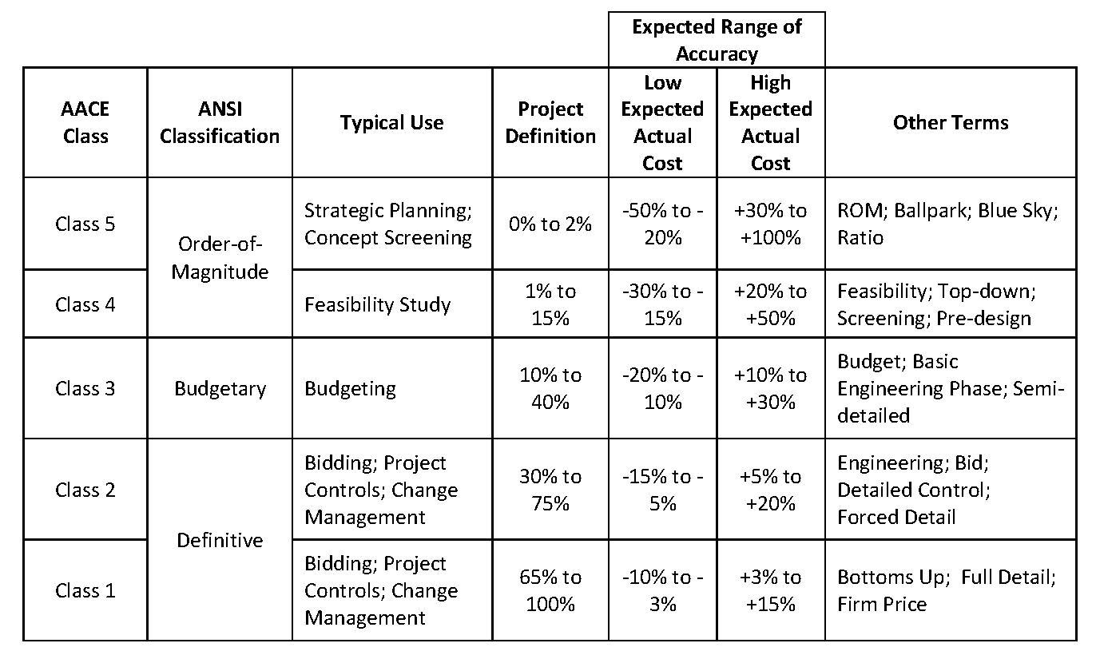
Code | Headers description | Content | Change rates of the Capex
 | ORIGINAL BUDGET | BOP, LNG, ROS initial budget when transfered to Idom EPCM | Currency | EUR | USD
 | APPROVED CHANGES | Budget related to a defined scope, as added to or removed from the Capex by Stegra | EUR | 1 | 1.18
 | BUDGET RE-ALLOCATION | Budget transfers between CBS or packages to allow enough budget for commitments | USD | 0.918 | 1
 | CURRENT BUDGET | Approved Budget, the sum of A+B+C | CNY | 7.85 | 0.14
 | COMMITMENTS (TG5) | Commitments with contract signed | BRL | 0.19 | 0.21
 | CHANGE ORDERS (CO) | Change request approved | RUB | 0.012 | 0.014
 | BUDGET TO BE COMMITTED | Budget scope pending to award | SEK | 0.089 | 0.11
 | CURRENT FORECAST | Outcome to date, contracted scope updated budget + Uncomitted Capex pending to award | NOK | 0.092 | 0.1
 | VOWD | Value Of Work Done as actual cost of works performed, certified or estimated (if possible), includes pre-payments
 | OPPORTUNITIES AND VULNERABILITIES | Certain or uncertain quantified future variations or events, to be followed through to the final decision and figure.
 | POTENTIAL FORECAST | Includes updated quantities from engineering, Bids, risks, opportunities and vulnerabilities

GLOSSARY
VOWD=Actual cost of Value Of Work Done, which includes Prepayments but not Advance Payments
Prepayment=Scheduled first contractual payment with no progress and no future refund
Advance payment=Scheduled first contractual payment with no progress and with repayment on each invoice
CR's=Change Requests
CO's=Change Orders

* BOP CAPEX includes: Afry preliminary capex + MV Cabling budget + Indirects + Stegra adjustments

Date: | Document code | Description
04/05/2023 | D0045551-M0004 rev7 | Arfry preliminary Capex

KPI's
 |  |  |  |  |  | EPCm - BOP Monthly Cost Report
 |  |  |  |  |  | VOWD & Cost Timephasing
 | PROJECT: BODEN - BALANCE OF PLANT |  |  |  |  |  |  | Cut-Off Month | Dec-25
 | CLIENT: STEGRA |  |  |  |  |  |  | Presenting Month | Jan-26
Value Of Work Timephasing BOP + LNG + ROS + EXI (Temp. Power&Water)
 | Period Forecast | Period VOWD | Cum VOW Forecast | Cum VOW Done | Cum Committed | Current Budget | Commitments Forecast
6 |  | - |  | - | 22,002,399 | 243,890,118
7 |  | - |  | - | 22,002,399 | 243,890,118
8 |  | - |  | - | 22,002,399 | 243,890,118
9 |  | - |  | - | 22,002,399 | 243,890,118
10 |  | - |  | - | 22,002,399 | 243,890,118
11 |  | - |  | - | 22,002,399 | 243,890,118
12 |  | - |  | - | 22,002,399 | 243,890,118
1 |  | - |  | - | 23,002,399 | 243,890,118
2 |  | - |  | - | 23,002,399 | 243,890,118
3 |  | - |  | - | 23,617,799 | 243,890,118
4 |  | - |  | - | 29,547,808 | 243,890,118
5 |  | - |  | - | 30,842,485 | 243,890,118
6 |  | - |  | - | 75,604,194 | 243,890,118
7 |  | - |  | - | 103,364,563 | 239,125,412
8 |  | - |  | - | 104,078,031 | 239,125,412
9 |  | - |  | - | 115,287,071 | 236,424,895
10 |  | - |  | - | 116,496,736 | 236,424,895
11 |  | - |  | - | 117,168,949 | 236,424,895
12 |  | - |  | - | 120,226,429 | 234,041,702
1 |  | - |  | - | 128,755,508 | 243,948,980
2 |  | - |  | - | 129,947,182 | 267,731,173
3 |  | - |  | - | 144,630,575 | 267,007,178
4 |  | 12,923,941 |  | 12,923,941 | 204,416,923 | 307,400,009
5 |  | - |  | 12,923,941 | 218,604,954 | 307,400,009
6 |  | - |  | 12,923,941 | 225,255,128 | 309,547,486
7 |  | - |  | 12,923,941 | 241,473,045 | 316,532,911
8 |  | - |  | 12,923,941 | 260,871,906 | 316,532,911
9 |  | - |  | 12,923,941 | 263,684,950 | 316,532,911
10 |  | - |  | 12,923,941 | 270,961,020 | 316,532,911
11 |  | - |  | 12,923,941 | 277,889,413 | 316,532,911
12 |  | - | 12,923,941 | 12,923,941 | 279,903,333 | 316,532,911 | 279,903,333
1 | 0 |  | 12,923,941 |  |  | 316,532,911 | 307,716,590
2 | 0 |  | 12,923,941 |  |  | 316,532,911 | 320,472,462
3 | 322178.06 |  | 13,246,119 |  |  | 316,532,911 | 337,745,662
4 | 322178.06 |  | 13,568,297 |  |  | 316,532,911 | 346,658,460
5 | 322178.06 |  | 13,890,475 |  |  | 316,532,911 | 352,156,185
6 | 322178.06 |  | 14,212,653 |  |  | 316,532,912 | 355,256,185
7 | 322178.06 |  | 14,534,832 |  |  | 316,532,913 | 355,256,185
8 | 0 |  | 14,534,832 |  |  | 316,532,914 | 357,293,975
9 | 0 |  | 14,534,832 |  |  | 316,532,915 | 357,293,975
10 | 0 |  | 14,534,832 |  |  | 316,532,916 | 357,293,975
11 | 0 |  | 14,534,832 |  |  | 316,532,917 | 357,293,975
12 | 0 |  | 14,534,832 |  |  | 316,532,918 | 357,293,975
1 | 0 |  | 14,534,832 |  |  | 316,532,919 | 357,293,975
2 | 0 |  | 14,534,832 |  |  | 316,532,920 | 357,293,975
3 | 0 |  | 14,534,832 |  |  | 316,532,921 | 357,293,975
4 | 0 |  | 14,534,832 |  |  | 316,532,922 | 357,293,975
5 | 0 |  | 14,534,832 |  |  | 316,532,923 | 357,293,975
6 | 0 |  | 14,534,832 |  |  | 316,532,924 | 357,293,975

 |  |  | x

 |  |  | FORECASTED | VOWD | MoM: Forecasted vs Actual
CBS1 | CBS2 | Description CBS2 | December | December | Differences | Var. % | Comments / Main reason of deviation |  | January
BOP | EG | Engineering | 89,382 | 89,382 | - | 0% |  |  | 127,771
 | PT | Equipment / Materials | 3,233,164 | 2,223,141 | (1,010,024) | -31% | PB progress below expectation. Anfra PDOP not achieved milestones of completion. Scheneider payments not approved (not Idom scope) |  | 2,506,834
 | CN | Construction | 1,703,368 | 1,441,732 | (261,635) | -15% | Lower progress in Temp Power onsite. Not certified achievement of Nessco milestones of payment |  | 763,234
 | OT | Indirects | 847,257 | 1,043,805 | 196,548 | 23% |  |  | 858,023
Total BOP |  |  | 5,873,171 | 4,798,060 | (1,075,111) | -18% |  |  | 4,255,861
LNG | PT | Equipment / Materials | - | - | - |  |  |  | -
 | CN | Construction | 224,593 | 224,593 | - | 0% | Achieved KSH milestone of payment |  | 112,296
 | CM | Commissioning | - | - | - |  | GRK commitments fully consumed |  | -
 | OT | Indirects | - | - | - |  |  |  | -
Total LNG |  |  | 224,593 | 224,593 | - | 0% |  |  | 112,296
ROS | EG | Engineering | - | - | - |  |  |  | -
 | CN | Construction | - | - | - |  | No works during December, Contractor left the site |  | -
 | OT | Indirects | - | - | - |  |  |  | -
Total ROS |  |  | - | - | - |  |  |  | -
EXI | IR | Infraestructure | 1,160,312 | 615,883 | (544,429) | -47% | Temp. Power Offsite underperforming against forecast. PayApp of TWTP rental below estimation |  | 1,203,615
Total EXI (Temporary Power&Water) |  |  | 1,160,312 | 615,883 | (544,429) | -47% |  |  | 1,203,615
Grand Total |  |  | 7,258,076 | 5,638,535 | (1,619,540) | -22% |  |  | 5,571,773

