Sheet1
 |  | New Mills Group Limited
 |  | New Mills
 |  | North Witham Road
 |  | South Witham
 |  | Lincolnshire
 |  | NG33 5QQ

 |  |  |  |  |  |  | 162
Image | SKU | Description | SMALL | MEDIUM | LARGE | X-LARGE | Total
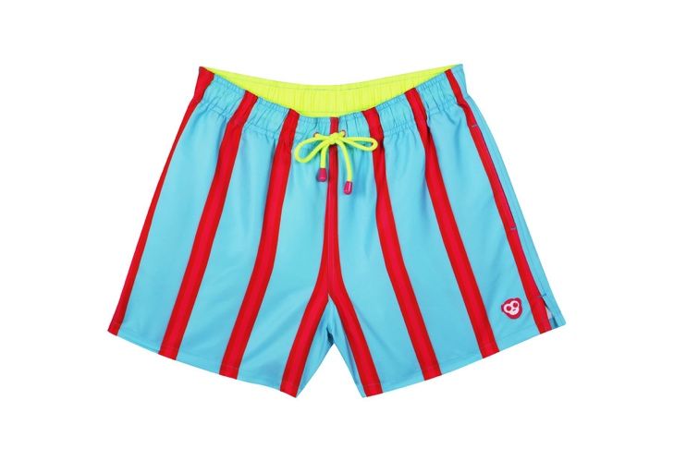 | M1001 | MUNKLE RAFIKI CONTRAST STRIPE SWIM SHORTS | 7 | 3 | 11 |  | 21
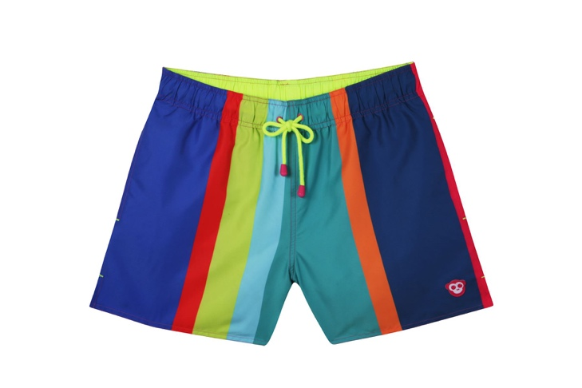 | M1002 | MUNKLE RAFIKI MULTI STRIPE SWIM SHORTS | 3 | 2 | 9 |  | 14
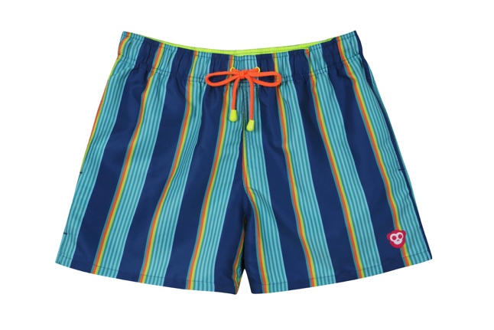 | M1003 | MUNKLE RAFIKI BLAZER STRIPE SWIM SHORTS | 9 | 8 | 9 | 1 | 27
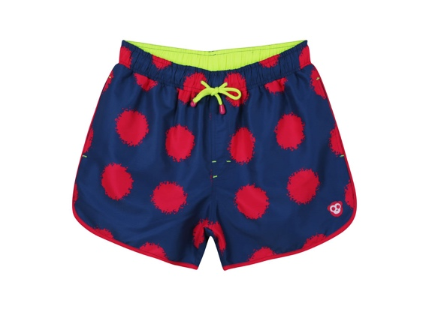 | M2004a | MUNKLE SPARTACUS PINK SPLATTERSPOT SWIM SHORTS | 7 | 6 | 15 | 7 | 35
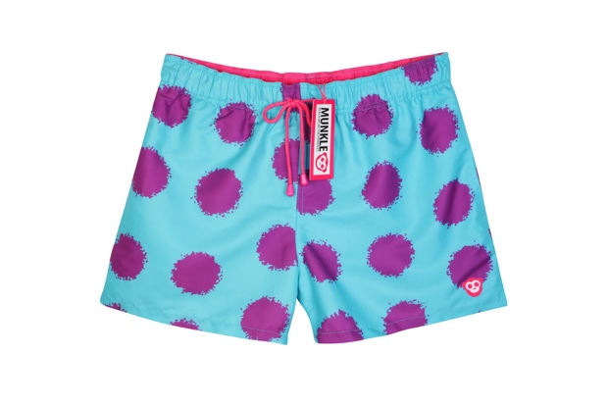 | M2004B | MUNKLE RAFIKI SPLATTER SPOT SWIM SHORTS | 4 | 7 | 11 | 7 | 29
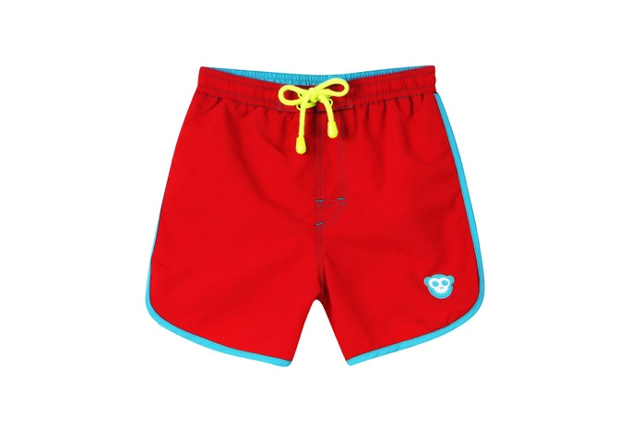 | M3006 | MUNKLE SPARTACUS RED WITH AQUA TRIM SWIM SHORTS | 10 | 10 | 9 | 7 | 36
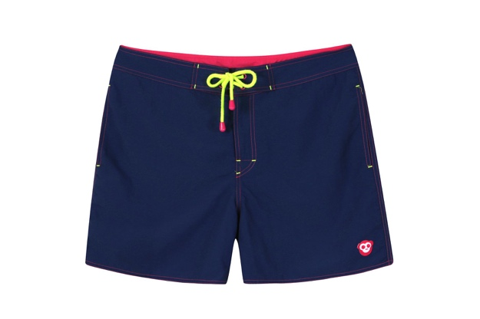 | M4007 | MUNKLE TARZAN SWIM SHORTS NAVY | 8 | 6 | 15 | 8 | 37
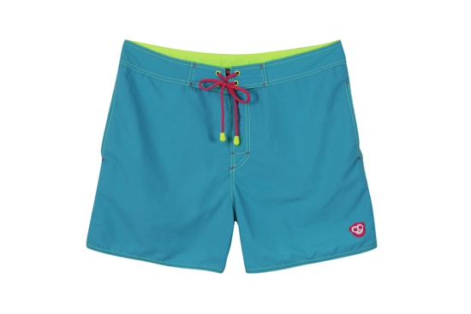 | M4008 | MUNKLE TARZAN SWIM SHORTS AQUA | 6 | 7 | 12 | 8 | 33

CHILDRENS

Image | SKU | Description | 2Y | 4Y | 6Y | 8Y | Total
 | M3K006 | MUNKLE SPARTACUS RED WITH AQUA TRIM SWIM SHORTS | 3 | 2 | 4 | 3 | 12

