Sheet1


 | New Mills Group Limited
 | New Mills
 | North Witham Road
 | South Witham
 | Lincolnshire
 | NG33 5QQ

 |  |  |  |  | 64572
IMAGE | SKU | Description | SIZE | EAN | QUANTITY | RRP
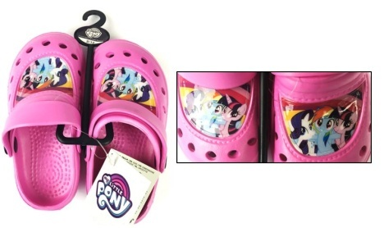 | 60255 | My Little Pony Clogs | UK 5 -12 | 5060526602558 | 7920 | 14.90 €
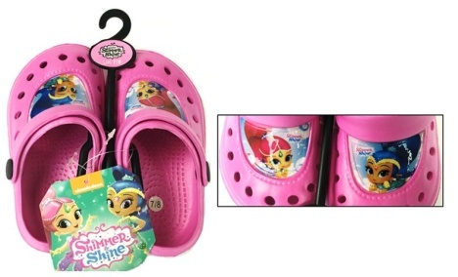 | 60264 | Shimmer and Shine Clogs | UK 5 - 12 | 5060526602640 | 4296 | 14.90 €
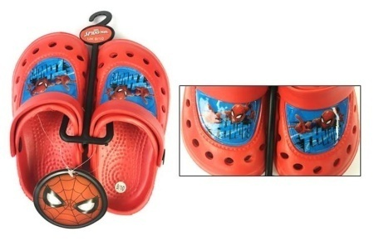 | 60263 | Spiderman Clogs | UK 5 -12 | 5060526602633 | 3920 | 14.90 €
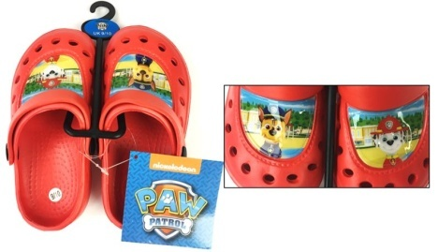 | 60265 | Paw Patrol Clogs | UK 5 - 12 | 5060526602657 | 4056 | 14.90 €
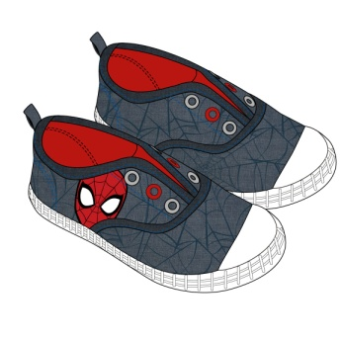 | 60257 | Spiderman Canvas | UK 5 -9 | 5060526602572 | 756 | 19.90 €
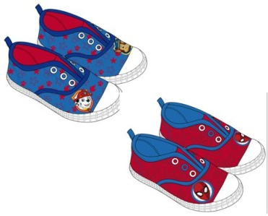 | 60329 | Paw Patrol & Spiderman Canvas Jungenschuh, 2 Farben | UK 5 - 9 | INDIVIDUAL | 20174 | 19.90 €
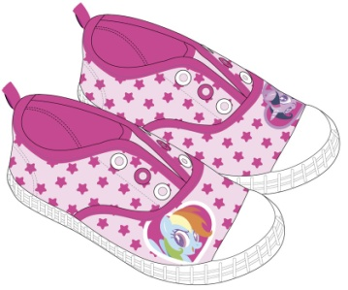 | 60258 | My Little Pony Canvas | UK 5 - 9 | 5060526602589 | 756 | 19.90 €
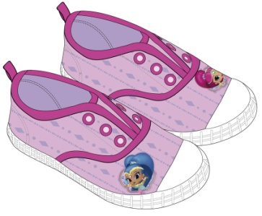 | 60273 | Shimmer and Shine Canvas | UK 5 - 9 | 5060526602732 | 2506 | 19.90 €
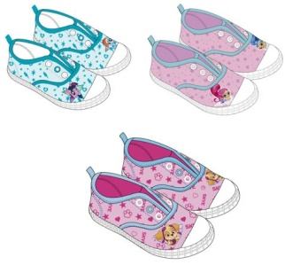 | 60331 | Paw Patrol, My Little Pony & Shimmer and Shine Canvas, Mädchen in 3 Farben | UK 5 - 9 | INDIVIDUAL | 20188 | 19.90 €

