Sheet1

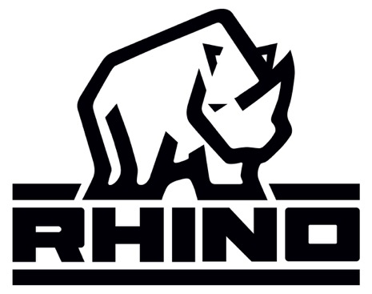
 |  |  | New Mills Group Limited
 |  |  | New Mills
 |  |  | North Witham Road
 |  |  | South Witham
 |  |  | Lincolnshire

IMAGE | STYLE NUMBER | DESCRIPTION | COLOUR | S | M | L | XL | QTY

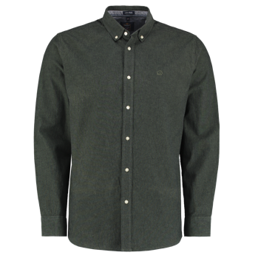 | JMK/JM/034 | LS Plain Oxford Strech | Moss Green | 1 | 2 | 2 | 1 | 1000
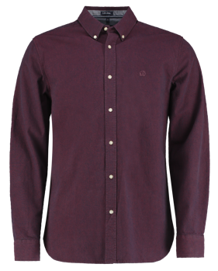 | JMK/JM/034 | LS Plain Oxford Strech | Wine | 1 | 2 | 2 | 1 | 2000
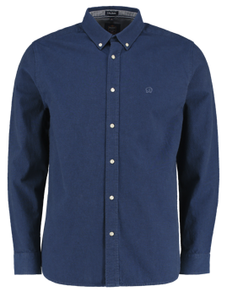 | JMK/JM/034 | LS Plain Oxford Strech | Navy | 1 | 2 | 2 | 1 | 1000
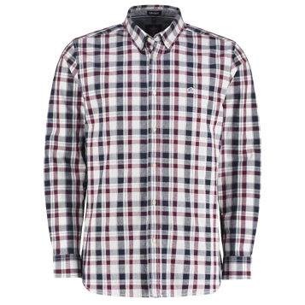 | JMK/JM/034 | LS Check Oxford Strech | Burgandy and Navy check | 1 | 2 | 2 | 1 | 2000
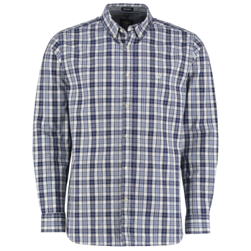 | JMK/JM/034 | LS Check Oxford Strech | Navy and Blue Check | 1 | 2 | 2 | 1 | 1000
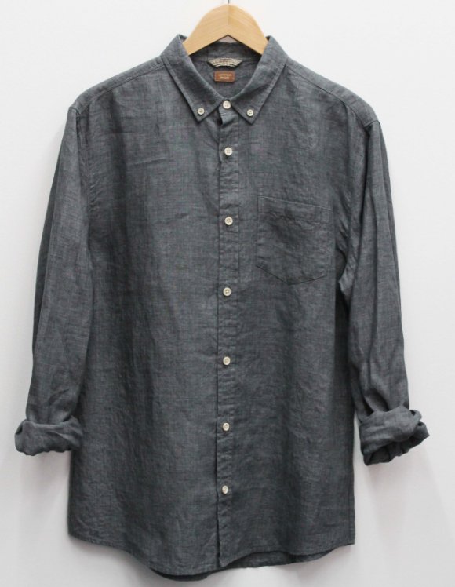 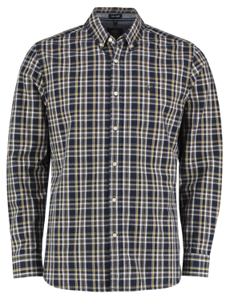 | JMK/JM/034 | LS Check Oxford Strech | Mustard and Black Check | 1 | 2 | 2 | 1 | 2000
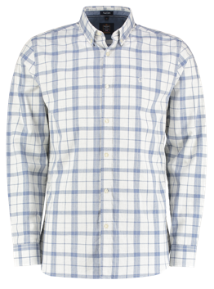 | JMK/JM/036 | LS Marl Check | Blue and White check | 1 | 2 | 2 | 1 | 2000
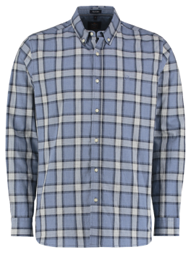 | JMK/JM/036 | LS Marl Check | Navy and Blue marl check | 1 | 2 | 2 | 1 | 2000
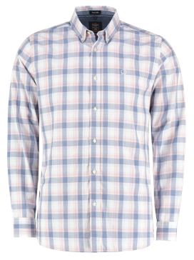 | JMK/JM/036 | LS Marl Check | Blue, Pink and White check | 1 | 2 | 2 | 1 | 2000
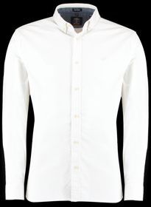 |  | LS Rhino Oxford Shirt | White | 1 | 2 | 2 | 1 | 1046
 |  | LS Rhino Oxford Shirt | Pale Blue | 1 | 2 | 2 | 1 | 2050
 |  | LS Rhino Oxford Shirt | Navy | 1 | 2 | 2 | 1 | 1970
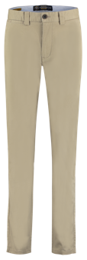 | JMK/JM/035 | Rhino Stretch Chino |  | 428 | 858 | 1286 | 428 | 3000
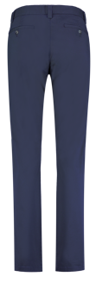 | JMK/JM/035 | Rhino Stretch Chino |  | 428 | 858 | 1286 | 428 | 3000
 |  |  |  |  |  |  |  |  | 
IMAGE | Style | DESCRIPTION | COLOUR | S | M | L | XL | QTY

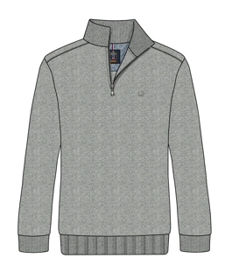 | Barry grey marl | Zip neck Sweat | Grey | 250 | 500 | 500 | 250 | 1500 |  | AVAILABLE MID SEPTEMBER
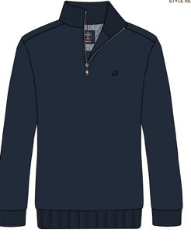 | Barry Navy | Zip neck Sweat | Navy | 250 | 500 | 500 | 250 | 1500 |  | AVAILABLE MID SEPTEMBER
 | Barry Charcaol | Zip neck Sweat | Charcoal | 250 | 500 | 500 | 250 | 1500 |  | AVAILABLE MID SEPTEMBER

