Sheet1

 | New Mills Group Limited
 | New Mills
 | North Witham Road
 | South Witham
 | Lincolnshire
 | NG33 5QQ

 |  | 4550
SKU | Description | QUANTITY | RRP | IMAGE
SR639101 | SAVILE ROW COMPANY - EAU DE TOILETTE POUR HOMME- 100ML | 4500 | £24.99 | 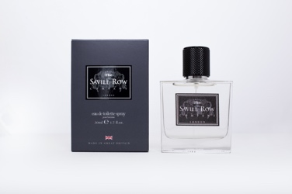
SR639105 | SAVILE ROW COMPANY - EAU DE TOILETTE POUR HOMME- 50ML | 50 | £19.99 | 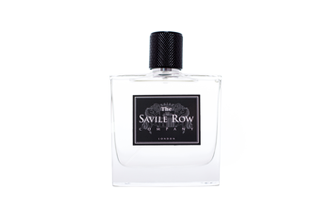
SR639103 | SAVILE ROW COMPANY - BODY WASH - 150ML | 350 | £27.00

