Sheet1


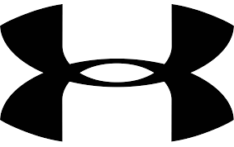
 |  | New Mills Group Limited
 |  | New Mills
 |  | North Witham Road
 |  | South Witham
 |  | Lincolnshire
 |  | NG33 5QQ

 |  |  |  |  |  |  |  |  |  |  |  |  | 26
IMAGE | SKU | Description | 40 | 40.5 | 41 | 42 | 42.5 | 43 | 44 | 44.5 | 45.5 | 48.5 | Total | RRP
 | 1269279-357 | Under Armour Curry 3 'Flight Jacket' | 2 | 1 | 5 | 6 | 2 | 4 | 1 | 3 | 1 | 1 | 26 | £169.99

