Sheet1


 | New Mills Group Limited
 | New Mills
 | North Witham Road
 | South Witham
 | Lincolnshire
 | NG33 5QQ

IMAGE | SKU | Description | COST PRICE | UNITS | XS | S | M | L | XL | 2XL | 3XL | 30 | 31 | 32 | 34 | 36 | 38 | 40 | 41 | 42 | 44 | 46 | 48 | 50 | 52 | 54 | Total
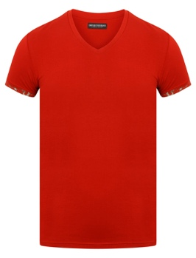 | 110810 5A502 13174-RUBINO | EMPORIO ARMANI T-SHIRT-110810 5A502 13174-RUBINO | £8.50 | 1 |  |  |  |  | 1 |  |  |  |  |  |  |  |  |  |  |  |  |  |  |  |  |  | £8.50
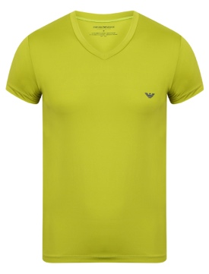 | 110810 5A547 06982-UVA | EMPORIO ARMANI MENS T-SHIRT-110810 5A547 06982-UVA | £8.50 | 2 |  | 2 |  |  |  |  |  |  |  |  |  |  |  |  |  |  |  |  |  |  |  |  | £17.00
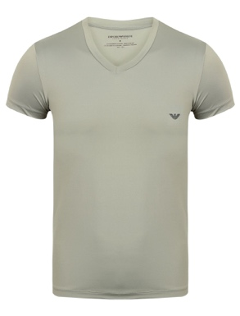 | 110810 5A547 11241-FUMO | EMPORIO ARMANI MENS T-SHIRT-110810 5A547 11241-FUMO | £8.50 | 1 |  | 1 |  |  |  |  |  |  |  |  |  |  |  |  |  |  |  |  |  |  |  |  | £8.50
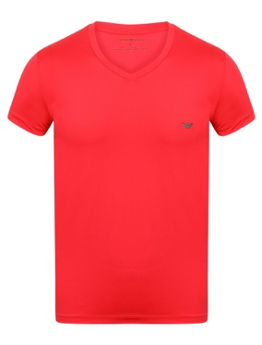 | 110810 5A547 12373-ROSA | EMPORIO ARMANI MENS T-SHIRT-110810 5A547 12373-ROSA | £8.50 | 1 |  | 1 |  |  |  |  |  |  |  |  |  |  |  |  |  |  |  |  |  |  |  |  | £8.50
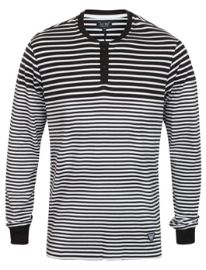 | 2123269-RIGA STRIPE (BLACK/WHITE) | EMPORIO ARMANI RIGA STRIPE TEE - RIGA STRIPE (BLACK/WHITE) | £26.24 | 1 |  |  |  |  |  | 1 |  |  |  |  |  |  |  |  |  |  |  |  |  |  |  |  | £26.24
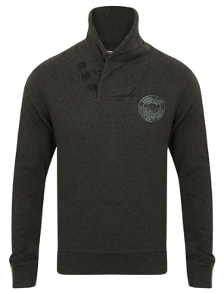 | 2100339-BI- COLORE ( GREY ) | ARMANI JEANS VEE BUTTON JUMPER - BI - COLORE (GREY) | £36.24 | 1 |  |  |  |  |  |  | 1 |  |  |  |  |  |  |  |  |  |  |  |  |  |  |  | £36.24
 | 274651-92060 | ARMANI OLYMPIC WORLD SWEATSHIRT | £15.00 | 3 |  |  |  | 2 | 1 |  |  |  |  |  |  |  |  |  |  |  |  |  |  |  |  |  | £45.00
 | 2064145-BLU-BLUE | EMPORIO ARMANI CORDS - BLU | £54.09 | 2 |  |  |  |  |  |  |  |  |  |  |  |  |  |  |  |  |  |  | 1 | 1 |  |  | £108.18
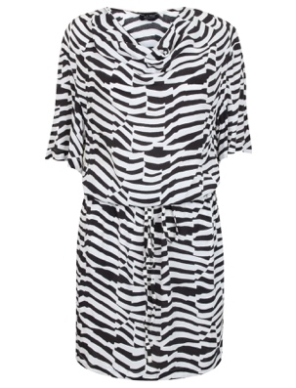 | 2076377-BLUE/WHITE | EMPORIO ARMANI STRIPE DRESS - BLUE/WHITE | £39.13 | 2 |  |  |  |  |  |  |  |  |  |  |  |  |  |  |  |  | 1 | 1 |  |  |  |  | £78.26
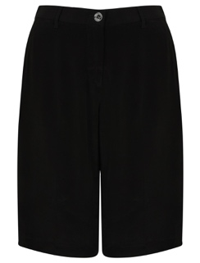 | 2076439-NERO-BLACK | EMPORIO ARMANI TAILORED SHORTS - NERO - BLACK | £30.48 | 2 |  |  |  |  |  |  |  |  |  |  |  |  | 1 | 1 |  |  |  |  |  |  |  |  | £60.95
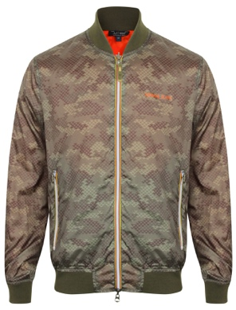 | 2076510-FANTASIA-PAT (GREEN/BLACK)-52 | EMPORIO ARMANI A6B74 JACKET - FANTASIA - PAT (GREEN/BLACK) | £49.95 | 1 |  |  |  |  |  |  |  |  |  |  |  |  |  |  |  |  |  |  |  |  |  | 1 | £49.95
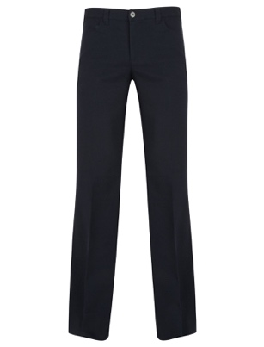 | 2076613-BLU-BLUE | EMPORIO ARMANI ANJ65 COMBAT - BLU | £67.79 | 1 |  |  |  |  |  |  |  |  | 1 |  |  |  |  |  |  |  |  |  |  |  |  |  | £67.79
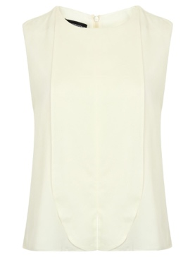 | 2076670-WHITE | EMPORIO ARMANI CHIFFON BUTTON BLOUSE - WHITE | £62.21 | 3 |  |  |  |  |  |  |  |  |  |  |  |  | 1 | 1 |  | 1 |  |  |  |  |  |  | £186.62
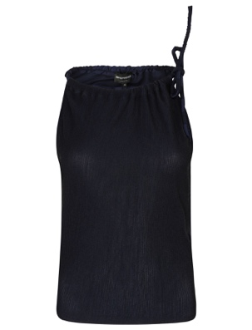 | 2076685-BLUE | EMPORIO ARMANI CANOTTA TOP - BLUE | £58.96 | 1 |  |  |  |  |  |  |  |  |  |  |  |  |  | 1 |  |  |  |  |  |  |  |  | £58.96
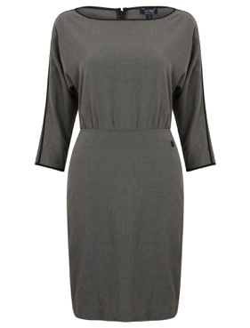 | 2100165-GRIGIO SCURO M | EMPORIO ARMANI STRAIGHT SKIRT DRESS - GRIGIO SCURO M | £44.45 | 1 |  |  |  |  |  |  |  |  |  |  |  |  |  |  |  | 1 |  |  |  |  |  |  | £44.45
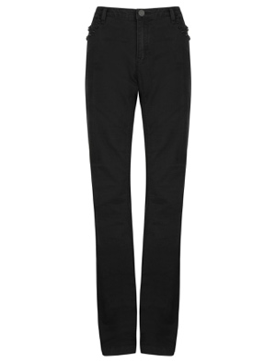 | 2100205-NERO-BLACK | EMPORIO ARMANI B5J07 JEANS - NERO - BLACK | £29.66 | 5 |  |  |  |  |  |  |  | 2 | 1 | 2 |  |  |  |  |  |  |  |  |  |  |  |  | £148.30
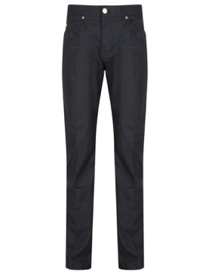 | 2100206-BLU-BLUE | EMPORIO ARMANI REGULAR FIT TROUSERS - BLU - BLUE - | £38.77 | 1 |  |  |  |  |  |  |  | 1 |  |  |  |  |  |  |  |  |  |  |  |  |  |  | £38.77
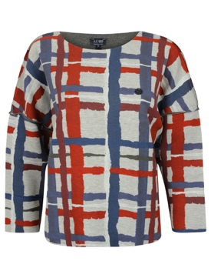 | 2100225-GRIGIO MEDIO | ARMANI JEANS B5M22 GEOMETRIC JUMPER__ - GRIGIO MEDIO | £42.38 | 1 |  |  |  |  |  |  |  |  |  |  |  |  |  |  |  |  | 1 |  |  |  |  |  | £42.38
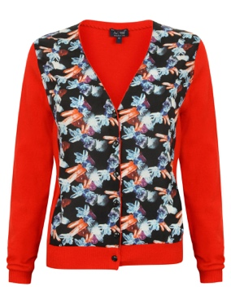 | 2100255-ROSSO-RED | ARMANI JEANS CRYSTAL PRINT CARDIGAN - ROSSO - RED - | £46.70 | 4 |  |  |  |  |  |  |  |  |  |  |  |  |  | 1 |  | 2 | 1 |  |  |  |  |  | £186.80
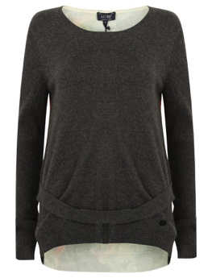 | 2100256-GRIGIO SCURO | EMPORIO ARMANI B5W65 PRINT BACK JUMPER - GRIGIO SCURO | £42.38 | 1 |  |  |  |  |  |  |  |  |  |  |  |  |  |  |  | 1 |  |  |  |  |  |  | £42.38
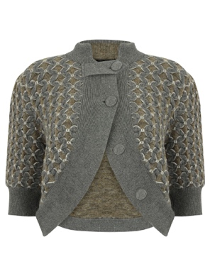 | 2100450-GREEN | EMPORIO ARMANI PETAL KNIT CARDIGAN - Grey/Taupe - | £137.03 | 1 |  |  |  |  |  |  |  |  |  |  |  |  |  |  |  |  | 1 |  |  |  |  |  | £137.03
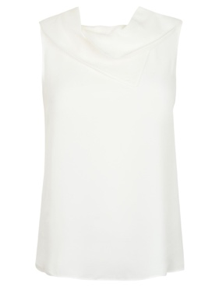 | 2100465-WHITE | EMPORIO ARMANI COWL NECK BLOUSE - WHITE | £54.01 | 2 |  |  |  |  |  |  |  |  |  |  |  |  |  | 1 |  | 1 |  |  |  |  |  |  | £108.01
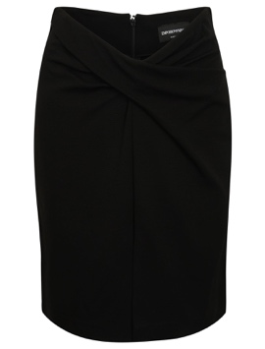 | 2100479-BLACK | EMPORIO ARMANI FRONT FOLD SKIRT - BLACK - | £41.02 | 1 |  |  |  |  |  |  |  |  |  |  |  |  |  | 1 |  |  |  |  |  |  |  |  | £41.02
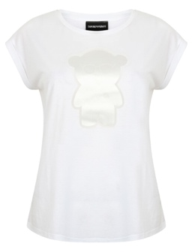 | 2123033-BIANCO OTTICO | EMPORIO ARMANI TEDDY T - SHIRT - BIANCO OTTICO | £58.78 | 2 |  |  |  |  |  |  |  |  |  |  |  |  |  |  |  | 1 | 1 |  |  |  |  |  | £117.56
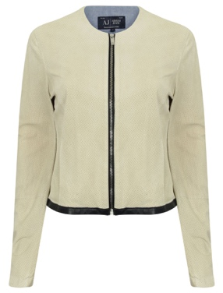 | 2123148-CREAM | EMPORIO ARMANI PERFORATED PU JACKET - CREAM | £150.00 | 1 |  |  |  |  |  |  |  |  |  |  |  |  |  |  |  |  |  | 1 |  |  |  |  | £150.00
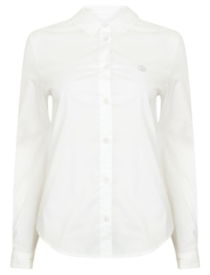 | 2123150-BIANCO-WHITE | ARMANI JEANS C5C24 SHIRT - BIANCO - WHITE - | £32.00 | 1 |  |  |  |  |  |  |  |  |  |  |  |  | 1 |  |  |  |  |  |  |  |  |  | £32.00
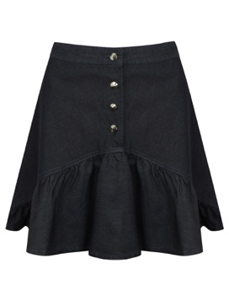 | 2123153-DENIM | ARMANI JEANS DENIM SKIRT - DENIM | £56.97 | 4 |  |  |  |  |  |  |  |  |  |  |  |  | 1 | 1 |  | 1 | 1 |  |  |  |  |  | £227.88
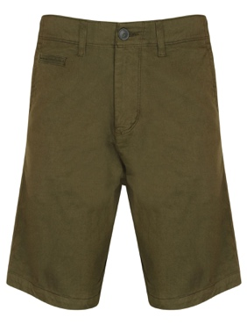 | 2123311-VERDE-GREEN | EMPORIO ARMANI C6S08 SHORTS - VERDE - GREEN - | £33.09 | 3 |  |  |  |  |  |  |  |  |  |  |  |  |  |  |  |  |  |  |  | 1 | 1 | 1 | £99.26
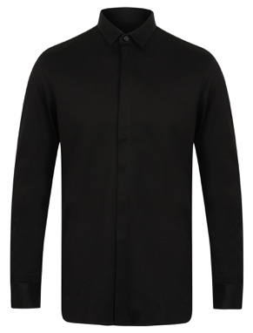 | 2123359-BLACK | EMPORIO ARMANI T1A7C SHIRT - BLACK | £38.05 | 2 |  |  |  |  |  |  |  |  |  |  |  |  |  |  | 1 | 1 |  |  |  |  |  |  | £76.09
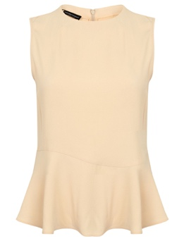 | 2123404-PEACH | EMPORIO ARMANI PEPLUM TOP - PEACH | £48.33 | 3 |  |  |  |  |  |  |  |  |  |  |  |  |  |  |  | 1 | 2 |  |  |  |  |  | £144.98
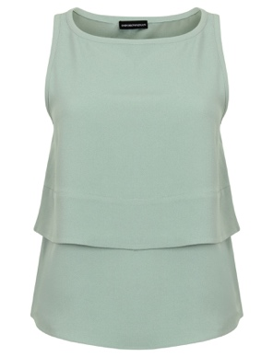 | 2123408-GREEN | EMPORIO ARMANI PEPLUM TOP - GREEN - | £48.33 | 1 |  |  |  |  |  |  |  |  |  |  |  |  |  | 1 |  |  |  |  |  |  |  |  | £48.33
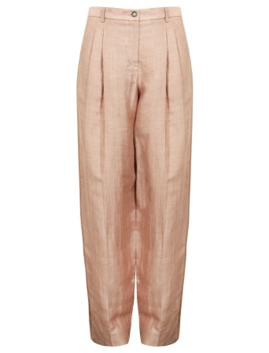 | 2123425-PINK | EMPORIO ARMANI LINEN TROUSERS - PINK - | £52.83 | 2 |  |  |  |  |  |  |  |  |  |  |  |  |  |  |  | 2 |  |  |  |  |  |  | £105.66
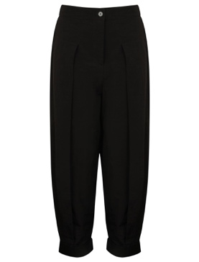 | 2123427-BLACK | EMPORIO ARMANI PU TRIM TROUSERS - BLACK - | £81.05 | 1 |  |  |  |  |  |  |  |  |  |  |  |  |  |  |  | 1 |  |  |  |  |  |  | £81.05
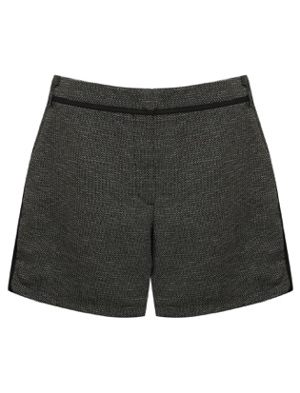 | 2123431-BLACK | EMPORIO ARMANI TWILL FRONT SHORTS - BLACK - | £33.54 | 1 |  |  |  |  |  |  |  |  |  |  |  |  |  |  |  | 1 |  |  |  |  |  |  | £33.54
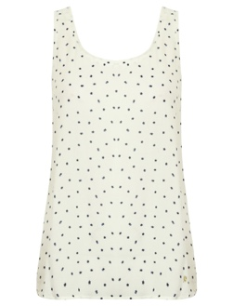 | 2129311-BIANCO-WHITE | ARMANI JEANS STAR PRINT TOP - BIANCO - WHITE - | £25.07 | 1 |  |  |  |  |  |  |  |  |  |  |  |  |  |  |  |  | 1 |  |  |  |  |  | £25.07
 |  |  |  | 61 |  |  |  |  |  |  |  |  |  |  |  |  |  |  |  |  |  |  |  |  |  |  | £2,691.19

