Sheet1

 | New Mills Group Limited
 | New Mills
 | North Witham Road
 | South Witham
 | Lincolnshire
 | NG33 5QQ

 |  | 90
SKU | Description | QUANTITY | RRP | IMAGE
ENGRUGMESBAG | ENGLAND RUGBY STADIUM MESSENGER BAG | 42 | £29.99 | 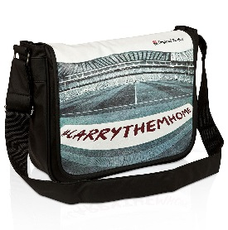
ENGRUGFLTBAG | ENGLAND RUGBY STADIUM FLIGHT BAG | 22 | £29.99 | 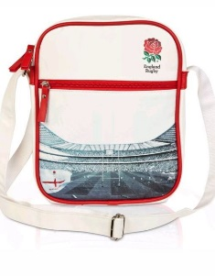
ENGRUGHC1 | ENGLAND RUGBY EXECUTIVE GOLF DRIVER HEADCOVER | 3 | £19.99 | 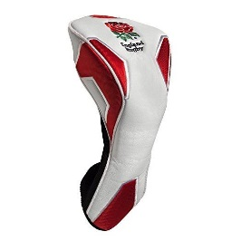
ENGRUGHC2 | ENGLAND RUGBY PITBULL MASCOT GOLF HEADCOVER | 9 | £19.99 | 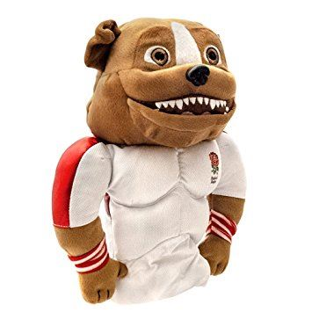
ENGRUGHC3 | ENGLAND RUGBY GILBERT RUGBY BALL GOLF HEADCOVER | 10 | £19.99 | 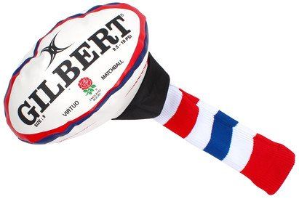
ENGRUGHC4 | ENGLAND RUGBY POM POM GOLF HEADCOVER | 4 | £19.99 | 