CHILDRENS

 |  | New Mills Group Limited
 |  | New Mills
 |  | North Witham Road
 |  | South Witham
 |  | Lincolnshire

 |  |  |  |  |  |  |  |  |  |  |  | 537
IMAGE | STYLE NUMBER | DESCRIPTION |  |  |  |  |  |  |  |  |  | TOAL
 |  |  | COLOUR | 1/2 Y | 3/4 Y | 5/6 Y | 7/8 Y | 9/10 Y | 11/12 Y | 13/14 Y | 15/17 Y
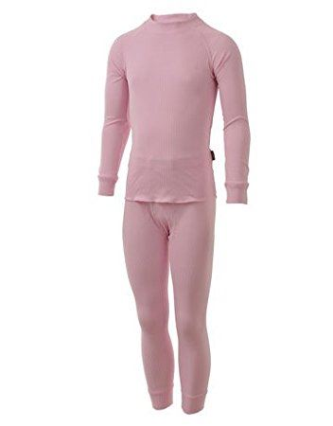 | 35082 | FIVE SEASONS SUPER KIDS SET BASELAYERS | PINK |  |  | 7 | 23 | 24 | 7 | 8 | 10 | 79
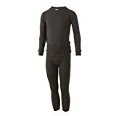 | 35082 | FIVE SEASONS SUPER KIDS SET BASELAYERS | BLACK | 74 | 51 | 119 | 179 |  |  |  |  | 423
 | 35082 | FIVE SEASONS SUPER KIDS SET BASELAYERS | WHITE |  |  | 3 | 4 | 20 |  |  | 4 | 27
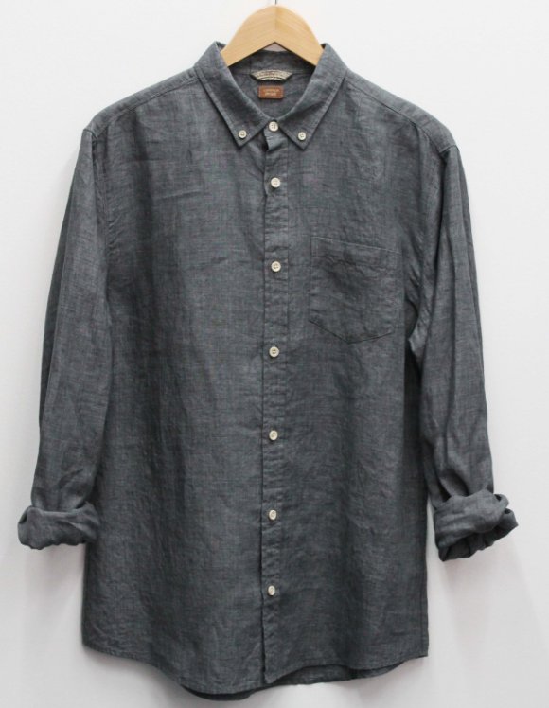 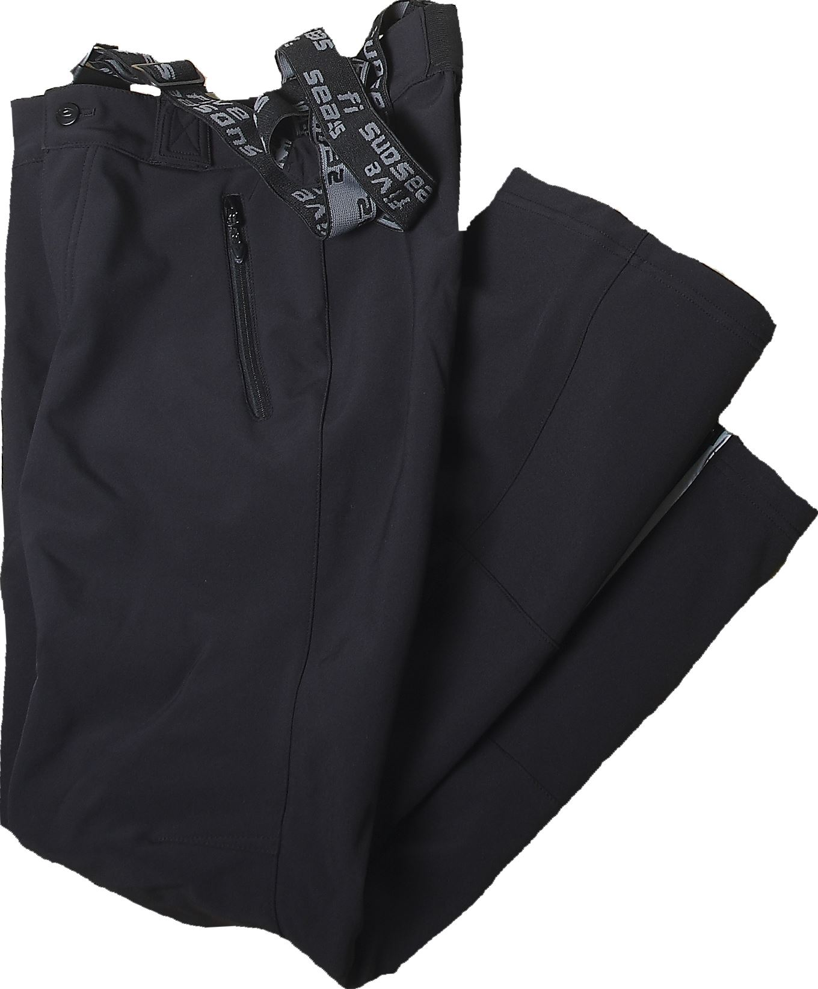 | 33482 | FIVE SEASON CHILDRENS ADMONT PANTS | BLACK |  |  | 1 | 1 |  | 6 |  |  | 8
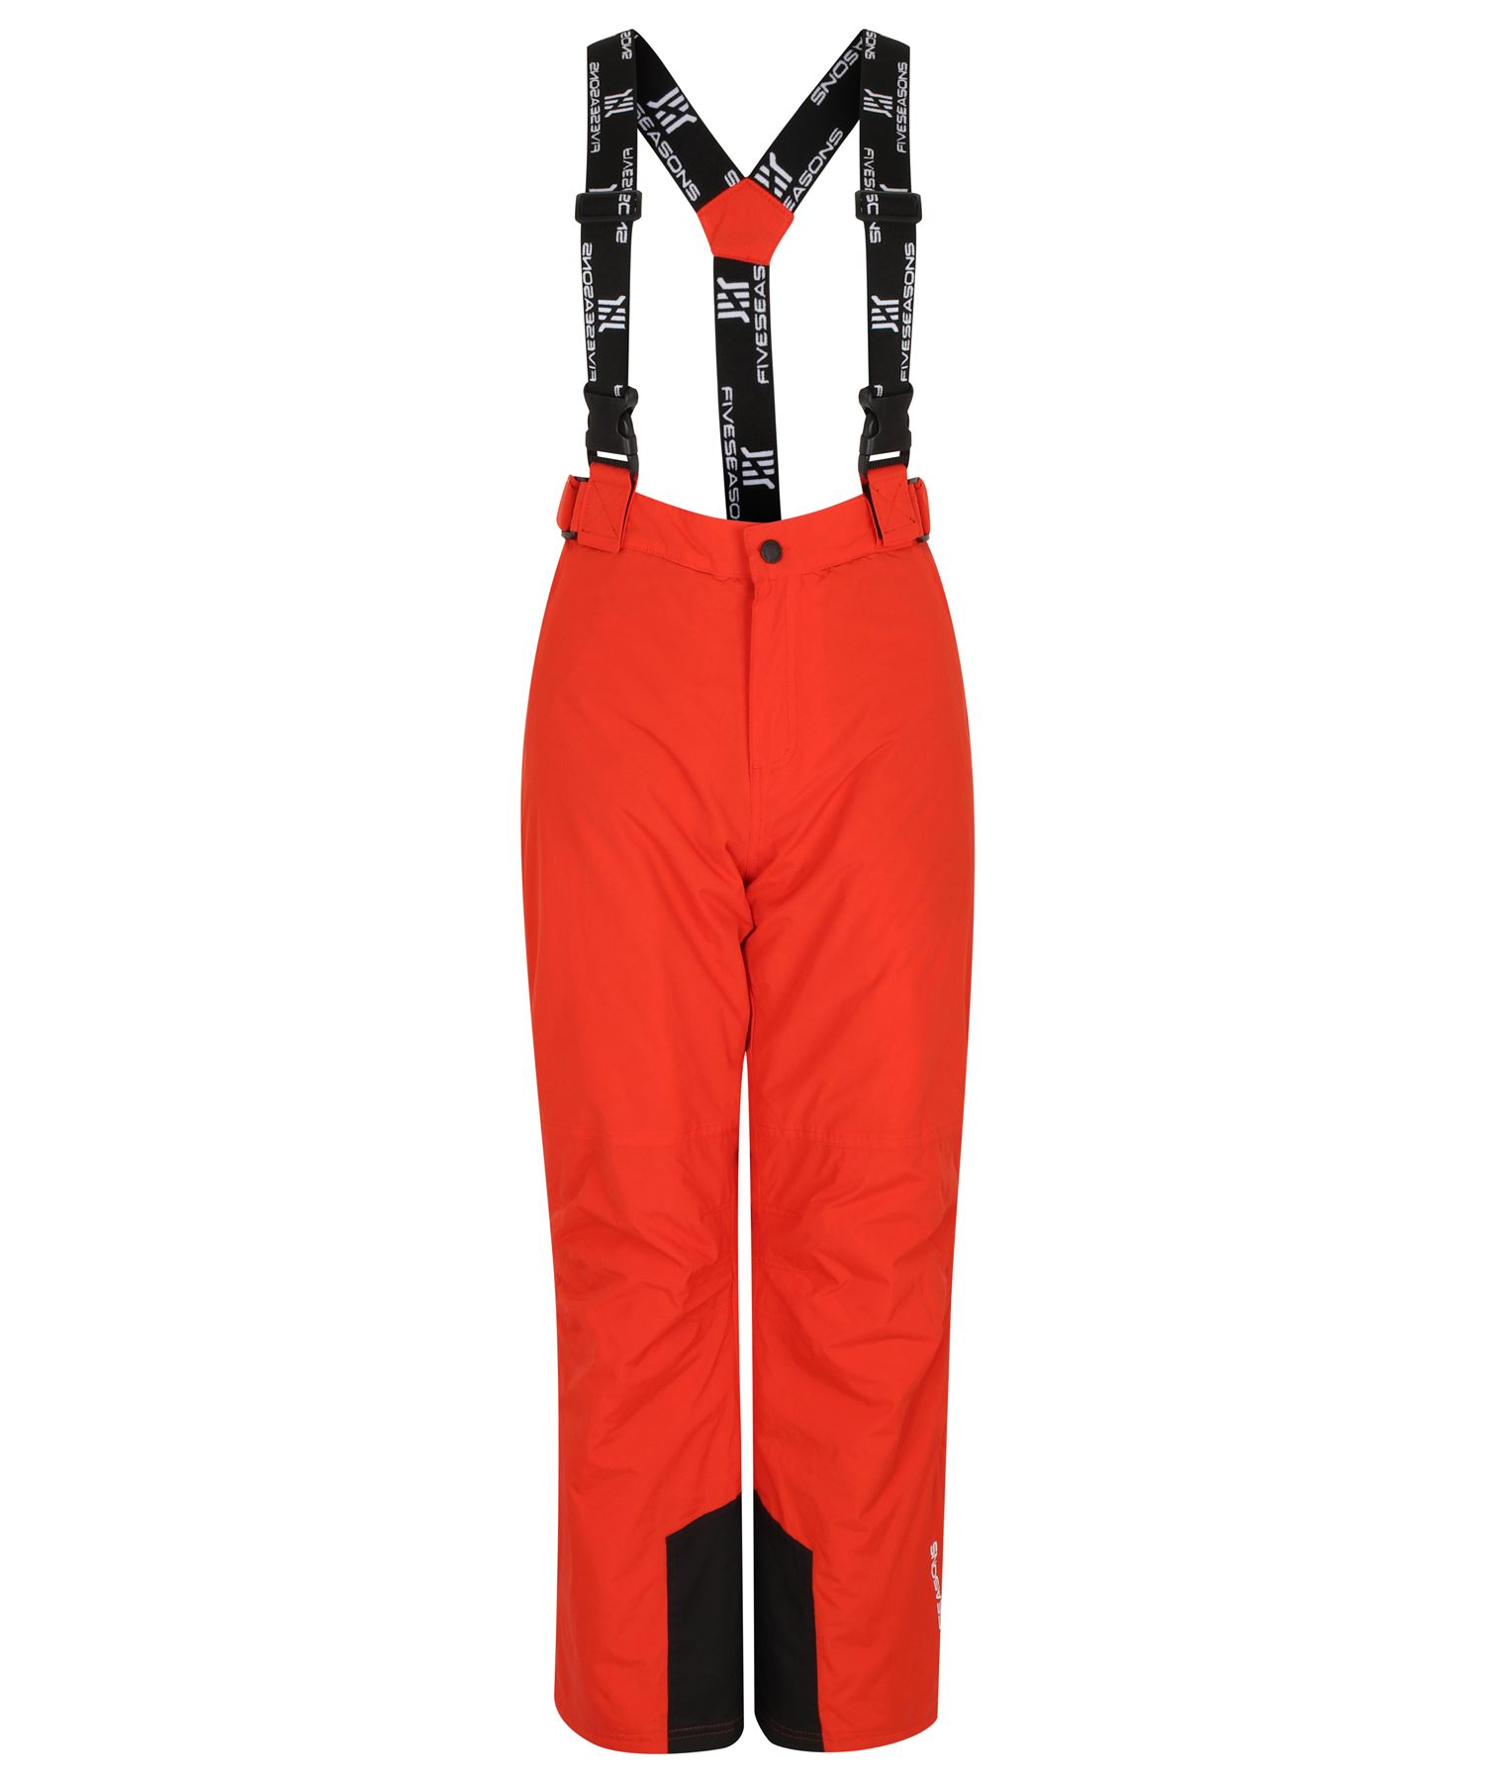 | 33548 | FIVE SEASON CHILDRENS ADMONT PANTS | MARIGOLD |  |  |  |  | 1 | 1 |  |  | 2

LADIES
 |  | New Mills Group Limited
 |  | New Mills
 |  | North Witham Road
 |  | South Witham
 |  | Lincolnshire

 |  |  |  |  |  |  |  |  |  | 634
IMAGE | STYLE NUMBER | DESCRIPTION |  |  |  |  |  |  |  | TOAL
 |  |  | COLOUR | 8 | 10 | 12 | 14 | 16 | 18
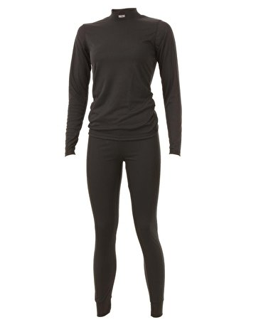 | 25077 | FIVE SEASONS SUPER WOMENS SET BASELAYERS | BLACK |  | 11 | 10 | 10 | 10 |  | 41
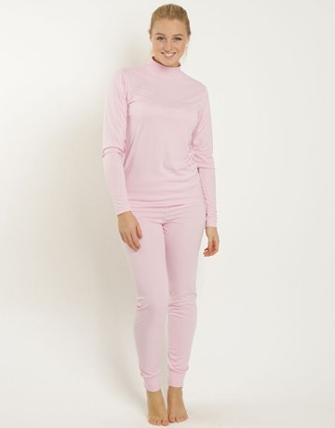 | 25077 | FIVE SEASONS SUPER WOMENS SET BASELAYERS | PINK | 10 | 11 | 52 | 76 | 70 |  | 219
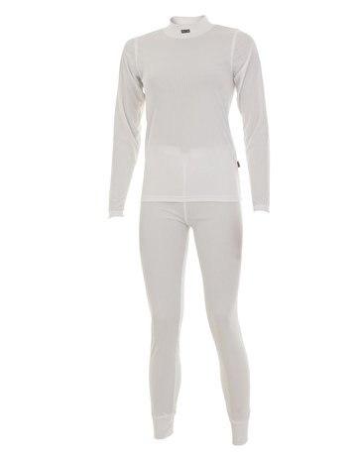 | 25077 | FIVE SEASONS SUPER WOMENS SET BASELAYERS | WHITE | 9 | 10 | 12 | 189 | 129 | 55 | 349
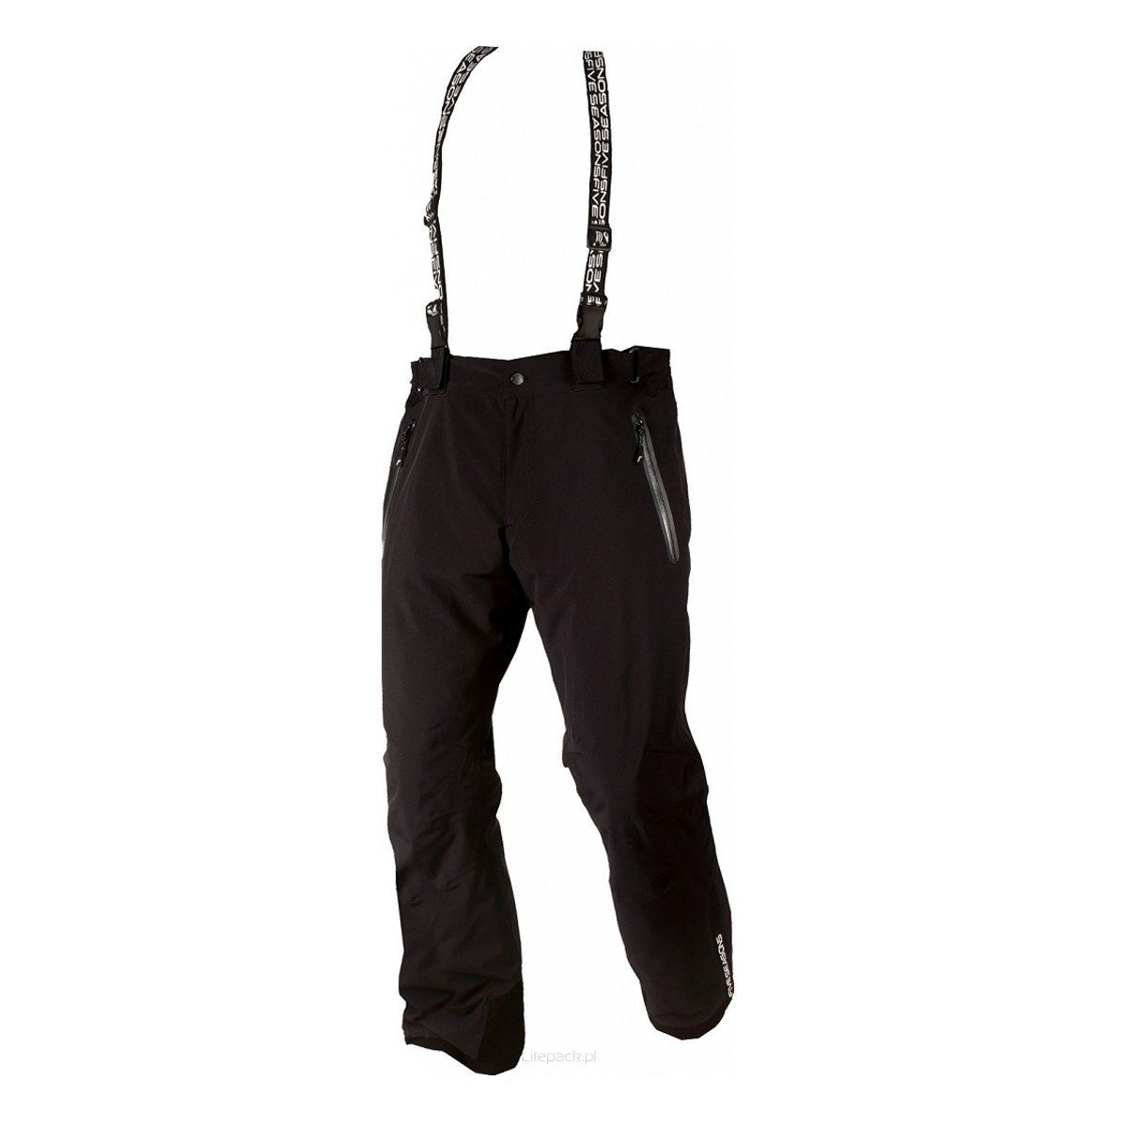 | 23553 | FIVE SEASON WOMENS MELVILLE PANTS | BLACK | 3 | 8 | 3 | 8 | 3 |  | 25

MENS
 |  | New Mills Group Limited
 |  | New Mills
 |  | North Witham Road
 |  | South Witham
 |  | Lincolnshire

 |  |  |  |  |  |  |  |  |  | 781
IMAGE | STYLE NUMBER | DESCRIPTION |  |  |  |  |  |  |  | TOTAL
 |  |  | COLOUR | S | M | L | XL | XXL | XXXL
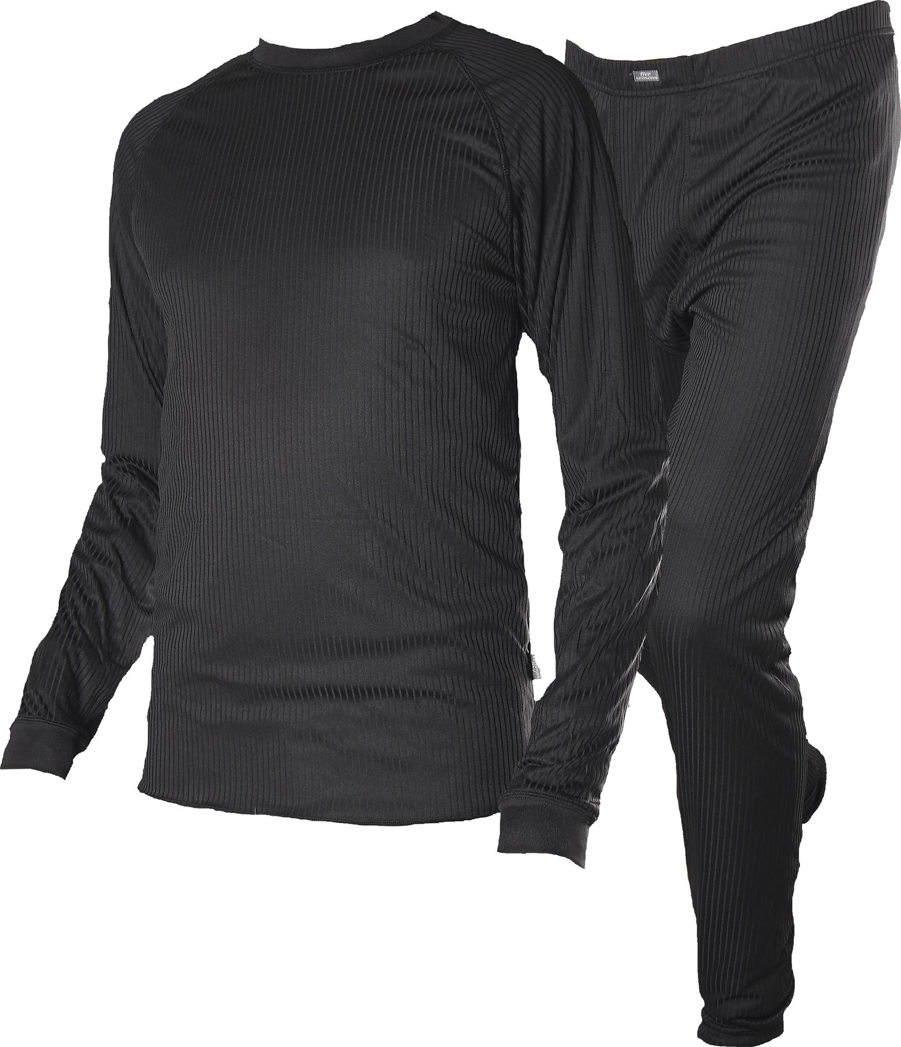 | 15082 | FIVE SEASONS SUPER MENS SET BASELAYERS | BLACK | 47 |  |  | 431 | 150 | 68 | 696
 | 13482 | FIVE SEASONS MENS ADMONT PANTS | BLACK |  |  |  | 14 | 14 | 12 | 40
 | 13487 | FIVE SEASONS MENS KLINGER PANTS | BLACK | 1 | 2 |  | 1 | 2 | 1 | 7
 | 13553 | FIVE SEASON MENS MELVILLE PANTS | BLACK | 2 | 9 | 11 | 13 | 3 |  | 38

