Mens

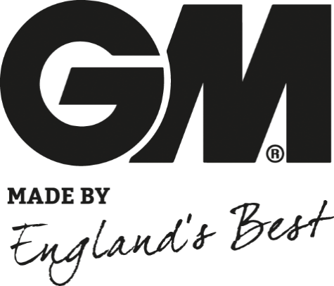
 | New Mills Group Limited
 | New Mills
 | North Witham Road
 | South Witham
 | Lincolnshire
 | NG33 5QQ

 |  |  |  |  |  |  |  |  | 49 |  | £261.50
Image | Description | Colour | S | M | L | XL | XXL | XXXL | Total | Unit Cost | Total Cost
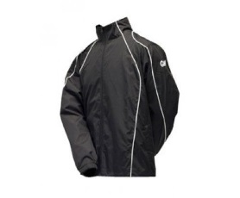 | Gunn & Moore Mens Tracksuit Jacket | Black | 3 |  | 2 |  |  |  | 5 | £7.00 | £35.00
 | Gunn & Moore Mens Tracksuit Jacket | Green | 3 |  | 2 |  |  |  | 5 | £7.00 | £35.00
 | Gunn & Moore Tracksuit Jacket | Maroon | 2 |  |  |  | 2 |  | 4 | £7.00 | £28.00
 | Gunn & Moore Tracksuit Jacket | Navy | 3 |  | 1 |  |  |  | 4 | £7.00 | £28.00
 | Gunn & Moore Mens Tracksuit Trouser | Green | 4 |  |  |  |  |  | 4 | £4.00 | £16.00
 | Gunn & Moore Mens Tracksuit Trouser | Maroon |  |  | 4 |  |  |  | 4 | £4.00 | £16.00
 | Gunn & Moore Mens Tracksuit Trouser | Navy |  |  |  | 2 |  |  | 2 | £4.00 | £8.00
 | Gunn & Moore Mens Training Shirt | Green | 1 | 2 |  | 3 |  |  | 6 | £4.50 | £27.00
 | Gunn & Moore Training Shirt | Maroon | 2 |  | 1 | 2 |  |  | 5 | £4.50 | £22.50
 | Gunn & Moore Training Shirt | Navy |  |  |  | 1 |  | 1 | 2 | £4.00 | £8.00
 | Gunn & Moore Mens Training Shorts | Black |  |  |  | 1 | 1 |  | 2 | £4.00 | £8.00
 | Gunn & Moore Mens Training Shorts | Maroon |  | 1 |  |  |  |  | 1 | £4.00 | £4.00
 | Gunn & Moore Mens Training Hoody | Maroon |  |  |  |  | 1 |  | 1 | £6.00 | £6.00
 | Gunn & Moore Mens Polo Shirt | Maroon | 3 |  | 1 |  |  |  | 4 | £5.00 | £20.00

Boys

 | New Mills Group Limited
 | New Mills
 | North Witham Road
 | South Witham
 | Lincolnshire
 | NG33 5QQ

 |  |  |  |  |  |  |  |  | 111 |  | £517.00
Image | Description | Colour | O/S | XS | S | M | L | XL | Total | Unit Cost | Total Cost
 | Gunn & Moore Boys Training Jacket | Green |  |  | 1 | 6 | 4 |  | 11 | £6.50 | £71.50
 | Gunn & Moore Boys Training Jacket | Maroon |  |  | 3 | 4 | 4 |  | 11 | £6.50 | £71.50
 | Gunn & Moore Boys Tracksuit Jacket | Navy |  |  | 2 | 4 | 6 |  | 12 | £6.50 | £78.00
 | Gunn & Moore Boys Tracksuit Trouser | Maroon |  |  | 4 | 5 | 3 |  | 12 | £4.00 | £48.00
 | Gunn & Moore Boys Tracksuit Trouser | Green |  |  | 2 | 5 | 5 |  | 12 | £4.00 | £48.00
 | Gunn & Moore Boys Tracksuit Trouser | Navy |  |  |  | 1 |  |  | 1 | £4.00 | £4.00
 | Gunn & Moore Training Shirt | Black |  |  |  |  | 3 | 1 | 4 | £4.00 | £16.00
 | Gunn & Moore Boys Training Shirt | Green |  |  | 2 | 2 | 1 |  | 5 | £4.00 | £20.00
 | Gunn & Moore Boys Training Shirt | Navy |  |  |  | 1 |  |  | 1 | £4.00 | £4.00
 | Gunn & Moore Training Shirt | Maroon |  |  | 2 | 1 |  |  | 3 | £4.00 | £12.00
 | Gunn & Moore Boys Training Shorts | Green |  |  | 7 | 1 | 1 |  | 9 | £4.00 | £36.00
 | Gunn & Moore Boys Training Shorts | Maroon |  |  | 3 | 4 | 3 |  | 10 | £4.00 | £40.00
 | Gunn & Moore Boys Training Shorts | Navy |  |  |  | 3 | 1 |  | 4 | £4.00 | £16.00
 | Gunn & Moore Boys Training Hoody | Green |  |  | 2 | 2 | 1 |  | 5 | £6.50 | £32.50
 | Gunn & Moore Boys Training Hoody | Maroon |  |  |  | 3 |  |  | 3 | £6.50 | £19.50
 | Gunn & Moore Boys Polo Shirt | Maroon |  |  | 2 | 2 | 1 |  | 5 | £5.00 | £25.00
 | Gunn & Moore Boys Polo Shirt | Navy |  |  | 1 |  | 2 |  | 3 | £5.00 | £15.00

