Sheet1


 | New Mills Group Limited
 | New Mills
 | North Witham Road
 | South Witham
 | Lincolnshire
 | NG33 5QQ

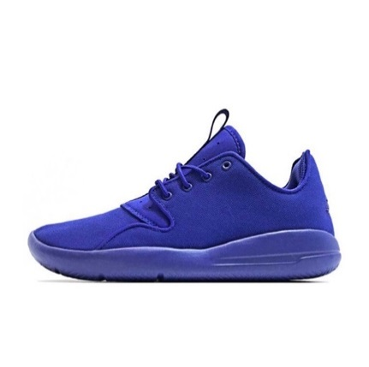
 |  | 31 |  |  | £840.66
SKU | Description | QUANTITY | SIZE | Unit Cost | Total Cost | IMAGE
724042 430-BLUE-36.5 | NIKE JORDAN ECLIPSE CONCORD JUNIOR BLUE EUR 36.5 | 1 | EU 36.5 | £28.05 | £28.05
724042 430-BLUE-37.5 | NIKE JORDAN ECLIPSE CONCORD JUNIOR BLUE EUR 37.5 | 1 | EU37.5 | £28.05 | £28.05
724042 430-BLUE-40 | NIKE JORDAN ECLIPSE CONCORD JUNIOR BLUE EUR 40 | 1 | EU 40 | £28.05 | £28.05
880268-610-RED-41 | NIKE SOLARSOFT PORTMORE II CANVAS TRACK RED/WHITE/BLACK RED EUR 41 | 2 | EU 41 | £23.70 | £47.40
880268-610-RED-42 | NIKE SOLARSOFT PORTMORE II CANVAS TRACK RED/WHITE/BLACK RED EUR 42 | 2 | EU 42 | £23.70 | £47.40
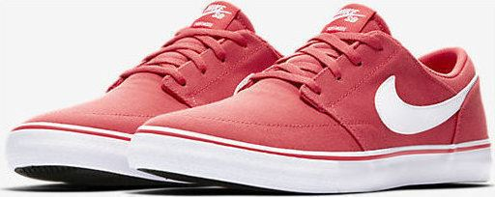
880268-610-RED-42.5 | NIKE SOLARSOFT PORTMORE II CANVAS TRACK RED/WHITE/BLACK RED EUR 42.5 | 1 | EU 42.5 | £23.70 | £23.70
880268-610-RED-43 | NIKE SOLARSOFT PORTMORE II CANVAS TRACK RED/WHITE/BLACK RED EUR 43 | 2 | EU 43 | £23.70 | £47.40
880268-610-RED-44 | NIKE SOLARSOFT PORTMORE II CANVAS TRACK RED/WHITE/BLACK RED EUR 44 | 2 | EU 44 | £23.70 | £47.40
880268-610-RED-44.5 | NIKE SOLARSOFT PORTMORE II CANVAS TRACK RED/WHITE/BLACK RED EUR 44.5 | 1 | EU 44.5 | £23.70 | £23.70
880268-610-RED-45 | NIKE SOLARSOFT PORTMORE II CANVAS TRACK RED/WHITE/BLACK RED EUR 45 | 1 | EU 45 | £23.70 | £23.70
880268-610-RED-46 | NIKE SOLARSOFT PORTMORE II CANVAS TRACK RED/WHITE/BLACK RED EUR 46 | 1 | EU 46 | £23.70 | £23.70
880268-610-RED-47.5 | NIKE SOLARSOFT PORTMORE II CANVAS TRACK RED/WHITE/BLACK RED EUR 47.5 | 1 | EU 47.5 | £23.70 | £23.70
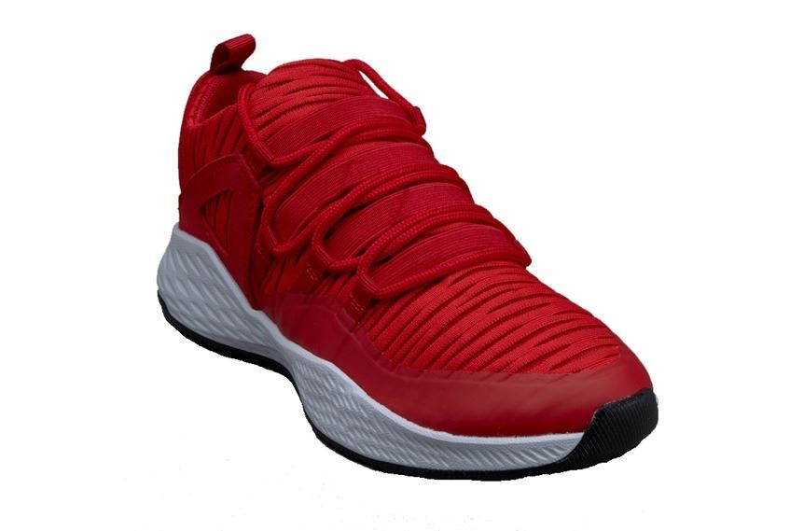
919725-602-RED-36.5 | NIKE JORDAN FORMULA 23 GYM RED/GYM JUNIOR RED EUR 36.5 | 1 | EU 36.5 | £33.28 | £33.28
919725-602-RED-37.5 | NIKE JORDAN FORMULA 23 GYM RED/GYM JUNIOR RED EUR 37.5 | 1 | EU 37.5 | £33.28 | £33.28
919725-602-RED-38 | NIKE JORDAN FORMULA 23 GYM RED/GYM JUNIOR RED EUR 38 | 1 | EU 38 | £33.28 | £33.28
919725-602-RED-38.5 | NIKE JORDAN FORMULA 23 GYM RED/GYM JUNIOR RED EUR 38.5 | 1 | EU 38.5 | £33.28 | £33.28
919725-602-RED-39 | NIKE JORDAN FORMULA 23 GYM RED/GYM JUNIOR RED EUR 39 | 1 | EU 39 | £33.28 | £33.28
919725-602-RED-40 | NIKE JORDAN FORMULA 23 GYM RED/GYM JUNIOR RED EUR 40 | 1 | EU 40 | £33.28 | £33.28
923620-002-EU41 | NIKE LUNARCHARGE ESSENTIAL COOL GREY/BLACK/WOLF GREY EU 41 | 1 | EU41 | £26.40 | £26.40 | 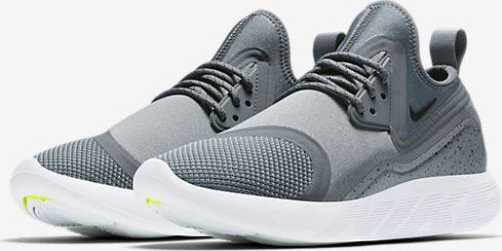
923620-002-EU44.5 | NIKE LUNARCHARGE ESSENTIAL COOL GREY/BLACK/WOLF GREY EU 44.5 | 1 | EU 44.5 | £26.40 | £26.40
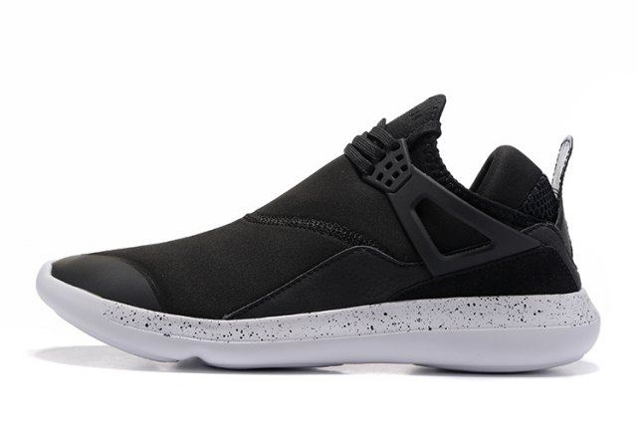
940267-010-BLACK-36 | NIKE JORDAN FLY 89 BLACK/WHITE BLACK EUR 36 | 1 | EU 36 | £27.99 | £27.99
940267-010-BLACK-36.5 | NIKE JORDAN FLY 89 BLACK/WHITE BLACK EUR 36.5 | 1 | EU 36.5 | £27.99 | £27.99
940267-010-BLACK-37.5 | NIKE JORDAN FLY 89 BLACK/WHITE BLACK EUR 37.5 | 1 | EU 37.5 | £27.99 | £27.99
940267-010-BLACK-38 | NIKE JORDAN FLY 89 BLACK/WHITE BLACK EUR 38 | 2 | EU 38 | £27.99 | £55.98
940267-010-BLACK-38.5 | NIKE JORDAN FLY 89 BLACK/WHITE BLACK EUR 38.5 | 1 | EU 38.5 | £27.99 | £27.99
940267-010-BLACK-39 | NIKE JORDAN FLY 89 BLACK/WHITE BLACK EUR 39 | 1 | EU 39 | £27.99 | £27.99

