Sheet1


 |  | New Mills Group Limited
 |  | New Mills
 |  | North Witham Road
 |  | South Witham
 |  | Lincolnshire
 |  | NG33 5QQ
 |  | info@newmillsgroup.co.uk
 |  | 01572 335 151
 |  |  |  |  |  |  | 18000
Image | SKU | Description | SMALL | MEDIUM | LARGE | X-LARGE | Total | RRP
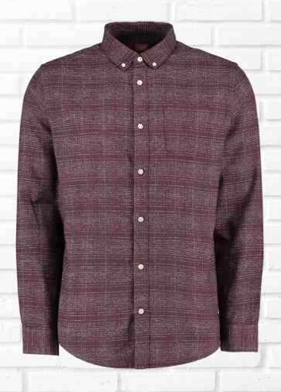 | MW05623 | OWL LS CHECK SHIRT | 333 | 667 | 667 | 333 | 2000 | £85.00
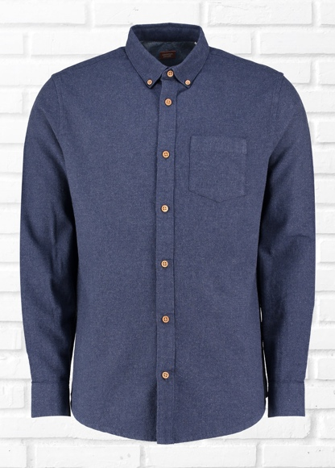 | MW05624 | BUZZARD LS MARL SHIRT | 333 | 667 | 333 | 667 | 2000 | £85.00
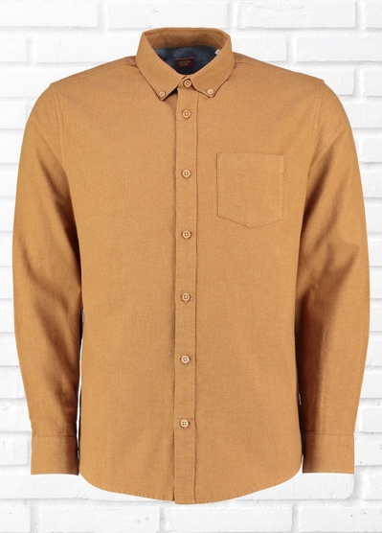 | MW05625 | HARRIER LS MARL SHIRT | 333 | 667 | 667 | 333 | 2000 | £85.00
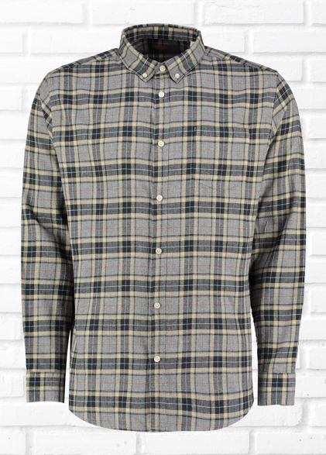 | MW05617 | MERLIN LS MARL CHECK SHIRT | 333 | 667 | 667 | 333 | 2000 | £85.00
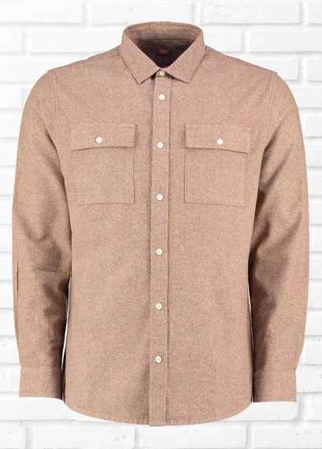 | MW05618 | HERON LS GRINDLE SHIRT | 333 | 667 | 667 | 333 | 2000 | £95.00
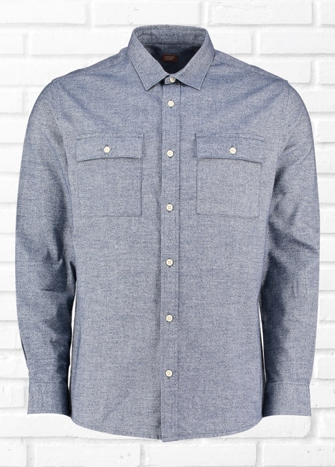 | MW05619 | FINCH LS GRINDLE SHIRT | 333 | 667 | 667 | 333 | 2000 | £95.00
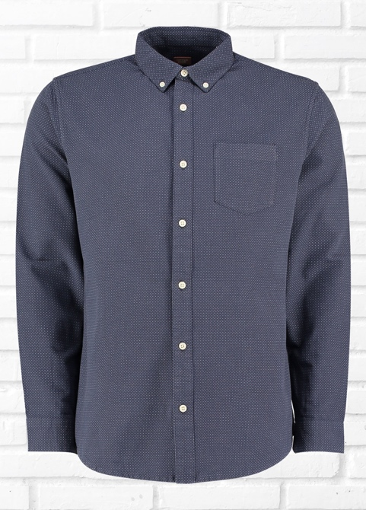 | MW05620 | OSPREY LS DOT DOBBY SHIRT | 333 | 667 | 667 | 333 | 2000 | £85.00
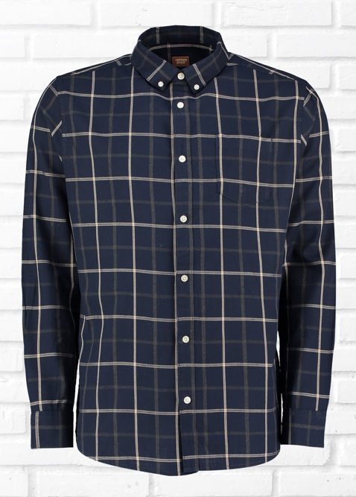 | MW05621 | EAGLE LS CHECK SHIRT | 333 | 667 | 667 | 333 | 2000 | £85.00
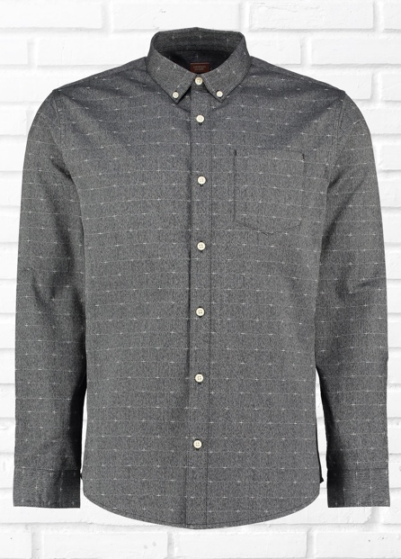 | MW05622 | HAWK LS CROSS DOBBY SHIRT | 333 | 667 | 667 | 333 | 2000 | £85.00

