Sheet1

 | New Mills Group Limited
 | New Mills
 | North Witham Road
 | South Witham
 | Lincolnshire
 | NG33 5QQ
 | info@newmillsgroup.co.uk
 | 01572 335 151

 |  | 90 |  |  | £340.50
SKU | Description | QUANTITY | Unit Cost | RRP | Total Cost | IMAGE
ENGRUGMESBAG | ENGLAND RUGBY STADIUM MESSENGER BAG | 42 | £4.00 | £29.99 | £168.00 | 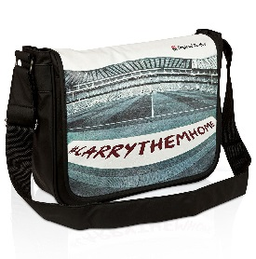
ENGRUGFLTBAG | ENGLAND RUGBY STADIUM FLIGHT BAG | 22 | £4.00 | £29.99 | £88.00 | 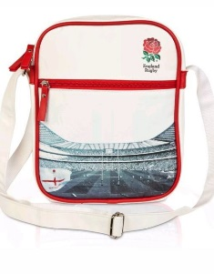
ENGRUGHC1 | ENGLAND RUGBY EXECUTIVE GOLF DRIVER HEADCOVER | 3 | £3.25 | £19.99 | £9.75 | 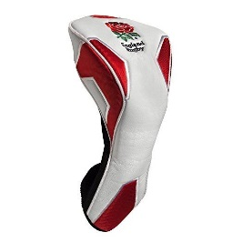
ENGRUGHC2 | ENGLAND RUGBY PITBULL MASCOT GOLF HEADCOVER | 9 | £3.25 | £19.99 | £29.25 | 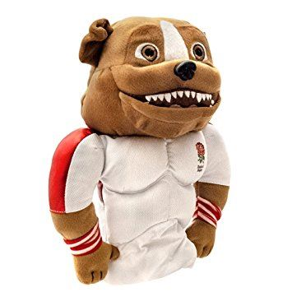
ENGRUGHC3 | ENGLAND RUGBY GILBERT RUGBY BALL GOLF HEADCOVER | 10 | £3.25 | £19.99 | £32.50 | 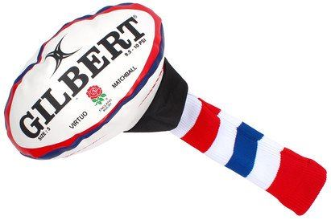
ENGRUGHC4 | ENGLAND RUGBY POM POM GOLF HEADCOVER | 4 | £3.25 | £19.99 | £13.00 | 