Ladies Baselayers

 | New Mills Group Limited
 | New Mills
 | North Witham Road
 | South Witham
 | Lincolnshire
 | NG33 5QQ
 | info@newmillsgroup.co.uk
 | 01572 335 151

 |  |  |  | 160

Image | SKU | Description | EAN | QTY
 | 25077-PINK-8 | FIVE SEASONS SUPER WOMENS SET BASELAYERS - PINK - 8 | 7311960310058 | 10
 | 25077-PINK-10 | FIVE SEASONS SUPER WOMENS SET BASELAYERS - PINK - 10 | 7311960281778 | 11
 | 25077-PINK-12 | FIVE SEASONS SUPER WOMENS SET BASELAYERS - PINK - 12 | 7311960310065 | 9
 | 25077-PINK-14 | FIVE SEASONS SUPER WOMENS SET BASELAYERS - PINK - 14 | 7311960310072 | 10
 | 25077-PINK-16 | FIVE SEASONS SUPER WOMENS SET BASELAYERS - PINK - 16 | 7311960310089 | 10
 | 25077-PINK-18 | FIVE SEASONS SUPER WOMENS SET BASELAYERS - PINK - 18 | 7311960310096 | 10
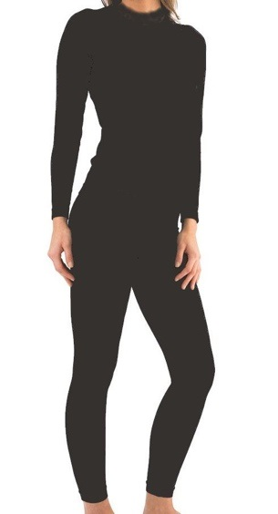
 | 25077-BLACK-10 | FIVE SEASONS SUPER WOMENS SET BASELAYERS - BLACK - 10 | 7332444884230 | 11
 | 25077-BLACK-12 | FIVE SEASONS SUPER WOMENS SET BASELAYERS - BLACK - 12 | 7332444884247 | 10
 | 25077-BLACK-14 | FIVE SEASONS SUPER WOMENS SET BASELAYERS - BLACK - 14 | 7332444884254 | 10
 | 25077-BLACK-16 | FIVE SEASONS SUPER WOMENS SET BASELAYERS - BLACK - 16 | 7332444884261 | 10
 | 25077-WHITE-8 | FIVE SEASONS SUPER WOMENS SET BASELAYERS - WHITE - 8 | 7332444884162 | 9
 | 25077-WHITE-10 | FIVE SEASONS SUPER WOMENS SET BASELAYERS - WHITE - 10 | 7332444884179 | 10
 | 25077-WHITE-12 | FIVE SEASONS SUPER WOMENS SET BASELAYERS - WHITE - 12 | 7332444884186 | 10
 | 25077-WHITE-14 | FIVE SEASONS SUPER WOMENS SET BASELAYERS - WHITE - 14 | 7332444884193 | 10
 | 25077-WHITE-16 | FIVE SEASONS SUPER WOMENS SET BASELAYERS - WHITE - 16 | 7332444884209 | 10
 | 25077-WHITE-18 | FIVE SEASONS SUPER WOMENS SET BASELAYERS - WHITE - 18 | 7332444884216 | 10

Mens Baselayers
 | New Mills Group Limited
 | New Mills
 | North Witham Road
 | South Witham
 | Lincolnshire
 | NG33 5QQ

 |  |  |  | 165

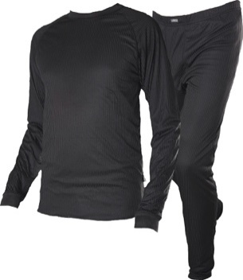
Image | SKU | Description | EAN | QTY
 | 15082-BLACK-S | FIVE SEASONS SUPER MENS SET BASELAYERS - BLACK - S | 7332444869107 | 47
 | 15082-BLACK-XL | FIVE SEASONS SUPER MENS SET BASELAYERS - BLACK - XL | 7332444869138 | 48
 | 15082-BLACK-XXL | FIVE SEASONS SUPER MENS SET BASELAYERS - BLACK - XXL | 7332444869145 | 47
 | 15082-BLACK-XXXL | FIVE SEASONS SUPER MENS SET BASELAYERS - BLACK - XXXL | 7332444869152 | 23

Childrens Baselayers
 | New Mills Group Limited
 | New Mills
 | North Witham Road
 | South Witham
 | Lincolnshire
 | NG33 5QQ

 |  |  |  | 96

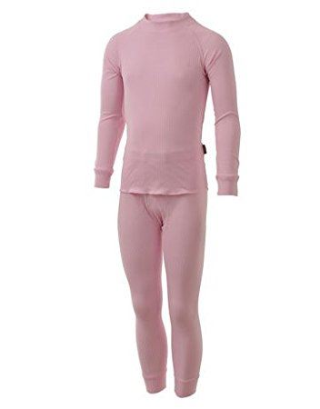
Image | SKU | Description | EAN | QTY
 | 35082-PINK-5/6YRS | FIVE SEASONS SUPER KIDS SET BASELAYERS - PINK - 5/6 YRS | 7311960312427 | 7
 | 35082-PINK-7/8YRS | FIVE SEASONS SUPER KIDS SET BASELAYERS - PINK - 7/8 YRS | 7311960312434 | 6
 | 35082-PINK-9/10YRS | FIVE SEASONS SUPER KIDS SET BASELAYERS - PINK - 9/10 YRS | 7311960312441 | 10
 | 35082-PINK-11/12YRS | FIVE SEASONS SUPER KIDS SET BASELAYERS - PINK - 11/12 YRS | 7311960312458 | 7
 | 35082-PINK-13/14YRS | FIVE SEASONS SUPER KIDS SET BASELAYERS - PINK - 13/14 YRS | 7311960312465 | 8
 | 35082-PINK-15/17YRS | FIVE SEASONS SUPER KIDS SET BASELAYERS - PINK - 15/17 YRS | 7311960312472 | 10
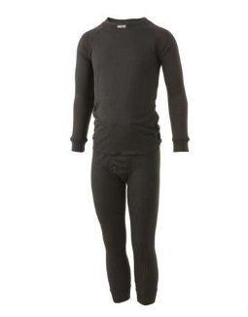
 | 35082-BLACK-1/2YRS | FIVE SEASONS SUPER KIDS SET BASELAYERS - BLACK - 1/2 YRS | 7332444908295 | 10
 | 35082-BLACK-3/4YRS | FIVE SEASONS SUPER KIDS SET BASELAYERS - BLACK - 3/4 YRS | 7332444908301 | 8
 | 35082-BLACK-5/6YRS | FIVE SEASONS SUPER KIDS SET BASELAYERS - BLACK - 5/6 YRS | 7332444908318 | 11
 | 35082-BLACK-7/8YRS | FIVE SEASONS SUPER KIDS SET BASELAYERS - BLACK - 7/8 YRS | 7332444908325 | 8
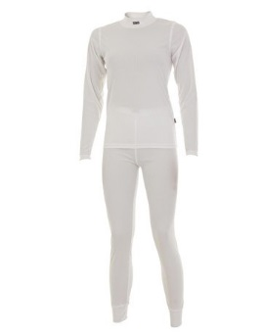
 | 35082-WHITE-5/6YRS | FIVE SEASONS SUPER KIDS SET BASELAYERS - WHITE - 5/6 YRS | 7311960241208 | 3
 | 35082-WHITE-7/8YRS | FIVE SEASONS SUPER KIDS SET BASELAYERS - WHITE - 7/8 YRS | 7311960241215 | 2
 | 35082-WHITE-9/10YRS | FIVE SEASONS SUPER KIDS SET BASELAYERS - WHITE - 9/10 YRS | 7311960241222 | 2
 | 35082-WHITE-15/17YRS | FIVE SEASONS SUPER KIDS SET BASELAYERS - WHITE - 15/17 YRS | 7311960241253 | 4

