Ralph

 | New Mills Group
 | New Mills North Witham Road
 | South Witham
 | Grantham
 | NG33 5QQ
 | malcolm@newmills.co.uk
 | 01572 335 151
 |  |  |  |  |  |  |  | 151 |  | £18,243.49
Picture | Style | Description | S | M | L | XL | XXL | TOTAL | RRP | Total RRP
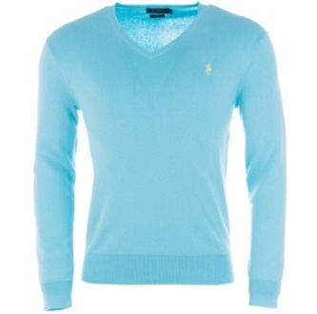 | 4603C4782A498CBLU | Mens Slim Fit Pima Cotton V-Neck Jumper Blue |  | 5 | 40 | 37 | 27 | 109 | £124.99 | £13,623.91
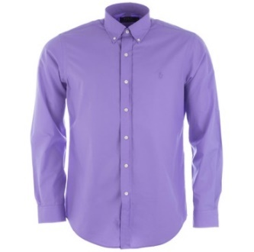 | BDP1CPOS9A5210PUR | Ralph Lauren Long Sleeve Sport Shirt Purple | 10 | 6 | 12 | 14 |  | 42 | £109.99 | £4,619.58

