Sheet1


 | New Mills Group Limited
 | New Mills
 | North Witham Road
 | South Witham
 | Lincolnshire
 | NG33 5QQ
 | info@newmillsgroup.co.uk
 | 01572 335 151

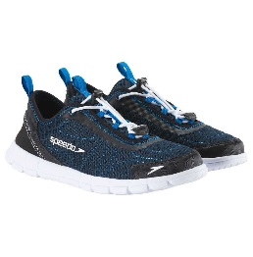
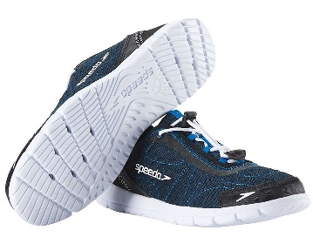
 |  | 29
SKU | Description | QUANTITY | SIZE | RRP | IMAGE
1083677-NAVY/BLACK | Speedo Men's Hybrid Watercross Water Shoe, Navy/White | 4 | UK 7 | £49.99
1083677-NAVY/BLACK | Speedo Men's Hybrid Watercross Water Shoe, Navy/White | 12 | UK 8 | £49.99
1083677-NAVY/BLACK | Speedo Men's Hybrid Watercross Water Shoe, Navy/White | 13 | UK 9 | £49.99

