Design Regulator
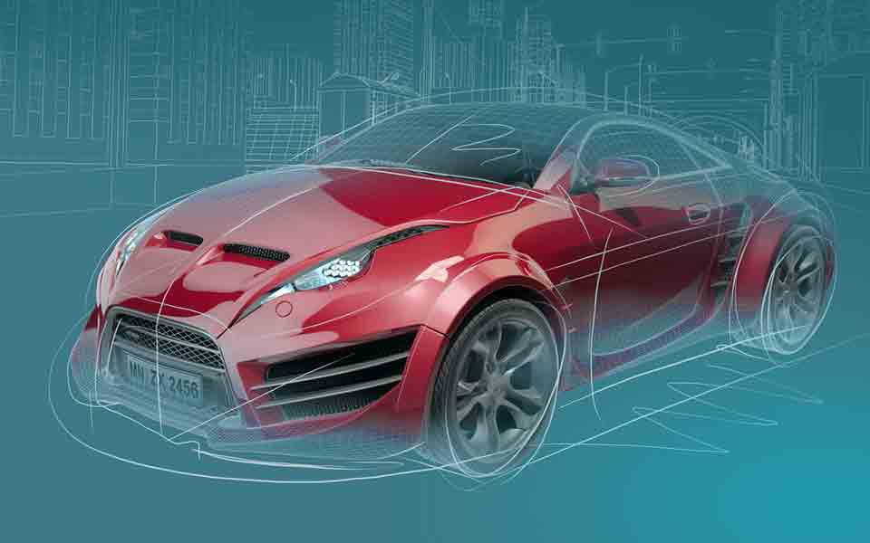 LM(2)5145/46-Q1 DC-DC Controller Design Tool

About |  | xx |  |  | = Input Box |  |  |  |  | TERMS OF USE

R_{UV1}
R_{UV2}
12.7kΩ
75kΩ
Step 1: Operating Specifications
 |  |  | Input Voltage ‒ Min, VIN(min) | 18 | V
 |  |  | Input Voltage ‒ Nom, VIN(nom) | 24 | V
 |  |  | Input Voltage ‒ Max, VIN(max) | 36 | V
 |  |  | Output Voltage, VOUT | 5.1 | V
C_{BOOT}
24V
 |  |  | Maximum Output Current, IOUT | 6 | A
R_{RT}
0.1μF
18V to 36V
 |  |  | Free-running Switching Frequency, FSW | 300 | kHz
R_{C2}
R_{FB1}
33.2kΩ
 |  |  | SYNC Frequency (if used), FSW-SYNC | 230 | kHz
866Ω
22.1kΩ
 |  |  | Frequency Set Resistor, RRT | 33.2 | kΩ
C_{C3}
C_{C1}
R_{C1}
C_{SS}
Q₁
1500pF
8.66kΩ
4.7nF
100nF
L_{F}
Step 2: Filter Inductor
 |  |  | Recommended Filter Inductance | 6.7 | µH
 |  |  | Inductance, LF | 7.4 | µH
C_{C2}
120pF
LM25145
7.4µH
 |  |  | Inductor DCR | 5 | mΩ
5.1V
Q₂
5mΩ
 |  |  | Pk-to-Pk Ripple Current at VIN(nom), DIL | 1.8 | Apk-pk
R_{FB2}
6A
 |  |  | Inductor Ripple Current as a % of Max IOUT | 31 | %
4.12kΩ
C_{OUT}
C_{IN}
 |  |  | Estimate Core Loss at VIN(nom) | 0.2 | W
3 x 47µF
24 x 4.7µF
Step 3: RDS(on) or Shunt-Based Current Limit
 |  |  | Shunt, RS | 6 | mΩ |  |  |  |  |  | \
 |  |  | Required Current Limit Setpoint | 10 | A
 |  |  | Current Limit Set Resistor, RILIM | 274 | Ω
R_{FADJ}
13
C_{VCC}
 |  |  | Min Inductor Sat Current, IL(SAT) | 13.2 | A
2.2μF
 |  |  | Power Loss in RS at Full Load, Max VIN | 0.16 | W
R_{PGOOD}
20kΩ
R_{ILIM}
Cilim
274Ω
22pF
Step 4: Output Capacitance
 |  |  | Output Voltage Ripple Specification | 20 | mVpk-pk
 |  |  | Minimum Ideal Output Capacitance | 38 | µF
 |  |  | Total Output Capacitance (Derated), COUT | 132 | µF
 |  |  | Maximum Permitted ESR | 10 | mΩ
 |  |  | Output Capacitor ESR | 10 | mΩ
 |  |  | Resulting Output Voltage Ripple | 19 | mVpk-pk
 |  |  | Output Capacitor Ripple Current | 0.5 | A (rms)

Step 5: Input Capacitance
 |  |  | Input Voltage Ripple Specification | 50 | mVpk-pk
 |  |  | Minimum Ideal Input Capacitance | 68 | µF
 |  |  | Total Input Capacitance (Derated), CIN | 110 | µF
Bode Plot
 | Loop Gain |  | LC Double Pole |  | Fz1 |  | Fz2 |  | Fp1 |  | Fp2 |  | F_ESR |  | Loop Phase |  | Fc1 |  | Fc2
0.001 | 84.144093632 | 5.0785136279 | 29.945195472 | 3.9102487169 | 26.761255537 | 4.6200163509 | 29.48553907 | 122.52112646 | -14.00156127 | 157.06165679 | -17.540704072 | 120.57192672 | -13.786363142 | 0.001 | -46.435999008 | 32.5 | -115.05098051 | 32.5 | -115.05098051
0.002 | 80.034045811 |  |  |  |  |  |  |  |  |  |  |  |  | 0.002 | -64.538885024 | 32.5 | -90 | 1000 | -115.05098051
0.003 | 76.981058889 |  |  |  |  |  |  |  |  |  |  |  |  | 0.003 | -72.354509601
0.004 | 74.659117917 |  |  |  |  |  |  |  |  |  |  |  |  | 0.004 | -76.543980919
0.005 | 72.805273981 |  |  |  |  |  |  |  |  |  |  |  |  | 0.005 | -79.124232829
0.006 | 71.268173231 |  |  |  |  |  |  |  |  |  |  |  |  | 0.006 | -80.862806962
0.007 | 69.95753785 |  |  |  |  |  |  |  |  |  |  |  |  | 0.007 | -82.108909697
0.008 | 68.816171361 |  |  |  |  |  |  |  |  |  |  |  |  | 0.008 | -83.042882375
0.009 | 67.805836463 |  |  |  |  |  |  |  |  |  |  |  |  | 0.009 | -83.766893993
0.01 | 66.89981036 |  |  |  |  |  |  |  |  |  |  |  |  | 0.01 | -84.343033968
0.02 | 60.908703746 |  |  |  |  |  |  |  |  |  |  |  |  | 0.02 | -86.823006411
0.03 | 57.392719734 |  |  |  |  |  |  |  |  |  |  |  |  | 0.03 | -87.500805591
0.04 | 54.896413617 |  |  |  |  |  |  |  |  |  |  |  |  | 0.04 | -87.725955587
0.05 | 52.959819892 |  |  |  |  |  |  |  |  |  |  |  |  | 0.05 | -87.769847196
0.06 | 51.377559616 |  |  |  |  |  |  |  |  |  |  |  |  | 0.06 | -87.723078228
0.07 | 50.039959177 |  |  |  |  |  |  |  |  |  |  |  |  | 0.07 | -87.624502888
0.08 | 48.881515116 |  |  |  |  |  |  |  |  |  |  |  |  | 0.08 | -87.493556711
0.09 | 47.859961502 |  |  |  |  |  |  |  |  |  |  |  |  | 0.09 | -87.341041115
0.1 | 46.946432819 |  |  |  |  |  |  |  |  |  |  |  |  | 0.1 | -87.173439362
0.2 | 40.950262723 |  |  |  |  |  |  |  |  |  |  |  |  | 0.2 | -85.167528879
0.3 | 37.468682563 |  |  |  |  |  |  |  |  |  |  |  |  | 0.3 | -82.987978991
0.4 | 35.026119775 |  |  |  |  |  |  |  |  |  |  |  |  | 0.4 | -80.774788873
0.5 | 33.160051567 |  |  |  |  |  |  |  |  |  |  |  |  | 0.5 | -78.559024721
0.6 | 31.66439514 |  |  |  |  |  |  |  |  |  |  |  |  | 0.6 | -76.353546955
0.7 | 30.429160573 |  |  |  |  |  |  |  |  |  |  |  |  | 0.7 | -74.165963166
0.8 | 29.388636963 |  |  |  |  |  |  |  |  |  |  |  |  | 0.8 | -72.001860518
0.9 | 28.500385764 |  |  |  |  |  |  |  |  |  |  |  |  | 0.9 | -69.865879993
1 | 27.735380504 |  |  |  |  |  |  |  |  |  |  |  |  | 1 | -67.762145212
1.5 | 25.189423827 |  |  |  |  |  |  |  |  |  |  |  |  | 1.5 | -57.853665553
2 | 24.030297823 |  |  |  |  |  |  |  |  |  |  |  |  | 2 | -49.261807821
2.5 | 23.788726478 |  |  |  |  |  |  |  |  |  |  |  |  | 2.5 | -42.397454497
3 | 24.270208283 |  |  |  |  |  |  |  |  |  |  |  |  | 3 | -37.79987
3.5 | 25.395200923 |  |  |  |  |  |  |  |  |  |  |  |  | 3.5 | -36.416926658
4 | 27.104815996 |  |  |  |  |  |  |  |  |  |  |  |  | 4 | -40.205866495
4.5 | 29.086070115 |  |  |  |  |  |  |  |  |  |  |  |  | 4.5 | -53.013763325
5 | 30.022328656 |  |  |  |  |  |  |  |  |  |  |  |  | 5 | -77.570380364
5.5 | 28.527032769 |  |  |  |  |  |  |  |  |  |  |  |  | 5.5 | -102.88942219
6 | 25.900867143 |  |  |  |  |  |  |  |  |  |  |  |  | 6 | -117.76188518
6.5 | 23.417927536 |  |  |  |  |  |  |  |  |  |  |  |  | 6.5 | -124.82195307
7 | 21.323011909 |  |  |  |  |  |  |  |  |  |  |  |  | 7 | -127.96777318
7.5 | 19.571824972 |  |  |  |  |  |  |  |  |  |  |  |  | 7.5 | -129.1903054
8 | 18.089574032 |  |  |  |  |  |  |  |  |  |  |  |  | 8 | -129.42652614
8.5 | 16.815058081 |  |  |  |  |  |  |  |  |  |  |  |  | 8.5 | -129.14002653
9 | 15.702907186 |  |  |  |  |  |  |  |  |  |  |  |  | 9 | -128.57465972
9.5 | 14.719842218 |  |  |  |  |  |  |  |  |  |  |  |  | 9.5 | -127.86532645
10 | 13.841170596 |  |  |  |  |  |  |  |  |  |  |  |  | 10 | -127.08944779
10.5 | 13.048254466 |  |  |  |  |  |  |  |  |  |  |  |  | 10.5 | -126.29251377
11 | 12.326774779 |  |  |  |  |  |  |  |  |  |  |  |  | 11 | -125.50152973
11.5 | 11.665545511 |  |  |  |  |  |  |  |  |  |  |  |  | 11.5 | -124.73245147
12 | 11.055694231 |  |  |  |  |  |  |  |  |  |  |  |  | 12 | -123.99446844
...
 |  |  | Maximum Permitted ESR | 3 | mΩ
 |  |  | Input Capacitor ESR | 2 | mΩ
 |  |  | Resulting Input Voltage Ripple | 45 | mVpk-pk
 |  |  | Input Capacitor Ripple Current | 2.5 | A (rms)

Step 6: Soft-start, UVLO
 |  |  | Soft-Start Time, tSS | 8 | ms
 |  |  | Soft-Start Capacitance, CSS | 100 | nF
 |  |  | Input Voltage UVLO Turn-On | 8.33 | V
 |  |  | Input Voltage UVLO Turn-Off | 7.58 | V
 |  |  | UVLO Upper Resistor, RUV1 | 75 | kΩ
 |  |  | UVLO Lower Resistor, RUV2 | 12.7 | kΩ
If the SYNC feature is not required, connect SYNCIN to GND
or VCC for DCM or CCM operation, respectively

Step 7: Compensation Design
 |  |  | LC Complex Pole Frequency | 5.1 | kHz
 |  |  | ESR Zero Frequency | 121 | kHz
 |  |  | Desired Crossover Frequency | 30 | kHz
 |  |  | Appropriate Midband Gain | 0.39 | V/V
Crossover Frequency = 33 kHz
 |  |  | Upper Feedback Resistor, RFB1 | 22.1 | kΩ
 |  |  | Lower Feedback Resistor, RFB2 | 4.12 | kΩ
 |  |  | Actual Output Voltage, VOUT | 5.091 | V
Phase Margin = 65°
Pole & Zero Placement |  |  | FZ1 | 3.6 | kHz
Baseline P/Z Frequencies: |  |  | FZ2 | 4.6 | kHz
 |  |  | FP1 | 121 | kHz
 |  |  | FP2 | 150 | kHz

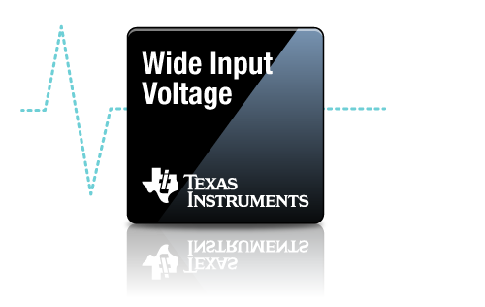
Compensation Components
 | Calculated / | Std Values | Selected |  | Actual P/Z Frequencies
RC1 | 8.7 | 8.66 | 8.66 | kΩ | 3.9 | kHz (FZ1)
CC1 | 5144 | 4700 | 4700 | pF | 4.6 | kHz (FZ2)
CC2 | 125 | 120 | 120 | pF | 123 | kHz (FP1)
RC2 | 871 | 866 | 866 | Ω | 157 | kHz (FP2)
CC3 | 1516 | 1500 | 1500 | pF |  |  | ** Specify Inductor Core Loss ** | 0.4 | W

Efficiency / Power Loss Analyzer
, VIN = VIN(nom)
 | Efficiency | Inductor Copper & Core Loss | High-Side MOSFET Loss | Low-Side MOSFET Loss
0 | 0 | 0.2014 | 0.0182 | 0.0086
0.03 | 16.314559127 | 0.2014 | 0.0184 | 0.0089
0.06 | 28.041328271 | 0.2014 | 0.0186 | 0.0091
0.09 | 36.876330666 | 0.2014 | 0.0187 | 0.0094
0.12 | 43.771318537 | 0.2014 | 0.0189 | 0.0097
0.15 | 49.301674632 | 0.2015 | 0.0191 | 0.0099
0.18 | 53.835717946 | 0.2015 | 0.0192 | 0.0102
0.21 | 57.620160723 | 0.2016 | 0.0194 | 0.0105
0.24 | 60.781346327 | 0.2017 | 0.0211 | 0.0108
0.27 | 63.34615811 | 0.2017 | 0.0277 | 0.0112
0.3 | 65.558720538 | 0.2018 | 0.0343 | 0.0115
0.33 | 67.48678419 | 0.2019 | 0.0409 | 0.0118
0.36 | 69.181771796 | 0.2020 | 0.0475 | 0.0122
0.39 | 70.683417476 | 0.2021 | 0.0541 | 0.0125
0.42 | 72.022909252 | 0.2022 | 0.0607 | 0.0129
0.45 | 73.225069445 | 0.2024 | 0.0673 | 0.0132
0.48 | 74.309899934 | 0.2025 | 0.0739 | 0.0136
0.51 | 75.293698122 | 0.2027 | 0.0806 | 0.0140
0.54 | 76.189876601 | 0.2028 | 0.0872 | 0.0144
0.57 | 77.009574405 | 0.2030 | 0.0938 | 0.0148
0.6 | 77.762119158 | 0.2032 | 0.1004 | 0.0152
0.63 | 78.455380903 | 0.2034 | 0.1071 | 0.0156
0.66 | 79.096046105 | 0.2035 | 0.1137 | 0.0160
0.69 | 79.689832086 | 0.2037 | 0.1203 | 0.0165
0.72 | 80.241656473 | 0.2040 | 0.1270 | 0.0169
0.75 | 80.755772293 | 0.2042 | 0.1336 | 0.0174
0.78 | 81.235876572 | 0.2044 | 0.1402 | 0.0178
0.81 | 81.685198321 | 0.2047 | 0.1469 | 0.0183
0.84 | 82.10657032 | 0.2049 | 0.1535 | 0.0188
0.87 | 82.502488088 | 0.2052 | 0.1602 | 0.0193
0.9 | 82.87515862 | 0.2054 | 0.1668 | 0.0198
0.93 | 83.291929925 | 0.2057 | 0.1688 | 0.0205
0.96 | 83.703294965 | 0.2060 | 0.1695 | 0.0212
0.99 | 84.093155817 | 0.2063 | 0.1703 | 0.0220
1.02 | 84.463130148 | 0.2066 | 0.1710 | 0.0228
1.05 | 84.814677334 | 0.2069 | 0.1718 | 0.0235
1.08 | 85.149117357 | 0.2072 | 0.1725 | 0.0243
1.11 | 85.467647061 | 0.2075 | 0.1733 | 0.0251
1.14 | 85.771354183 | 0.2079 | 0.1740 | 0.0259
1.17 | 86.06122951 | 0.2082 | 0.1748 | 0.0268
1.2 | 86.338177441 | 0.2086 | 0.1756 | 0.0276
1.23 | 86.603025206 | 0.2089 | 0.1763 | 0.0284
1.26 | 86.856530923 | 0.2093 | 0.1771 | 0.0293
1.29 | 87.099390665 | 0.2097 | 0.1779 | 0.0301
1.32 | 87.332244683 | 0.2101 | 0.1786 | 0.0310
1.35 | 87.555682892 | 0.2105 | 0.1794 | 0.0318
1.38 | 87.77024972 | 0.2109 | 0.1802 | 0.0327
1.41 | 87.976448409 | 0.2113 | 0.1810 | 0.0336
1.44 | 88.174744841 | 0.2118 | 0.1817 | 0.0345
1.47 | 88.365570937 | 0.2122 | 0.1825 | 0.0354
...
Step 8: Efficiency

93.1%
95.1%
 |  |  | High-Side MOSFET (Q1) Specifications | CSD18563Q5D
 |  |  | On-State Resistance, RDS(on) | 6 | mΩ
 |  |  | Total Gate Charge, QG | 11.5 | nC
 |  |  | Gate-Drain Charge, QGD | 2.9 | nC
 |  |  | Gate-Source Charge, QGS | 3.3 | nC
 |  |  | Output Capacitance, COSS | 280 | pF
 |  |  | Gate Resistance, RG | 1.5 | Ω
 |  |  | Transconductance, gFS | 100 | S
 |  |  | Gate-Source Plateau Voltage, VGS(MP) | 3.2 | V
 |  |  | Body Diode Forward Voltage, VBD1 | 0.8 | V
 |  |  | Thermal Resistance, θJA | 50 | °C/W

 |  |  | Low-Side MOSFET (Q2) Specifications | CSD18563Q5D
 |  |  | On-State Resistance, RDS(on) | 6 | mΩ
 |  |  | Total Gate Charge, QG | 11.5 | nC
 |  |  | Output Charge, QOSS | 20 | nC
 |  |  | Output Capacitance, COSS | 280 | pF
 |  |  | Body Diode Forward Voltage, VBD2 | 0.9 | V
 |  |  | Body Diode Recovery Charge, QRR | 63 | nC
 |  |  | Thermal Resistance, θJA | 50 | °C/W
 |  |  | Antiparallel Schottky Diode (if applicable)
 |  |  | Schottky Diode Forward Voltage, VSD | 0 | V
 |  |  | Schottky Diode Recovery Charge, QRR2 | 0 | nC

Step 9: IC Power Loss
 |  |  | IC Power Dissipation | 0.10 | W
 |  |  | IC Junction Temperature Rise (est) | 5.0 | °C

Schematic & BOM
R_{UV2}
R_{UV1}
12.7kΩ
75kΩ

24V
R_{RT}
C_{BOOT}
R_{C2}
R_{FB1}
33.2kΩ
0.1μF
18V to 36V
866Ω
22.1kΩ
Q₁
C_{C3}
R_{C1}
C_{SS}
C_{C1}
1500pF
8.66kΩ
4.7nF
100nF
L_{F}

C_{C2}
120pF
LM25145
7.4µH
Q₂
5.1V
R_{FB2}
5mΩ
6A
4.12kΩ
C_{OUT}
C_{IN}
24 x 4.7µF
3 x 47µF

R_{FADJ}
13
C_{VCC}
2.2μF
R_{PGOOD}
R_{ILIM}
20kΩ
Cilim
274Ω
22pF

 | ** Tie SYNCIN to VCC and GND for CCM and DCM operation, respectively **
VIN = 24 V, VOUT = 5.1 V, IOUT = 6 A, Fsw = 300 kHz, Current Limit = 10 A
Wide VIN, High Efficiency Synchronous Buck Regulator BOM
Count | Ref Des | Value | Description | Size | Part Number | MFR | Footprint (mm) | Area (mm2)
1 | CBOOT | 0.1µF | Capacitor, Ceramic, 0.1µF, 25V, X7R, 20% |  | Std | Std | 1.6 x 0.8 | 1.3 |  |  |  | 2
1 | CC1 | 4700pF | Capacitor, Ceramic, 4700pF, 16V, X7R, 10% |  | Std | Std | 1.0 x 0.5 | 0.5 |  |  |  | 1
1 | CC2 | 120pF | Capacitor, Ceramic, 120pF, 50V, NP0, 5% |  | Std | Std | 1.0 x 0.5 | 0.5 |  |  |  | 1
1 | CC3 | 1500pF | Capacitor, Ceramic, 1500pF, 50V, NP0, 5% |  | Std | Std | 1.0 x 0.5 | 0.5 |  |  |  | 1
1 | CS | 22pF | Capacitor, Ceramic, 22pF, 100V, X7R, 20% |  | Std | Std | 1.6 x 0.8 | 1.3 |  |  |  | 2
11 | CIN | 4.7µF | Capacitor, Ceramic, 4.7µF, 50V, X7R, 10% |  | Std | Std | 3.2 x 2.5 | 88.0 |  |  |  | 5
3 | COUT | 47µF | Capacitor, Ceramic, 47µF, 10V, X7R, 10% |  | Std | Std | 3.2 x 2.5 | 24.0 |  |  |  | 5
1 | CSS | 100nF | Capacitor, Ceramic, 100nF, 16V, X7R, 10% |  | Std | Std | 1.6 x 0.8 | 1.3 |  |  |  | 2
1 | CVCC | 2.2µF | Capacitor, Ceramic, 2.2µF, 25V, X7R, 20% |  | Std | Std | 2.0 x 1.25 | 2.5 |  |  |  | 3
1 | CVIN | 0.1µF | Capacitor, Ceramic, 0.1µF, 50V, X7R, 20% |  | Std | Std | 1.6 x 0.8 | 1.3 |  |  |  | 2
1 | LF | 7.4µH | Inductor, 7.4µH, 5mΩ, >14A |  | Various | Various | 10.0 x 10.0 | 100.0 |  |  |  | 7
1 | Q1 | See description | MOSFET, N-CH, 80V/100V, 6mΩ |  | CSD18563Q5D | TI | 5.0 x 6.0 | 30.0 |  |  |  | 1 | 1
1 | Q2 | See description | MOSFET, N-CH, 80V/100V, 6mΩ |  | CSD18563Q5D | TI | 5.0 x 6.0 | 30.0 |  |  |  | 1 | 1

1 | RC1 | 8.66k | Resistor, Chip, 8.66kΩ, 1/16W, 1% |  | Std | Std | 1.0 x 0.5 | 0.5 |  |  |  | 1
1 | RC2 | 866 | Resistor, Chip, 866Ω, 1/16W, 1% |  | Std | Std | 1.0 x 0.5 | 0.5 |  |  |  | 1
1 | RILIM | 274 | Resistor, Chip, 274Ω, 1/16W, 1% |  | Std | Std | 1.0 x 0.5 | 2.5 |  |  |  | 3
1 | RRT | 33.2k | Resistor, Chip, 33.2kΩ, 1/16W, 1% |  | Std | Std | 1.0 x 0.5 | 0.5 |  |  |  | 1
1 | RFB1 | 22.1k | Resistor, Chip, 22.1kΩ, 1/16W, 1% |  | Std | Std | 1.0 x 0.5 | 0.5 |  |  |  | 1
1 | RFB2 | 4.12k | Resistor, Chip, 4.12kΩ, 1/16W, 1% |  | Std | Std | 1.0 x 0.5 | 0.5 |  |  |  | 1
1 | RPGOOD | 20k | Resistor, Chip, 20kΩ, 1/16W, 1% |  | Std | Std | 1.0 x 0.5 | 0.5 |  |  |  | 1
1 | RS | 6mΩ | Resistor, 6mΩ, 1/4W, 1% | 1206 | Std | Std | 3.2 x 1.6 | 0.0
1 | RUV1 | 75k | Resistor, Chip, 75kΩ, 1/16W, 1% |  | Std | Std | 1.6 x 0.8 | 1.3 |  |  |  | 2
1 | RUV2 | 12.7k | Resistor, Chip, 12.7kΩ, 1/16W, 1% |  | Std | Std | 1.0 x 0.5 | 0.5 |  |  |  | 1
1 | RVIN | 2.2 | Resistor, Chip, 2.2Ω, 1/16W, 1% |  | Std | Std | 1.0 x 0.5 | 0.5 |  |  |  | 1
1 | U1 | LM25145 | IC, LM25145, PWM Controller, 6V-42V Input | VQFN-20 | LM25145RGYR | TI | 3.5 x 4.5 x 1.0 | 15.75

 |  |  |  |  | Total Solution Size (buffered by 25%) |  |  | 380.9 | mm2 = | 0.5905 | in2
NOTES:
** Inductor saturation current should be higher than the current limit setpoint at all operating temperatures **
** Effective output capacitance should be appropriately derated for applied voltage and temperature, particularly with ceramics **

 |  |  |  |  |  |  |  |  |  |  |  | 2

EVMs
LM(2)5145/6/-Q1 Quickstart Calculator

 | LM5146-Q1-EVM12V

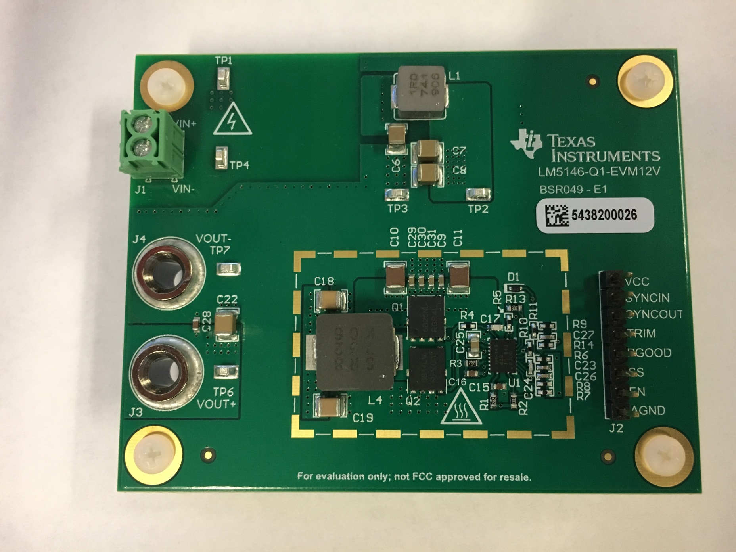

 | LM5145EVM-HD-20A PCB Layout

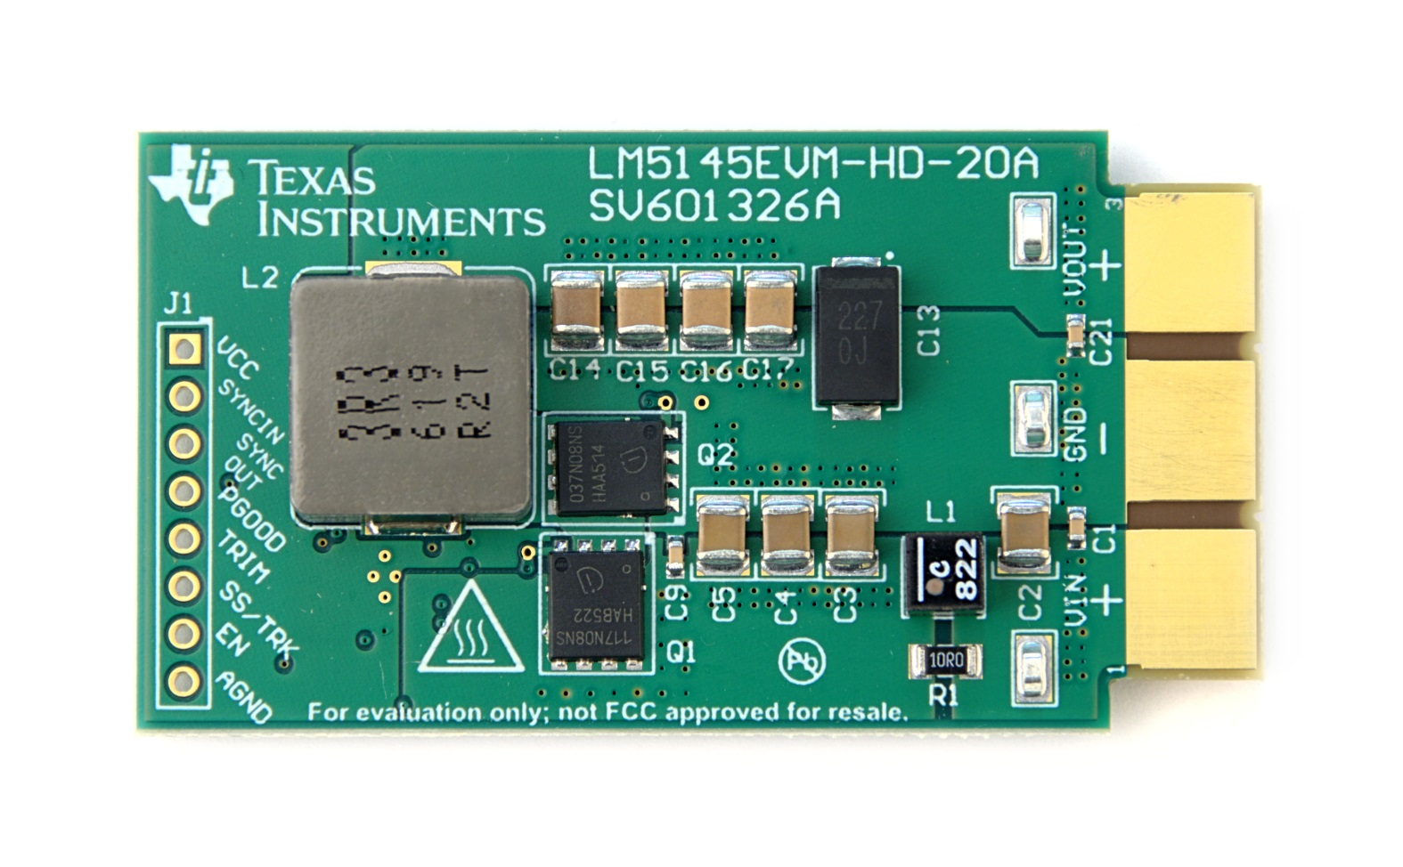
 |  | Top
 |  | Layer | x

 |  | Layer 2
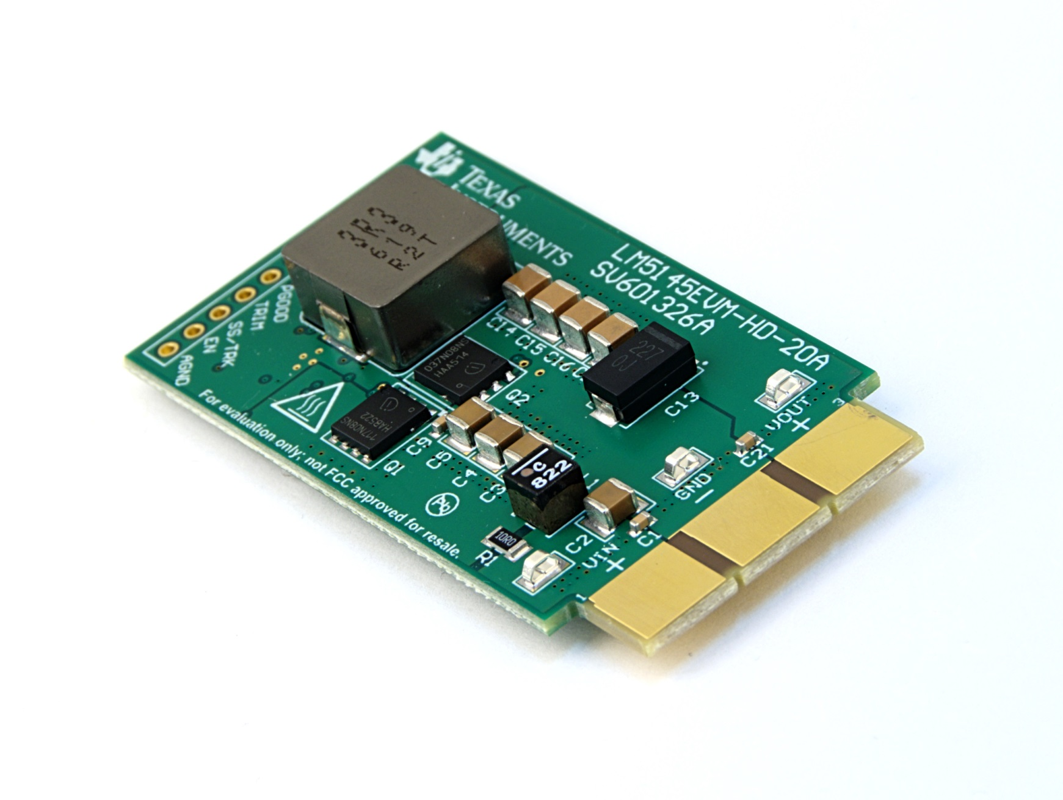

 |  | Layer 3

 |  | Bottom

